Dashboard
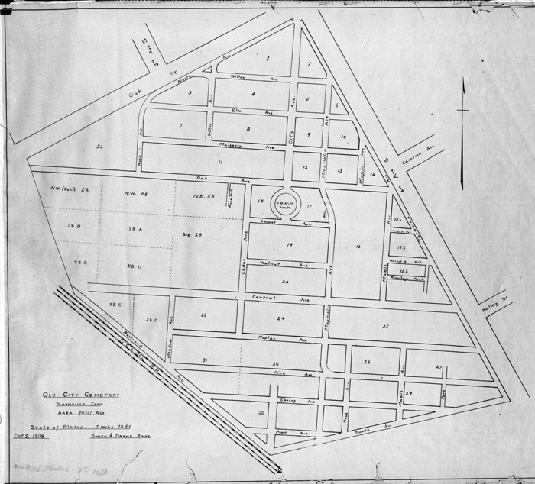


Burials per Year
 | Total
<1840 or (blank) | 2
1840-1849 | 1912
1850-1859 | 4974
1860-1869 | 7840
1870-1879 | 2491
1880-1889 | 1004
1890-1899 | 489
1900-1909 | 330
1910-1920 | 256
>1920 | 442
Burials per Section
 | Total
B | 772
W | 7606
B | 1364
W | 737
B | 1142
W | 711
B | 1043
W | 481
B | 436
W | 911

Cause of Death
Row Labels | Count of Cause of Death/Burial2
Unknown | 1917
Consumption | 1795
Cholera | 1404
Still Born | 1303
Complication | 754
Pneumonia | 642
Old Age | 618
Teething | 554
Flux | 475
Cold | 427
Grand Total | 9889

Burials per year
Row Labels | Count of Name
<1840 or (blank) | 2
1840-1849 | 1912
1850-1859 | 4974
1860-1869 | 7840
1870-1879 | 2491
1880-1889 | 1004
1890-1899 | 489
1900-1909 | 330
1910-1920 | 256
>1920 | 442
Grand Total | 19740

Burials per Year

M_F Deaths
Row Labels | Count of Sex
<1840 or (blank) | 1
1840-1849 | 1034
1850-1859 | 2630
1860-1869 | 4063
1870-1879 | 1208
1880-1889 | 467
1890-1899 | 230
1900-1909 | 157
1910-1920 | 115
>1920 | 204
Grand Total | 10109

Male and Female Deaths

Burials by Month
Count of Cause of Death/Burial2 | Column Labels
Row Labels | May | Grand Total
Cholera | 61 | 61
Consumption | 165 | 165
Old Age | 49 | 49
Still Born | 128 | 128
Unknown | 138 | 138
Grand Total | 541 | 541

Age_Time_Death
Row Labels | Count of Age Range
<1840 or (blank) | 2
41-64 | 1
65+ | 1
1840-1849 | 1048
0-18 | 367
19-25 | 167
26-40 | 246
41-64 | 168
65+ | 100
1850-1859 | 2743
0-18 | 765
19-25 | 411
26-40 | 681
41-64 | 565
65+ | 321
1860-1869 | 4119
0-18 | 1064
19-25 | 668
26-40 | 1076
41-64 | 890
65+ | 421
1870-1879 | 1341
0-18 | 205
19-25 | 197
26-40 | 332
41-64 | 361
65+ | 246
1880-1889 | 651
0-18 | 155
19-25 | 54
26-40 | 106
41-64 | 178
65+ | 158
1890-1899 | 328
0-18 | 22
19-25 | 26
26-40 | 39
41-64 | 109
65+ | 132
1900-1909 | 230
0-18 | 13
19-25 | 14
26-40 | 22
41-64 | 84
65+ | 97
1910-1920 | 206
0-18 | 28
19-25 | 3
26-40 | 16
41-64 | 60
65+ | 99
>1920 | 403
0-18 | 27
19-25 | 9
26-40 | 27
41-64 | 98
65+ | 242
Grand Total | 11071

Section_Lot
Row Labels | Count of Section/Lot
lot | 8378
B | 772
W | 7606
50p | 2101
B | 1364
W | 737
old grave | 1853
B | 1142
W | 711
200p | 1524
B | 1043
W | 481
pauper | 1347
B | 436
W | 911
Grand Total | 15203

