Sheet1
ID | Title | Prerequisites | Steps | Expected Result | Actual Result | Test Environment | Severity | Priority | Status | Assign to | Attachment
BUG_001 | The Full name field Accept invalid user Name with Local name ,@, domain and Validate it with check mark |  | 1- open google chrome 2- Open the Registration form 3- The Full name field assigned With invalid name (Email format) | the full name rejected and The error message displayed | the full name accepted invalid name with domain name, And the check mark display | Google Chrome 150.0 | Medium | Medium | New | Technical leader
BUG_002 | The Email field Accept invalid Email with Wrong format and validate it With check mark |  | 1- open google chrome 2- Open the Registration form 3- The Email field assigned With invalid Email (String) | the Email rejected and The error message display | the Email accepted invalid Email without domain name and @ character, And the check mark display | Google Chrome 150.0 | Medium | Medium | New | Technical leader
BUG_003 | The Age field Accept invalid age less than 10 years and validate it With check mark |  | 1- open google chrome 2- Open the Registration form 3- The Age field assigned With 5 years old | The Age rejected and The error message display | the Age accepted invalid Age 5 years, And the check mark display | Google Chrome 150.0 | Medium | Medium | New | Technical leader
BUG_004 | The password and the confirm password Fields assigned with mismatch data |  | 1- open google chrome 2- Open the Registration form 3- Observe The password and Confirm password fields 4- compare between them | The confirm password rejected and The error message display | the confirm password accepted mismatch Password, And the check mark display | Google Chrome 150.0 | High | High | New | Technical leader
BUG_005 | The password appear as a mask on a password Field and numbers on a Confirm Password field |  | 1- open google chrome 2- Open the Registration form 3- Observe The password and Confirm password fields 4- compare between them | The confirm password field must display masked data like the password Field | The Confirm password is secure less than Password,contains masked characters while the confirm password contains shown numbers | Google Chrome 150.0 | High | High | New | Technical leader
BUG_006 | The verification code doesn’t Appear |  | 1- open google chrome 2- Open the Registration form 3- The verification code box is Empty | The verification code appear into the Box under the page | The box of verification code is empty | Google Chrome 150.0 | Critical | High | New | Technical leader
BUG_007 | The verification message has a spelling mistake |  | 1- open google chrome 2- Open the Registration form 3- The verification message has a Spelling mistake | The verification message should be “ Please enter the verification code as Shown on the left” | The verification message have spelling mistake on “left” It wrote as “lefy” | Google Chrome 150.0 | Low | Medium | New | Technical leader
BUG_008 | The text boxes on the page not the same size |  | 1- open google chrome 2- Open the Registration form 3- Observe the Full name,Email, Age,Password,Confirm Password 4- Compare among them | The text boxes concise | the text boxes have inconsistent size | Google Chrome 150.0 | Low | Medium | New | Technical leader
BUG_009 | The check marks not aligned |  | 1- open google chrome 2- Open the Registration form 3- Observe the Check marks 4- Compare among them | The check marks must be aligned and at the same direction on the right | The check marks of Full name and Email not aligned with the check marks of the password and confirm password, The check mark of the Age assigned in different direction (left hand side) however all check marks in The right hand side | Google Chrome 150.0 | Low | Medium | New | Technical leader | 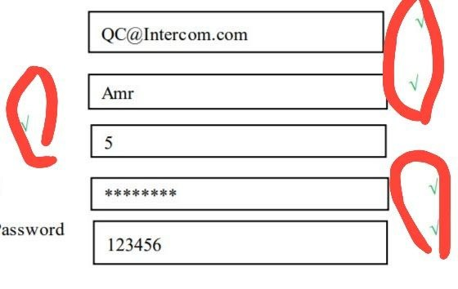
BUG_010 | the space among the text boxes of the field Is not equal |  | 1- open google chrome 2- Open the Registration form 3- Observe the Full name,Email, Age,Password,Confirm Password fields 4- Compare among them | The space between fields must be Equal | the space between the fields not equal | Google Chrome 150.0 | Low | Medium | New | Technical leader
BUG_011 | The size of text box not suitable for the font size |  | 1- open google chrome 2- Open the Registration form 3- Observe the Register box | the size of text box suitable for Font size | The size of text box is big and not Suitable for the font size | Google Chrome 150.0 | Low | Low | New | Technical leader
BUG_012 | The Verification message misaligned with the box Under it |  | 1- open google chrome 2- Open the Registration form 3- Observe the Validation message and the box under it | The verification message and its box Should be align | The Verification message misaligned with the Box under it | Google Chrome 150.0 | Low | Low | New | Technical leader

