Readme
This is the Excel file used to perform the systematic literature review
"Machine Learning for Real-Time Monitoring of Subsurface CO2 Storage Using DAS: A Systematic Literature Review"
Abstract:
The Paris Climate Agreement underscores the urgency of reducing greenhouse gas emissions, particularly carbon dioxide (CO2 ), which constitutes approximately 30% of global emissions. Carbon capture and storage (CCS) in subsurface formations emerges as a crucial technology for mitigating CO2 levels, capturing emissions from industrial and power generation sources for reuse or storage. However, modelling CO2 storage faces significant geological uncertainties and computational challenges. Despite decades of development and global pilot projects, widespread CCS adoption is hindered by the cost and efficiency of CO2 storage in geological formations. Research efforts are focused on understanding formation geology, assessing storage suitability, and enhancing storage processes to optimize efficiency.
sDistributed Acoustic Sensing(DAS), utilizing single optical fibers for high-resolution, continuous monitoring, offers potential applications in subsurface imaging and geological mapping. Machine learning (ML) techniques have emerged as effective alternatives to complex simulation models in the environmental and petroleum industries, enabling high-precision predictions for CCS research and optimization. The findings indicate that while significant progress has been made in both DAS technology and machine learning applications independently, their combined use for real-time CO2 storage monitoring remains relatively underdeveloped. This study provides a comprehensive synthesis of existing work and identifies critical research gaps, offering directions for the development of intelligent, scalable, and reliable monitoring systems for future CCS operations.
GitHub link:
https://github.com/Mariam262/machine-learning-das-co2-monitoring-slr
Mariam Farooqi
Corresponding author
Thank you

GitHub Link

Databases
Database Screening | # Studies Identified | # 1st Filter duplication | # Studies Pass Eligibility Assessment | # Studies Included
Scopus | 179 | 115 | 107 | 8

Reference Type
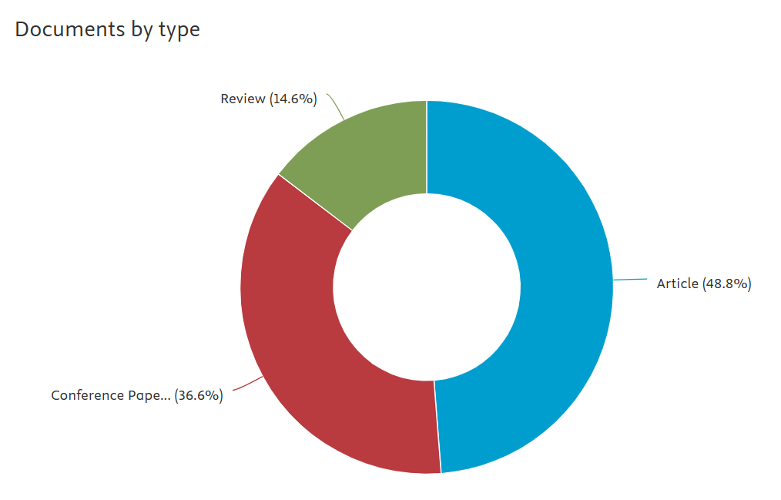
Reference Type | # of papers
Journal Article | 20
Conference Proceedings | 15
Review | 6
Total | 41

Years
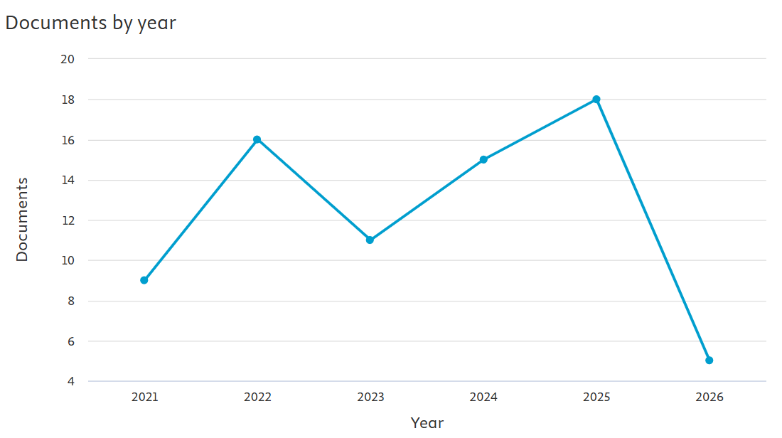
Year | # of papers included
2025 | 18
2022 | 16
2024 | 15
2023 | 11
2021 | 9
2026 | 5
Total | 74

#E&QA
Quality and Eligibility Score
Score | # of papers
0 | 0
0.5 | 0
1 | 3
1.5 | 0
2 | 79
2.5 | 11
3 | 5
3.5 | 3
4 | 5
Total | 106

Variations
Short name | # of papers
DAS / fiber-optic sensing | 4
CO₂ / CCS monitoring | 4
Machine learning-based monitoring | 3
Anomaly detection | 2
Seismic activity monitoring | 2
Real-time / edge-based processing | 1
Federated learning extension | 1
Anti-jitter signal processing | 1
Time-frequency analysis | 1
Φ-OTDR DAS sensing | 1
Spectral feature extraction / DFT | 1
Band-limited power analysis | 1
Sliding-window segmentation | 1
CNN-based classification | 1
Random Forest anomaly detection | 1
DTS-based CCS monitoring | 1
Synthetic anomaly modeling | 1
Bayesian optimization | 1
Gaussian Process surrogate model | 1
Permutation-invariant kernel | 1
Mahalanobis-distance outlier removal | 1
CMG-GEM simulation | 1
Multi-sensor seismic acquisition | 1
DAS + geophone validation | 1
Bibliometric trend analysis | 1

Techniques
Parent | Child | #Parent | #Child
Machine Learning | LSSVM | 3 | 1
 | Random Forest |  | 1
 | Comparative ML models |  | 1
Bayesian Optimization | Bayesian Optimization with Gaussian Process | 1 | 1
Deep Learning | CNN | 1 | 1
Edge Computing | Edge-based DAS inference | 1 | 1
Techniques
Federated Learning | Federated learning extension | 1 | 1
Signal Processing | Anti-jitter signal processing | 5 | 1
 | Time-frequency analysis |  | 1
 | DFT / spectral feature extraction |  | 1
 | Band-limited power analysis |  | 1
 | Sliding-window segmentation |  | 1
Geophysical Imaging | Physics-based seismic imaging | 1 | 1
Bibliometric Analysis | Bibliometrix R-based trend analysis | 1 | 1

Metrics
Short name | # of papers
Accuracy | 2
Precision | 1
Recall | 1
F1-score | 1
RMSE | 1
CO₂ sequestration target achievement (%) | 1
Well-placement efficiency | 1
Pressure constraint | 1
Breakthrough constraint | 1
Detection reliability (%) | 1
Error rate (%) | 1
Latency (ms) | 1
Detection range (m) | 1
Strain sensitivity | 1
Detection sensitivity / temperature deviation | 1
Anomaly detection capability | 1
Imaging quality | 1
Depth/time resolution (ms) | 1
Signal validation against geophones | 1
Publication trend | 1
Thematic distribution | 1
Research growth | 1
Classification performance not specified | 1

