Médias
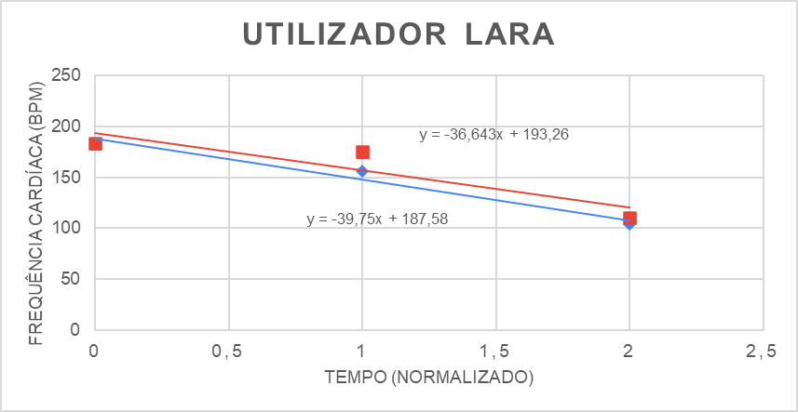
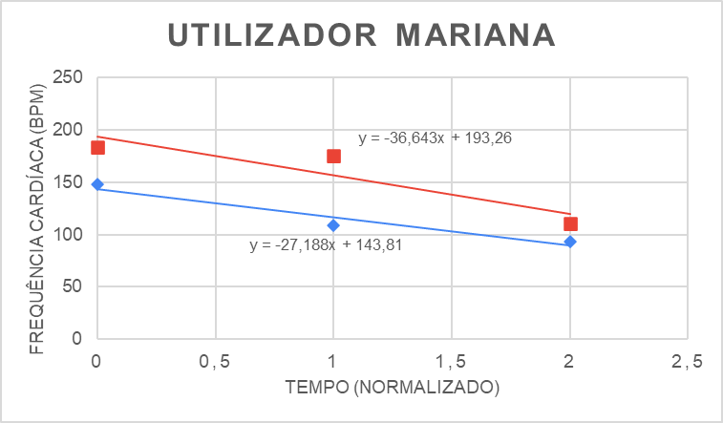
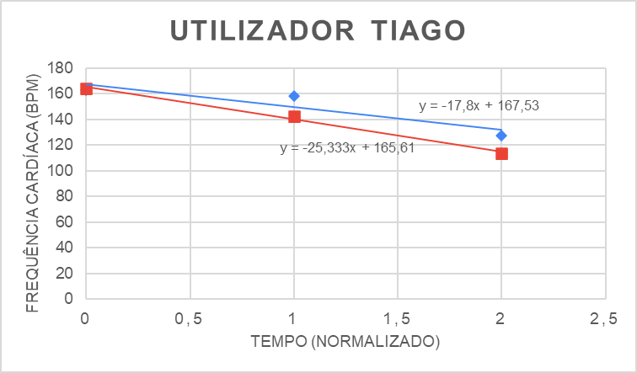
Tiago | Dias de Treino (Tarde)
 | Recuperação | t | 2022-03-10 | 2022-03-15 | 2022-03-17 | 2022-03-21 | 2022-03-22 | 2022-03-23 |  |  | Frequência Cardíaca Média (bpm) | Desvio Padrão
 |  | 2 | 149 | 93 | 119 | 125 | 92 | 104 |  |  | 114 | 21.89
 |  | 1 | 159 | 130 | 125 | 158 | 122 | 163 |  |  | 143 | 19.05
 |  | 0 | 160 | 165 | 163 | 163 | 167 | 168 |  |  | 164 | 2.94

 | Dias de Treino (Manhã)
 | Recuperação | t | 2022-03-18 | 2022-03-19 | 2022-03-20 | 2022-03-25 | 2022-03-26 |  |  |  | Frequência Cardíaca Média (bpm) | Desvio Padrão
 |  | 2 | 101 | 135 | 143 | 150 | 109 |  |  |  | 128 | 21.49
 |  | 1 | 159 | 165 | 156 | 164 | 148 |  |  |  | 158 | 6.88
 |  | 0 | 163 | 167 | 160 | 165 | 161 |  |  |  | 163 | 2.86

Lara | Dias de Treino (Tarde)
 | Recuperação | t | 2022-03-10 | 2022-03-15 | 2022-03-16 | 2022-03-17 | 2022-03-21 | 2022-03-22 | 2022-03-23 |  | Frequência Cardíaca Média (bpm) | Desvio Padrão
 |  | 2 | 138 | 107 | 118 | 104 | 108 | 98 | 101 |  | 111 | 13.66
 |  | 1 | 183 | 178 | 162 | 170 | 182 | 174 | 179 |  | 175 | 7.44
 |  | 0 | 185 | 188 | 188 | 181 | 183 | 183 | 179 |  | 184 | 3.39

 | Dias de Treino (Manhã)
 | Recuperação | t | 2022-03-18 | 2022-03-19 | 2022-03-20 | 2022-03-25 |  |  |  |  | Frequência Cardíaca Média (bpm) | Desvio Padrão
 |  | 2 | 107 | 130 | 88 | 90 |  |  |  |  | 104 | 19.47
 |  | 1 | 168 | 180 | 109 | 169 |  |  |  |  | 157 | 32.13
 |  | 0 | 180 | 186 | 186 | 181 |  |  |  |  | 183 | 3.20

Mariana | Dias de Treino (Tarde)
 | Recuperação | t | 2022-03-12 | 2022-03-14 | 2022-03-15 | 2022-03-16 | 2022-03-17 | 2022-03-21 | 2022-03-22 | 2022-03-23 | Frequência Cardíaca Média (bpm) | Desvio Padrão
 |  | 2 | 92 | 90 | 105 | 82 | 103 | 93 | 99 | 84 | 94 | 8.37
 |  | 1 | 101 | 104 | 107 | 97 | 159 | 99 | 103 | 98 | 109 | 20.67
 |  | 0 | 120 | 159 | 137 | 153 | 156 | 163 | 151 | 144 | 148 | 13.96

 | Dias de Treino (Manhã)
 | Recuperação | t | 2022-03-11 | 2022-03-13 | 2022-03-18 | 2022-03-19 | 2022-03-20 | 2022-03-25 | 2022-03-26 | 2022-03-27 | Frequência Cardíaca Média (bpm) | Desvio Padrão
 |  | 2 | 115 | 100 | 93 | 111 | 126 | 106 | 107 | 91 | 106 | 11.57
 |  | 1 | 126 | 150 | 121 | 123 | 138 | 109 | 119 | 103 | 124 | 15.00
 |  | 0 | 171 | 150 | 125 | 170 | 167 | 125 | 160 | 118 | 148 | 22.30

