Hoja1
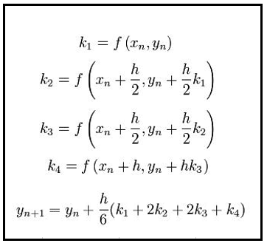
h | 0.01 |  |  |  |  |  |  | h | 0.01
to | 0 |  |  | dL/dt = -((L/0,8).t^2)-L |  |  |  | to | 0 |  |  | dS/dt = 0,2 * S + 3 - t
Lo | 0 |  |  |  |  |  |  | Do | 0

Chequear
t | L | K1 | K2 | K3 | K4 | t(i+1) | L(i+1) | t | S | K1 | K2 | K3 | K4 | t(i+1) | S(i+1)
 |  |  |  |  |  | 0 | 0 |  |  |  |  |  |  | 0 | 0
0 | 0 | 0 | 0 | 0 | 0 | 0.01 | 0 | 0 | 0 | 3 | 3 | 3 | 3 | 0.01 | 0.03
0.01 | 0 | 0 | 0 | 0 | 0 | 0.02 | 0 | 0.01 | 0.03 | 2.996 | 3.00003988 | 3.0000400012 | 3.0000800024 | 0.02 | 0.059993732941
0.02 | 0 | 0 | 0 | 0 | 0 | 0.03 | 0 | 0.02 | 0.059993732941 | 2.9919987466 | 3.0000795012 | 3.000079986 | 3.000159972 | 0.03 | 0.089981195763
0.03 | 0 | 0 | 0 | 0 | 0 | 0.04 | 0 | 0.03 | 0.089981195763 | 2.9879962392 | 3.0001188635 | 3.0001199543 | 3.0002399088 | 0.04 | 0.1199623854
0.04 | 0 | 0 | 0 | 0 | 0 | 0.05 | 0 | 0.04 | 0.1199623854 | 2.9839924771 | 3.0001579669 | 3.0001599061 | 3.0003198127 | 0.05 | 0.14993729879
0.05 | 0 | 0 | 0 | 0 | 0 | 0.06 | 0 | 0.05 | 0.14993729879 | 2.9799874598 | 3.0001968113 | 3.0001998414 | 3.0003996837 | 0.06 | 0.17990593288
0.06 | 0 | 0 | 0 | 0 | 0 | 0.07 | 0 | 0.06 | 0.17990593288 | 2.9759811866 | 3.0002353967 | 3.0002397601 | 3.0004795219 | 0.07 | 0.20986828458
0.07 | 0 | 0 | 0 | 0 | 0 | 0.08 | 0 | 0.07 | 0.20986828458 | 2.9719736569 | 3.000273723 | 3.0002796623 | 3.0005593271 | 0.08 | 0.23982435084
0.08 | 0 | 0 | 0 | 0 | 0 | 0.09 | 0 | 0.08 | 0.23982435084 | 2.9679648702 | 3.0003117902 | 3.0003195478 | 3.0006390994 | 0.09 | 0.26977412858
0.09 | 0 | 0 | 0 | 0 | 0 | 0.1 | 0 | 0.09 | 0.26977412858 | 2.9639548257 | 3.0003495983 | 3.0003594167 | 3.0007188387 | 0.1 | 0.29971761474
0.1 | 0 | 0 | 0 | 0 | 0 | 0.11 | 0 | 0.1 | 0.29971761474 | 2.9599435229 | 3.0003871472 | 3.0003992689 | 3.000798545 | 0.11 | 0.32965480624
0.11 | 0 | 0 | 0 | 0 | 0 | 0.12 | 0 | 0.11 | 0.32965480624 | 2.9559309612 | 3.0004244368 | 3.0004391043 | 3.0008782183 | 0.12 | 0.35958570001

