Feuil1
 |  |  |  | Variable in Dataset | Corresponding Q-chat-10-Toddler Features
 |  |  |  | A1 | Does your child look at you when you call his/her name?
 |  |  |  | A2 | How easy is it for you to get eye contact with your child?
 |  |  |  | A3 | Does your child point to indicate that s/he wants something? (e.g. a toy that is out of reach)
 |  |  |  | A4 | Does your child point to share interest with you? (e.g. pointing at an interesting sight)
 |  |  |  | A5 | Does your child pretend? (e.g. care for dolls, talk on a toy phone)
 |  |  |  | A6 | Does your child follow where you’re looking?
 |  |  |  | A7 | If you or someone else in the family is visibly upset, does your child show signs
 |  |  |  |  | of wanting to comfort them? (e.g. stroking hair, hugging them)
 |  |  |  | A8 | Would you describe your child’s first words as:
 |  |  |  | A9 | Does your child use simple gestures? (e.g. wave goodbye)
 |  |  |  | A10 | Does your child stare at nothing with no apparent purpose?

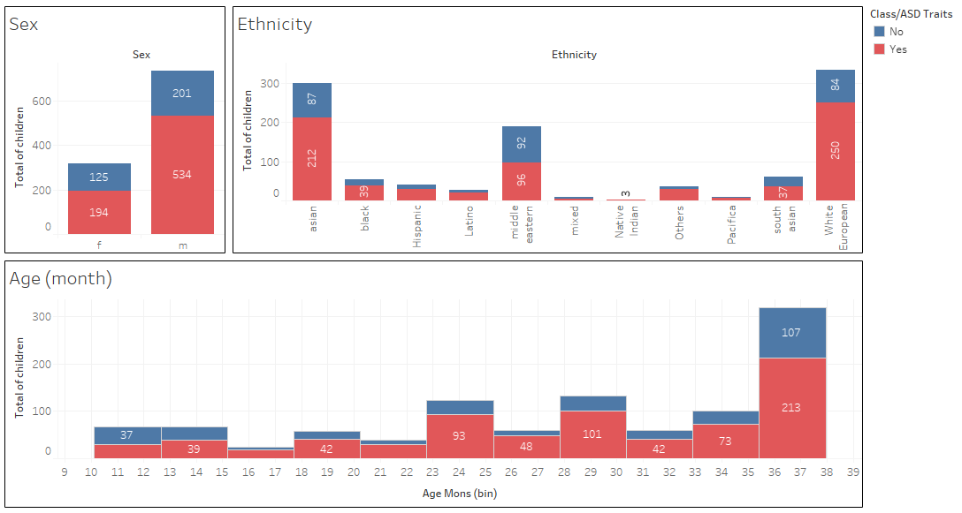

Observed | Assigned ASD traits | Not assigned ASD traits | Total
Family member with ASD | 115 | 55 | 170
Family member with no ASD | 613 | 271 | 884
Total | 728 | 326 | 1054

Theorical | Assigned ASD traits | Not assigned ASD traits | Total
Family member with ASD | 117.2 | 52.58 | 170
Family member with no ASD | 610.58 | 273.42 | 884
Total | 728 | 326 | 1054

(obs-th)²/th | Assigned ASD traits | Not assigned ASD traits
Family member with ASD | 0.0499 | 0.1114
Family member with no ASD | 0.0096 | 0.0214

X²obs = SUM [(obs-th)²/th] = | 0,0499 + 0,1114 + 0,0096 + 0,0214 = 0,1923 < 3,84 = X²t

