log_data
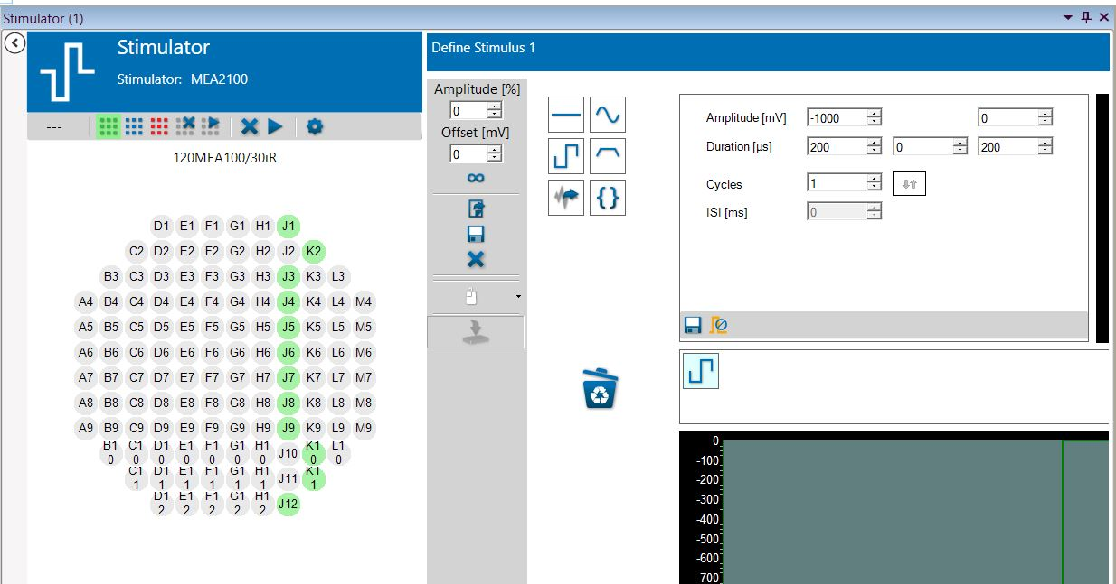
Device A | # rec | Notes | Stim loc | Curr/Volt | Amplitude | Dur. (us) | #stim
 | 1 |  | NaN | NaN | NaN | NaN | NaN
 | 2 |  | reservoir A | volt, uniphasic | 1000 mV | 200
 | 3 |  | reservoir B | volt, uniphasic | 1000 mV | 200
 | 4 |  | Tunnels | volt, uniphasic | 1000 mV | 200
 | 5 |  | J1 | curr, biphasic | 20 muA | 200
 | 6 |  | K2 | curr, biphasic | 20 muA | 200
 | 7 |  | M6 | curr, biphasic | 20 muA | 200
 | 8 |  | J5 | volt, uniphasic | 1000 mv | 200
 | 9 |  | J5 | curr, biphasic | 16 muA | 200
 | 10 |  | J6 | curr, biphasic | 10 muA | 200
 | 11 | Bursts seen | J5 | curr, biphasic | 5 muA | 200
 | 12 |  | J5 | cur, biphasic | 2 muA | 200
 | 13 |  | J5 | curr, biphasic anodic imbalance | 5, -2 muA | 200

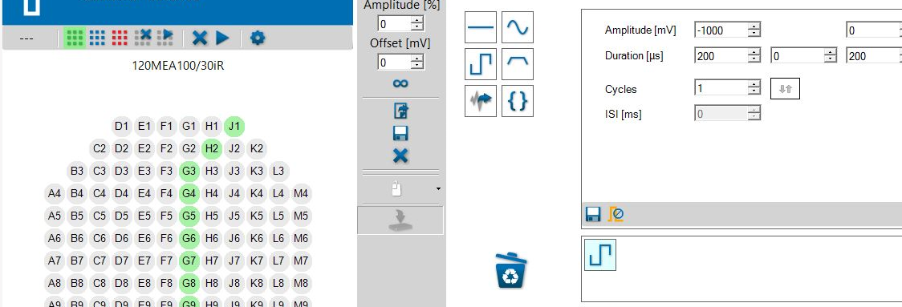
Device C | # rec | Notes | Stim loc | Curr/Volt | Amplitude | Dur. (us) | #stim
 | 1 |  | NaN | NaN | NaN | NaN | NaN
 | 2 |  | reservoir A | volt, uniphasic | 1000 mV | 200
 | 3 |  | reservoir B | volt, uniphasic | 1000 mV | 200
 | 4 |  | Tunnels | volt, uniphasic | 1000 mV | 200
 | 5 | Bursts | J1 | cur, biphasic | 5 muA | 200
 | 6 |  | G6 | cur, biphasic | 5 muA | 200
 | 7 |  | G6 | cur, biphasic | 5 muA | 300
 | 8 |  | G6 | cur, biphasic | 5 muA, (maybe -2 ??) | 200
 | 9 |  | J1 | curr, biphasic anodic imbalance | 5, -2 muA | 200
 | 10 |  | J9 | cur, biphasic | 5muA | 200
 | 11 | Bursts after all stim | K11 | cur, biphasic | 5muA | 200 | 10
 | 12 | Bursts after stim | G6 | cur, biphasic | 5muA | 200
 | 13 | Burst after all stim | J1 | cur, biphasic | 5muA | 200 | 7

