1. Title Page
[Basket Analysis]

Project Name: Instacart Basket Analysis
Date: 11 February 2022
Analyst Name: Marilize de Villiers

Contents:
Population Flow
Consistency checks
Wrangling steps
Column derivations
Visualizations
Recommendations

Data Citation
1. “The Instacart Online Grocery Shopping Dataset 2017”, Accessed from https://www.instacart.com/datasets/grocery-shopping-2017 on 07/01/2022.

2. Data on customers and the "prices" column in the 'products' dataset were fabricated for the purpose of this analysis.
3. "Where Do I Fall in the American Economic Class System?", Accessed from https://money.usnews.com/money/personal-finance/family-finance/articles/where-do-i-fall-in-the-american-economic-class-system on 10/02/2022.

2. Population Flow
Title page

Population flow

Exclusion flag
Condition: max_order < 5
Obervations to be removed: 1440295
Final total count of order_products_all: 30964564

Orders_products_combined
Orders_products_merged
Orders_products_all

Total: 32434489; 9
Total: 32404859; 13
Total: 32404859; 27

* Note: The 'Total' Field indicates the total number of rows followed by the total number of columns.

3. Consistency checks
 |  |  |  |  |  |  | Title page
Consistency checks

Dataset | Missing values | Missing values treatment | Duplicates
orders | 206209 | Replaced missing values with 0 | 0
products | 16 | Deleted records with missing values | 5
orders_products_prior | 0 |  | 0
customers | 0 |  | 0

NB: Missing values in the ORDERS dataset was replaced with 0 since these missing values were for the variable "days_since_prior_order" and the missing values were for all the first orders (thus 0 days since prior order because there was no prior order). Now all 1st orders (order number 1) should have 0 days since prior order - see crosstab to confirm that order number 1 only has observations with 0 days_since_prior_order.

days_since_prior_order | Order Number
 | 1 | 2 | 3 | 4 | 5 | 6 | 7 | 8 | 9 | 10 | 11 | 12 | 13 | 14 | 15 | 16 | 17 | 18 | 19 | 20 | 21 | 22 | 23 | 24 | 25 | 26 | 27 | 28 | 29 | 30 | 31 | 32 | 33 | 34 | 35 | 36 | 37 | 38 | 39 | 40 | 41 | 42 | 43 | 44 | 45 | 46 | 47 | 48 | 49 | 50 | 51 | 52 | 53 | 54 | 55 | 56 | 57 | 58 | 59 | 60 | 61 | 62 | 63 | 64 | 65
0 | 2076096 | 20536 | 20441 | 17984 | 16438 | 16046 | 14384 | 13890 | 12774 | 11460 | 11784 | 9828 | 9438 | 8960 | 8435 | 8130 | 7848 | 7749 | 7038 | 6902 | 7084 | 6424 | 6170 | 6103 | 6032 | 5541 | 6049 | 5569 | 5201 | 5685 | 4811 | 5133 | 4630 | 4535 | 4552 | 4384 | 4314 | 4093 | 3864 | 4029 | 4056 | 3825 | 3677 | 3670 | 3226 | 3519 | 3326 | 2720 | 3164 | 2634 | 2482 | 2928 | 2624 | 2522 | 2379 | 2483 | 2375 | 2221 | 2354 | 2196 | 2069 | 2247 | 1856 | 2031 | 1585
1 | 0 | 31674 | 29950 | 28010 | 27092 | 25533 | 24996 | 22921 | 21783 | 21067 | 21260 | 19516 | 19108 | 18279 | 18544 | 18133 | 16765 | 15977 | 15509 | 15128 | 15183 | 13855 | 13619 | 13230 | 12861 | 13006 | 12938 | 11962 | 12525 | 12084 | 11751 | 11581 | 10867 | 10395 | 9694 | 9688 | 9760 | 9506 | 9562 | 9456 | 8645 | 8873 | 8713 | 8576 | 8441 | 8323 | 8482 | 8199 | 7711 | 7147 | 7715 | 6976 | 6525 | 7033 | 7112 | 6250 | 6438 | 6265 | 5896 | 5851 | 5598 | 5947 | 4935 | 5725 | 4852
2 | 0 | 46454 | 46264 | 43902 | 40729 | 40907 | 38101 | 37519 | 35745 | 33830 | 33364 | 31473 | 30602 | 30259 | 28626 | 27574 | 26687 | 26236 | 25612 | 23717 | 23529 | 23979 | 23049 | 22337 | 21831 | 21598 | 20651 | 19776 | 18953 | 19240 | 18736 | 18331 | 17108 | 17534 | 16381 | 16021 | 16448 | 16095 | 15569 | 14664 | 14450 | 14344 | 13397 | 12920 | 12940 | 12895 | 12061 | 13443 | 12348 | 11730 | 11714 | 10607 | 10573 | 10813 | 10214 | 9494 | 9709 | 9349 | 8823 | 8733 | 8963 | 8179 | 8185 | 7712 | 7416
3 | 0 | 61637 | 63388 | 59996 | 57882 | 56183 | 52869 | 49291 | 48295 | 47826 | 45028 | 42994 | 42117 | 40701 | 38433 | 37943 | 35934 | 34663 | 34387 | 32645 | 32395 | 31478 | 30683 | 29434 | 29001 | 28254 | 26465 | 27083 | 25750 | 23421 | 23592 | 24477 | 23818 | 22226 | 21865 | 21329 | 20609 | 20805 | 19501 | 20909 | 18544 | 17952 | 17429 | 16905 | 16367 | 16424 | 15506 | 15539 | 14239 | 14977 | 13646 | 13555 | 12915 | 12216 | 11583 | 11839 | 11204 | 10572 | 10601 | 9899 | 10058 | 9837 | 9019 | 9232 | 8346
4 | 0 | 76733 | 78861 | 73540 | 70519 | 66569 | 62399 | 61143 | 59499 | 57700 | 54730 | 51935 | 48774 | 46896 | 45838 | 44241 | 42119 | 41276 | 39404 | 37328 | 36517 | 36475 | 35903 | 33132 | 34157 | 31341 | 31036 | 30094 | 28532 | 27017 | 26954 | 26013 | 24438 | 24654 | 23964 | 23047 | 22939 | 21584 | 20794 | 19015 | 19390 | 19327 | 18766 | 18719 | 18091 | 16584 | 16188 | 15564 | 15003 | 14202 | 13801 | 13032 | 12912 | 12019 | 11650 | 11928 | 11599 | 10291 | 9864 | 9640 | 9029 | 8717 | 8571 | 7755 | 8195
5 | 0 | 88999 | 91741 | 86503 | 81859 | 77583 | 73584 | 70020 | 64468 | 63154 | 59454 | 55546 | 53534 | 52955 | 49271 | 46960 | 47010 | 44879 | 42069 | 40778 | 40189 | 37707 | 35499 | 36144 | 34793 | 32270 | 31855 | 29641 | 29403 | 29377 | 27823 | 26071 | 25951 | 24194 | 23069 | 22117 | 21232 | 20018 | 19594 | 20514 | 18734 | 17596 | 16948 | 15597 | 15486 | 14351 | 14082 | 13320 | 13483 | 11456 | 12043 | 11739 | 10810 | 10348 | 10181 | 9077 | 8716 | 8578 | 7678 | 7878 | 6733 | 6396 | 6566 | 5757 | 5378
6 | 0 | 120681 | 122871 | 114644 | 106764 | 100756 | 95954 | 89752 | 87203 | 78634 | 78896 | 74719 | 68650 | 65130 | 62374 | 58794 | 56469 | 54791 | 53258 | 51292 | 49395 | 46209 | 44182 | 41002 | 38586 | 38714 | 36434 | 35073 | 33674 | 32644 | 30845 | 29967 | 28473 | 28306 | 26601 | 26518 | 24094 | 22753 | 22728 | 20868 | 19362 | 18786 | 17762 | 17389 | 16746 | 15137 | 13992 | 12418 | 12933 | 11604 | 11087 | 9631 | 9277 | 8368 | 8686 | 7298 | 7078 | 6703 | 6146 | 6114 | 5515 | 4911 | 5011 | 4549 | 4643
7 | 0 | 184802 | 181656 | 167597 | 157442 | 143628 | 137675 | 128423 | 120734 | 114769 | 106392 | 103116 | 100542 | 93723 | 89445 | 86204 | 81249 | 78056 | 73126 | 71052 | 68563 | 64149 | 62517 | 58574 | 56692 | 53871 | 50909 | 48710 | 47628 | 44825 | 42455 | 41609 | 38258 | 35791 | 34191 | 33235 | 32298 | 30421 | 28159 | 27660 | 27208 | 25988 | 23792 | 21938 | 20517 | 19873 | 17770 | 17174 | 15137 | 14707 | 12832 | 12948 | 10361 | 9594 | 8579 | 7316 | 7017 | 6385 | 6247 | 5733 | 5190 | 4902 | 3872 | 3571 | 3462
8 | 0 | 112324 | 110742 | 102217 | 94945 | 87611 | 81622 | 78760 | 71070 | 67567 | 64889 | 60068 | 57373 | 53559 | 50904 | 47433 | 44192 | 43274 | 40812 | 38660 | 35895 | 35093 | 31992 | 30974 | 30050 | 27674 | 25995 | 26308 | 23929 | 22221 | 21980 | 19751 | 19303 | 17557 | 17539 | 16115 | 16128 | 14634 | 14585 | 13279 | 11925 | 11625 | 11090 | 10410 | 9421 | 8519 | 7974 | 7459 | 7216 | 6493 | 5557 | 5042 | 5048 | 4438 | 3768 | 3757 | 3044 | 2926 | 2888 | 2581 | 2522 | 2243 | 1972 | 1852 | 1713
9 | 0 | 73676 | 75379 | 68513 | 65045 | 58933 | 54801 | 50593 | 47752 | 43483 | 42175 | 38059 | 36775 | 34974 | 31584 | 30753 | 28868 | 26648 | 25607 | 23312 | 22198 | 20464 | 20556 | 18864 | 17911 | 16488 | 16820 | 15386 | 14568 | 13532 | 12991 | 12418 | 11511 | 10783 | 10639 | 9207 | 8483 | 8096 | 7256 | 7041 | 6455 | 5867 | 5848 | 5450 | 4910 | 4506 | 3902 | 3486 | 3554 | 3272 | 3188 | 2813 | 2287 | 2176 | 2294 | 1978 | 1787 | 1629 | 1637 | 1683 | 1281 | 1045 | 1073 | 1005 | 1005
10 | 0 | 62037 | 62457 | 57676 | 51916 | 49463 | 43706 | 41110 | 38443 | 34916 | 33905 | 32706 | 29763 | 28718 | 25319 | 23601 | 22588 | 20539 | 19364 | 18414 | 17548 | 15869 | 15648 | 14704 | 14095 | 13640 | 12147 | 10827 | 10530 | 10545 | 10006 | 8527 | 8490 | 7972 | 7629 | 6640 | 6158 | 5935 | 5614 | 4596 | 4850 | 4719 | 3768 | 3747 | 3638 | 3395 | 3032 | 2868 | 2346 | 2579 | 2103 | 2125 | 2034 | 1703 | 1579 | 1304 | 1393 | 1226 | 1148 | 901 | 915 | 721 | 893 | 742 | 821
11 | 0 | 55561 | 55918 | 51974 | 45512 | 42542 | 40174 | 36884 | 33404 | 30830 | 29422 | 27423 | 26254 | 23919 | 21639 | 20252 | 20334 | 17858 | 17074 | 15903 | 13577 | 13913 | 12087 | 11981 | 10706 | 11288 | 9861 | 8609 | 7930 | 7036 | 8067 | 6156 | 6559 | 5935 | 5579 | 5379 | 4936 | 4200 | 4048 | 3722 | 3388 | 2982 | 3199 | 2921 | 2710 | 2192 | 2269 | 2042 | 1782 | 1716 | 1637 | 1343 | 1554 | 1354 | 1225 | 1121 | 1020 | 997 | 819 | 735 | 758 | 652 | 688 | 451 | 523
12 | 0 | 54604 | 56630 | 51043 | 44615 | 42591 | 38685 | 35331 | 33477 | 29857 | 26682 | 26520 | 24342 | 21421 | 21437 | 20403 | 18272 | 16061 | 15712 | 14412 | 12982 | 12227 | 11013 | 10950 | 9543 | 8705 | 8608 | 7955 | 7454 | 7137 | 6361 | 5965 | 5373 | 4695 | 5381 | 4624 | 3956 | 4086 | 3542 | 3287 | 3193 | 2808 | 2473 | 1952 | 1858 | 2150 | 1981 | 1567 | 1423 | 1746 | 1208 | 1400 | 1138 | 859 | 670 | 797 | 734 | 702 | 978 | 749 | 394 | 538 | 577 | 459 | 536
13 | 0 | 63962 | 66351 | 58478 | 54339 | 47725 | 44872 | 41268 | 38333 | 34275 | 32540 | 28186 | 26812 | 23669 | 23219 | 20620 | 20562 | 18331 | 16442 | 14425 | 15009 | 12033 | 11747 | 10648 | 10059 | 9569 | 8837 | 7687 | 7736 | 6742 | 5846 | 5659 | 5372 | 5555 | 4727 | 4422 | 3586 | 3598 | 3116 | 2976 | 2921 | 2294 | 2419 | 2244 | 1728 | 1877 | 1674 | 1208 | 1197 | 1105 | 1131 | 847 | 988 | 740 | 684 | 800 | 417 | 480 | 399 | 307 | 557 | 347 | 398 | 390 | 252
14 | 0 | 82109 | 79773 | 74714 | 67484 | 60476 | 54863 | 49237 | 46265 | 42381 | 38402 | 34335 | 32063 | 30164 | 26894 | 25911 | 24366 | 22016 | 19793 | 18077 | 15054 | 15287 | 14637 | 13303 | 11500 | 10719 | 10466 | 9480 | 7996 | 8325 | 7978 | 6654 | 6229 | 5301 | 4439 | 4868 | 4250 | 3624 | 3925 | 2820 | 2851 | 2258 | 2711 | 2692 | 1951 | 2073 | 1834 | 1640 | 1388 | 1241 | 964 | 633 | 1051 | 627 | 669 | 906 | 582 | 808 | 645 | 455 | 476 | 274 | 437 | 423 | 214
15 | 0 | 54492 | 53593 | 50229 | 44029 | 39497 | 35548 | 33879 | 29615 | 27757 | 25061 | 24441 | 20663 | 19269 | 17666 | 16195 | 15608 | 13384 | 12534 | 11839 | 10060 | 10403 | 8338 | 7646 | 8086 | 6473 | 6324 | 6086 | 5434 | 5211 | 4247 | 4193 | 3806 | 3391 | 2952 | 2868 | 2706 | 2828 | 2264 | 2339 | 1636 | 1833 | 1692 | 1609 | 1141 | 991 | 936 | 1055 | 653 | 993 | 541 | 558 | 448 | 724 | 661 | 478 | 295 | 341 | 357 | 243 | 155 | 229 | 273 | 175 | 121
16 | 0 | 38887 | 39524 | 34481 | 30581 | 28286 | 25429 | 22407 | 22373 | 20587 | 17432 | 15607 | 14352 | 13293 | 11936 | 10824 | 9592 | 9666 | 8459 | 7670 | 6717 | 6477 | 5717 | 5714 | 4964 | 4077 | 3811 | 3762 | 3307 | 2613 | 2529 | 3002 | 2341 | 2280 | 1999 | 2040 | 1610 | 1450 | 1400 | 1332 | 974 | 950 | 827 | 717 | 843 | 614 | 745 | 866 | 497 | 574 | 497 | 366 | 389 | 299 | 526 | 260 | 219 | 251 | 184 | 153 | 70 | 74 | 119 | 112 | 190
17 | 0 | 31942 | 32861 | 29823 | 26271 | 23860 | 20629 | 18592 | 17567 | 16012 | 14276 | 12805 | 12054 | 11604 | 10133 | 9139 | 7982 | 7794 | 7889 | 6215 | 5686 | 5401 | 5216 | 4849 | 3598 | 3633 | 3198 | 2932 | 2766 | 2164 | 2060 | 1918 | 2010 | 1736 | 1713 | 1406 | 1250 | 860 | 1033 | 865 | 969 | 894 | 710 | 673 | 536 | 635 | 540 | 398 | 463 | 314 | 361 | 401 | 353 | 127 | 388 | 236 | 206 | 284 | 135 | 86 | 132 | 118 | 155 | 186 | 91
18 | 0 | 31615 | 30484 | 27305 | 24859 | 21999 | 19165 | 17597 | 16762 | 15066 | 13316 | 12352 | 11341 | 9946 | 9042 | 8150 | 7173 | 6812 | 6676 | 5862 | 5099 | 4482 | 3583 | 3463 | 3459 | 3366 | 2780 | 2747 | 2179 | 2167 | 1806 | 1962 | 1530 | 1182 | 1515 | 1330 | 1045 | 955 | 1007 | 736 | 847 | 709 | 648 | 681 | 377 | 512 | 448 | 347 | 479 | 277 | 285 | 316 | 170 | 219 | 228 | 123 | 75 | 100 | 170 | 247 | 134 | 140 | 82 | 122 | 43
19 | 0 | 29890 | 31364 | 26501 | 23852 | 21441 | 19910 | 17867 | 15702 | 14316 | 12668 | 11411 | 10584 | 9073 | 8335 | 7743 | 6936 | 6291 | 6173 | 4884 | 4701 | 4669 | 4084 | 3240 | 3201 | 2651 | 2030 | 2667 | 2480 | 1534 | 1865 | 1574 | 1337 | 1549 | 1102 | 1090 | 830 | 820 | 631 | 574 | 561 | 692 | 718 | 496 | 372 | 211 | 434 | 385 | 288 | 328 | 447 | 269 | 147 | 163 | 106 | 170 | 72 | 120 | 144 | 117 | 128 | 15 | 56 | 70 | 37
20 | 0 | 35489 | 35213 | 31767 | 28748 | 25526 | 23119 | 19785 | 17132 | 16038 | 13598 | 13388 | 11947 | 10520 | 9639 | 8228 | 7692 | 6706 | 6526 | 5793 | 5526 | 4690 | 4170 | 3582 | 3290 | 3019 | 2897 | 2185 | 1950 | 2255 | 1670 | 1592 | 1357 | 1674 | 1255 | 1169 | 969 | 702 | 1008 | 671 | 640 | 520 | 509 | 423 | 497 | 340 | 479 | 369 | 220 | 399 | 192 | 243 | 149 | 128 | 171 | 146 | 109 | 137 | 95 | 138 | 58 | 100 | 33 | 87 | 83
21 | 0 | 43945 | 44587 | 37647 | 32182 | 31429 | 26005 | 23502 | 20599 | 19549 | 16181 | 15146 | 13353 | 12165 | 10983 | 9804 | 8601 | 8148 | 6913 | 6130 | 5927 | 4786 | 4268 | 4144 | 3866 | 3530 | 3100 | 2424 | 2532 | 2545 | 2041 | 1605 | 1715 | 1658 | 1332 | 1147 | 1106 | 928 | 889 | 761 | 702 | 583 | 431 | 409 | 486 | 394 | 390 | 300 | 402 | 321 | 218 | 102 | 238 | 154 | 172 | 189 | 121 | 150 | 56 | 80 | 90 | 96 | 51 | 76 | 42
22 | 0 | 30037 | 29490 | 26582 | 23394 | 20486 | 18492 | 16947 | 15403 | 13864 | 11554 | 10671 | 9305 | 8216 | 8127 | 6580 | 6234 | 5182 | 4549 | 4677 | 3839 | 3146 | 3236 | 3001 | 2495 | 2454 | 1872 | 1824 | 1380 | 1433 | 1564 | 1477 | 979 | 950 | 987 | 804 | 785 | 701 | 487 | 424 | 543 | 394 | 345 | 421 | 413 | 276 | 374 | 347 | 198 | 137 | 196 | 280 | 130 | 119 | 141 | 128 | 33 | 96 | 61 | 70 | 34 | 2 | 75 | 7 | 26
23 | 0 | 22950 | 24117 | 19794 | 17068 | 15570 | 13896 | 11557 | 11146 | 8681 | 8556 | 7648 | 7303 | 6119 | 5458 | 4291 | 4270 | 3879 | 3137 | 3083 | 2834 | 2676 | 2029 | 2081 | 1652 | 1636 | 1295 | 1259 | 1037 | 1104 | 1082 | 987 | 960 | 468 | 519 | 654 | 448 | 461 | 407 | 426 | 256 | 302 | 265 | 157 | 285 | 177 | 169 | 149 | 104 | 159 | 117 | 178 | 56 | 77 | 92 | 118 | 35 | 82 | 29 | 7 | 53 | 63 | 22 | 16 | 19
24 | 0 | 19287 | 19434 | 16898 | 15718 | 13536 | 12404 | 10803 | 9504 | 8252 | 7621 | 6317 | 5887 | 5426 | 4422 | 3774 | 3489 | 3504 | 2731 | 2298 | 2407 | 1921 | 1854 | 1960 | 1176 | 1362 | 1501 | 681 | 1007 | 665 | 646 | 641 | 546 | 508 | 611 | 571 | 457 | 478 | 250 | 281 | 321 | 214 | 118 | 194 | 186 | 156 | 170 | 136 | 79 | 59 | 88 | 36 | 94 | 72 | 27 | 96 | 18 | 108 | 12 | 51 | 34 | 11 | 24 | 29 | 66
25 | 0 | 18759 | 19368 | 16264 | 14223 | 12605 | 10713 | 9214 | 8535 | 7797 | 6475 | 6109 | 5831 | 4802 | 4514 | 4009 | 3358 | 2919 | 2747 | 2286 | 2090 | 2071 | 1554 | 1299 | 1409 | 1081 | 1116 | 1259 | 749 | 950 | 710 | 557 | 545 | 487 | 381 | 294 | 259 | 227 | 388 | 169 | 183 | 111 | 218 | 216 | 179 | 78 | 26 | 87 | 77 | 153 | 99 | 27 | 186 | 4 | 73 | 62 | 17 | 39 | 51 | 5 | 6 | 46 | 49 | 39 | 44
26 | 0 | 18449 | 19464 | 16067 | 14922 | 12991 | 11803 | 9902 | 8717 | 7911 | 6910 | 5880 | 4830 | 4669 | 3840 | 4174 | 3177 | 2905 | 2618 | 2181 | 1966 | 1606 | 1667 | 1056 | 997 | 1082 | 884 | 715 | 757 | 553 | 666 | 412 | 399 | 357 | 230 | 339 | 279 | 175 | 252 | 296 | 146 | 117 | 219 | 86 | 92 | 53 | 130 | 43 | 90 | 24 | 36 | 81 | 13 | 78 | 9 | 35 | 5 | 48 | 19 | 85 | 29 | 0 | 28 | 2 | 0
27 | 0 | 21333 | 22614 | 20202 | 18333 | 14454 | 12479 | 11797 | 10209 | 8594 | 7344 | 6181 | 6244 | 5267 | 4702 | 4019 | 3448 | 3108 | 2756 | 2394 | 1970 | 1734 | 1726 | 1733 | 1064 | 1132 | 1081 | 936 | 624 | 667 | 595 | 406 | 479 | 456 | 460 | 286 | 338 | 411 | 273 | 243 | 170 | 177 | 227 | 89 | 114 | 92 | 164 | 85 | 69 | 19 | 71 | 55 | 90 | 84 | 10 | 21 | 42 | 54 | 12 | 32 | 7 | 39 | 19 | 2 | 7
28 | 0 | 27969 | 28780 | 25260 | 20869 | 18116 | 16532 | 14232 | 12702 | 10896 | 8778 | 8501 | 7205 | 6831 | 4939 | 4814 | 4373 | 3694 | 3127 | 3326 | 2696 | 1682 | 1953 | 1791 | 1206 | 1377 | 1354 | 936 | 953 | 858 | 973 | 645 | 625 | 519 | 281 | 490 | 517 | 412 | 345 | 209 | 117 | 248 | 146 | 180 | 158 | 213 | 108 | 110 | 102 | 50 | 86 | 104 | 58 | 97 | 91 | 66 | 65 | 35 | 57 | 13 | 28 | 21 | 23 | 2 | 56
29 | 0 | 19943 | 19840 | 17003 | 14768 | 13290 | 11258 | 10092 | 8856 | 7650 | 6352 | 5118 | 5280 | 4941 | 3943 | 3556 | 2777 | 2685 | 2156 | 1859 | 1459 | 1740 | 1177 | 1266 | 1006 | 904 | 800 | 713 | 438 | 483 | 539 | 392 | 270 | 466 | 267 | 219 | 189 | 164 | 168 | 220 | 114 | 196 | 155 | 46 | 74 | 49 | 71 | 51 | 53 | 32 | 31 | 39 | 68 | 49 | 14 | 6 | 1 | 6 | 21 | 5 | 0 | 17 | 0 | 0 | 0
30 | 0 | 465633 | 455713 | 365995 | 294503 | 241262 | 196568 | 163732 | 135424 | 113059 | 94737 | 78815 | 66634 | 55706 | 46936 | 39673 | 33559 | 28820 | 25009 | 22018 | 18240 | 16090 | 14066 | 11276 | 10298 | 9025 | 7395 | 7262 | 6002 | 5174 | 4447 | 3796 | 3650 | 3221 | 2628 | 2216 | 1983 | 1842 | 1681 | 1168 | 1071 | 962 | 1097 | 830 | 1001 | 1025 | 672 | 588 | 454 | 376 | 349 | 438 | 309 | 215 | 221 | 177 | 140 | 211 | 102 | 174 | 117 | 147 | 108 | 197 | 58

4. Wrangling steps
 |  |  |  | Title page
Wrangling steps

Columns dropped | Columns renamed | Columns' type changed | Comment/Reason
eval_set |  |  | eval_set dropped from original orders dataset since it had no impact on analysis
First Name |  |  | dropped due to it being PII (personal identifying information)
Surname | Surnam changed to 'Surname' but column was later dropped |  | dropped due to it being PII
 | order_dow from 'orders' to order_day_of_week |  | renamed to avoid confusion
 | STATE renamed to state |  | renamed to make column names more uniform
 |  | First Name changed to 'string' | it had a mixed data type but the column was later dropped
 |  | order_id | changed to string since no calculations were necessary
 |  | user_id | changed to string since no calculations were necessary
 |  | product_id | changed to string since no calculations were necessary
 |  | department_id | changed to string since no calculations were necessary
 | Gender to gender |  | renamed to make column names more uniform
 | Age to age |  | renamed to make column names more uniform
exclusion_flag |  |  | it was no longer necessary

5. Column derivations
 |  |  |  | Title page

Column derivations and aggregations

In this tab you should add tables below that the frequences of flags/label variables that you produced after deriving them. NB: don't do this for continuous variables, only for flags.
Dataset | New column | Column/s it was derived from | Conditions
Orders_products_merged | price_range_loc | prices | IF Prices <=5: Low-range Product; If prices >5 & <=15: Mid-range Product; If prices >15: High-range Product
 | busiest_day | order_day_of_week | If the day = 0 (Saturday) or 1 (Sunday): "busiest days"; If the day = 3 (Tuesday) or 4 (Wednesday): "least busy days"; If the day = everything else (2, 5, 6): "regular busy days"
 | busiest_period_of_day | order_hour_of_day | If hour value >= 9 and value <= 16: "Most Orders"; If hour value >= 0 and value <= 6 or value == 23: "Fewest Orders"; Everything else: "Average Orders"
 | loyalty_flag | max_order | If max_order > 40: 'Loyal customer'; If max_order <= 40 & > 10: 'Regular customer'; If max_order <= 10: 'New customer'
 | spending_flag | avg_spending | If avg_spending < 10: 'Low spender'; if avg_spending >= 10: 'High spender'
 | frequency_flag | order_frequency | If order_frequency > 20:'Non-frequent customer'; If order_frequency <= 20 & > 10: 'Regular customer'; If order_frequency <= 10: 'frequent customer'
Orders_products_all | region | state | If state = 'Maine', 'New Hampshire', 'Vermont', 'Massachusetts', 'Rhode Island', 'Connecticut', 'New York', 'Pennsylvania', 'New Jersey': 'Northeast'; If state = 'Wisconsin', 'Michigan', 'Illinois', 'Indiana', 'Ohio', 'North Dakota', 'South Dakota', 'Nebraska', 'Kansas', 'Minnesota', 'Iowa', 'Missouri': 'Midwest'; If state = 'Delaware', 'Maryland', 'District of Columbia', 'Virginia', 'West Virginia', 'North Carolina', 'South Carolina', 'Georgia', 'Florida', 'Kentucky', 'Tennessee', 'Mississippi', 'Alabama', 'Oklahoma', 'Texas', 'Arkansas', 'Louisiana': 'South'; If state is anything else: 'West'
 | exclusion_flag | max_order | If max_order < 5: 'Exclude'; If max_order >=5: 'Include'
 | age_range | age | age >=18 & <=40: Young Adult; age >40 & <=64: Adult; age >64: Pensioner

6. Visualizations
 |  |  |  |  |  |  |  |  |  |  |  |  |  | Title page

Visualisations

In this section, all the important visualisations and insights can be found.

 | 1. The sales team needs to know what the busiest days of the week and hours of the day are (i.e., the days and times with the most orders) in order to schedule ads at times when there are fewer orders.
 | Figure 1 |  |  |  |  |  |  |  |  | Figure 2

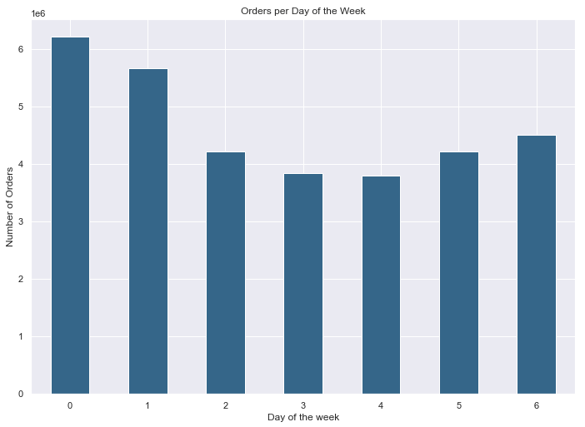 |  |  |  |  |  |  |  | Legend (Figure 1): 0 = Saturday 1 = Sunday 2 = Monday 3 = Tuesday 4 = Wednesday 5 = Thursday 6 = Friday |  | 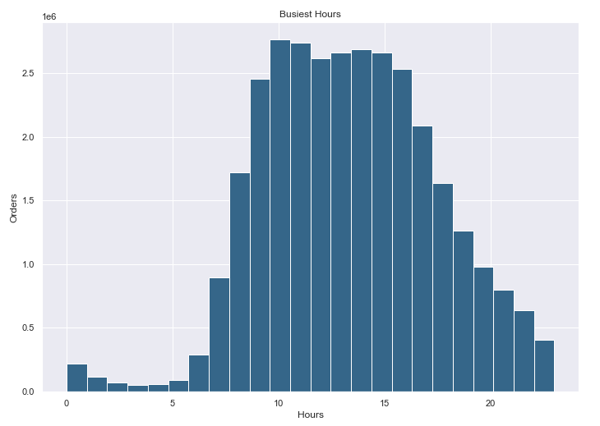 |  |  |  |  |  |  | Figure 1 shows which days are the busiest in terms of number of orders. Here it is clear to see that Saturdays and Sundays are the busiest days.

 |  |  |  |  |  |  |  |  |  |  |  |  |  |  |  |  | Figure 2 represents the number of orders per hour of the day. This figure shows that most orders are placed between 08:00 and 18:00 during the day.
 | 2. They also want to know whether there are particular times of the day when people spend the most money, as this might inform the type of products they advertise at these times.
 | Figure 3: Prices of Purchased Products during the Day
 | 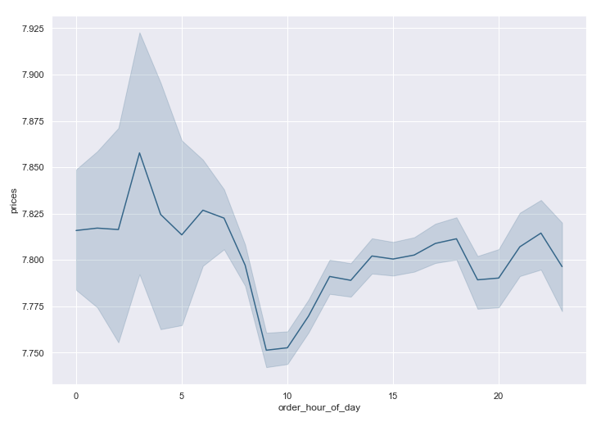 |  |  |  |  |  |  |  | Figure 3 indicates that the time during the day when the most expensive products are purchased is between 02:00 (am) and 07:00 in the morning. More expensive products should be advertised during this time.

 | 3. Instacart has a lot of products with different price tags. Marketing and sales want to use simpler price range groupings to help direct their efforts.
 | Figure 4 |  |  |  |  |  |  |  |  | Figure 5

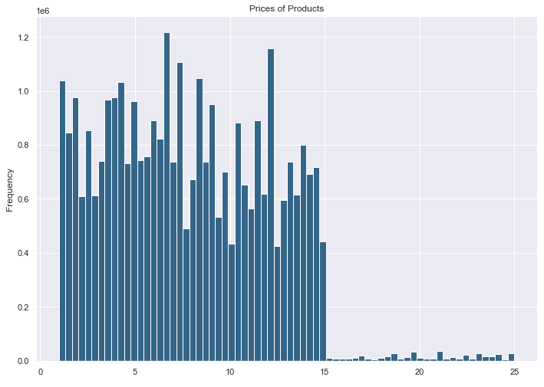 |  |  |  |  |  |  |  | Figure 5 shows the number of products in each price range. Most of the products at Instacart are "Mid-range Products". Very few products are in the High range. |  | 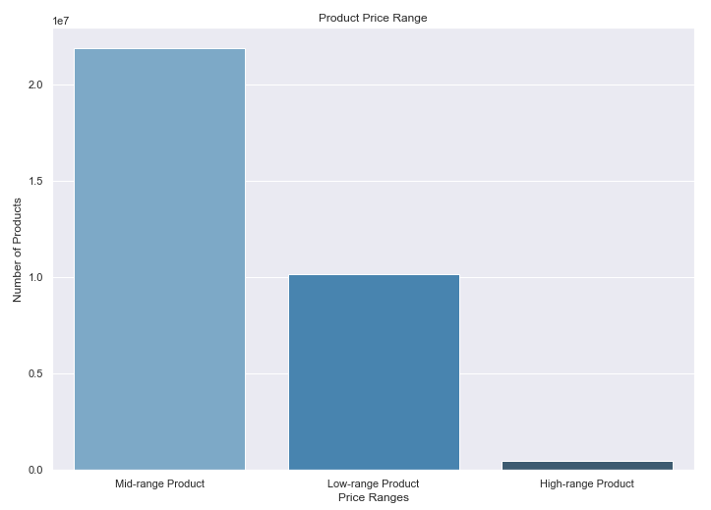
 | 4. Are there certain types of products that are more popular than others? The marketing and sales teams want to know which departments have the highest frequency of product orders.
 | Figure 6
 | 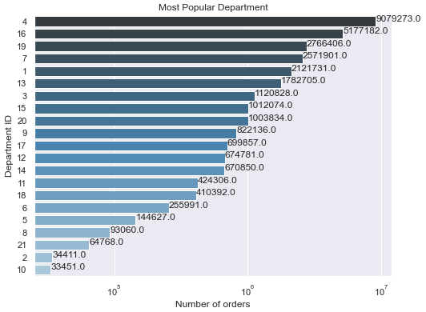 |  |  |  |  |  |  |  | Legend Department 1. frozen 2. other 3. bakery 4. produce 5. alcohol 6. international 7. beverages 8. pets 9. dry goods pasta 10. bulk 11. personal care 12. meat seafood 13. pantry 14. breakfast 15. canned goods 16. dairy eggs 17. household 18. babies 19. snacks 20. deli 21. missing |  |  | Figure 6 shows the number of orders for each department. It is clear when looking at Figure 5, that Department_id 4 is the most popular. Deartment _id 4 is 'Produce'.

 | 5. The marketing and sales teams are particularly interested in the different types of customers in their system and how their ordering behaviors differ. For example: 5a. What’s the distribution among users in regards to their brand loyalty (i.e., how often do they return?)
 | Figure 7 |  |  |  |  |  |  |  | Figure 8
 | 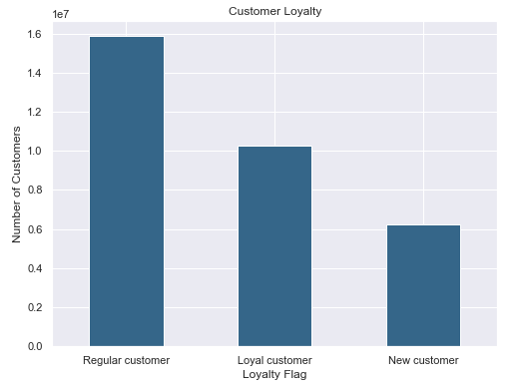 |  |  |  |  |  |  | 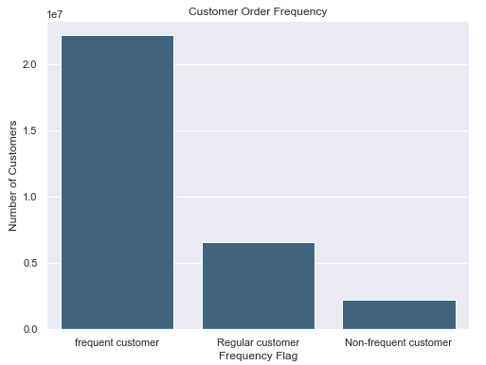 |  |  |  |  |  |  |  | Figure 7 indficates the number of customers that belongs to each group: loyal, regular, or new customers. Most customers are classified as "Regular Customer". Loyalty was determined by looking at each customer's maximum number of orders. More than 40 orders in total means they are classified as a loyal customer. Figure 8 shows the number of customers in each frequency group. The frequency flag indicates how often a customer uses the InstaCart service. Most customers are classified as "Frequent Customers". This means they on average within 10 days (10 or less days have passed since their last order).

 | 5b. Are there differences in ordering habits based on a customer’s loyalty status?

 | Figure 9 |  |  |  |  |  |  |  |  |  |  | Figure 10
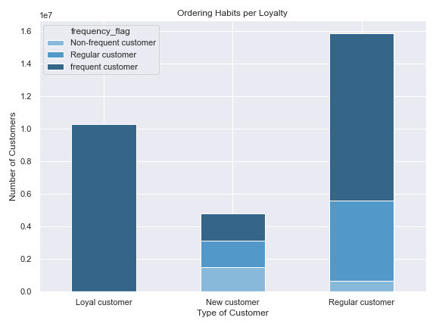 |  |  |  |  |  |  |  | Figure 9 shows the frequency status according to customer loyalty. It seems that most (if not all) loyal customers are also frequent customers, meaning they order frequently (at least every 10 days if not sooner). The largest proportion of "Regular Customers" are also frequent customers. In Figure 10 it is clear that most customers, regardless of their loyalty status are low spenders, which means they mostly purchase low and mid-range products. |  |  | 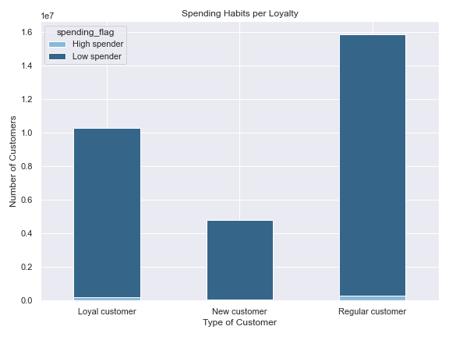
 | 5c. Are there differences in ordering habits based on a customer’s region?
 | Figure 11 |  |  |  |  | Figure 12 |  |  |  |  |  | Figure 13
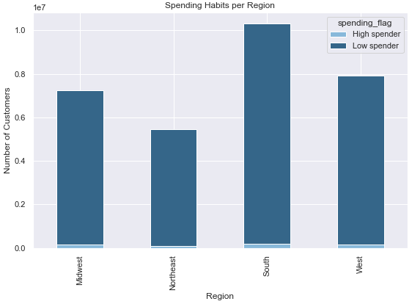
 | Region | High spender | Low spender |  |  | Region | %High spender |  | %Low spender
 | Midwest | 155975 | 7441350 |  |  | Midwest | 2.05% |  | 97.95%
 | Northeast | 108225 | 5614511 |  |  | Northeast | 1.89% |  | 98.11%
 | South | 209691 | 10582194 |  |  | South | 1.94% |  | 98.06%
 | West | 160354 | 8132559 |  |  | West | 1.93% |  | 98.07%

 | Figures 11 and 12 illustrate the spending habits of customers in different regions. Most customers across all regions are low spenders. The highest proportion of "High Spenders" is in the Midwest, but the difference is not significant.

 | 5d. Is there a connection between age and family status in terms of ordering habits?
 | Figure 14: Relationship between age and dependants
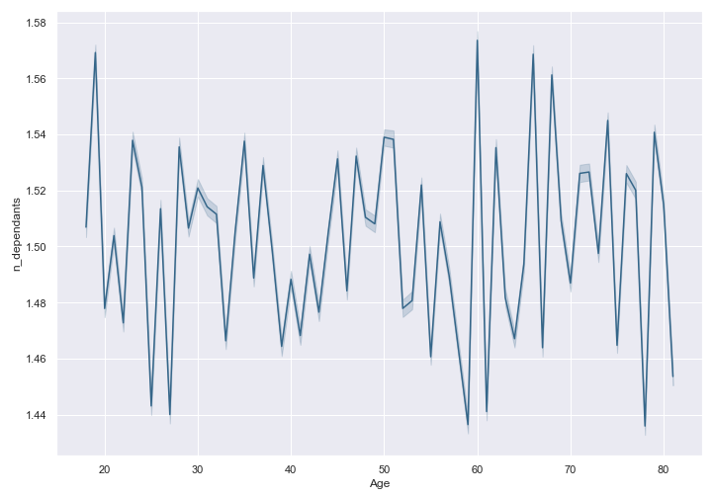 |  |  |  |  |  |  |  | When looking at Figure 14 it does not seem as though there is a clear relationship between age and the number of dependants. There seems to be no positive correlation. That is, age does not have an influence on how many dependants a user has.
 | Figure 15 |  |  |  |  |  |  | Figure 16
 | married single divorced/widowed living with parents and siblings | 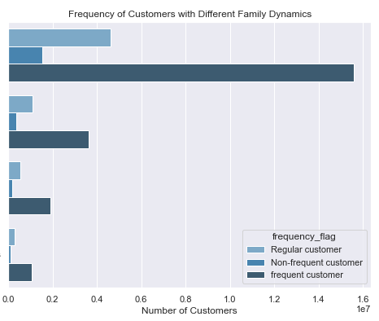 |  |  |  |  |  | 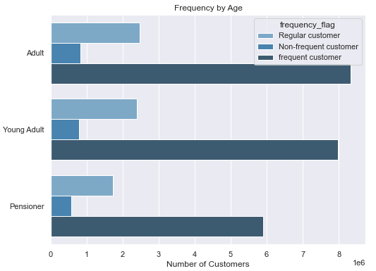

 | Figure 17 |  |  |  |  |  |  | Figure 18

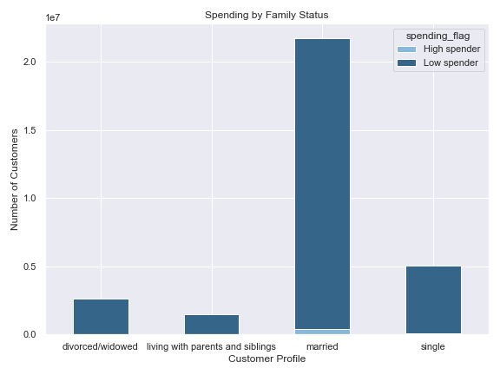 |  |  |  |  |  |  |  | 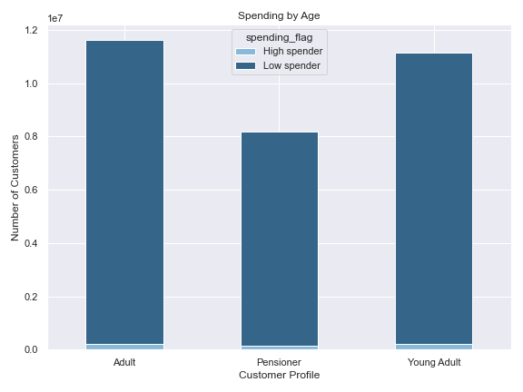
 | Looking at Figures 15-18, it is evident that married customers between the ages of 18 to 64 are the most frequent customers. There does not seem to be a difference between high and low spenders when looking at age and family status. Most customers across all ages and family statuses are low spenders.

 | 6. What different classifications does the demographic information suggest? Age? Income? Certain types of goods? Family status?

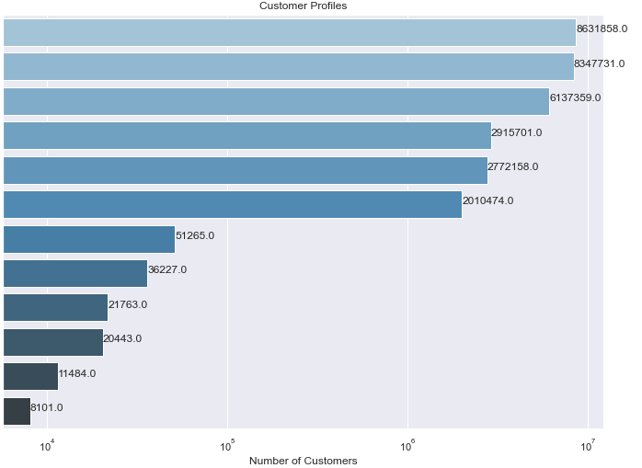
 | Figure 19
 |  |  |  |  |  |  |  |  |  |  |  |  | Classification of Customers: 1. Low-Income = Annual Income of $270 000 or less (lower half of the upper-middle class and below) High-Income = Annual Income of more than $270 000 (upper half of upper-middle class and above) 2. Family = married, dependants, or living with parents and siblings 3. Single = single, divorced/widowed 4. Young (Adult/Family) = Ages 18 - 40 years 5. Adult/Family (without "Pensioner"/"Young") = Ages 41-64 Years 5. Pensioner = Ages 65 and up
Low Income Family
Low Income Young Family
Low Income Pensioner Family
Low Income Single Adult
Low Income Single Young Adult
Low Income Pensioner
High Income Family
High Income Pensioner Family
High Income Single Adult
High Income Young Family
High Income Pensioner
High Income Single Young Adult

 | Figure 19: Most customers are considered low income customers of all ages and family statuses.Low income refers to lower-class, middle class and upper-middle class, or annual income of less than or equal to $270 000.

 | 7. What differences can you find in ordering habits of different customer profiles? Consider the price of orders, the frequency of orders, the products customers are ordering, and anything else you can think of.

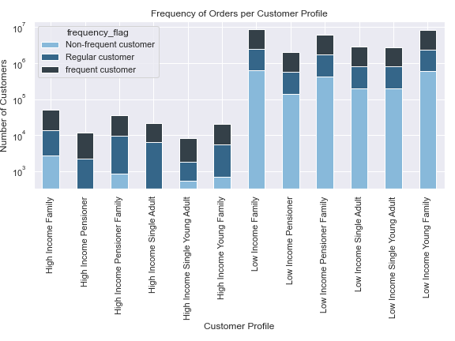
 | Figure 20a |  |  |  |  |  |  |  | Figure 20b
 | customer_profile |  | days_since_prior_order

 |  |  | mean |  | min | max | median |  |  |  |  |  |  |  | * NB: In Figure 20b, the scale of the y-axis is in Logarithmic and caution should be taken when reading the chart.
 | High Income Family |  | 10.075626646 |  | 0 | 30 | 7
 | High Income Pensioner |  | 8.9329501916 |  | 0 | 30 | 7
 | High Income Pensioner Family |  | 9.9101774919 |  | 0 | 30 | 7
 | High Income Single Adult |  | 8.6866700363 |  | 0 | 30 | 6
 | High Income Single Young Adult |  | 10.940871497 |  | 0 | 30 | 8
 | High Income Young Family |  | 10.243653084 |  | 0 | 30 | 7 |  |  |  |  |  |  |  | When considering Figures 20a & b, it looks like high income pensioners and high income single adults order more frequently. However, the difference is not significant.
 | Low Income Family |  | 10.275548323 |  | 0 | 30 | 7
 | Low Income Pensioner |  | 10.198450216 |  | 0 | 30 | 7
 | Low Income Pensioner Family |  | 10.21941946 |  | 0 | 30 | 7
 | Low Income Single Adult |  | 10.145538586 |  | 0 | 30 | 7
 | Low Income Single Young Adult |  | 10.311272301 |  | 0 | 30 | 7
 | Low Income Young Family |  | 10.209381687 |  | 0 | 30 | 7

Figure 21
customer_profile |  |  | order_number |  |  |  | Considereing Figure 21, it seems as though high income single adults and high income pensioners have ordered the most (mean order number). High income single YOUNG adults have the least orders (max = 53).

 |  |  | mean | min | max
High Income Family |  |  | 18.215585682 | 1 | 99
High Income Pensioner |  |  | 24.15569488 | 1 | 99
High Income Pensioner Family |  |  | 19.555718111 | 1 | 85
High Income Single Adult |  |  | 25.105500161 | 1 | 99
High Income Single Young Adult |  |  | 16.269472905 | 1 | 53
High Income Young Family |  |  | 18.865577459 | 1 | 99
Low Income Family |  |  | 17.692464357 | 1 | 99
Low Income Pensioner |  |  | 17.799737773 | 1 | 99
Low Income Pensioner Family |  |  | 17.75773586 | 1 | 99
Low Income Single Adult |  |  | 18.226838417 | 1 | 99
Low Income Single Young Adult |  |  | 17.712949623 | 1 | 99
Low Income Young Family |  |  | 17.909710555 | 1 | 99

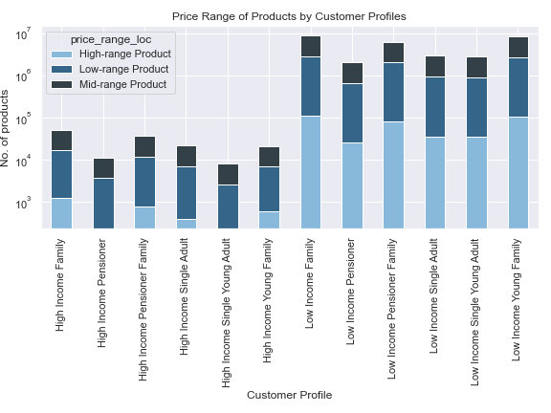
Figure 22a |  |  |  |  |  |  |  | Figure 22b
customer_profile |  |  | prices |  |  |  |  |  |  |  |  |  |  | * NB: In Figure 22b, the scale of the y-axis is in Logarithmic and caution should be taken when reading the chart.

 |  |  | mean | min | max | median
High Income Family |  |  | 7.7657827287 | 1 | 25 | 7.2
High Income Pensioner |  |  | 7.7338351823 | 1 | 25 | 7.3
High Income Pensioner Family |  |  | 7.7934482855 | 1 | 25 | 7.4
High Income Single Adult |  |  | 7.8974477743 | 1 | 25 | 7.5 |  |  |  |  |  |  |  | Figures 22a&b: There is no significant difference in the price of products that differnet customers buy. It does seem as though customers with a high income buy less "High-range" products, but this could just be because the total number of high income customers is very low compared to low-income customers.
High Income Single Young Adult |  |  | 7.7966268359 | 1 | 25 | 7.2
High Income Young Family |  |  | 7.7621754212 | 1 | 25 | 7.2
Low Income Family |  |  | 7.7915754266 | 1 | 25 | 7.4
Low Income Pensioner |  |  | 7.8023669242 | 1 | 25 | 7.4
Low Income Pensioner Family |  |  | 7.7949993514 | 1 | 25 | 7.4
Low Income Single Adult |  |  | 7.7893257265 | 1 | 25 | 7.4
Low Income Single Young Adult |  |  | 7.7798571126 | 1 | 25 | 7.4
Low Income Young Family |  |  | 7.7875016459 | 1 | 25 | 7.4

 | Figure 23
 | customer_profile |  |  | High spender |  | Low spender
 | High Income Family |  |  | 51265 |  | 0
 | High Income Pensioner |  |  | 11484 |  | 0 |  |  | In Figure 23 it is clear to see that all High-Income customers are classified as "High Spenders"
 | High Income Pensioner Family |  |  | 36227 |  | 0
 | High Income Single Adult |  |  | 21763 |  | 0
 | High Income Single Young Adult |  |  | 8101 |  | 0
 | High Income Young Family |  |  | 20443 |  | 0
 | Low Income Family |  |  | 127082 |  | 8504776
 | Low Income Pensioner |  |  | 30184 |  | 1980290
 | Low Income Pensioner Family |  |  | 78991 |  | 6058368
 | Low Income Single Adult |  |  | 36085 |  | 2879616
 | Low Income Single Young Adult |  |  | 38425 |  | 2733733
 | Low Income Young Family |  |  | 143375 |  | 8204356

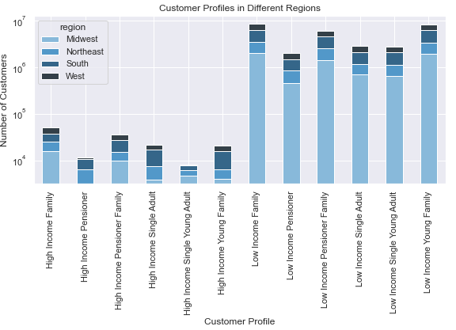
 | Figure 24a |  |  |  |  |  |  |  | Figure 24b
 | customer_profile |  |  | Midwest | Northeast | South | West
 | High Income Family |  |  | 15750 | 9603 | 12606 | 13306
 | High Income Pensioner |  |  | 3177 | 3096 | 4147 | 1064 |  |  |  |  |  |  |  |  |  | * NB: In Figure 24b, the scale of the y-axis is in Logarithmic and caution should be taken when reading the chart.
 | High Income Pensioner Family |  |  | 9807 | 5159 | 12585 | 8676
 | High Income Single Adult |  |  | 3831 | 3770 | 9432 | 4730
 | High Income Single Young Adult |  |  | 4608 | 1622 | 1609 | 262
 | High Income Young Family |  |  | 3984 | 2354 | 9300 | 4805
 | Low Income Family |  |  | 2044336 | 1530419 | 2839116 | 2217987
 | Low Income Pensioner |  |  | 466904 | 375743 | 653590 | 514237
 | Low Income Pensioner Family |  |  | 1424158 | 1100809 | 2038139 | 1574253
 | Low Income Single Adult |  |  | 702346 | 482201 | 966496 | 764658
 | Low Income Single Young Adult |  |  | 641950 | 488050 | 946659 | 695499
 | Low Income Young Family |  |  | 1940662 | 1461859 | 2817460 | 2127750

 | Figures 24a & b: For all Customer Profiles, except High Income Families and High Income Single Young Adults, the most customers are in the Southern Region. The Midwest has more customers in the 'High Income Families' and 'High Income Single Young Adults' groups.

7. Recommendations
 |  |  |  |  |  |  |  |  |  |  | Title page

Recommendations

This section contains a summary and recommendations.

Key Questions
1. The sales team needs to know what the busiest days of the week and hours of the day are (i.e., the days and times with the most orders) in order to schedule ads at times when there are fewer orders.
Fig 1 |  |  |  |  | Fig 2

Busiest Days: Weekends (Saturdays and Sundays)
Busiest Hours: 08:00 - 18:00
Recommendation: More ads should be scheduled on Saturdays and Sundays between 08:00 & 18:00.

2. They also want to know whether there are particular times of the day when people spend the most money, as this might inform the type of products they advertise at these times.

Fig 3

 |  |  |  |  | Time when most expensive products are ordered: Between 02:00 (am) and 07:00 (am)

 |  |  |  |  | Recommendation: Advertise expensive products in the evenings until early mornings.

3. Instacart has a lot of products with different price tags. Marketing and sales want to use simpler price range groupings to help direct their efforts.
Fig 4

 |  |  |  |  |  | New price ranges: High_range, Mid-range, Low-range.

 |  |  |  |  |  | Most frequently bought products: Mid-range Products

 |  |  |  |  |  | Recommendation: Since High-range products are not sold so frequently, the marketing team could investigate what type of products in Mid-range (bought most) are most popular and run ads of similar/complementary products that are categorised as High-range products. This might increase the chances of customers buying more of the High-range products.

4. Are there certain types of products that are more popular than others? The marketing and sales teams want to know which departments have the highest frequency of product orders.

Fig 5 |  |  |  |  |  | Legend Department 1. frozen 2. other 3. bakery 4. produce 5. alcohol 6. international 7. beverages 8. pets 9. dry goods pasta 10. bulk 11. personal care 12. meat seafood 13. pantry 14. breakfast 15. canned goods 16. dairy eggs 17. household 18. babies 19. snacks 20. deli 21. missing

 |  |  |  |  |  |  |  |  | Most popular department: Produce (4)

 |  |  |  |  |  |  |  |  | Top 3 departments: Produce (4), Dairy eggs (16), Snacks (19)

 |  |  |  |  |  |  |  |  | Recommendation: It seems most purcahses are food-related. The marketing team could investigate which type of food products are most popular and run more ads on these and similar products. They could also run specials on food items from these departments or start a campaigne where certain recipes are advertised or suggested to the customers when they are shopping in these departments, to encourage them to buy more products in order to try the suggested recipes. They could also run ads for complementary items from other departments that would suit products bought from the most popular departments.

5. The marketing and sales teams are particularly interested in the different types of customers in their system and how their ordering behaviors differ.
For example:
5a. What’s the distribution among users in regards to their brand loyalty (i.e., how often do they return to Instacart)?
Fig 6 |  |  |  |  |  | Most customers are classified as "Regular Customers", meaning they have placed at least 11 orders but not more than 40.

 |  |  |  |  |  | Recommendations: The marketing and sales teams can run specials and discounts to encourage customers to place more orders. E.g. to encourage "New Customers" to return (and become "Regular Customers") they could offer a small discount for each customer's 11th order (e.g. they will receive a discount code after they have placed their 10th order). They could also offer "Regular Customers" a discount when they have placed more than 40 orders (perhaps a slightly bigger discount or something like "Place you 41st order and receive _____(special item) for free!"). "Loyal customers" could be rewarded with a "free delivery" for being loyal, or perhaps they could receive a special offer if they recommend Instacart to a friend to receive a discount (to prove their loyalty, they have to recommend Instacart to friends or share it on social media) and receive a voucher.

5b. Are there differences in ordering habits based on a customer’s loyalty status?
Fig 7 |  |  |  |  |  | Fig 8

Fig 7. Loyal Customers are also Frequent Customers (they order not more than 10 days since their previous order).

Fig 8. Most customers, regardless of their loyalty status are regarded as "Low Spenders"

Recommendation: To motivate customers to order more regularly, they could receive "store points" that needs to be used within a certain period of time, otherwise these points will expire (the points will ultimately mean they can receive a discount on their next order, e.g. 1 point received = 10c off of their next purchase, but it has to be used within 7 days). This might also motivate customers to spend more, since the more they spend, the more points they collect and the bigger the discount on their next order.

5c. Are there differences in ordering habits based on a customer’s region?

Fig 9
 |  |  |  |  |  | Most customers across all regions are low spenders.

 |  |  |  |  |  | Recommendation: Even though there is no significant difference in spending habits across different regions, it is clear to see that the customer total in the South is the most. The marketing team could direct campaigns to the other regions to try and increasae the customer base for those regions and thus increase total customer base for the company. Perhaps they could also investigate climates, cultures and traditions for each region and adjust their ad campaigns for each region accordingly.

5d. Is there a connection between age and family status in terms of ordering habits?

Fig 10 |  |  |  |  |  |  | Fig 11

There is no connection between age and number of dependants.

Married customers make up the majority of Instacart's customer base, they also account for the most "High Spenders"

Recommendation: The marketing team could design campaigns such as vouchers or coupons that would benefit married customers - this might ensure that these customers become loyal customers and spend more at Instacart. The marketing team could also design ad campaigns or special offers for the other customers (single, divorced, widowed, living with parents and siblings) to try and increase the number of these customers.

6. What different classifications does the demographic information suggest? Age? Income? Certain types of goods? Family status?

Fig 12

Low Income Family
Low Income Young Family
Low Income Pensioner Family
Low Income Single Adult
Low Income Single Young Adult
Low Income Pensioner
High Income Family
High Income Pensioner Family
High Income Single Adult
High Income Young Family
High Income Pensioner
High Income Single Young Adult

Most customers are classified as low-income (less than $270 000 annual income). These are customers of all ages and family statusses, although low-income families make up the largest proportion of customers.

Recommendations: The marketing should create customised ads for each customer profile in order to appeal to their wants and needs. E.g. a single person might not be interested in the same type of products than a customer who has a family. I did however find that all customer profiles purchase products from more or less the same departments - department_id 4 (produce) still being the most popular across all profiles. Perhaps the marketing team could help come up with different types of classifications that would make personalised ads easier.

7. What differences can you find in ordering habits of different customer profiles? Consider the price of orders, the frequency of orders, the products customers are ordering, and anything else you can think of.

Fig 13 |  |  |  |  |  |  |  | Fig 14
customer_profile | days_since_prior_order |  |  |  |  |  |  | customer_profile |  | order_number

 | mean |  | min | max | median |  |  |  |  | mean | min | max
High Income Family | 10.075626646 |  | 0 | 30 | 7 |  |  | High Income Family |  | 18.215585682 | 1 | 99
High Income Pensioner | 8.9329501916 |  | 0 | 30 | 7 |  |  | High Income Pensioner |  | 24.15569488 | 1 | 99
High Income Pensioner Family | 9.9101774919 |  | 0 | 30 | 7 |  |  | High Income Pensioner Family |  | 19.555718111 | 1 | 85
High Income Single Adult | 8.6866700363 |  | 0 | 30 | 6 |  |  | High Income Single Adult |  | 25.105500161 | 1 | 99
High Income Single Young Adult | 10.940871497 |  | 0 | 30 | 8 |  |  | High Income Single Young Adult |  | 16.269472905 | 1 | 53
High Income Young Family | 10.243653084 |  | 0 | 30 | 7 |  |  | High Income Young Family |  | 18.865577459 | 1 | 99
Low Income Family | 10.275548323 |  | 0 | 30 | 7 |  |  | Low Income Family |  | 17.692464357 | 1 | 99
Low Income Pensioner | 10.198450216 |  | 0 | 30 | 7 |  |  | Low Income Pensioner |  | 17.799737773 | 1 | 99
Low Income Pensioner Family | 10.21941946 |  | 0 | 30 | 7 |  |  | Low Income Pensioner Family |  | 17.75773586 | 1 | 99
Low Income Single Adult | 10.145538586 |  | 0 | 30 | 7 |  |  | Low Income Single Adult |  | 18.226838417 | 1 | 99
Low Income Single Young Adult | 10.311272301 |  | 0 | 30 | 7 |  |  | Low Income Single Young Adult |  | 17.712949623 | 1 | 99
Low Income Young Family | 10.209381687 |  | 0 | 30 | 7 |  |  | Low Income Young Family |  | 17.909710555 | 1 | 99

Fig 15 |  |  |  |  |  |  |  | Fig 16
customer_profile |  | prices |  |  |  |  |  | customer_profile |  | High spender |  | Low spender
 |  |  |  |  |  |  |  | High Income Family |  | 51265 |  | 0
 |  | mean | min | max | median |  |  | High Income Pensioner |  | 11484 |  | 0
High Income Family |  | 7.7657827287 | 1 | 25 | 7.2 |  |  | High Income Pensioner Family |  | 36227 |  | 0
High Income Pensioner |  | 7.7338351823 | 1 | 25 | 7.3 |  |  | High Income Single Adult |  | 21763 |  | 0
High Income Pensioner Family |  | 7.7934482855 | 1 | 25 | 7.4 |  |  | High Income Single Young Adult |  | 8101 |  | 0
High Income Single Adult |  | 7.8974477743 | 1 | 25 | 7.5 |  |  | High Income Young Family |  | 20443 |  | 0
High Income Single Young Adult |  | 7.7966268359 | 1 | 25 | 7.2 |  |  | Low Income Family |  | 127082 |  | 8504776
High Income Young Family |  | 7.7621754212 | 1 | 25 | 7.2 |  |  | Low Income Pensioner |  | 30184 |  | 1980290
Low Income Family |  | 7.7915754266 | 1 | 25 | 7.4 |  |  | Low Income Pensioner Family |  | 78991 |  | 6058368
Low Income Pensioner |  | 7.8023669242 | 1 | 25 | 7.4 |  |  | Low Income Single Adult |  | 36085 |  | 2879616
Low Income Pensioner Family |  | 7.7949993514 | 1 | 25 | 7.4 |  |  | Low Income Single Young Adult |  | 38425 |  | 2733733
Low Income Single Adult |  | 7.7893257265 | 1 | 25 | 7.4 |  |  | Low Income Young Family |  | 143375 |  | 8204356
Low Income Single Young Adult |  | 7.7798571126 | 1 | 25 | 7.4
Low Income Young Family |  | 7.7875016459 | 1 | 25 | 7.4

Fig 17
customer_profile |  | Midwest | Northeast | South |  | West |  |  | Fig 13-15: There seems to be no statistical difference between the customer profiles when looking at days since prior order, prices of products ordered, or order numbers, although high income single adults and high income pensioners have ordered the most (mean order number). They also seem to order more frequently, although this difference is not significant. In Fig 16 it is clear to see that all High-income customers are classified as "High Spenders". Recommendations: It might be beneficial to customise the personlised ads even further to only promote high cost items to customers with high incomes since they are already high spenders. The personlised ads could be further tailored to the region customers come from (see recommendation of Question 5c).
High Income Family |  | 15750 | 9603 | 12606 |  | 13306
High Income Pensioner |  | 3177 | 3096 | 4147 |  | 1064
High Income Pensioner Family |  | 9807 | 5159 | 12585 |  | 8676
High Income Single Adult |  | 3831 | 3770 | 9432 |  | 4730
High Income Single Young Adult |  | 4608 | 1622 | 1609 |  | 262
High Income Young Family |  | 3984 | 2354 | 9300 |  | 4805
Low Income Family |  | 2044336 | 1530419 | 2839116 |  | 2217987
Low Income Pensioner |  | 466904 | 375743 | 653590 |  | 514237
Low Income Pensioner Family |  | 1424158 | 1100809 | 2038139 |  | 1574253
Low Income Single Adult |  | 702346 | 482201 | 966496 |  | 764658
Low Income Single Young Adult |  | 641950 | 488050 | 946659 |  | 695499
Low Income Young Family |  | 1940662 | 1461859 | 2817460 |  | 2127750

