eng (2)
id | wood | core | length | owner | description | price | discountPercentage | rating | stock | thumbnail | images
1 | Elder | Thestral tail hair | 15'' = 38 cm | Albus Dumbledore | The rarest wand wood of all, and reputed to be deeply unlucky, the elder wand is trickier to master than any other. It contains powerful magic, but scorns to remain with any owner who is not the superior of his or her company; it takes a remarkable wizard to keep the elder wand for any length of time. This core type was regarded as an unstable, if not difficult substance to use in wand making. | 21 | 0 | 5 | onStock | 01_Dumbledore_thumbnail | 01_Dumbledore_large1 | 01_Dumbledore_large2 | 01_Dumbledore_large3 | 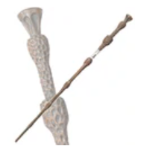
2 | Birch | Dragon heartstring | 8'' = 20,5 cm | Dolores Umbridge | This wand is unusually short. Wands unusually short in length are often destined for those that have something lacking in character. The dragon wand tended to be easiest to turn to the Dark Arts, though it would not incline that way of its own accord. It was also the most prone of the three cores to accidents, being somewhat temperamental. | 3 | 0 | 3 | onStock |  |  |  |  | 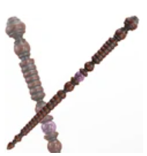
3 | Vine | Dragon heartstring | 10¾'' = 27,5 cm | Hermione Granger | Vine wands are among the less common types, and I have been intrigued to notice that their owners are nearly always those witches or wizards who seek a greater purpose, who have a vision beyond the ordinary and who frequently astound those who think they know them best. Dragon wands tended to learn more quickly than other types. | 23 | 0 | 5 | onStock | 03_Hermione_thumbnail | 03_Hermione_large1 | 03_Hermione_large2 | 03_Hermione_large3 | 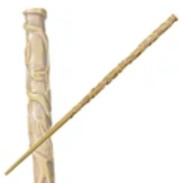
4 | Rosewood | Veela hair | 9½'' = 24 cm | Fleur Delacour | In this wand the core is a hair from Fleur Delacour's grandmother, who was a Veela. I did not use Veela hair because it made for "temperamental" wands. Rosewood wands are quite rare. They are not very compatible with Dark magic as this wood represents love and purity. Rosewood wands are known to excel in love spells and healing magic. | 16 | 0 | 5 | NotOnStock | 04_FleurDelacour_thumbnail | 04_FleurDelacour_large1 | 04_FleurDelacour_large2 |  | 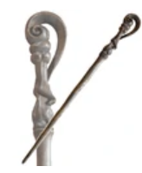
5 | Ash | Unicorn hair | 12¼'' = 31 cm | Cedric Diggory | This wand was "pleasantly springy"; hair from particularly fine male unicorn (seventeen hands high), which nearly gored me with its horn after he plucked its tail hair. Ash people are kind and generous with a gift for seeing what is beautiful in the world and in others. Ash people should be careful that their romantic hearts do not lead them into danger. | 19 | 0 | 4 | onStock | 05_Cederic_thumbnail | 05_Cederic_large1 | 05_Cederic_large2 |  | 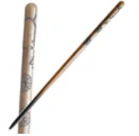
6 | Cherry | Unicorn hair | 13'' = 33 cm | Neville Longbottom | This very rare wand wood creates a wand of strange power, most highly prized by the wizarding students of the school of Mahoutokoro in Japan, where those who own cherry wands have special prestige. They are the most faithful of all wands, and usually remain strongly attached to their first owner, irrespective of whether they are an accomplished witch or wizard. | 11 | 0 | 5 | onStock | 06_Neville_thumbnail | 06_Neville_large1 | 06_Neville_large2 |  | 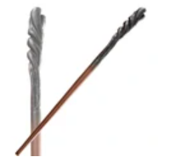
7 | Alder | Unicorn hair | 9'' = 23 cm | Quirinus Quirrell | Alder is an unyielding wood, yet I have discovered that its ideal owner is not stubborn or obstinate, but often helpful, considerate and most likeable. Alder wood is well suited for making flutes and pipes, and for building bridges. Alder people are adventurous travellers and confident decision makers who trust their inner voices. Alder people should work hard to maintain a balance between work and play. | 12 | 0 | 4 | onStock
8 | Chestnut | Phoenix feather | 11½'' = 29 cm | Silvanus Kettleburn | This is a most curious, multi-faceted wood, which varies greatly in its character depending on the wand core, and takes a great deal of colour from the personality that possesses it. Phoenix feather wands are always the pickiest when it comes to potential owners, for the creature from which they were taken is one of the most independent and detached in the world. | 16 | 0 | 3 | onStock |  |  |  |  | 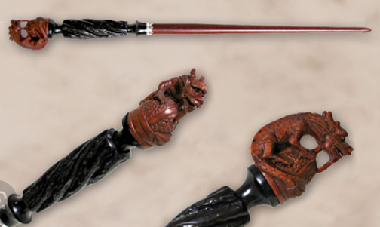
9 | Hornbeam | Dragon heartstring | 10¼ '' = 26 cm | Viktor Krum | This wand is thicker than usual, and made by Gregorovitch. Hornbeam selects for its life mate the talented witch or wizard with a single, pure passion, which some might call obsession (though I prefer the term 'vision'), which will almost always be realised. As a rule, dragon heartstrings produced wands with the most power, and which were capable of the most flamboyant spells. | 11 | 0 | 5 | NotOnStock | 09_ViktorKrum_thumbnail | 09_ViktorKrum_large1 | 09_ViktorKrum_large2 |  | 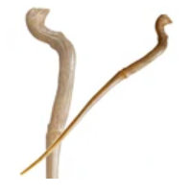
10 | Cherry | Unicorn hair | 8¾ '' = 21 cm | Mary Cattermole | Cherry wands are the most faithful of all wands, and usually remain strongly attached to their first owner, irrespective of whether they were an accomplished witch or wizard. Unicorn hair generally produced the most consistent magic, and was least subject to fluctuations and blockages. Wands with unicorn cores were generally the most difficult to turn to the Dark Arts. | 10 | 0 | 4 | onStock
11 | Blackthorn | Troll whisker | 9'' = 23 cm | Sir Cadogan | According to legend, this wand was made from blackthorn and Troll whiskers as a core. Blackthorn, which is a very unusual wand wood, has the reputation, in my view well-merited, of being best suited to a warrior. Troll whiskers are considered an inferior substance to my three Supreme Cores (Unicorn hair, Dragon heartstring and Phoenix feather). | 5 | 0 | 4 | NotOnStock | 11_Cadogan_thumbnail | 11_Cadogan_large1 | 11_Cadogan_large2 |  | 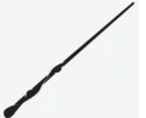
12 | Walnut | Dragon heartstring | 12¾ '' = 32,5 cm. | Bellatrix Lestrange | This wand was described as "unyielding". Highly intelligent witches and wizards ought to be offered a walnut wand for trial first, because in nine cases out of ten, the two will find in each other their ideal mate. The dragon wand tended to be easiest to turn to the Dark Arts, though it would not incline that way of its own accord. | 16 | 0 | 4 | onStock | 12_Bellatrix_thumbnail | 12_Bellatrix_large1 | 12_Bellatrix_large2 |  | 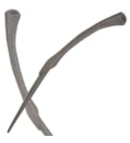
13 | Cherry | Dragon heartstring | 9'' = 23 cm | Gilderoy Lockhart | Expensive wand. This very rare wand wood creates a wand of strange power, most highly prized by the wizarding students of the school of Mahoutokoro in Japan, where those who own cherry wands have special prestige. As a rule, dragon heartstrings produces wands with the most power, and which are capable of the most flamboyant spells. | 26 | 0 | 4 | onStock |  |  |  |  | 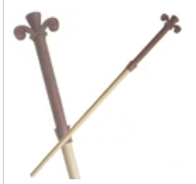
14 | Cypress | Unicorn hair | 10¼'' = 26 cm | Remus Lupin | Cypress wands are said to be well-matched to wizards who are self-sacrificing and willing to die a heroic death. Cypress wands are associated with nobility. Unicorn hair generally produces the most consistent magic, and is least subject to fluctuations and blockages. These are the most faithful of all wands, and usually remain strongly attached to their first owner, irrespective of whether they are an accomplished witch or wizard. | 9 | 0 | 5 | onStock | 14_Lupin_thumbnail | 14_Lupin_large1 | 14_Lupin_large2 |  | 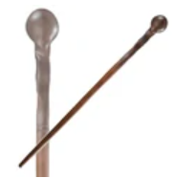
15 | Hawthorn | Unicorn hair | 10'' = 25,5 cm | Draco Malfoy | The wandmaker Gregorovitch wrote that hawthorn 'makes a strange, contradictory wand, as full of paradoxes as the tree that gave it birth, whose leaves and blossoms heal, and yet whose cut branches smell of death.' Minor disadvantages of unicorn hair are that they don't make the most powerful wands and that they are prone to melancholy if seriously mishandled, meaning that the hair may have 'died' and needs replacing. | 6 | 0 | 4 | onStock | 15_DracoMalfoi_thumbnail | 15_DracoMalfoi_large1 | 15_DracoMalfoi_large2 |  | 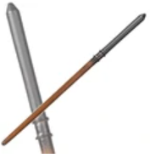
16 | Fir | Dragon heartstring | 9½'' = 24 cm | Minerva McGonagall | My august grandfather, Gerbold Octavius Ollivander, always called wands of this wood 'the survivor's wand,' because he had sold it to three wizards who subsequently passed through mortal peril unscathed. Dragon wands tended to learn more quickly than other types. While they could change allegiance if won from their original master, they always bonded strongly with the current owner. | 24 | 0 | 5 | onStock | 16_Minevra_thumbnail | 16_Minevra_large1 | 16_Minevra_large2 |  | 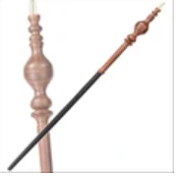
17 | Elm | Dragon heartstring | 18'' = 46 cm | Lucius Malfoy | This wand was kept in a snake-headed walking stick. The unfounded belief that only pure-bloods can produce magic from elm wands was undoubtedly started by some elm wand owner seeking to prove his own blood credentials, for I have known perfect matches of elm wands who are Muggle-borns. Dragon wands tended to learn more quickly than other types. | 20 | 0 | 4 | onStock |  |  |  |  | 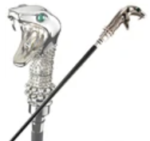
18 | Hornbeam | Dragon heartstring | 12¾ '' = 32,5 cm | Garrick Ollivander | Expensive wand. Hornbeam selects for its life mate the talented witch or wizard with a single, pure passion, which some might call obsession (though I prefer the term 'vision'), which will almost always be realised. As a rule, dragon heartstrings produced wands with the most power, and which were capable of the most flamboyant spells. | 26 | 0 | 5 | onStock
19 | Chestnut | Dragon heartstring | 9¼'' = 23,5 cm | Peter Pettigrew | As a rule, dragon heartstrings produced wands with the most power, and which were capable of the most flamboyant spells. While they could change allegiance if won from their original master, they always bonded strongly with the current owner. The dragon wand tended to be easiest to turn to the Dark Arts, though it would not incline that way of its own accord. It was also the most prone of the three cores to accidents, being somewhat temperamental. | 19 | 0 | 4 | onStock
20 | Holly | Phoenix feather | 11'' = 28 cm | Harry Potter | "Brother" to Voldemort's wand — the core tail feathers are both from Fawkes. This was the rarest core type. Phoenix feathers were capable of the greatest range of magic, though they may have taken longer than either unicorn or dragon cores to reveal this. They showed the most initiative, sometimes acting of their own accord, a quality that many witches and wizards disliked. | 30 | 0 | 5 | onStock | 20_Harry_thumbnail | 20_Harry_large1 | 20_Harry_large2 | 20_Harry_large3 | 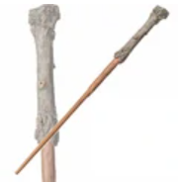
21 | Mahogany | Dragon heartstring | 11'' = 28 cm | James Potter | This wand is "excellent for transfiguration." As a rule, dragon heartstrings produced wands with the most power, and which were capable of the most flamboyant spells. While they could change allegiance if won from their original master, they always bonded strongly with the current owner. It was also the most prone of the three cores to accidents, being somewhat temperamental. | 24 | 0 | 5 | onStock | 21_JamesPotter_thumbnail | 21_JamesPotter_large1 | 21_JamesPotter_large2 |  | 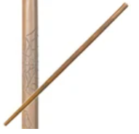
22 | Willow | Unicorn hair | 10¼ '' = 26 cm | Lily Potter | Willow is an uncommon wand wood with healing power, and I have noted that the ideal owner for a willow wand often has some (usually unwarranted) insecurity, however well they may try and hide it. Minor disadvantages of unicorn hair are that they don't make the most powerful wands and that they are prone to melancholy if seriously mishandled, meaning that the hair may have 'died' and needs replacing. | 13 | 0 | 4 | NotOnStock
23 | Yew | Phoenix feather | 13½ '' = 34,5 cm | Tom Riddle | This wand is "brother" to Harry Potter's wand — the core tail feathers are both from Fawkes. Yew wands are among the rarer kinds, and their ideal matches are likewise unusual, and occasionally notorious. The wand of yew is reputed to endow its possessor with the power of life and death. Phoenix feathers are capable of the greatest range of magic, though they may have taken longer than either unicorn or dragon cores to reveal this. | 24 | 0 | 5 | onStock |  |  |  |  | 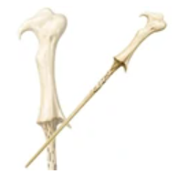
24 | Cedar | Dragon heartstring | 10 ¼ '' = 26 cm | Horace Slughorn | Fairly flexible wand. Whenever I meet one who carries a cedar wand, I find strength of character and unusual loyalty. My father, Gervaise Ollivander, used always to say, 'you will never fool the cedar carrier,' and I agree: the cedar wand finds its perfect home where there is perspicacity and perception. As a rule, dragon heartstrings produce wands with the most power, and which are capable of the most flamboyant spells. | 21 | 0 | 3 | onStock | 24_Slughorn_thumbnail | 24_Slughorn_large1 | 24_Slughorn_large2 |  | 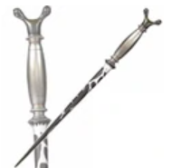
25 | Hazel | Unicorn hair | 9½ '' = 24 cm | Sybill Trelawney | Very flexible. This wand bore a resemblance to Sirius Black's wand, though there are slight differences. They both have a square-like handle and have magical runes depicted on the wand, but this wand has a darker colour and has a swirly shape from the handle to the tip. A sensitive wand, hazel often reflects its owner's emotional state and works best for a master who understands and can manage their own feelings. | 14 | 0 | 4 | onStock |  |  |  |  | 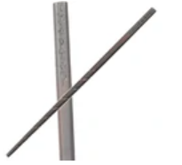
26 | Ash | Unicorn hair | 12'' = 30,5 cm | Ron Weasley | The ash wand cleaves to its one true master and ought not to be passed on or gifted from the original owner, because it will lose power and skill. Tools, magical and ordinary, made from Ash are especially productive as Ash trees are known to attract energy. Ash people are kind and generous with a gift for seeing what is beautiful in the world and in others. Ash people should be careful that their romantic hearts do not lead them into danger. | 26 | 0 | 5 | onStock |  |  |  |  | 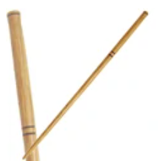
27 | Willow | Unicorn hair | 14'' = 35,5 cm | Ron Weasley | Unicorn hair generally produces the most consistent magic, and is least subject to fluctuations and blockages. Wands with unicorn cores are generally the most difficult to turn to the Dark Arts. They are the most faithful of all wands, and usually remain strongly attached to their first owner, irrespective of whether they were an accomplished witch or wizard. | 23 | 0 | 5 | onStock | 27_Ron_thumbnail | 27_Ron_large1 | 27_Ron_large2 |  | 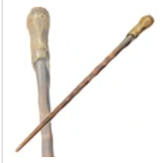
28 | Larch | Phoenix feather | 10½'' = 26,5 cm | Celestina Warbeck | Strong, durable and warm in colour, larch has long been valued as an attractive and powerful wand wood. Its reputation for instilling courage and confidence in the user has ensured that demand has always outstripped supply. This is the rarest core type. Phoenix feathers were capable of the greatest range of magic, though they may have taken longer than either unicorn or dragon cores to reveal this. | 18 | 0 | 3 | onStock |  |  |  |  | 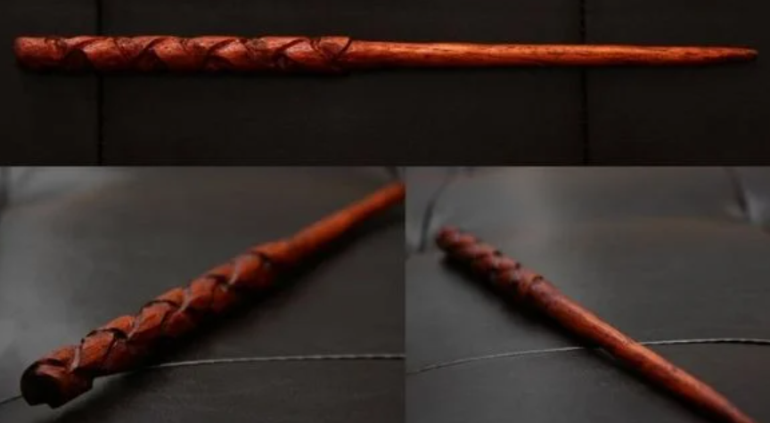
29 | Oak | Dragon heartstring | 16'' = 40,5 cm | Rubeus Hagrid | Rather bendy. A wand for good times and bad, this is a friend as loyal as the wizard who deserves it. Wands of English oak demand partners of strength, courage and fidelity. The dragon wand tends to be easiest to turn to the Dark Arts, though it would not incline that way of its own accord. It is also the most prone of the three cores to accidents, being somewhat temperamental. | 21 | 0 | 5 | NotOnStock
30 | Snakewood | Basilisk horn | 10¼ '' = 26 cm | Salazar Slytherin | Only one wand is known to have used this core. Slytherin created his own wand, made of Snakewood with a core of basilisk horn. He taught it the unique ability to "sleep" when commanded in parseltongue. Snakewood has magical properties, and can be used as a wand wood. I did not use the wood, but Mykew Gregorovitch did, selling at least one wand using the wood in his wand shop. | 29 | 0 | 5 | onStock

