Graphs
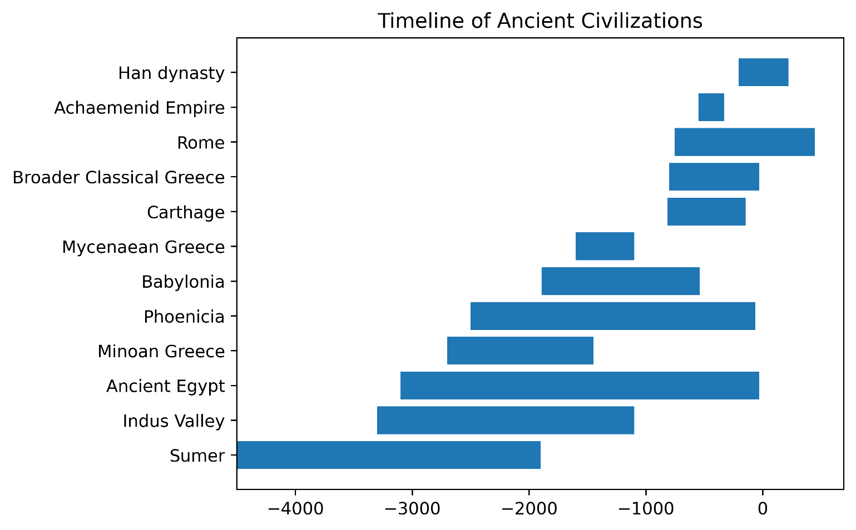
Ancient civilization | Start | End | Duration
Sumer | -4500 | -1900 | 2600
Indus Valley | -3300 | -1100 | 2200
Ancient Egypt | -3100 | -30 | 3070
Phoenicia | -2500 | -64 | 2436
Babylonia | -1894 | -539 | 1355
Minoan Greece | -2700 | -1450 | 1250
Mycenaean Greece | -1600 | -1100 | 500
Carthage | -814 | -146 | 668
Broader Classical Greece | -800 | -31 | 769
Achaemenid Empire | -550 | -330 | 220
Rome | -753 | 447 | 1200
Han dynasty | -206 | 220 | 426

