SIQ_1
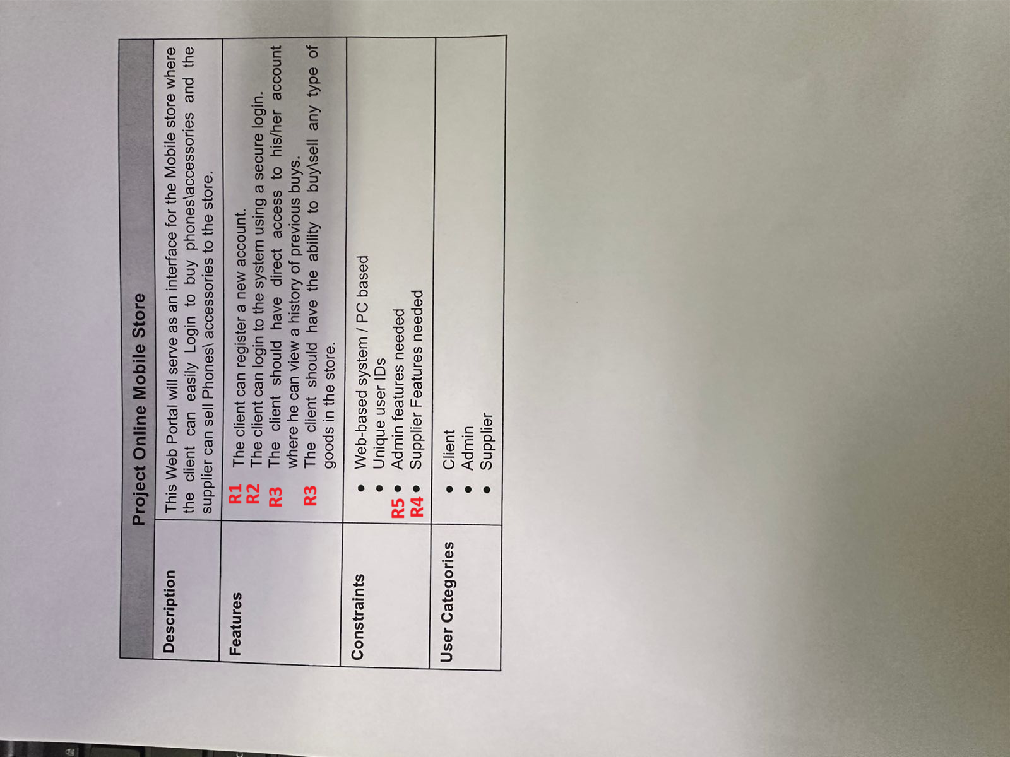
ID | Question | Proposed answer | Customer answer | Status
REGISTERATION FEATURE
Req_SIQ_1 | what are the nesseccary data for registeration? | should have first name, last name, email and password | yes
Req_SIQ_2 | how to confirm that password is correct? | should have at least one upper case letter, and must be at least 8 characters | yes
Req_SIQ_3 | how to confirm that first name is correct? | doesn't contain any special characters must be not be blank | yes
Req_SIQ_4 | how to confirm that last name is correct? | doesn't contain any special characters must be not be blank | yes
Req_SIQ_5 | how to confirm on registeration email? | not empty not registered before doesn't contain space | yes
Req_SIQ_6 | what happens when entering wrong data in registeration? | pop up showing "invalid data" | yes
LOGIN FEATURE for all type of users
Req_SIQ_7 | what does secure log in means? | Login using email and password | yes
Req_SIQ_8 | what happens when entering wrong mail or password in log in? | pop up showing "invalid mail or password" | yes
CLIENT FEATURES
Req_SIQ_9 | the client can only buy or buy and sell? | client account can only buy things | yes
Req_SIQ_10 | Is the client account can act as a supplier or must have another account? | must have another account | yes
Req_SIQ_11 | what does product page contains? | each product should have a name, descripton,a picture, price and a purchasing button and add to cart | yes
Req_SIQ_12 | what does home page contain? | products and their title and image, search bar, view cart | yes
SUPPLIER FEATURES |  |  |  |  | v
Req_SIQ_13 | do suppliers appear in the purchasing process or just to the admin? | the supplier name wouldn't appear on the product page | no client must know the supplier
Req_SIQ_14 | what are the supplier's features? | can add product with the title, description, image and price and can delete his products, view his product | yes
ADMIN FEATURES
Req_SIQ_15 | can admin add or delete and supplier accounts? | yes | yes
Req_SIQ_16 | is there only one admin to the website? | yes | no 2
Req_SIQ_17 | what should be in the dashboard of the admin? | a list of the existing clients and suppliers | yes
Req_SIQ_18 | can admin delete an existing client account? | yes | yes

