PLC Configurations_1.0
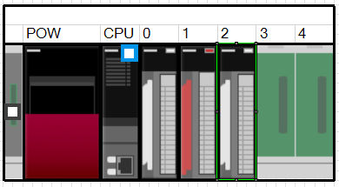
PLC IQR00
Inputs | Outputs | Outputs | Inputs | Outputs | Outputs |  | Alarms (PLC -> PC) |  |  |  |  |  | PC Flags (PC -> PLC) |  |  | PC Flags (PLC -> PC)
Slot 0 | Slot 1 | Slot 1 Write | Slot 2 | Slot 3 | Slot 3 Write
M0 | M16 | M32 | M48 | M64 | M80 |  | M100 | OK | 0 | M116 | OK | 0 | M132 | PC_Home | 0 | M148 | CycleStatus | 0
M1 | M17 | M33 | M49 | M65 | M81 |  | M101 | Magnet feeder left Extended Timeout | 1 | M117 | Marker Arm Extended Timeout | 1 | M133 | PC_Reset | 1 | M149 | PC_Process1_Start | 1
M2 | M18 | M34 | M50 | M66 | M82 |  | M102 | Magnet feeder left Retract Timeout | 2 | M118 | Marker Arm Retract Timeout | 2 | M134 | PC_Manual / Auto | 2 | M150 | PC_Process1_Stop | 2
M3 | M19 | M35 | M51 | M67 | M83 |  | M103 | Magnet feeder right Extended Timeout | 3 | M119 | Marker Down Timeout Left | 3 | M135 | Force_Outputs | 3 | M151 |  | 3
M4 | M20 | M36 | M52 | M68 | M84 |  | M104 | Magnet feeder Right Retract Timeout | 4 | M120 | Marker Up Timeout Left | 4 | M136 | PC_Process1_Finished | 4 | M152 |  | 4
M5 | M21 | M37 | M53 | M69 | M85 |  | M105 |  | 5 | M121 |  | 5 | M137 | PressPermission | 5 | M153 |  | 5
M6 | M22 | M38 | M54 | M70 | M86 |  | M106 |  | 6 | M122 |  | 6 | M138 | MarkingPermission | 6 | M154 |  | 6
M7 | M23 | M39 | M55 | M71 | M87 |  | M107 |  | 7 | M123 |  | 7 | M139 |  | 7 | M155 |  | 7
M8 | M24 | M40 | M56 | M72 | M88 |  | M108 | OK | 0 | M124 | OK | 0 | M140 |  | 8 | M156 |  | 8
M9 | M25 | M41 | M57 | M73 | M89 |  | M109 | Press Down Timeout | 1 | M125 | Something happend into the SICK module | 1 | M141 |  | 9 | M157 |  | 9
M10 | M26 | M42 | M58 | M74 | M90 |  | M110 | Press Up Timeout | 2 | M126 | The Safety Curtain is activated during the cycle running | 2 | M142 |  | 10 | M158 |  | 10
M11 | M27 | M43 | M59 | M75 | M91 |  | M111 |  | 3 | M127 | The system has not air pressure or it isn't enough | 3 | M143 |  | 11 | M159 |  | 11
M12 | M28 | M44 | M60 | M76 | M92 |  | M112 |  | 4 | M128 |  | 4 | M144 |  | 12 | M160 |  | 12
M13 | M29 | M45 | M61 | M77 | M93 |  | M113 |  | 5 | M129 |  | 5 | M145 |  | 13 | M161 |  | 13
M14 | M30 | M46 | M62 | M78 | M94 |  | M114 |  | 6 | M130 |  | 6 | M146 |  | 14 | M162 |  | 14
M15 | M31 | M47 | M63 | M79 | M95 |  | M115 |  | 7 | M131 |  | 7 | M147 |  | 15 | M163 |  | 15

PLC Flexi Soft CPU3 / GMOD[13]
Inputs |  |  |  | Outputs |  |  | Alarms (PLC -> PC) |  |  |  |  |  | PC Flags (PC -> PLC) |  |  | PC Flags (PLC -> PC)
XTIO | XTIO | XTIO |  | XTIO | XTIO | XTIO
E-Stop | Press Down | 0 |  | 0 | ANDON Yellow | Locker valve to Extend | DirectOut30 | OK | 0 |  |  |  | S1.B0 | Q1 | 0 | DirectOut28 | CycleStatus | 0
E-Stop | Press Up | 1 |  | 1 | ANDON Green | Locker valve to Retarct | DirectOut30 | Press Down Timeout | 1 |  |  |  | S1.B0 | Q2 | 1 | DirectOut28 | PC_Process1_Start | 1
Reset | Locker Extended | 2 |  | Safety Valve | ANDON Red | Press valve to Down | DirectOut30 | Press Up Timeout | 2 |  |  |  | S1.B0 | Q3 | 2 | DirectOut28 | PC_Process1_Stop | 2
Safety Ext Monitor | Locker Retract | 3 |  | Safety Valve | 3 | Press valve to Up | DirectOut30 | OK | 3 |  |  |  | S1.B0 | Q4 | 3 | DirectOut28 | Alarms | 3
Safety Curtain | 12 | 4 |  |  |  |  | DirectOut30 | Locker Rectract Timeout | 4 |  |  |  | S1.B0 | Q1 | 4 | DirectOut28 |  | 4
Safety Curtain | 13 | 5 |  |  |  |  | DirectOut30 | Locker Extended Timeout | 5 |  |  |  | S1.B0 | Q2 | 5 | DirectOut28 |  | 5
Start Press | Air Supply | 6 |  |  |  |  | DirectOut30 |  | 6 |  |  |  | S1.B0 | Q3 | 6 | DirectOut28 |  | 6
7 | Part Present | 7 |  |  |  |  | DirectOut30 |  | 7 |  |  |  | S1.B0 | Q4 | 7 | DirectOut28 |  | 7
 |  |  |  |  |  |  | DirectOut31 | OK | 8 |  |  |  | S1.B1 | Q1 | 8 | DirectOut29 |  | 8
 |  |  |  |  |  |  | DirectOut31 | Something happend into the SICK module | 9 |  |  |  | S1.B1 | Q2 | 9 | DirectOut29 |  | 9
 |  |  |  |  |  |  | DirectOut31 | The Safety Curtain is activated during the cycle running | 10 |  |  |  | S1.B1 | Q3 | 10 | DirectOut29 |  | 10
 |  |  |  |  |  |  | DirectOut31 | The system has not air pressure or it isn't enough | 11 |  |  |  | S1.B1 | Q4 | 11 | DirectOut29 |  | 11
 |  |  |  |  |  |  | DirectOut31 |  | 12 |  |  |  | S1.B1 | Force_Outputs | 12 | DirectOut29 |  | 12
 |  |  |  |  |  |  | DirectOut31 |  | 13 |  |  |  | S1.B1 | PC_Home | 13 | DirectOut29 |  | 13
 |  |  |  |  |  |  | DirectOut31 |  | 14 |  |  |  | S1.B1 | PC_Reset | 14 | DirectOut29 |  | 14
 |  |  |  |  |  |  | DirectOut31 |  | 15 |  |  |  | S1.B1 | PC_Manual / Auto | 15 | DirectOut29 |  | 15
 |  |  |  |  |  |  |  |  |  |  |  |  | S1.B2 | PC_Process1_Finished | 0
 |  |  |  |  |  |  |  |  |  |  |  |  | S1.B2 | PressPermission | 1
 |  |  |  |  |  |  |  |  |  |  |  |  | S1.B2 | PC_ANDON_OK | 2
 |  |  |  |  |  |  |  |  |  |  |  |  | S1.B2 | PC_ANDON_NG | 3
 |  |  |  |  |  |  |  |  |  |  |  |  | S1.B2 | PC_ANDON_NoRead | 4
 |  |  |  |  |  |  |  |  |  |  |  |  | S1.B2 | LockerPermission | 5
 |  |  |  |  |  |  |  |  |  |  |  |  | S1.B2 | ScrewdriverPermission | 6
 |  |  |  |  |  |  |  |  |  |  |  |  | S1.B2 | PlungerInstallPermission | 7

Vision Testing
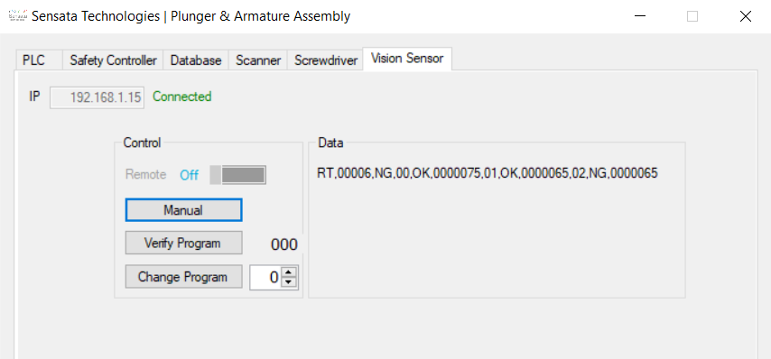

CMD

Final Result
Tool[0]
Result
Measure
Tool[1]
Result
Measure
Tool[2]
Result
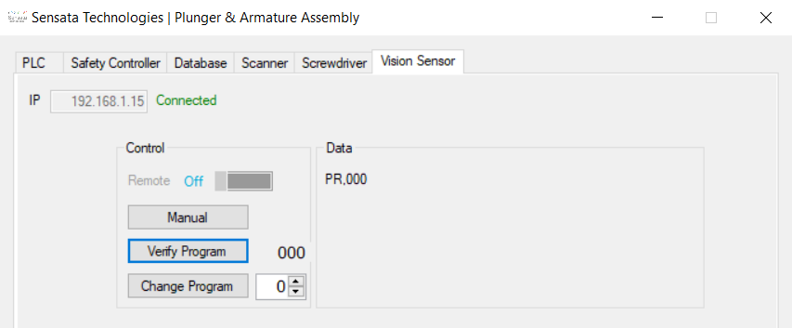
Measure

