Hoja2
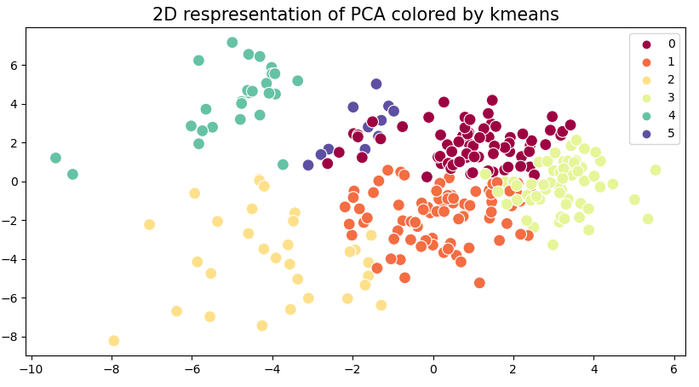
 |  | substituents |  |  |  |  |  |  |  |  |  |  | var00001 |  |  |  |  | backbone length
PCA | kmeans | Me | tBu | OMe | OPh | CF3 | NMe2 | Ph | C6F5 | o-Tol | p-Tol | p-CF3-Ph | 1 | 2 | 3 | 4 | 5 | 3 | 4 | 5 | 6 | 7 | 8
 | 0 | 3 | 0 | 4 | 23 | 0 | 1 | 7 | 8 | 4 | 6 | 14 | 3 | 8 | 31 | 27 | 1 | 14 | 20 | 13 | 12 | 3 | 8
 | 1 | 1 | 17 | 0 | 0 | 0 | 6 | 13 | 0 | 17 | 14 | 9 | 18 | 0 | 53 | 0 | 6 | 2 | 8 | 25 | 23 | 13 | 6
 | 2 | 2 | 8 | 2 | 2 | 0 | 2 | 2 | 5 | 4 | 2 | 2 | 10 | 5 | 10 | 4 | 2 | 0 | 0 | 1 | 1 | 28 | 1 | N,O
 | 3 | 19 | 0 | 19 | 0 | 0 | 16 | 3 | 0 | 0 | 3 | 0 | 19 | 0 | 6 | 19 | 16 | 2 | 8 | 18 | 21 | 6 | 5
 | 4 | 0 | 0 | 0 | 0 | 25 | 0 | 0 | 1 | 0 | 0 | 0 | 0 | 26 | 0 | 0 | 0 | 2 | 4 | 6 | 7 | 5 | 2
 | 5 | 0 | 0 | 0 | 0 | 0 | 0 | 0 | 11 | 0 | 0 | 0 | 0 | 11 | 0 | 0 | 0 | 2 | 4 | 3 | 2 | 0 | 0
 | hierarchical | Me | tBu | OMe | OPh | CF3 | NMe2 | Ph | C6F5 | o-Tol | p-Tol | p-CF3-Ph | 1 | 2 | 3 | 4 | 5 | 3 | 4 | 5 | 6 | 7 | 8
 | 0 | 0 | 0 | 2 | 23 | 0 | 0 | 1 | 23 | 0 | 1 | 19 | 0 | 23 | 21 | 25 | 0 | 8 | 13 | 18 | 18 | 8 | 4
 | 1 | 7 | 3 | 2 | 0 | 0 | 2 | 7 | 0 | 6 | 7 | 1 | 10 | 0 | 21 | 2 | 2 | 12 | 14 | 3 | 0 | 0 | 6
 | 2 | 16 | 0 | 19 | 0 | 0 | 15 | 6 | 0 | 0 | 6 | 0 | 16 | 0 | 12 | 19 | 15 | 0 | 8 | 21 | 23 | 6 | 4
 | 3 | 0 | 0 | 0 | 0 | 25 | 0 | 0 | 0 | 0 | 0 | 0 | 0 | 25 | 0 | 0 | 0 | 2 | 4 | 6 | 6 | 5 | 2
 | 4 | 2 | 7 | 2 | 2 | 0 | 2 | 2 | 2 | 2 | 2 | 2 | 9 | 2 | 8 | 4 | 2 | 0 | 0 | 1 | 0 | 23 | 1 | N,O
 | 5 | 0 | 15 | 0 | 0 | 0 | 6 | 9 | 0 | 17 | 9 | 3 | 15 | 0 | 38 | 0 | 6 | 0 | 5 | 17 | 19 | 13 | 5
UMAP | kmeans | Me | tBu | OMe | OPh | CF3 | NMe2 | Ph | C6F5 | o-Tol | p-Tol | p-CF3-Ph | 1 | 2 | 3 | 4 | 5 | 3 | 4 | 5 | 6 | 7 | 8
 | 0 | 3 | 8 | 2 | 2 | 0 | 1 | 5 | 14 | 5 | 6 | 24 | 11 | 14 | 40 | 4 | 1 | 1 | 4 | 10 | 10 | 34 | 11 | N,O | MUCH MORE VARIETY
 | 1 | 4 | 10 | 0 | 0 | 0 | 8 | 20 | 0 | 20 | 19 | 1 | 14 | 0 | 60 | 0 | 8 | 7 | 18 | 22 | 22 | 9 | 4
 | 2 | 0 | 0 | 15 | 23 | 0 | 0 | 0 | 0 | 0 | 0 | 0 | 0 | 0 | 0 | 38 | 0 | 2 | 8 | 11 | 7 | 6 | 4
 | 3 | 0 | 0 | 0 | 0 | 0 | 0 | 0 | 11 | 0 | 0 | 0 | 0 | 11 | 0 | 0 | 0 | 2 | 4 | 3 | 2 | 0 | 0
 | 4 | 0 | 0 | 0 | 0 | 25 | 0 | 0 | 0 | 0 | 0 | 0 | 0 | 25 | 0 | 0 | 0 | 2 | 4 | 6 | 6 | 5 | 2
 | 5 | 18 | 7 | 8 | 0 | 0 | 16 | 0 | 0 | 0 | 0 | 0 | 25 | 0 | 0 | 8 | 16 | 8 | 6 | 14 | 19 | 1 | 1
 | hierarchical | Me | tBu | OMe | OPh | CF3 | NMe2 | Ph | C6F5 | o-Tol | p-Tol | p-CF3-Ph | 1 | 2 | 3 | 4 | 5 | 3 | 4 | 5 | 6 | 7 | 8
 | 0 | 3 | 8 | 2 | 2 | 0 | 1 | 5 | 14 | 6 | 6 | 24 | 11 | 14 | 41 | 4 | 1 | 1 | 4 | 10 | 10 | 35 | 11
 | 1 | 13 | 14 | 0 | 0 | 0 | 12 | 20 | 0 | 19 | 19 | 1 | 27 | 0 | 59 | 0 | 12 | 7 | 21 | 30 | 27 | 9 | 4
 | 2 | 9 | 3 | 22 | 0 | 0 | 12 | 0 | 0 | 0 | 0 | 0 | 12 | 0 | 0 | 22 | 12 | 8 | 7 | 11 | 15 | 2 | 3
 | 3 | 0 | 0 | 0 | 0 | 0 | 0 | 0 | 11 | 0 | 0 | 0 | 0 | 11 | 0 | 0 | 0 | 2 | 4 | 3 | 2 | 0 | 0
 | 4 | 0 | 0 | 0 | 0 | 25 | 0 | 0 | 0 | 0 | 0 | 0 | 0 | 25 | 0 | 0 | 0 | 2 | 4 | 6 | 6 | 5 | 2
 | 5 | 0 | 0 | 1 | 23 | 0 | 0 | 0 | 0 | 0 | 0 | 0 | 0 | 0 | 0 | 24 | 0 | 2 | 4 | 6 | 6 | 4 | 2
tSNE | kmeans | Me | tBu | OMe | OPh | CF3 | NMe2 | Ph | C6F5 | o-Tol | p-Tol | p-CF3-Ph | 1 | 2 | 3 | 4 | 5 | 3 | 4 | 5 | 6 | 7 | 8
 | 0 | 0 | 0 | 1 | 2 | 25 | 0 | 0 | 5 | 0 | 0 | 2 | 0 | 30 | 2 | 3 | 0 | 2 | 4 | 6 | 7 | 14 | 2
 | 1 | 17 | 4 | 1 | 0 | 0 | 22 | 5 | 0 | 0 | 7 | 0 | 21 | 0 | 12 | 1 | 22 | 7 | 7 | 17 | 17 | 5 | 3
 | 2 | 0 | 0 | 22 | 16 | 0 | 0 | 0 | 0 | 0 | 0 | 0 | 0 | 0 | 0 | 38 | 0 | 1 | 5 | 11 | 11 | 6 | 4
 | 3 | 6 | 2 | 0 | 0 | 0 | 0 | 12 | 1 | 18 | 9 | 6 | 8 | 1 | 45 | 0 | 0 | 6 | 16 | 10 | 9 | 4 | 9
 | 4 | 2 | 19 | 1 | 0 | 0 | 3 | 7 | 0 | 7 | 9 | 0 | 21 | 0 | 23 | 1 | 3 | 0 | 1 | 9 | 10 | 26 | 2 | N,O
 | 5 | 0 | 0 | 0 | 7 | 0 | 0 | 1 | 19 | 0 | 0 | 17 | 0 | 19 | 18 | 7 | 0 | 6 | 11 | 13 | 12 | 0 | 2
 | hierarchical | Me | tBu | OMe | OPh | CF3 | NMe2 | Ph | C6F5 | o-Tol | p-Tol | p-CF3-Ph | 1 | 2 | 3 | 4 | 5 | 3 | 4 | 5 | 6 | 7 | 8
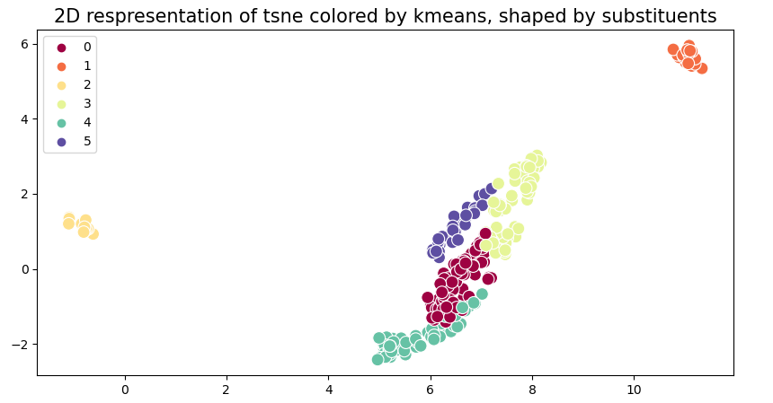
 | 0 | 2 | 22 | 2 | 2 | 0 | 4 | 6 | 0 | 3 | 6 | 1 | 24 | 0 | 16 | 4 | 4 | 0 | 4 | 8 | 12 | 22 | 2 | N,O
 | 1 | 22 | 2 | 2 | 0 | 0 | 21 | 11 | 0 | 0 | 11 | 0 | 24 | 0 | 22 | 2 | 21 | 8 | 14 | 21 | 18 | 6 | 2
 | 2 | 0 | 0 | 0 | 7 | 0 | 0 | 3 | 18 | 1 | 3 | 16 | 0 | 18 | 23 | 7 | 0 | 8 | 15 | 14 | 10 | 0 | 1
 | 3 | 0 | 0 | 21 | 16 | 0 | 0 | 0 | 0 | 0 | 0 | 0 | 0 | 0 | 0 | 37 | 0 | 0 | 4 | 11 | 12 | 6 | 4
 | 4 | 1 | 1 | 0 | 0 | 0 | 0 | 5 | 7 | 21 | 5 | 8 | 2 | 7 | 39 | 0 | 0 | 4 | 3 | 6 | 8 | 16 | 11
 | 5 | 0 | 0 | 0 | 0 | 25 | 0 | 0 | 0 | 0 | 0 | 0 | 0 | 25 | 0 | 0 | 0 | 2 | 4 | 6 | 6 | 5 | 2

UMAP, n=10 | kmeans | Me | tBu | OMe | OPh | CF3 | NMe2 | Ph | C6F5 | o-Tol | p-Tol | p-CF3-Ph | 1 | 2 | 3 | 4 | 5 | 3 | 4 | 5 | 6 | 7 | 8
 | 0 | 14 | 7 | 0 | 0 | 0 | 10 | 20 | 0 | 17 | 19 | 2 | 21 | 0 | 58 | 0 | 10 | 9 | 22 | 25 | 21 | 4 | 8
 | 1 | 0 | 0 | 0 | 0 | 25 | 0 | 0 | 0 | 0 | 0 | 0 | 0 | 25 | 0 | 0 | 0 | 2 | 4 | 6 | 6 | 5 | 2
 | 2 | 0 | 0 | 0 | 0 | 0 | 0 | 0 | 11 | 0 | 0 | 0 | 0 | 11 | 0 | 0 | 0 | 2 | 4 | 3 | 2 | 0 | 0
 | 3 | 2 | 18 | 2 | 2 | 0 | 5 | 5 | 3 | 8 | 6 | 4 | 20 | 3 | 23 | 4 | 5 | 0 | 0 | 7 | 7 | 36 | 5 | N,O
 | 4 | 9 | 0 | 23 | 23 | 0 | 10 | 0 | 0 | 0 | 0 | 0 | 9 | 0 | 0 | 46 | 10 | 8 | 10 | 16 | 20 | 6 | 5
 | 5 | 0 | 0 | 0 | 0 | 0 | 0 | 0 | 11 | 0 | 0 | 19 | 0 | 11 | 19 | 0 | 0 | 1 | 4 | 9 | 10 | 4 | 2
 | hierarchical | Me | tBu | OMe | OPh | CF3 | NMe2 | Ph | C6F5 | o-Tol | p-Tol | p-CF3-Ph | 1 | 2 | 3 | 4 | 5 | 3 | 4 | 5 | 6 | 7 | 8
 | 0 | 2 | 21 | 2 | 2 | 0 | 6 | 10 | 14 | 7 | 11 | 23 | 23 | 14 | 51 | 4 | 6 | 1 | 7 | 22 | 22 | 40 | 6 | N,O
 | 1 | 14 | 1 | 0 | 0 | 0 | 6 | 15 | 0 | 18 | 14 | 2 | 15 | 0 | 49 | 0 | 6 | 7 | 18 | 17 | 15 | 4 | 9
 | 2 | 0 | 0 | 1 | 23 | 0 | 0 | 0 | 0 | 0 | 0 | 0 | 0 | 0 | 0 | 24 | 0 | 2 | 5 | 6 | 6 | 3 | 2
 | 3 | 0 | 0 | 0 | 0 | 25 | 0 | 0 | 0 | 0 | 0 | 0 | 0 | 25 | 0 | 0 | 0 | 2 | 4 | 6 | 6 | 5 | 2
 | 4 | 9 | 3 | 22 | 0 | 0 | 13 | 0 | 0 | 0 | 0 | 0 | 12 | 0 | 0 | 22 | 13 | 8 | 6 | 12 | 15 | 3 | 3
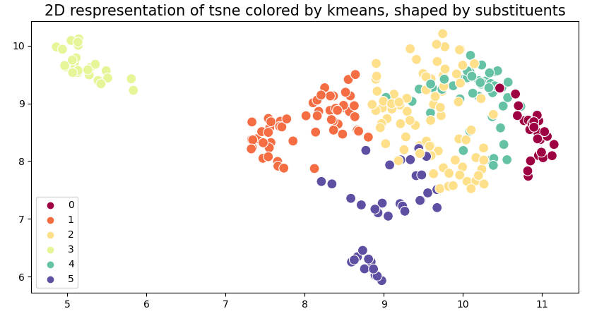
 | 5 | 0 | 0 | 0 | 0 | 0 | 0 | 0 | 11 | 0 | 0 | 0 | 0 | 11 | 0 | 0 | 0 | 2 | 4 | 3 | 2 | 0 | 0
UMAP, n=15 | kmeans | Me | tBu | OMe | OPh | CF3 | NMe2 | Ph | C6F5 | o-Tol | p-Tol | p-CF3-Ph | 1 | 2 | 3 | 4 | 5 | 3 | 4 | 5 | 6 | 7 | 8
 | 0 | 0 | 0 | 4 | 23 | 0 | 0 | 0 | 0 | 0 | 0 | 0 | 0 | 0 | 0 | 27 | 0 | 2 | 6 | 6 | 7 | 4 | 2
 | 1 | 2 | 18 | 2 | 2 | 0 | 5 | 5 | 3 | 8 | 6 | 7 | 20 | 3 | 26 | 4 | 5 | 0 | 0 | 8 | 7 | 38 | 5 | N,O | 0 | 2 | 9 | 0 | 14 | 0
 | 2 | 9 | 7 | 0 | 0 | 0 | 7 | 20 | 0 | 17 | 19 | 5 | 16 | 0 | 61 | 0 | 7 | 9 | 19 | 24 | 20 | 4 | 8 |  | 0 | 18 | 7 | 0 | 0 | 0
 | 3 | 0 | 0 | 0 | 0 | 25 | 0 | 0 | 0 | 0 | 0 | 0 | 0 | 25 | 0 | 0 | 0 | 2 | 4 | 6 | 6 | 5 | 2 |  | 4 | 2 | 0 | 0 | 19 | 0
 | 4 | 14 | 0 | 19 | 0 | 0 | 13 | 0 | 0 | 0 | 0 | 0 | 14 | 0 | 0 | 19 | 13 | 6 | 7 | 13 | 15 | 2 | 3 |  | 23 | 2 | 0 | 0 | 0 | 0
 | 5 | 0 | 0 | 0 | 0 | 0 | 0 | 0 | 22 | 0 | 0 | 13 | 0 | 22 | 13 | 0 | 0 | 3 | 8 | 9 | 11 | 2 | 2 |  | 0 | 0 | 0 | 25 | 0 | 0
 | hierarchical | Me | tBu | OMe | OPh | CF3 | NMe2 | Ph | C6F5 | o-Tol | p-Tol | p-CF3-Ph | 1 | 2 | 3 | 4 | 5 | 3 | 4 | 5 | 6 | 7 | 8 |  | 0 | 5 | 7 | 0 | 13 | 0
 | 0 | 9 | 3 | 23 | 23 | 0 | 13 | 0 | 0 | 0 | 0 | 0 | 12 | 0 | 0 | 46 | 13 | 10 | 11 | 18 | 21 | 6 | 5 |  | 0 | 5 | 20 | 0 | 0 | 0
 | 1 | 0 | 0 | 0 | 0 | 0 | 0 | 0 | 20 | 0 | 0 | 17 | 0 | 20 | 17 | 0 | 0 | 3 | 8 | 12 | 12 | 0 | 2 |  | 0 | 3 | 0 | 0 | 0 | 22
 | 2 | 0 | 14 | 0 | 0 | 0 | 4 | 8 | 0 | 8 | 9 | 4 | 14 | 0 | 29 | 0 | 4 | 0 | 4 | 12 | 13 | 14 | 4 |  | 0 | 8 | 17 | 0 | 0 | 0
 | 3 | 0 | 0 | 0 | 0 | 25 | 0 | 0 | 0 | 0 | 0 | 0 | 0 | 25 | 0 | 0 | 0 | 2 | 4 | 6 | 6 | 5 | 2 |  | 0 | 6 | 19 | 0 | 0 | 0
 | 4 | 14 | 1 | 0 | 0 | 0 | 6 | 15 | 0 | 15 | 14 | 2 | 15 | 0 | 46 | 0 | 6 | 7 | 17 | 17 | 14 | 4 | 8 |  | 0 | 7 | 5 | 0 | 0 | 13
 | 5 | 2 | 7 | 2 | 2 | 0 | 2 | 2 | 5 | 2 | 2 | 2 | 9 | 5 | 8 | 4 | 2 | 0 | 0 | 1 | 0 | 26 | 1 | N,O

