SpecificCI
Summation Test
(CX = DY) < (CY = DX)
Retardation Test
X < Y
Controls for:
Generalisation Decrement/compound presentation
General magazine approach inhibition
Cue and Outcome exposure
X inhibits O1, not possible that it also predicts O2

Can also do R1 -> O1 | R2 -> O2 training for a sPIT test

ConditionedReinforcement
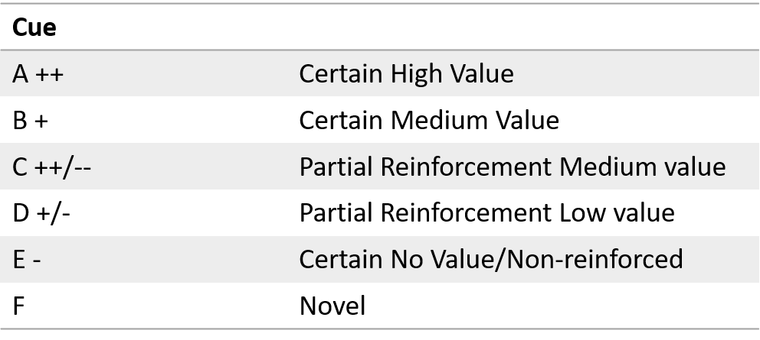

Current Perspective: Conditioned reinforcement reflects cue “value”/ “incentive motivation” [whatever this means…] – especially in the drug literature
Of course: Conditioned reinforcement is insensitive to outcome devaluation - it might reflect the general affective properties/model-free cached value.
Therefore, in a conditioned reinforcement choice test:
A>(B|C)>D>(E|F) i.e. ordered by expected value
However, published tests usually compare a conditioned cue with wither (1) Non-reinforced Cue, or (2) non-reinforced lever
Tests comparing a conditioned cue to a novel cue often fail – novelty is quite effective at eliciting CRF
I suspect salience is driving CRF, so a partially reinforced cue should be preferred even if it has a lower expected value
Additional suspicion that CRF is actually sensitive to specific satiety devaluation…

