PACKING LIST (Sample Shipment)
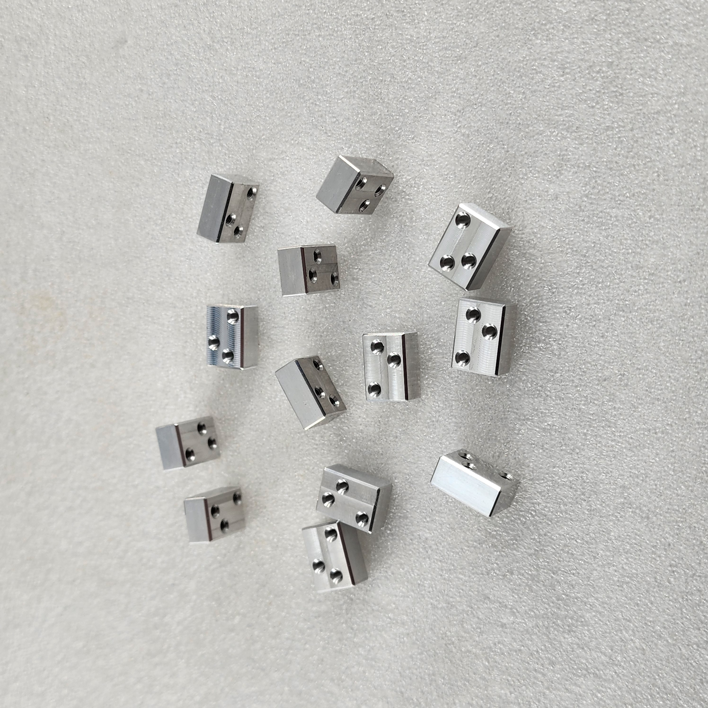

NO | Name | Picture | Material | Finish | Qty

 |  |  |  | Total
Packing details: |  |  | Part Images

