CapDesign
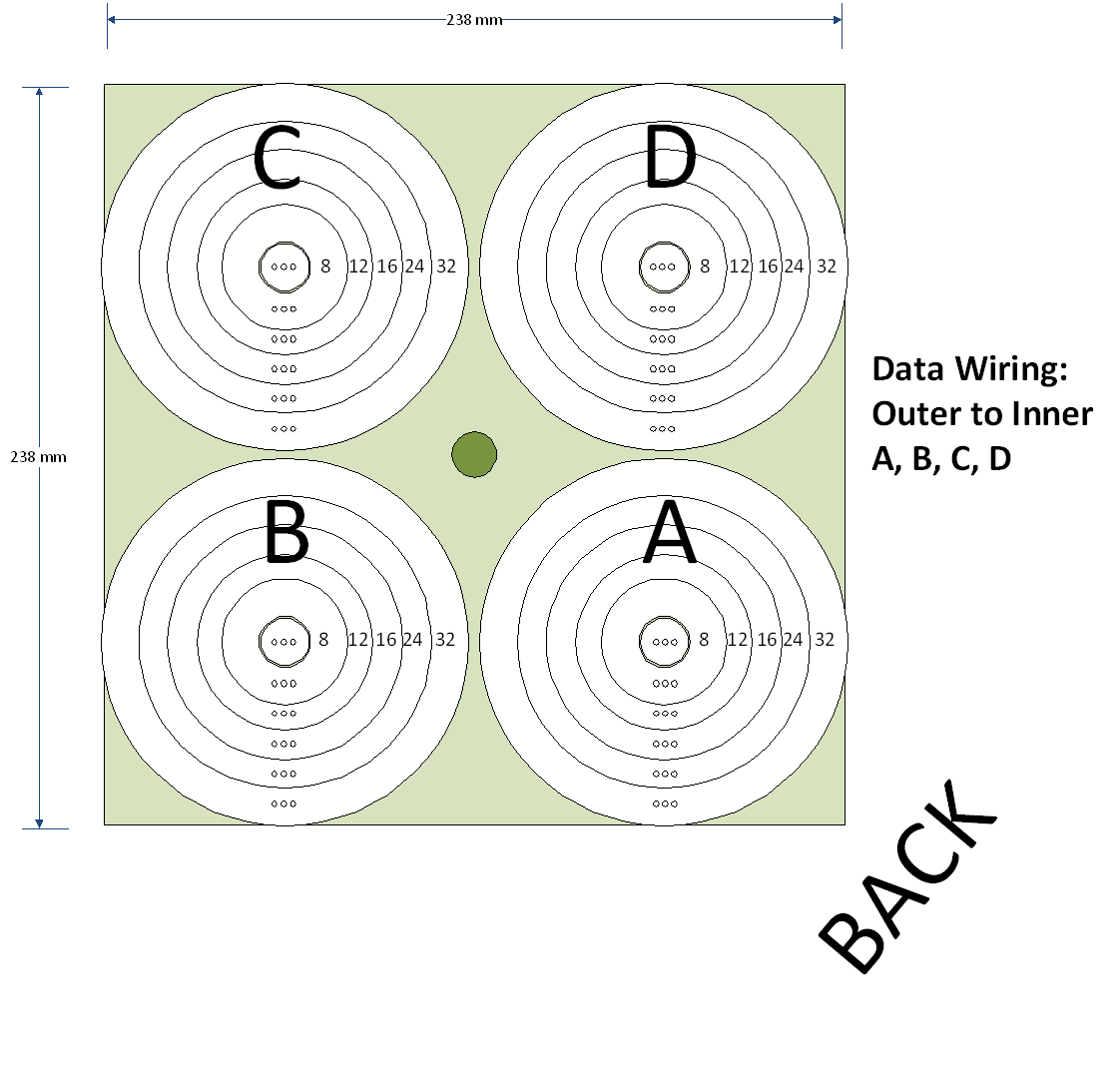

AltCapDesign


PictureRing
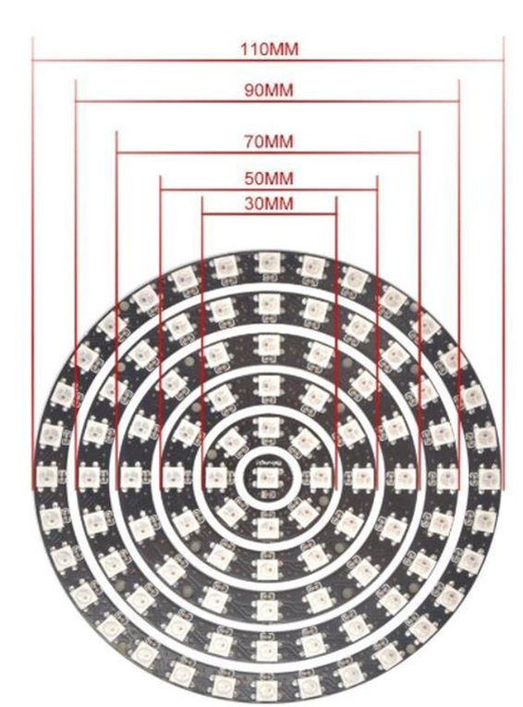
Mokungit 93 Leds WS2812B WS2812 5050 RGB LED Ring Lamp Light with Integrated Drivers
https://smile.amazon.com/gp/product/B01EUAKLT0/ref=oh_aui_detailpage_o01_s00?ie=UTF8&psc=1
 | 2812b 5 volt

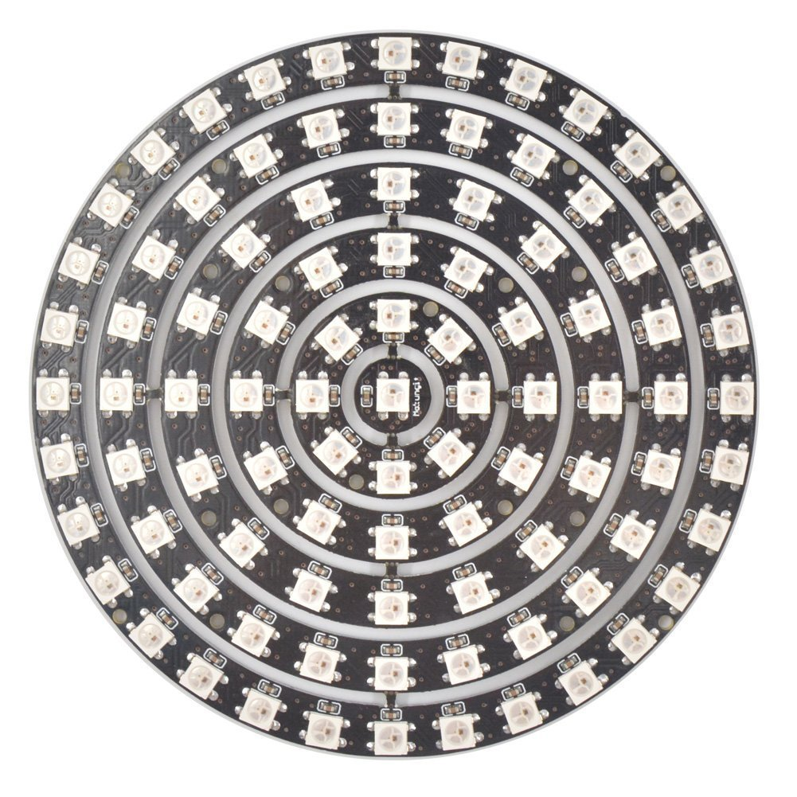
 | LED count | diameter
 | 32 | 110
 | 24 | 90
 | 16 | 70
 | 12 | 50
 | 8 | 30
 | 1 | N/A

 | 93 | total

 | Question: What are the dimensions of the rings?
 | Answer: My digital caliper says:
 | 32 led ring: 111.8 mm diameter
 | 24 led ring: 91.8 mm diameter… see more

 | ratio |  | part | 2 | 3 | 4 | 5 | 6 | 7 | 8
 | 4 to 3 | 8 to 6 |  | 16 | 10.666666667 | 8 | 6.4 | 5.3333333333 | 4.5714285714 | 4
 | 3 to 2 | 6 to 4 |  | 12 | 8 | 6 | 4.8 | 4 | 3.4285714286 | 3
 |  | 4 to 3 |  | 8 | 5.3333333333 | 4 | 3.2 | 2.6666666667 | 2.2857142857 | 2
 |  | 3 to 2 |  | 6 | 4 | 3 | 2.4 | 2 | 1.7142857143 | 1.5
 |  |  |  | 4 | 2.6666666667 | 2 | 1.6 | 1.3333333333 | 1.1428571429 | 1

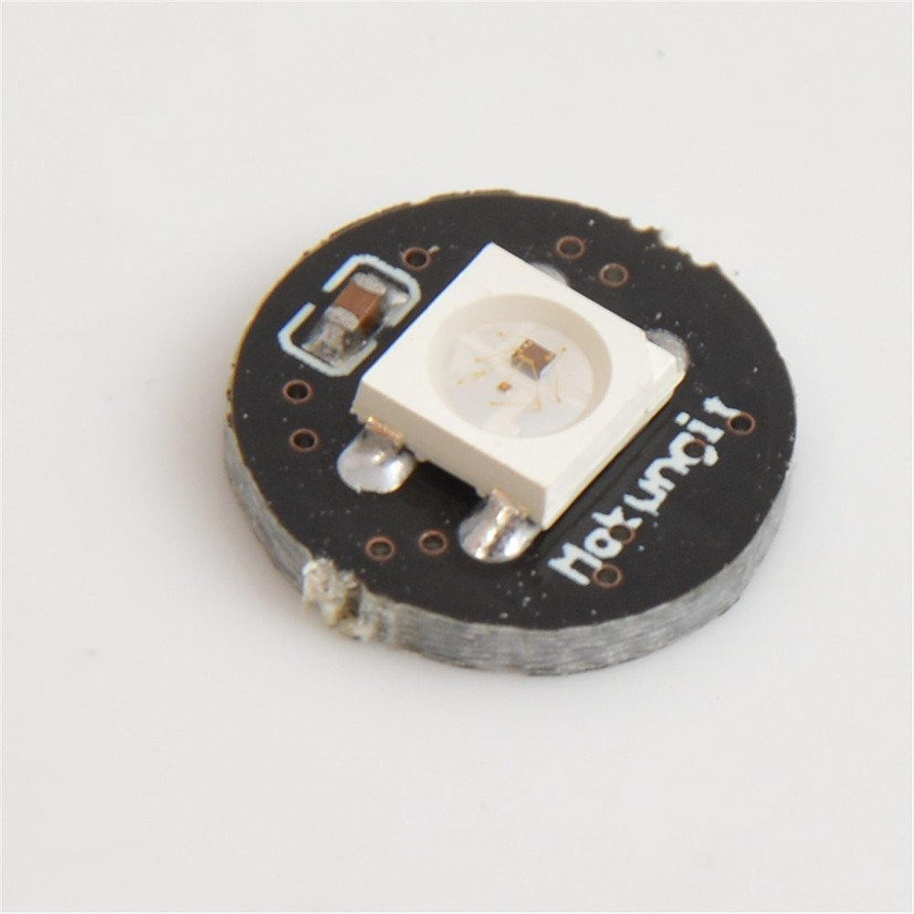

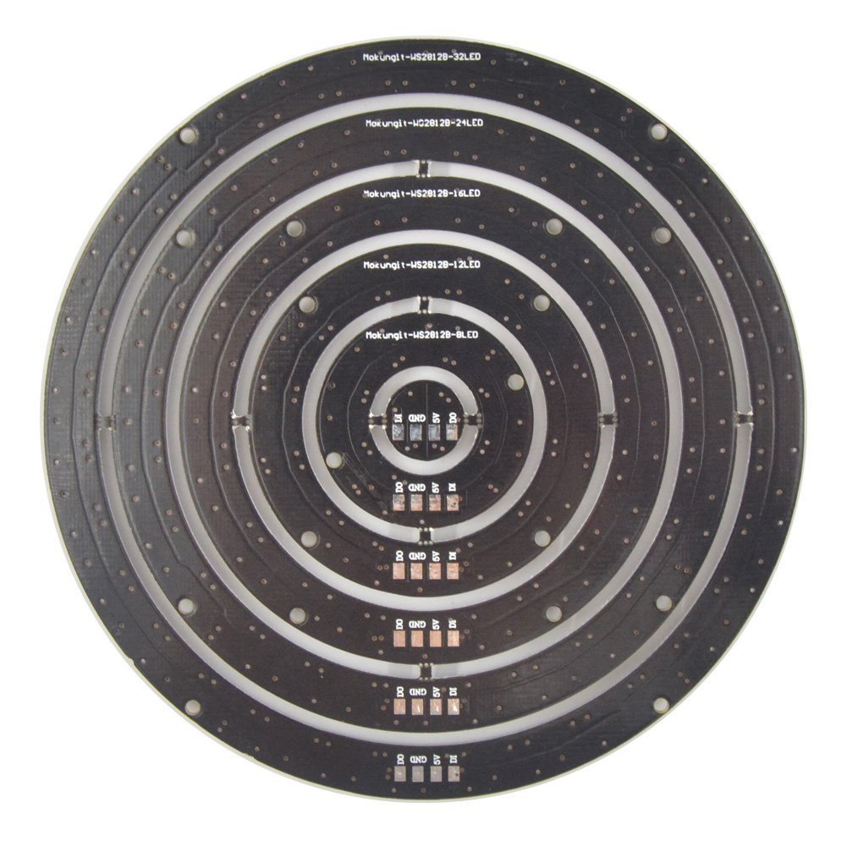

 |  |  | outside-to-outside outer hole to diag outer hole |  |  |  | outside-to-outside outer hole to adjacent outer hole |  |  |  |  |  | hole diameter
 |  |  | 110.66 |  |  |  | 85.62 |  | 70.57 |  |  |  | 1.45
 |  |  | 110.45 |  |  |  | 86.01 |  | 70.83 |  |  |  | 1.54
 |  |  | 110.61 |  |  |  | 85.88 |  | 70.61 |  |  |  | 1.67
 |  |  | 110.70 |  |  |  | 85.60 |  | 70.69 |  |  |  | 1.43
 |  |  | 110.61 |  |  |  | 85.78 |  | 70.68 |  | 111.14285911 |  | 1.52

 |  |  | 109.84375 |  |  |  | 85.01625 |  | 69.91375 |  | 110.07131871

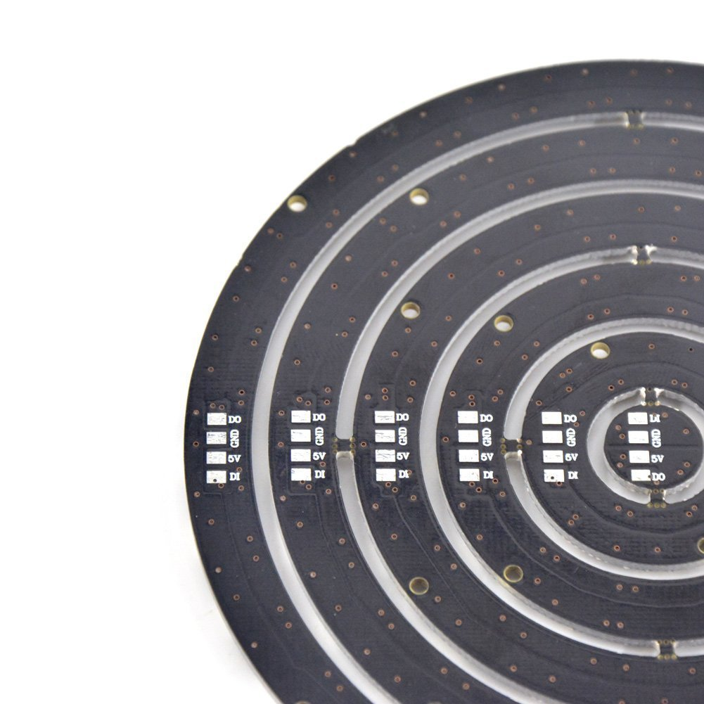
 |  |  |  |  |  |  |  |  | rectangle is 85 x 70 mm with 1.5 mm holes
 |  |  |  |  |  |  |  |  | wide side of rectangle parallel to solder points lineup on adjacent rings
 |  |  | 14 | mm separation between LED rings, both ways
 |  |  | 112 | mm outside diameter LED ring
 |  |  | 238 | mm side of cap
 |  |  | 85 | LED ring wide rectangle
 |  |  | 70 | LED ring narrow rectangle |  |  |  |  | Center LED ring to: |  |  | Cap edge to:
 |  |  |  |  |  |  |  |  | 56 | Cap edge |  | 56 | Center LED ring
 |  |  |  |  |  |  |  |  | 126 | center adjacent LED ring |  | 21 | LED ring wide attach
 |  |  | 238 | check |  |  |  |  |  |  |  | 13.5 | LED ring narrow attach

 |  |  |  |  |  |  |  |  | angle of diag |  |  | 57.295779513
 |  |  |  |  |  |  |  |  | 50.527540152
 |  |  |  |  |  |  |  |  | 39.472459848

