CapDesign
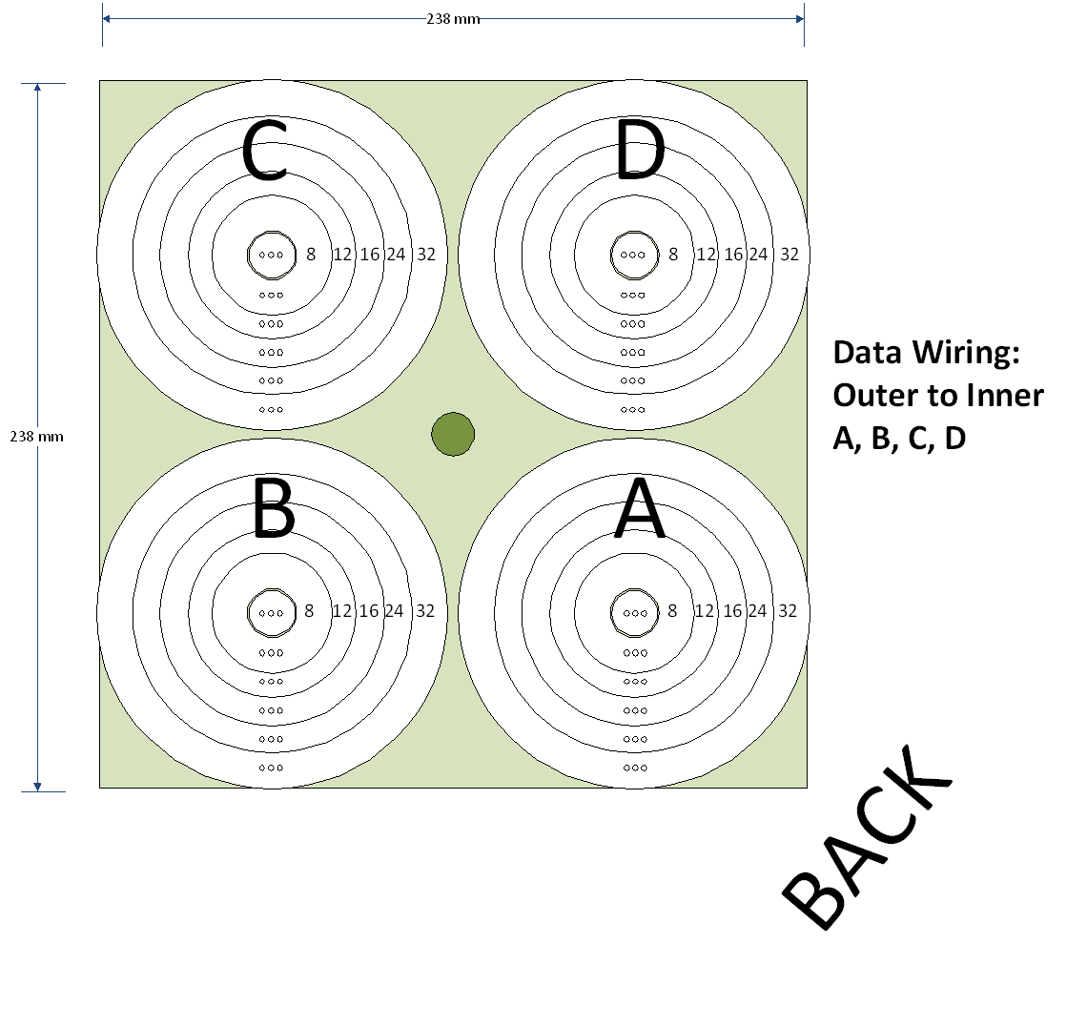

AltCapDesign


PictureRing
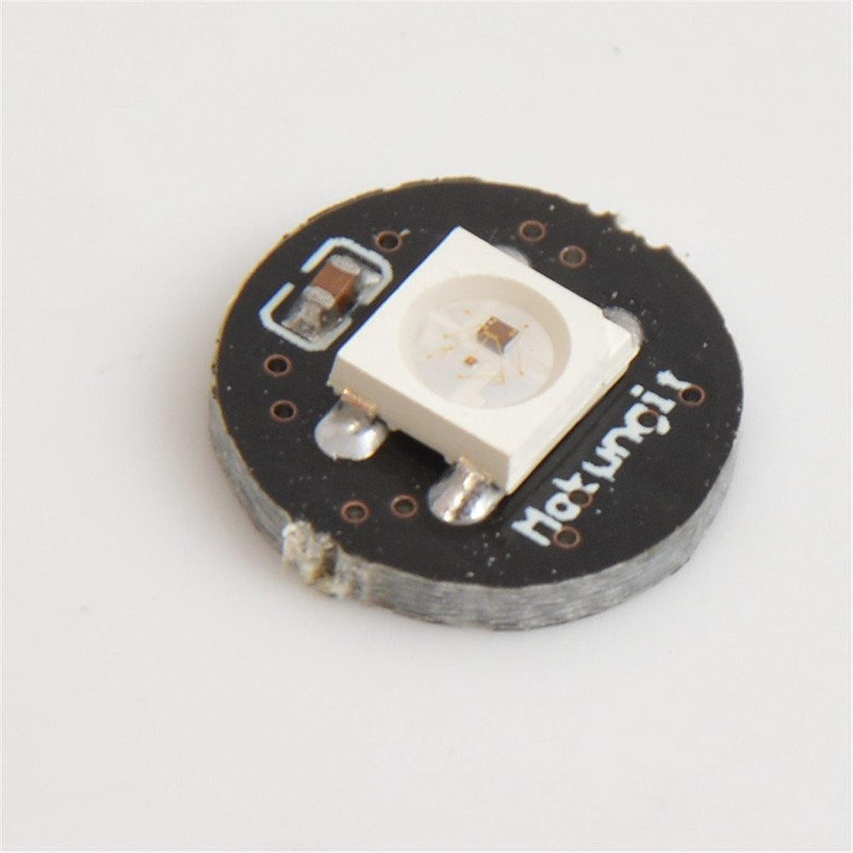
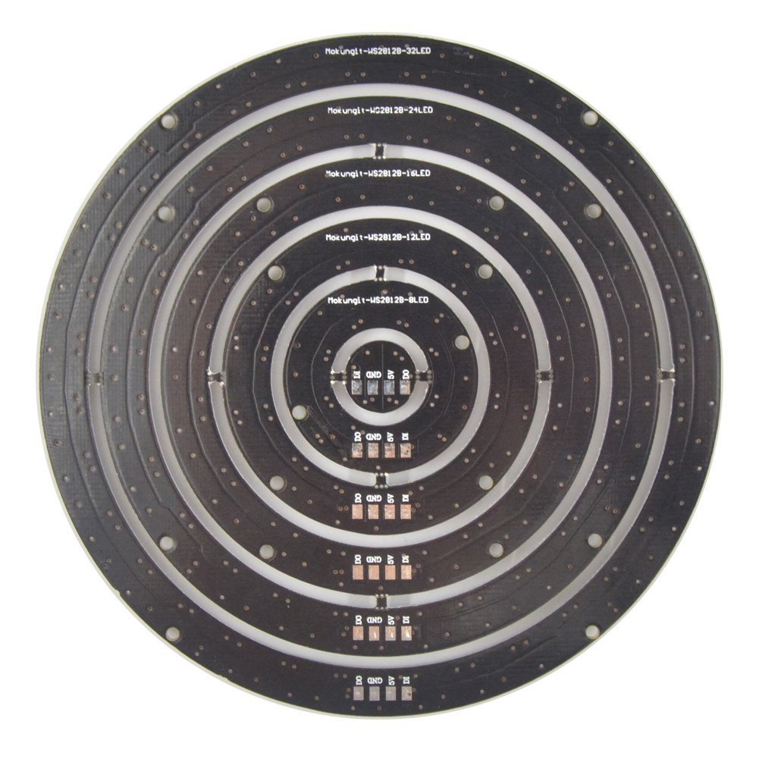
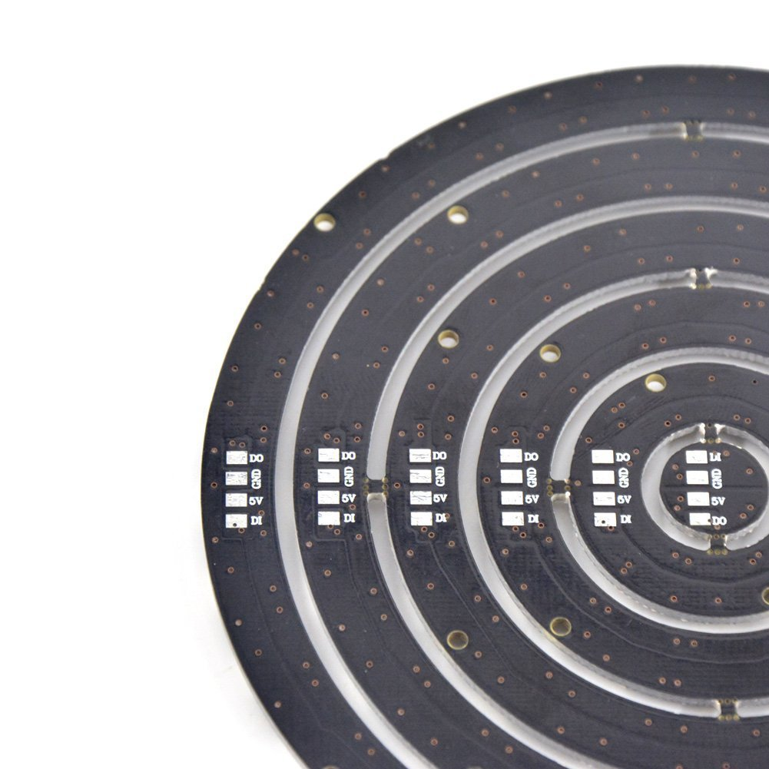
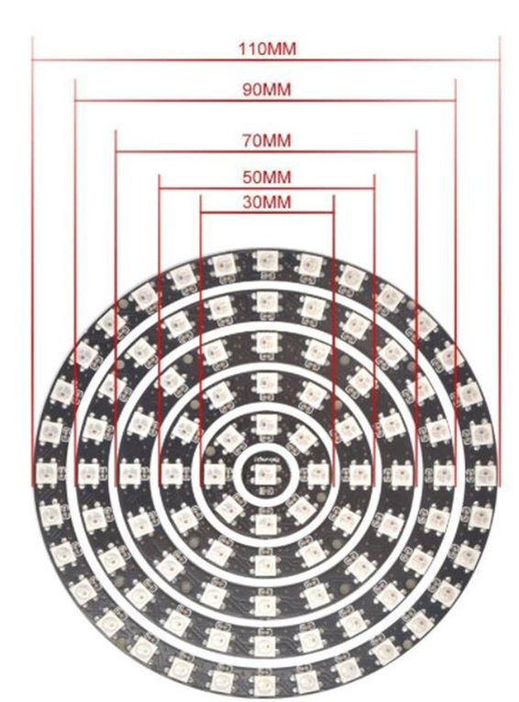
Mokungit 93 Leds WS2812B WS2812 5050 RGB LED Ring Lamp Light with Integrated Drivers
https://smile.amazon.com/gp/product/B01EUAKLT0/ref=oh_aui_detailpage_o01_s00?ie=UTF8&psc=1
 | 2812b 5 volt

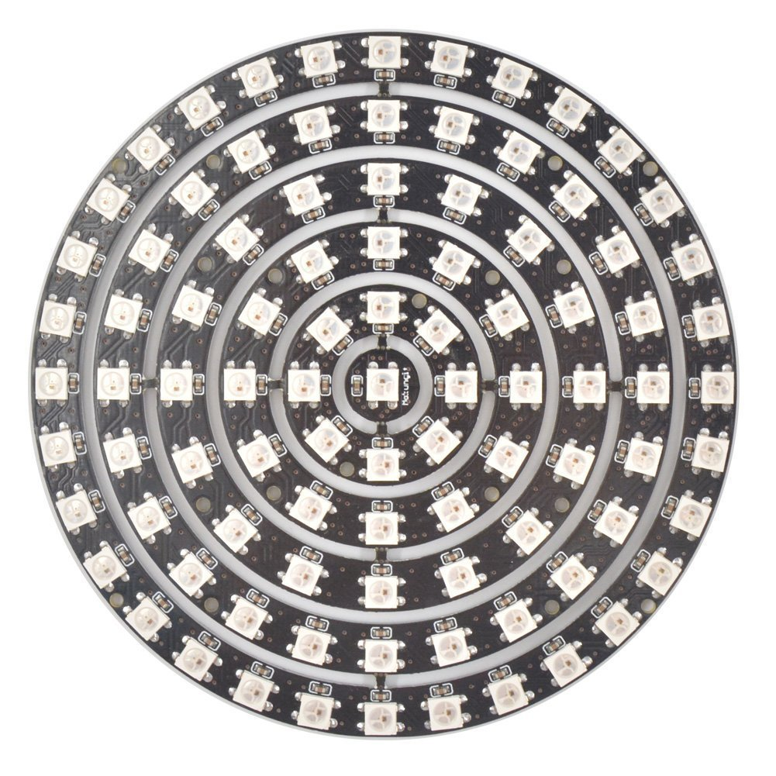
 | LED count | diameter
 | 1 | N/A
 | 8 | 30
 | 12 | 50
 | 16 | 70
 | 24 | 90
 | 32 | 110

 | 93 | total

 | Question: What are the dimensions of the rings?
 | Answer: My digital caliper says:
 | 32 led ring: 111.8 mm diameter
 | 24 led ring: 91.8 mm diameter… see more

