Sheet1
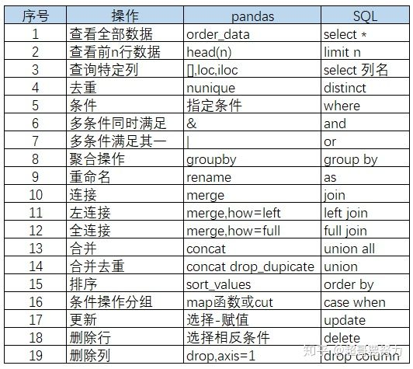
seq | funcation | in_pandas | in_sql
1 | 查看全部数据 | order_data | select *
2 |  | head(n) | limit n
3 |  | [],loc,iloc | select colunm
4 |  | nunique | distnct
5 |  | 指定条件 | where
6 |  | & | and
7 |  | | | or
8 |  | groupby | group by
9 |  | rename | as
10 |  | merge | join
11 |  | merge,how = left | left join
12 |  | merge,how = full | full join
13 |  | concat | union all
14 |  | concat drop dupicate | union
15 |  | sort_values | order by
16 |  | map funcation or cut | case when
17 |  | 选择-赋值 | update
18 |  | 选择相反条件 | delete
19 |  | drop，axis=1 | drop column

