Sheet1
SMARTGUYS COMMUNITY HEALTH CARE, INC.
F.P Perez Building, Brgy. Parian Manila S. Rd. Calamba City, Laguna
Tel. Nos. (049)523-71-49 / (049)530-37-66

NAME: | ABCEDE, FLORENCE - |  |  |  | DATE: | 9/12/2023
COMPANY: | J&T EXPRESS-JOBSITE |  |  |  | AGE/SEX: | 20/Female

LABORATORY REPORT
CHEMISTRY
HEMATOLOGY
 | TEST |  |  | RESULT |  | NORMAL VALUE (S.I. UNIT)

 | COMPLETE BLOOD COUNT
 |  | RED BLOOD CELLS |  | 3.5 |  | F: 4.0-5.4x1012/L M: 4.5-6.2x10¹²/L
 |  | HEMOGLOBIN |  | 160 |  | F: 120-160g/L M: 140-180g/L
 |  | HEMATOCRIT |  | 0.39 |  | F: 0.36-0.46 M: 0.41-0.53
 |  | PLATELET COUNT |  |  |  | 150-450 X109/L
 |  | WHITE BLOOD CELLS |  | 8.1 |  | 5-10 X109/L
 | DIFFERENTIAL COUNT
 |  | NEUTROPHIL |  | 0.64 |  | 0.43-0.73
 |  | LYMPHOCYTE |  | 0.35 |  | 0.19-0.48
 |  | MONOCYTE |  |  |  | 0.04-0.12
 |  | EOSINOPHIL |  | 0.01 |  | 0.01-0.06
 |  | BASOPHIL |  | 2 |  | 0.0-0.01

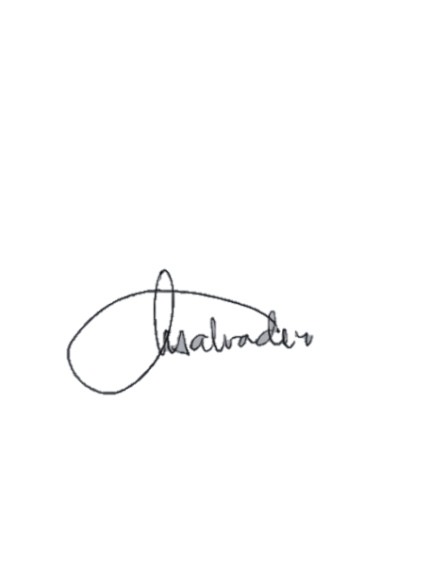
 | OTHERS

 |  | NOTE: | The results are best interpreted by a healthcare professional and are not intended to be used as the sole means for diagnosis or management. Specimen rechecked, result/s verified.

TEST PERFORMED BY:
GLENN A. MACAUBA, RMT LICENSE NO. 0104788 |  |  | NANCY R. SALVADOR, RMT LICENSE NO. 0021106 |  |  | AZEUS O. SILVA, MD, DPSP LICENSE NO. 0094522

 |  |  | MEDICAL TECHNOLOGIST |  |  | PATHOLOGIST

