Sheet1

SMARTGUYS COMMUNITY HEALTH CARE, INC.
F.P Perez Building, Brgy. Parian Manila S. Rd. Calamba City, Laguna
Tel. Nos. (049)523-71-49 / (049)530-37-66
 |  |  |  |  |  |  | HEPATITIS B ANTIGEN | NON REACTIVE | URINE
 |  |  |  |  |  |  | ANTI-HAV IgM | REACTIVE | SERUM
 |  |  |  |  |  | GLENN A. MACAUBA, RMT LICENSE NO. 0104788 | VDRL/RPR | NEGATIVE | PLASMA
 |  |  |  |  |  |  | PREGNANCY TEST | POSITIVE | WHOLE BLOOD
 |  |  |  |  |  |  | DENGUE DUO | "A"
 |  |  |  |  |  |  | DENGUE NS1 | "B"
NAME: | ALEJAGA, ROSE MARIE |  |  | DATE: | APRIL 12, 2023 |  | BLOOD TYPE | "O"
COMPANY: | OPD |  |  | AGE/SEX: | 63/F |  | RH TYPE | "AB"
 |  |  |  |  |  |  |  |  |  | DELA PEÑA, ALJON
LABORATORY REPORT
SEROLOGY

 | TEST |  |  | RESULT

 | BLOOD TYPE |  |  | "AB"
 | WHOLE BLOOD

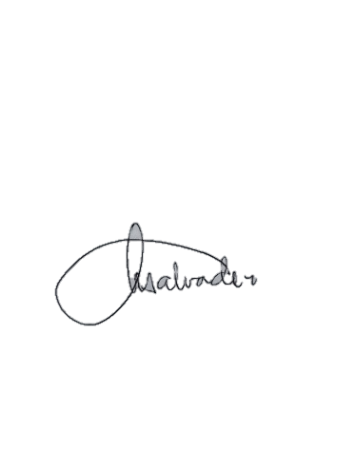
 | RH TYPE |  |  | POSITIVE
 | WHOLE BLOOD

 |  | NOTE: | The results are best interpreted by a healthcare professional and are not intended to be used as the sole means for diagnosis or management. Specimen rechecked, result/s verified.

TEST PERFORMED BY:
 |  |  |  |  | DR. AZEUS O. SILVA, MD, DPSP LICENSE NO. 0094522
GLENN A. MACAUBA, RMT LICENSE NO. 0104788 |  |  | NANCY R. SALVADOR, RMT LICENSE NO. 0021106
MEDICAL TECHNOLOGIST |  |  | MEDICAL TECHNOLOGIST |  | PATHOLOGIST

