Sheet1
SMARTGUYS COMMUNITY HEALTH CARE, INC.
F.P Perez Building, Brgy. Parian Manila S. Rd. Calamba City, Laguna
Tel. Nos. (049)523-71-49 / (049)530-37-66

 |  |  |  |  |  |  |  |  | FLORENZ ANNE T. SALUD, RMT LICENSE NO. 65840
 |  |  |  |  |  |  |  |  | RENNAN LAGUARDIA, RMT LICENSE NO. 0050026
 |  |  |  |  |  |  |  | NO OVA/PARASITE SEEN | GLENN A. MACAUBA, RMT LICENSE NO. 0104788
 |  |  |  |  |  |  |  | ASCARIS LUMBRICOIDES SEEN
 |  |  |  |  |  |  |  | TRICHURIS TRICHURA SEEN
NAME: | ABCEDE, FLORENCE - |  |  | DATE: | 9/8/2023 |  |  | STRONGYLOIDES STERCORALIS SEEN
COMPANY: | J&T EXPRESS-JOBSITE |  |  | AGE/SEX: | Female

LABORATORY REPORT
FECALYSIS
 | TEST |  |  | RESULT

 | PHYSICAL EXAMINATION
 |  | COLOR |  | BROWN |  | BROWN | FORMED
 |  | CONSISTENCY |  | FORMED |  | DARK BROWN | SEMI-FORMED
 | MICROSCOPIC EXAMINATION OF STOOL SEDIMENTS |  |  |  |  | YELLOWISH BROWN | LOOSE
 |  | WHITE BLOOD CELL |  |  |  | GREENISH BROWN | WATERY
 |  | RED BLOOD CELL |  |  |  | GREENISH YELLO BROWN | SOFT
 |  | FAT GLOBULES
 |  | BACTERIA
 |  |  |  | NoOvaParasite
 |  | OVA/ PARASITE |  | NO OVA/PARASITE SEEN

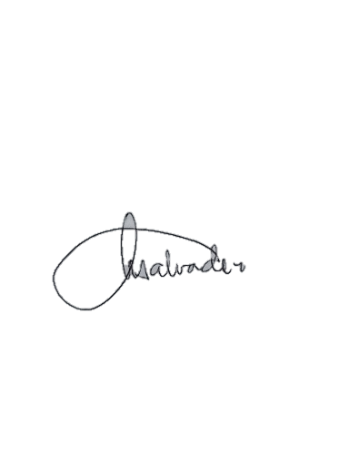
 |  | NOTE: | The results are best interpreted by a healthcare professional and are not intended to be used as the sole means for diagnosis or management. Specimen rechecked, result/s verified.

TEST PERFORMED BY:
GLENN A. MACAUBA, RMT LICENSE NO. 0104788 |  |  | NANCY R. SALVADOR, RMT LICENSE NO. 0021106 |  | DR. AZEUS O. SILVA, MD, DPSP LICENSE NO. 0094522
MEDICAL TECHNOLOGIST |  |  | MEDICAL TECHNOLOGIST |  | PATHOLOGIST

