Sheet1
SMARTGUYS COMMUNITY HEALTH CARE, INC.
F.P Perez Building, Brgy. Parian Manila S. Rd. Calamba City, Laguna
Tel. Nos. (049)523-71-49 / (049)530-37-66

NAME: | SALVADOR, ROSEMARIE . |  |  | DATE: | 9/6/2023
COMPANY: | J&T EXPRESS-JOBSITE |  |  | AGE/SEX: | Female

LABORATORY REPORT
URINALYSIS
 | TEST |  |  | RESULT

 | PHYSICAL EXAMINATION
 |  | COLOR |  | STRAW |  | STRAW | CLEAR | 1.000 | 5.0 | NEGATIVE | RARE | NEGATIVE
 |  | TRANSPARENCY |  | CLEAR |  | YELLOW | SLIGHTLY HAZY | 1.005 | 6.0 | TRACE | FEW | POSITIVE
 | CHEMICAL EXAMINATION |  |  |  |  | LIGHT YELLOW | HAZY | 1.010 | 6.5 | 1+ | MODERATE
 |  | SPECIFIC GRAVITY |  | 1.000 |  | DARK YELLOW | SLIGHTLY TURBID | 1.015 | 7.0 | 2+ | OCCASIONAL
 |  | pH |  | 5.0 |  | RED | TURBID | 1.020 | 7.5 | 3+ | MANY
 |  | GLUCOSE |  | NEGATIVE |  | AMBER |  | 1.025 | 8.0 | 4+
 |  | PROTEIN |  | NEGATIVE |  | DUB |  | 1.030 | 9.0
 | MICROSCOPIC EXAMINATION OF URINE SEDIMENTS
 |  | WHITE BLOOD CELLS |  | 1
 |  | RED BLOOD CELLS |  | 2
 |  | EPITHELIAL CELLS |  | RARE
 |  | MUCUS THREADS |  | RARE
 |  | BACTERIA |  | RARE
 |  | AMORPHOUS URATES |  | FEW
 |  | AMORPHOUS PHOSPHATES |  | MODERATE

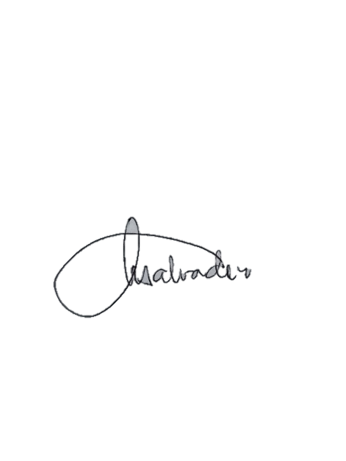
 | OTHERS: | others

 |  | NOTE: | The results are best interpreted by a healthcare professional and are not intended to be used as the sole means for diagnosis or management. Specimen rechecked, result/s verified.

TEST PERFORMED BY:
 |  |  |  |  | AZEUS O. SILVA, MD, DPSP LICENSE NO. 0094522
GLENN A. MACAUBA, RMT LICENSE NO. 0104788 |  |  | NANCY R. SALVADOR, RMT LICENSE NO. 0021106
MEDICAL TECHNOLOGIST |  |  | MEDICAL TECHNOLOGIST |  | PATHOLOGIST

