非故障-没有温升故障预测数据分析
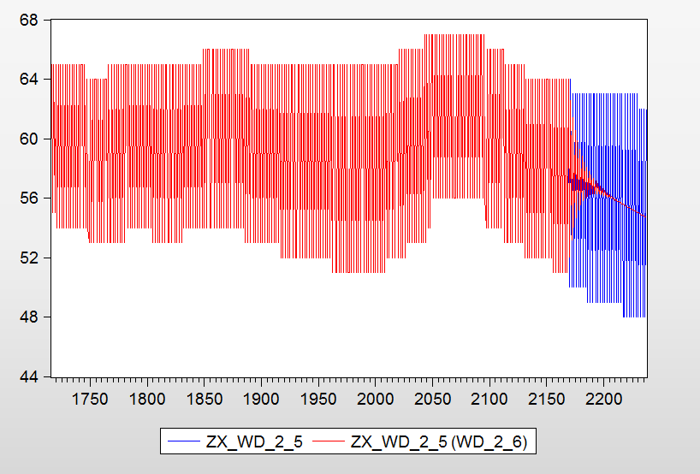
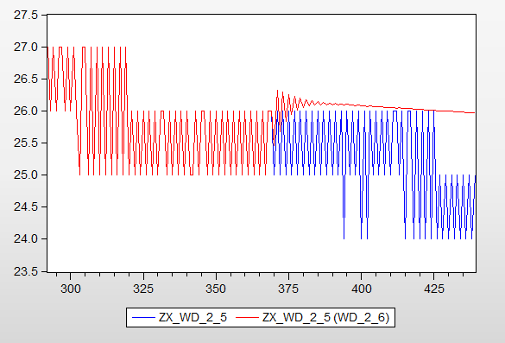
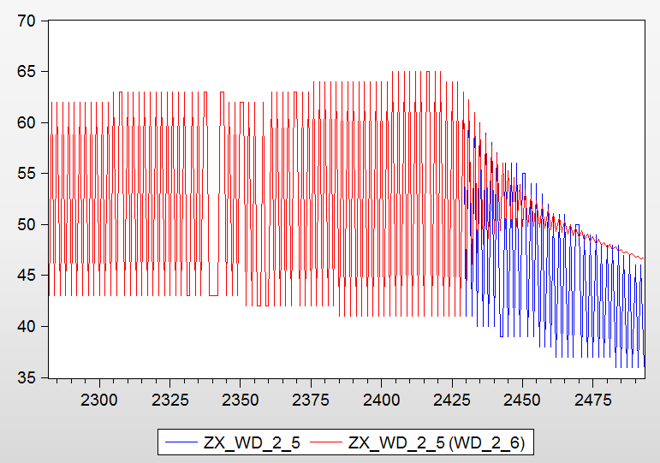
 |  | 2 | 2016-04-05 |  | 误差 | 2016-04-07 |  | 误差 | 5 | 2016-04-06 |  | 误差 | 3 | 2016-04-12 |  | 误差 | 4月10号 |  | 误差 | 4月11号 |  | 误差
 |  |  | total | 439 |  | total | 2481 |  |  | total | 1672 |  |  | total | 2493 |  | 50 | 52.045129679 | 4.090259358 | 65 | 61.322657103 | 5.6574506114
 |  |  | 25 | 25.173142514 | 0.6925700575 | 40 | 39.974457317 | 0.063856708633 |  | 31 | 30.681928525 | 1.0260370158 |  | 41 | 44.516956594 | 8.5779429125 | 64 | 62.542896293 | 2.276724542 | 65 | 64.390566452 | 0.93759007377
 |  |  | 26 | 25.930539487 | 0.26715581755 | 40 | 40.002169161 | 0.0054229031108 |  | 31 | 30.869341233 | 0.42147989337 |  | 62 | 62.196986914 | 0.31772082834 | 50 | 53.183485495 | 6.366970989 | 65 | 61.580045129 | 5.2614690328
 |  |  | 25 | 25.057489731 | 0.22995892395 | 40 | 39.995984375 | 0.010039062671 |  | 31 | 30.613531721 | 1.2466718673 |  | 41 | 46.154730481 | 12.572513368 | 63 | 61.435299743 | 2.4836512019 | 65 | 63.602320544 | 2.1502760856
 |  |  | 26 | 25.711944119 | 1.1079072329 | 40 | 40.00666563 | 0.016664076234 |  | 31 | 30.655512549 | 1.1112498411 |  | 61 | 60.998139249 | 0.0030504111159 | 50 | 54.061898148 | 8.1237962961 | 65 | 61.112063853 | 5.9814402269
 |  |  | 25 | 24.980679442 | 0.077282233171 | 40 | 40.003975419 | 0.0099385471542 |  | 31 | 30.400716896 | 1.9331713043 |  | 40 | 47.239698438 | 18.099246096 | 63 | 60.569356615 | 3.8581641033 | 65 | 63.018352533 | 3.0486884114
 |  |  | 26 | 25.541540489 | 1.7633058105 | 40 | 40.020884288 | 0.052210721197 |  | 31 | 30.402318383 | 1.9280052151 |  | 60 | 59.816783018 | 0.30536163667 | 50 | 54.70472701 | 9.4094540196 | 65 | 61.141582537 | 5.9360268661
 |  |  | 25 | 24.929510295 | 0.28195882123 | 40 | 40.012524643 | 0.031311608395 |  | 31 | 30.21124817 | 2.5443607435 |  | 40 | 48.030485701 | 20.076214253 | 63 | 59.864338395 | 4.9772406423 | 65 | 62.440000012 | 3.9384615197
 |  |  | 26 | 25.421939494 | 2.2233096378 | 40 | 40.02946588 | 0.073664698794 |  | 31 | 30.157336184 | 2.7182703737 |  | 59 | 58.725760281 | 0.46481308252 | 50 | 55.190707101 | 10.381414202 | 65 | 61.020291575 | 6.1226283463
 |  |  | 25 | 24.899178582 | 0.40328567175 | 40 | 40.021665534 | 0.054163834496 |  | 31 | 29.975033317 | 3.3063441371 |  | 40 | 48.619915661 | 21.549789153 | 63 | 59.296714381 | 5.8782311417 | 65 | 62.028839705 | 4.571015839
 |  |  | 26 | 25.340711857 | 2.5357236253 | 41 | 40.03532792 | 2.3528587315 |  | 31 | 29.90192055 | 3.5421917754 |  | 58 | 57.732627396 | 0.46098724804 | 50 | 55.547854306 | 11.095708611 | 65 | 60.969673249 | 6.2005026937
 |  |  | 25 | 24.88612231 | 0.45551075883 | 41 | 40.028396346 | 2.36976501 |  | 31 | 29.742120422 | 4.0576760574 |  | 40 | 49.057300738 | 22.643251844 | 63 | 58.827197534 | 6.6234959781 | 65 | 61.669533631 | 5.1237944146
 |  |  | 26 | 25.287934296 | 2.7387142443 | 41 | 40.039026831 | 2.3438369973 |  | 31 | 29.647313812 | 4.3635038326 |  | 57 | 56.831026623 | 0.29644452036 | 50 | 55.811185376 | 11.622370752 | 65 | 60.889383932 | 6.3240247194
 |  |  | 25 | 24.886788522 | 0.45284591377 | 41 | 40.032474089 | 2.3598192957 |  | 31 | 29.505163826 | 4.8220521745 |  | 39 | 49.375278945 | 26.603279346 | 63 | 58.432629915 | 7.2497937863 | 65 | 61.400159596 | 5.5382160066
 |  |  | 26 | 25.255713803 | 2.8626392202 | 41 | 40.039850464 | 2.3418281365 |  | 31 | 29.408054044 | 5.1353095368 |  | 39 | 56.011771161 | 43.619926053 | 50 | 56.00093552 | 12.001871041 | 65 | 60.819405333 | 6.4316841024
 |  |  | 24 | 24.897698742 | 3.7404114233 | 41 | 40.033562764 | 2.3571639911 |  | 30 | 29.278812455 | 2.4039584845 |  | 56 | 49.597624898 | 11.432812683 | 63 | 58.096775644 | 7.7828958024 | 65 | 61.175827538 | 5.8833422495
 |  |  | 26 | 25.238079536 | 2.9304633218 | 41 | 40.037773058 | 2.3468949801 |  | 25 | 29.179012311 | 16.716049246 |  | 39 | 55.265566855 | 41.706581678 | 49 | 56.133530516 | 14.558225544 | 65 | 60.746033724 | 6.5445635023
 |  |  | 25 | 24.915890204 | 0.3364391823 | 41 | 40.031415081 | 2.3624022424 |  | 26 | 29.059527399 | 11.767413074 |  | 56 | 49.742440556 | 11.174213292 | 63 | 57.80696708 | 8.2429093969 | 65 | 60.998348483 | 6.1563869485
 |  |  | 26 | 25.230662646 | 2.9589898248 | 40 | 40.032759291 | 0.081898226721 |  | 25 | 28.960594574 | 15.842378297 |  | 39 | 54.583774901 | 39.958397183 | 49 | 56.221095004 | 14.736928579 | 65 | 60.676124461 | 6.6521162142
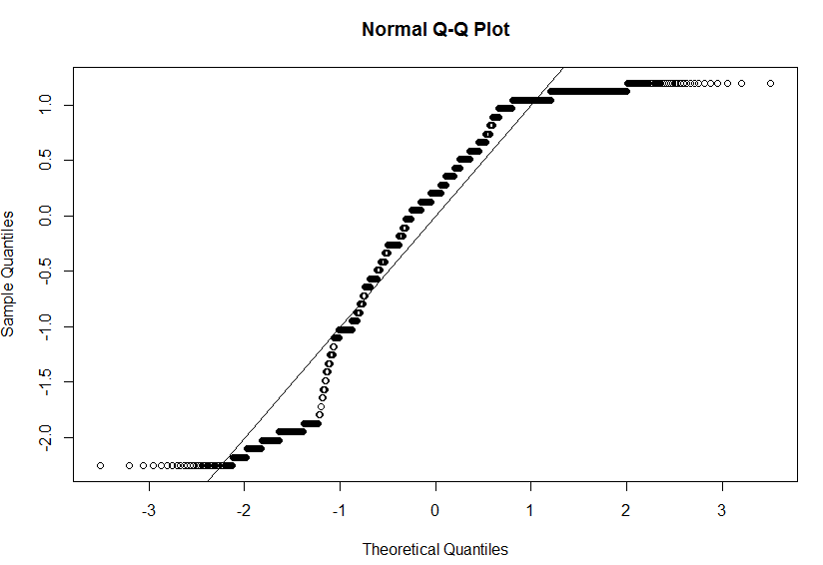
 |  |  | 25 | 24.938998777 | 0.24400489291 | 40 | 40.02603379 | 0.065084476158 |  | 26 | 28.849672087 | 10.960277259 |  | 56 | 49.823875187 | 11.028794309 | 63 | 57.553932732 | 8.6445512184 | 65 | 60.850565966 | 6.3837446677
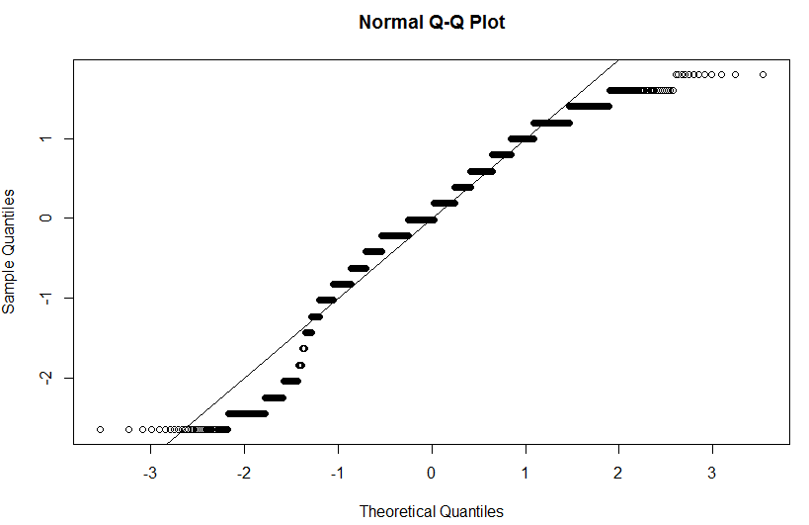
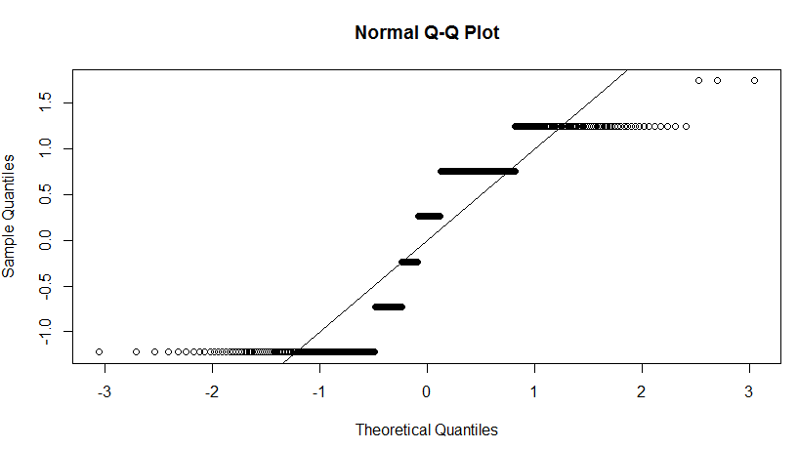
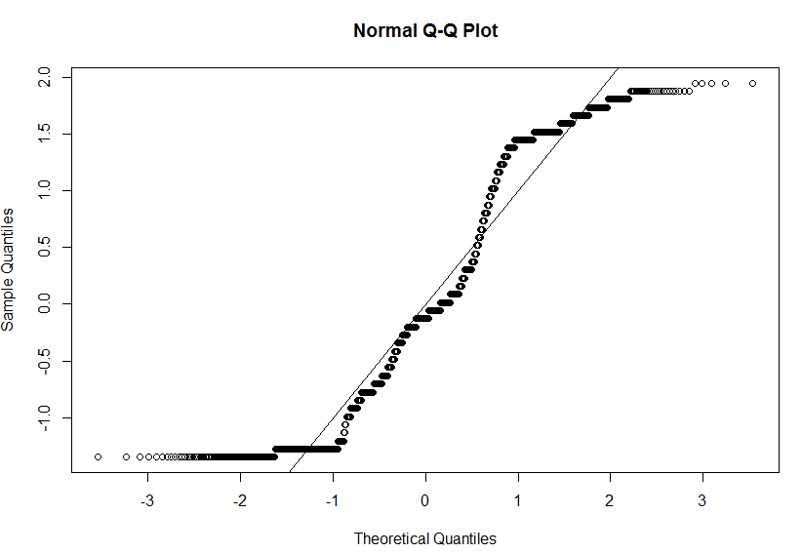
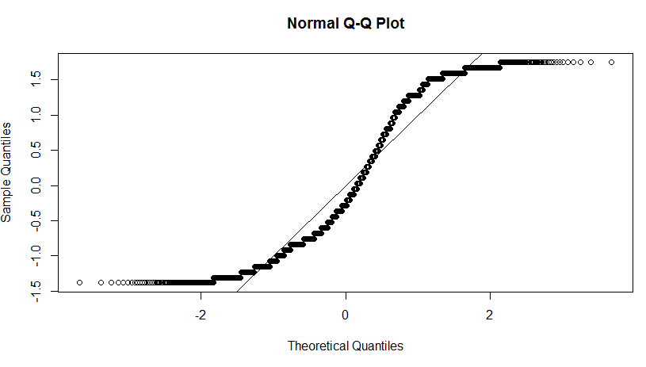
 |  |  | 26 | 25.23031727 | 2.9603181908 | 40 | 40.024790444 | 0.061976111174 |  | 25 | 28.752020926 | 15.008083703 |  | 39 | 53.958626184 | 38.355451755 | 49 | 56.272791789 | 14.842432222 | 65 | 60.608430061 | 6.7562614452
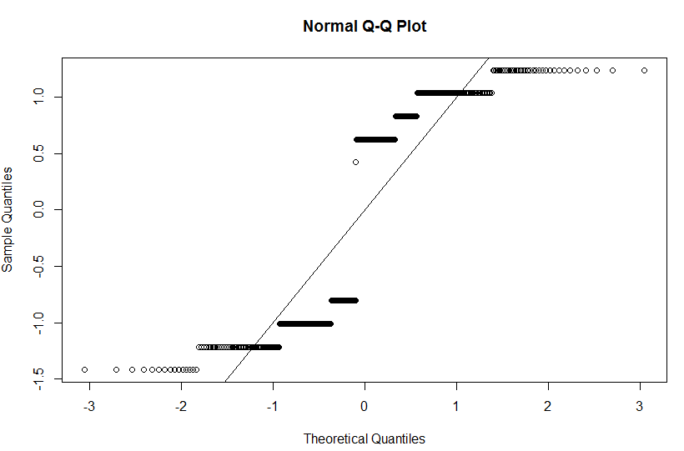
 |  |  | 24 | 24.965214876 | 4.0217286505 | 40 | 40.017462042 | 0.043655105571 |  | 26 | 28.6476253 | 10.183174232 |  | 55 | 49.853201397 | 9.3578156426 | 63 | 57.330431019 | 8.9993158424 | 65 | 60.728372366 | 6.5717348217
 |  |  | 26 | 25.234805826 | 2.9430545169 | 40 | 40.013894694 | 0.034736734491 |  | 25 | 28.552046208 | 14.20818483 |  | 55 | 53.383247575 | 2.9395498642 | 63 | 56.295786027 | 10.641609481 | 65 | 60.543969154 | 6.855432071
 |  |  | 24 | 24.993196351 | 4.1383181275 | 40 | 40.005780383 | 0.014450958344 |  | 26 | 28.452851979 | 9.4340460742 |  | 39 | 49.839536908 | 27.793684379 | 49 | 57.13078729 | 16.593443449 | 65 | 60.624339951 | 6.731784691
 |  |  | 26 | 25.24255057 | 2.9132670397 | 40 | 40.000130731 | 0.00032682757174 |  | 25 | 28.359522629 | 13.438090516 |  | 54 | 52.851614816 | 2.1266392301 | 63 | 56.295690468 | 10.641761162 | 65 | 60.482637425 | 6.9497885771
 |  |  | 25 | 25.021971998 | 0.087887993195 | 40 | 39.991103938 | 0.022240156038 |  | 26 | 28.264773605 | 8.7106677133 |  | 39 | 49.790347667 | 27.66755812 | 49 | 56.950516292 | 16.225543454 | 65 | 60.534864977 | 6.8694384962
 |  |  | 26 | 25.252444836 | 2.8752121691 | 40 | 39.983583152 | 0.041042120423 |  | 25 | 28.17398443 | 12.695937718 |  | 54 | 52.358477157 | 3.0398571162 | 63 | 56.276975738 | 10.671467083 | 65 | 60.424324268 | 7.0395011262
 |  |  | 25 | 25.050853812 | 0.20341524646 | 40 | 39.97356435 | 0.06608912555 |  | 26 | 28.083038818 | 8.0116877623 |  | 38 | 49.711808398 | 30.820548416 | 49 | 56.786035234 | 15.889867824 | 65 | 60.456282598 | 6.9903344648
 |  |  | 26 | 25.263714007 | 2.8318692021 | 40 | 39.964356403 | 0.089108993508 |  | 25 | 27.994747025 | 11.978988099 |  | 53 | 51.899273985 | 2.0768415376 | 63 | 56.243234972 | 10.725023853 | 65 | 60.368816665 | 7.1248974379
 |  |  | 25 | 25.079364265 | 0.31745705804 | 40 | 39.953304326 | 0.11673918477 |  | 26 | 27.907186723 | 7.3353335497 |  | 38 | 49.60906718 | 30.550176788 | 49 | 56.634472968 | 15.580557078 | 65 | 60.386252619 | 7.098072894
 |  |  | 26 | 25.275815389 | 2.7853254255 | 40 | 39.942570191 | 0.14357452339 |  | 26 | 27.821439005 | 7.0055346363 |  | 52 | 51.470052865 | 1.0191291057 | 63 | 56.197376848 | 10.797814527 | 65 | 60.315808598 | 7.2064483103
 |  |  | 25 | 25.107179254 | 0.42871701489 | 40 | 39.930474163 | 0.1738145927 |  | 25 | 27.736954785 | 10.947819141 |  | 38 | 49.4864438 | 30.227483684 | 49 | 56.493520279 | 15.292898529 | 65 | 60.322798146 | 7.1956951605
 |  |  | 26 | 25.288367358 | 2.7370486229 | 40 | 39.918355608 | 0.20411097952 |  | 26 | 27.653724699 | 6.3604796102 |  | 51 | 51.067393216 | 0.13214356046 | 63 | 56.141770918 | 10.886077907 | 65 | 60.265018169 | 7.2845874316
 |  |  | 26 | 25.134084915 | 3.3304426332 | 40 | 39.905228343 | 0.23692914211 |  | 25 | 27.572081687 | 10.288326748 |  | 37 | 49.347581412 | 33.371841654 | 49 | 56.361316479 | 15.023094854 | 64 | 60.264500147 | 5.8367185209
 |  |  | 25 | 25.301099921 | 1.2043996825 | 40 | 39.891851511 | 0.2703712232 |  | 26 | 27.491324502 | 5.7358634687 |  | 51 | 50.688337236 | 0.61110345808 | 63 | 56.078356112 | 10.98673633 | 64 | 60.216147612 | 5.9122693566
 |  |  | 26 | 25.15994576 | 3.2309778478 | 40 | 39.877723196 | 0.30569201112 |  | 25 | 27.41233949 | 9.649357961 |  | 37 | 49.195564576 | 32.960985341 | 49 | 56.236361189 | 14.768084059 | 64 | 60.210231702 | 5.921512966
 |  |  | 24 | 25.313820583 | 5.4742524309 | 40 | 39.863201626 | 0.34199593557 |  | 25 | 27.334005842 | 9.3360233678 |  | 51 | 50.33032843 | 1.31308151 | 63 | 56.008724651 | 11.097262458 | 64 | 60.168936309 | 5.9860370171
 |  |  | 26 | 25.184681579 | 3.1358400793 | 40 | 39.848115187 | 0.37971203183 |  | 25 | 27.257543072 | 9.0301722862 |  | 37 | 49.033012631 | 32.521655758 | 49 | 56.117444492 | 14.525396923 | 64 | 60.159142747 | 6.0013394579
 |  |  | 26 | 25.326390967 | 2.5908039714 | 40 | 39.832552238 | 0.41861940386 |  | 25 | 27.181582679 | 8.7263307148 |  | 50 | 49.991157447 | 0.017685105631 | 63 | 55.934187647 | 11.215575164 | 64 | 60.12314243 | 6.0575899534
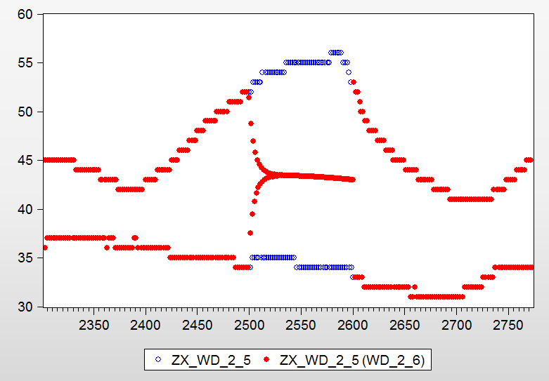
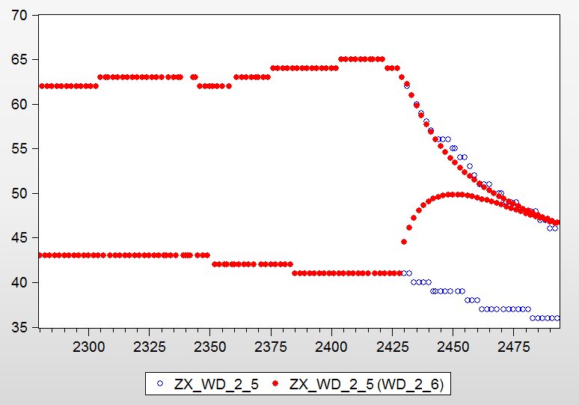
 |  |  | 24 | 25.208250933 | 5.0343788875 | 40 | 39.816559567 | 0.45860108157 |  | 25 | 27.107527448 | 8.4301097902 |  | 37 | 48.862154613 | 32.059877332 | 49 | 56.00359136 | 14.293043592 | 64 | 60.11056822 | 6.0772371556
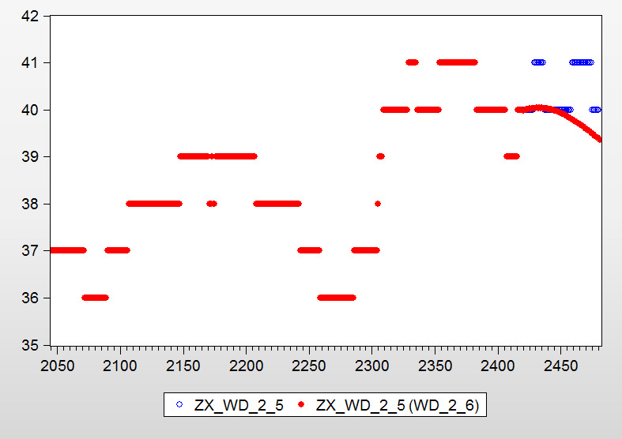
 |  |  | 26 | 25.338710858 | 2.5434197767 | 41 | 39.800050297 | 2.9267065938 |  | 25 | 27.033885346 | 8.1355413856 |  | 50 | 49.668914696 | 0.66217060812 | 63 | 55.855827048 | 11.339957066 | 64 | 60.078557542 | 6.1272538406
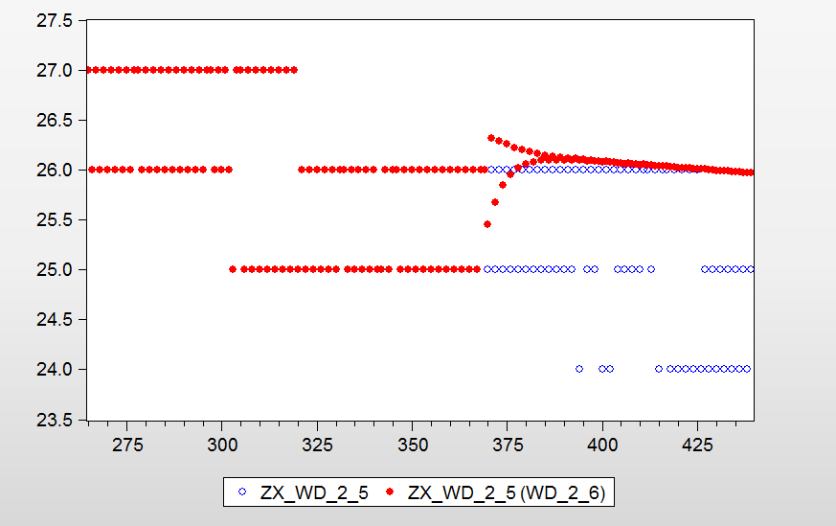
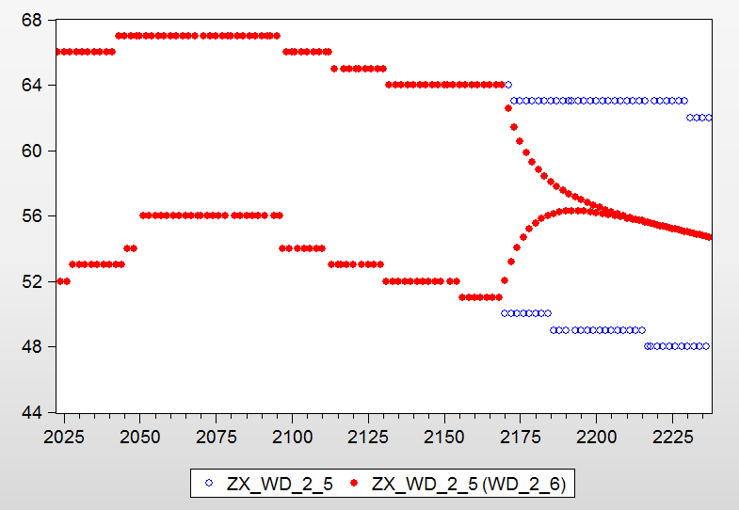
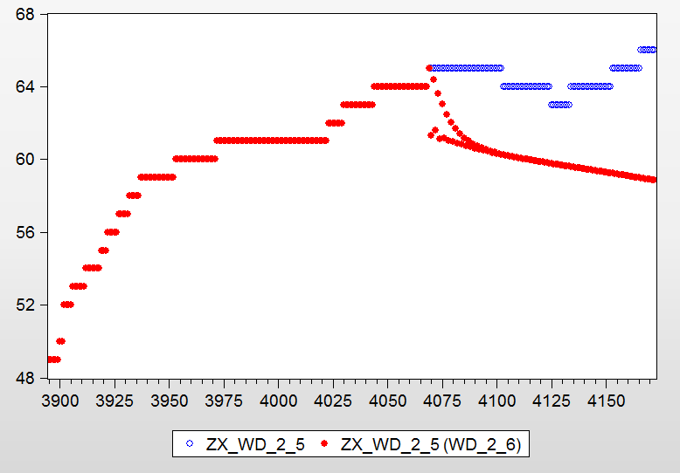
 |  |  | 24 | 25.230639434 | 5.1276643067 | 41 | 39.7832093 | 2.9677821958 |  | 25 | 26.962144504 | 7.848578016 |  | 50 | 48.684890146 | 2.6302197086 | 49 | 55.894017042 | 14.069422535 | 64 | 60.063994307 | 6.1500088952
 |  |  | 26 | 25.350707336 | 2.4972794752 | 41 | 39.765841903 | 3.0101417008 |  | 25 | 26.890768101 | 7.5630724038 |  | 37 | 49.36194906 | 33.410673136 | 63 | 55.774537245 | 11.4689885 | 64 | 60.034998563 | 6.1953147457
 |  |  | 24 | 25.251851494 | 5.2160478902 | 41 | 39.748214233 | 3.0531360173 |  | 25 | 26.821261676 | 7.285046706 |  | 49 | 48.502839455 | 1.014613357 | 49 | 55.788091077 | 13.853247095 | 64 | 60.019018251 | 6.2202839825
 |  |  | 26 | 25.362327353 | 2.4525871035 | 41 | 39.730071131 | 3.0973874854 |  | 25 | 26.75209784 | 7.0083913608 |  | 37 | 49.068832061 | 32.618465031 | 63 | 55.691058625 | 11.601494246 | 64 | 59.992309149 | 6.2620169549
 |  |  | 24 | 25.271904521 | 5.2996021705 | 41 | 39.711720452 | 3.1421452392 |  | 25 | 26.684754707 | 6.7390188263 |  | 49 | 48.317384852 | 1.3930921397 | 49 | 55.685308151 | 13.643486023 | 64 | 59.975324305 | 6.2885557737
 |  |  | 26 | 25.373532617 | 2.4094899359 | 41 | 39.692879102 | 3.1880997508 |  | 25 | 26.61775005 | 6.4710001988 |  | 37 | 48.788326817 | 31.86034275 | 63 | 55.606004815 | 11.736500293 | 64 | 59.950355036 | 6.3275702567
 |  |  | 24 | 25.290824839 | 5.3784368271 | 41 | 39.673869774 | 3.2344639655 |  | 25 | 26.552505383 | 6.2100215339 |  | 49 | 48.129705403 | 1.7761114229 | 48 | 55.585264437 | 15.802634243 | 64 | 59.932662979 | 6.3552140948
 |  |  | 25 | 25.384296035 | 1.5371841399 | 41 | 39.65440327 | 3.281943245 |  | 25 | 26.487606898 | 5.9504275908 |  | 37 | 48.519361212 | 31.13340868 | 48 | 55.519884894 | 15.666426862 | 64 | 59.909022032 | 6.3921530754
 |  |  | 24 | 25.308644811 | 5.4526867119 | 41 | 39.634799364 | 3.3297576476 |  | 25 | 26.424400791 | 5.6976031655 |  | 48 | 47.940806109 | 0.12332060699 | 63 | 55.487638332 | 11.924383599 | 64 | 59.890836294 | 6.4205682902
 |  |  | 25 | 25.394599194 | 1.5783967776 | 41 | 39.614776878 | 3.3785929805 |  | 25 | 26.361555778 | 5.4462231108 |  | 37 | 48.261004734 | 30.43514793 | 48 | 55.433121554 | 15.485669905 | 64 | 59.868212778 | 6.4559175341
 |  |  | 24 | 25.32540081 | 5.5225033762 | 41 | 39.594641449 | 3.4277037841 |  | 25 | 26.300331823 | 5.2013272905 |  | 48 | 47.751542584 | 0.51761961614 | 63 | 55.392174776 | 12.075913055 | 64 | 59.849686139 | 6.4848654082
 |  |  | 25 | 25.404430536 | 1.6177221456 | 41 | 39.574128562 | 3.4777352154 |  | 25 | 26.239488195 | 4.9579527782 |  | 37 | 48.012448514 | 29.763374363 | 48 | 55.346066011 | 15.30430419 | 64 | 59.827844424 | 6.5189930876
 |  |  | 24 | 25.341131769 | 5.5880490381 | 41 | 39.553523106 | 3.5279924233 |  | 25 | 26.180193139 | 4.7207725553 |  | 48 | 47.562642037 | 0.91116242218 | 63 | 55.298672447 | 12.224329449 | 64 | 59.809085495 | 6.5483039139
 |  |  | 25 | 25.413784005 | 1.6551360188 | 41 | 39.532582055 | 3.5790681587 |  | 25 | 26.121299874 | 4.4851994974 |  | 36 | 47.772988127 | 32.702744798 | 48 | 55.259010239 | 15.122937998 | 64 | 59.78784628 | 6.5814901873
 |  |  | 24 | 25.355878141 | 5.6494922522 | 41 | 39.511566134 | 3.6303265023 |  | 25 | 26.063883243 | 4.2555329722 |  | 48 | 47.374721161 | 1.3026642476 | 63 | 55.206973337 | 12.369883592 | 63 | 59.76893165 | 5.1286799204
 |  |  | 25 | 25.422658014 | 1.6906320552 | 40 | 39.490255994 | 1.2743600157 |  | 25 | 26.006890614 | 4.0275624572 |  | 36 | 47.542008797 | 32.061135548 | 48 | 55.172197049 | 14.942077185 | 63 | 59.748157931 | 5.1616540773
 |  |  | 24 | 25.369681145 | 5.7070047724 | 40 | 39.46888696 | 1.3277826006 |  | 25 | 25.95130447 | 3.8052178787 |  | 47 | 47.188301442 | 0.4006413656 | 63 | 55.116954228 | 12.512771067 | 63 | 59.729140972 | 5.1918397276
 |  |  | 25 | 25.43105464 | 1.7242185612 | 40 | 39.447263791 | 1.3818405215 |  | 24 | 25.896164262 | 7.900684427 |  | 36 | 47.318972671 | 31.441590753 | 48 | 55.085828389 | 14.762142478 | 63 | 59.708727562 | 5.2242419648
 |  |  | 24 | 25.382582221 | 5.7607592549 | 40 | 39.425596608 | 1.4360084795 |  | 25 | 25.842363045 | 3.3694521784 |  | 47 | 47.003822286 | 0.0081325227225 | 63 | 55.028519756 | 12.653143245 | 63 | 59.689644868 | 5.2545319555
 |  |  | 25 | 25.438978972 | 1.7559158895 | 40 | 39.403713574 | 1.4907160655 |  | 24 | 25.789028718 | 7.4542863232 |  | 36 | 47.103407887 | 30.842799687 | 48 | 55.000072195 | 14.583483739 | 63 | 59.669510577 | 5.2864911469
 |  |  |  |  |  | 40 | 39.381800702 | 1.5454982439 |  | 25 | 25.736969084 | 2.9478763371 |  | 46 | 46.821652298 | 1.7862006486 | 62 | 54.941596754 | 11.384521365 | 63 | 59.650386654 | 5.3168465804
 |  |  |  |  |  |  |  |  |  | 24 | 25.68539582 | 7.0224825834 |  | 36 | 46.894899181 | 30.263608837 | 48 | 54.915068036 | 14.406391742 | 63 | 59.630468432 | 5.3484628063
 |  |  |  |  |  |  |  |  |  | 25 | 25.63503647 | 2.5401458801 |  | 46 | 46.642098992 | 1.3958673734 | 62 | 54.856129648 | 11.522371536 | 63 | 59.611319116 | 5.3788585461

 |  |  |  |  |  |  |  |  |  | 25 | 25.441228617 | 1.7649144683 |  |  |  |  | 62 | 54.68940705 | 11.791278952 | 64 | 59.533603579 | 6.9787444081
 |  |  |  |  |  |  |  |  |  | 24 | 25.394686683 | 5.8111945108 |  |  |  |  |  |  |  | 64 | 59.514077133 | 7.0092544794
 |  |  |  |  |  |  |  |  |  | 24 | 25.349198301 | 5.6216595874 |  |  |  |  |  |  |  | 64 | 59.494893391 | 7.039229077
 |  |  |  |  |  |  |  |  |  | 24 | 25.304254894 | 5.4343953912 |  |  |  |  |  |  |  | 64 | 59.475439282 | 7.0696261213
 |  |  |  |  |  |  |  |  |  | 24 | 25.260318705 | 5.2513279373 |  |  |  |  |  |  |  | 64 | 59.456247421 | 7.099613404
 |  |  |  |  |  |  |  |  |  | 24 | 25.216937002 | 5.0705708407 |  |  |  |  |  |  |  | 64 | 59.436845626 | 7.1299287097
 |  |  |  |  |  |  |  |  |  | 24 | 25.174519491 | 4.8938312129 |  |  |  |  |  |  |  | 64 | 59.417644335 | 7.1599307262
 |  |  |  |  |  |  |  |  |  |  |  |  |  |  |  |  |  |  |  | 64 | 59.398278478 | 7.1901898774
 |  |  |  |  |  |  |  |  |  |  |  |  |  |  |  |  |  |  |  | 64 | 59.379065514 | 7.220210135
 |  |  |  |  |  |  |  |  |  |  |  |  |  |  |  |  |  |  |  | 64 | 59.359722068 | 7.2504342686
 |  |  |  |  |  |  |  |  |  |  |  |  |  |  |  |  |  |  |  | 64 | 59.340494602 | 7.2804771845
 |  |  |  |  |  |  |  |  |  |  |  |  |  |  |  |  |  |  |  | 64 | 59.321162275 | 7.3106839446
 |  |  |  |  |  |  |  |  |  |  |  |  |  |  |  |  |  |  |  | 64 | 59.301917148 | 7.3407544568
 |  |  |  |  |  |  |  |  |  |  |  |  |  |  |  |  |  |  |  | 64 | 59.282586418 | 7.3709587218
 |  |  |  |  |  |  |  |  |  |  |  |  |  |  |  |  |  |  |  | 64 | 59.26332031 | 7.4010620155
分析 |  |  |  |  |  |  |  |  |  | 24 | 25.585181179 | 6.6049215779 |  | 36 | 46.693079827 | 29.702999518 | 48 | 54.830931793 | 14.231107903 | 64 | 59.591567664 | 6.8881755248
1 | 在数据集密集的时间序列中，数据有服从正太分布的趋势 |  |  |  |  |  |  |  |  | 25 | 25.536482687 | 2.1459307491 |  |  |  |  | 62 | 54.772076715 | 11.657940782 | 64 | 59.57240261 | 6.9181209225
2 | 当数据有密集性跳变，数据呈现两条变化曲线，预测值会从两个曲线慢慢汇集 |  |  |  |  |  |  |  |  | 24 | 25.488303967 | 6.2012665308 |  |  |  |  | 48 | 54.747759521 | 14.057832335 | 64 | 59.552779089 | 6.9487826734
 |  |  |  |  |  |  |  |  |  |  |  |  |  |  |  |  |  |  |  | 65 | 59.18602382 | 8.944578738
 |  |  |  |  |  |  |  |  |  |  |  |  |  |  |  |  |  |  |  | 65 | 59.166653587 | 8.9743790963
结论 |  |  |  |  |  |  |  |  |  |  |  |  |  |  |  |  |  |  |  | 65 | 59.14730465 | 9.0041466922
1 | 二轴5位正常数据跳变厉害 |  |  |  |  |  |  |  |  |  |  |  |  |  |  |  |  |  |  | 65 | 59.127909633 | 9.0339851797
 |  |  |  |  |  |  |  |  |  |  |  |  |  |  |  |  |  |  |  | 65 | 59.108526778 | 9.0638049573
 |  |  |  |  |  |  |  |  |  |  |  |  |  |  |  |  |  |  |  | 65 | 59.089102346 | 9.093688698
 |  |  |  |  |  |  |  |  |  |  |  |  |  |  |  |  |  |  |  | 65 | 59.069682665 | 9.1235651311
 |  |  |  |  |  |  |  |  |  |  |  |  |  |  |  |  |  |  |  | 65 | 59.050224727 | 9.1535004206
 |  |  |  |  |  |  |  |  |  |  |  |  |  |  |  |  |  |  |  | 65 | 59.030765483 | 9.1834377181
 |  |  |  |  |  |  |  |  |  |  |  |  |  |  |  |  |  |  |  | 65 | 59.011270405 | 9.2134301461
 |  |  |  |  |  |  |  |  |  |  |  |  |  |  |  |  |  |  |  | 65 | 58.991769041 | 9.243432244
 |  |  |  |  |  |  |  |  |  |  |  |  |  |  |  |  |  |  |  | 66 | 58.972233585 | 10.648130932
 |  |  |  |  |  |  |  |  |  |  |  |  |  |  |  |  |  |  |  | 66 | 58.95268772 | 10.677745878
 |  |  |  |  |  |  |  |  |  |  |  |  |  |  |  |  |  |  |  | 66 | 58.933108991 | 10.70741062
 |  |  |  |  |  |  |  |  |  |  |  |  |  |  |  |  |  |  |  | 66 | 58.913516419 | 10.737096334
 |  |  |  |  |  |  |  |  |  |  |  |  |  |  |  |  |  |  |  | 66 | 58.893891823 | 10.766830571
 |  |  |  |  |  |  |  |  |  |  |  |  |  |  |  |  |  |  |  | 66 | 58.874250509 | 10.796590138
 |  |  |  |  |  |  |  |  |  |  |  |  |  |  |  |  |  |  |  | 66 | 58.85457772 | 10.826397395

多车温度变化曲线2-to teacher
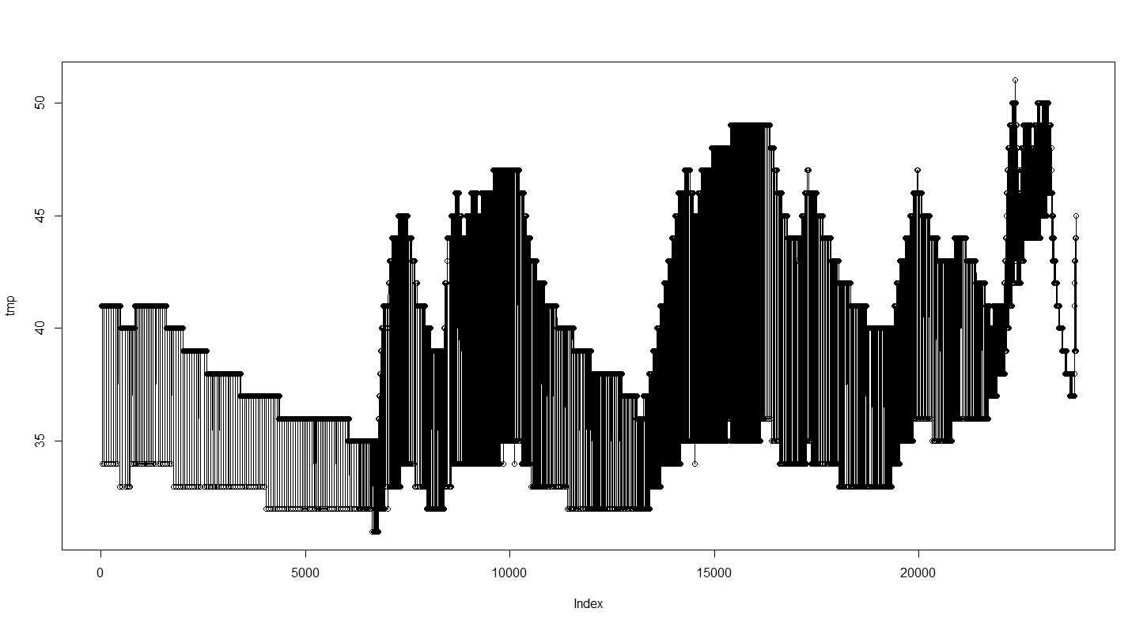
结论： | 1 | 经过多辆车的不同轴，不同轴位的温度变化发现，基本所有位的温度都有跳变。且有的跳变特别厉害，对于10度。
 | 2 | 不同轴的同一点位温度变化曲线基本一致。
 | 3 | 挑选跳变厉害的轴位点温度，比较环温、车速，没有找到跳变的原因，跳变是一个普遍的现象。应该不是sensor故障

data.nob.231.6095.0814.allAxisTemp[,3]
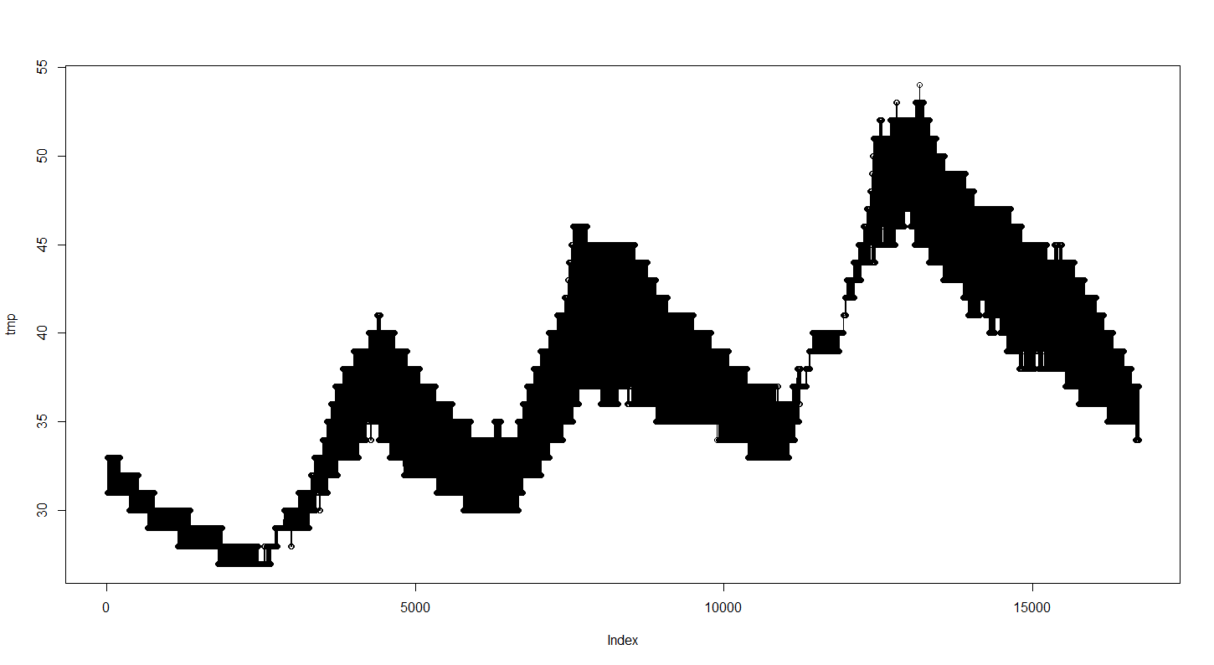

data.nob.231.6073.0816.allAxisTemp[,6]

