ERD
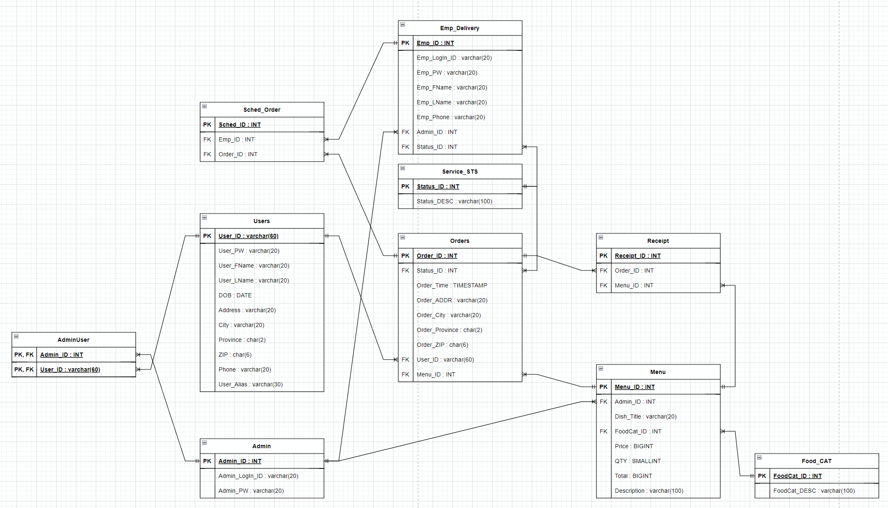
Step 05 - ERD
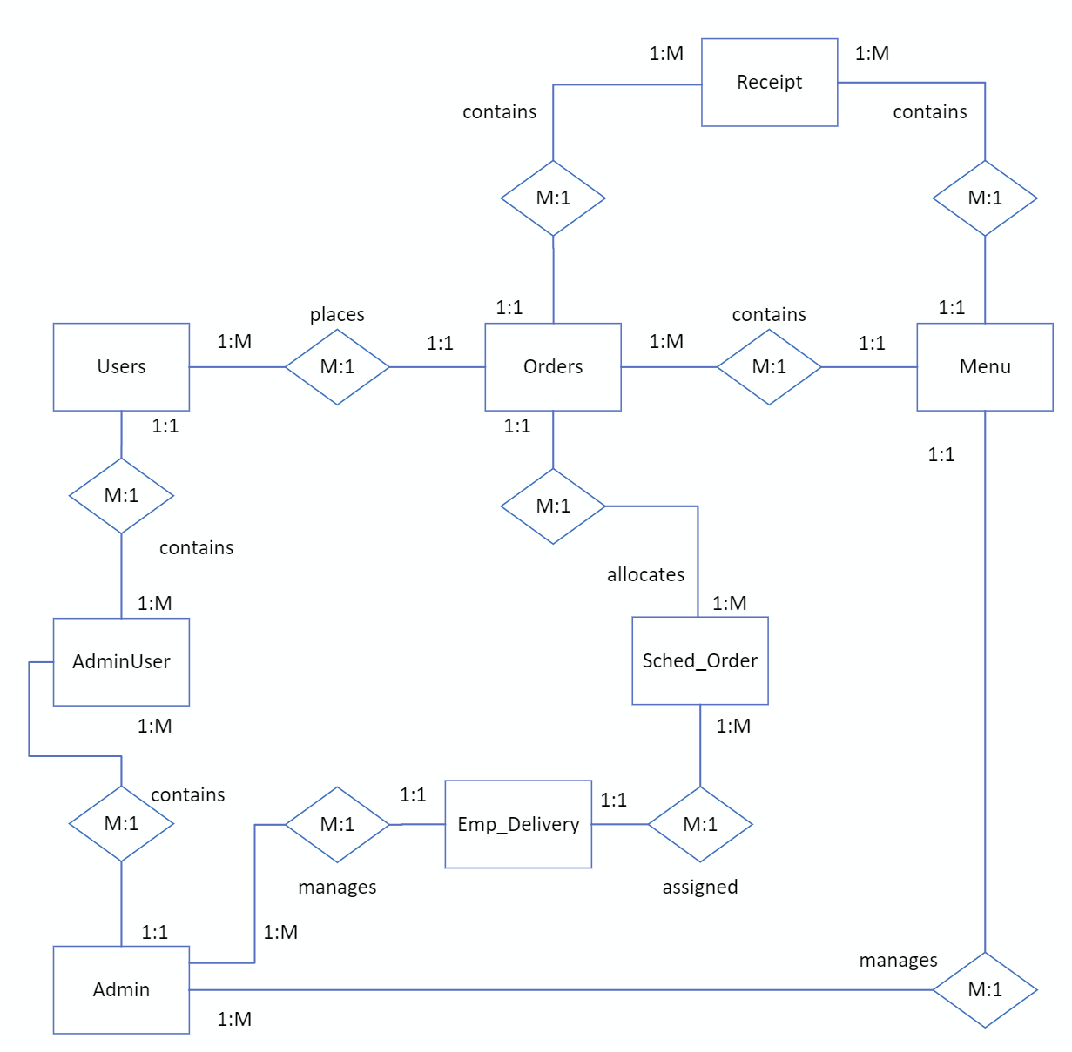

R1 (Users : Orders = M:1) -> User places one order or many orders. / An order is placed by a user. R2 (Order : Menu = M:1) -> An order contains one or many menus. / A menu is contained within an order. R3 (Order : Receipt = M:1) -> A receipt contains one or many orders. / An order is contained within a receipt. R4 (Receipt : Menu = M:1) -> A receipt contains one or many menus. / A menu is contained within a receipt. R5 (Sched_Order : Order = M:1) -> A schedule of orders allocates one or more orders to a delivery service. / An order is scheduled for a delivery service. R6 (Sched_Order : Emp_Delivery = M:1) -> A schedule of orders allocates one or more employees for delivery to a delivery service. / An employee is scheduled for a delivery service. R7 (Admin : Emp_Delivery = M:1) -> An admin manages one or many employees for delivery service. / An employee is managed by an admin. R8 (Admin : Menu = M:1) -> An admin manages one or many menus. / A menu is managed by an admin. R9 (Admin : AdminUser = 1:M) -> An admin is managed within the AdminUser management table, which maps and manages the relationship between Admin and User. / The AdminUser table contains one or many Admins. R10 (AdminUser : Users = M:1) -> A user is managed within the AdminUser management table, which maps and manages the relationship between Admin and User. / The AdminUser table contains one or many Users.

