Buchanan2009
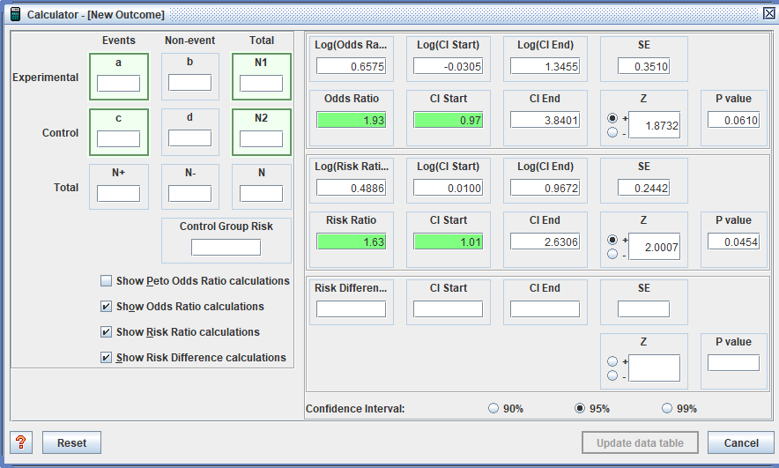
Extracter: Jeff
2-arm trial between Intervention and TAU

p4
RR | Table 2 | Survival with intact immunity RR | 95% low CI | 95% high CI | No. of Participants in each group | v
Intervention |  | 1.63 | 1.01 | 2.61 | 26
TAU |  |  |  |  | 16

p4
RR | Table 2 | Undetectable viral load RR | 95% low CI | 95% high CI | No. of Participants in each group
Intervention |  | 1.93 | 0.97 | 3.84 | 17
TAU |  |  |  |  | 9

Hurlburt1996
The a paper doesn't present a case management overall effect.
The b paper does
I ignore the section 8 arm as it is not case management
Gen inv
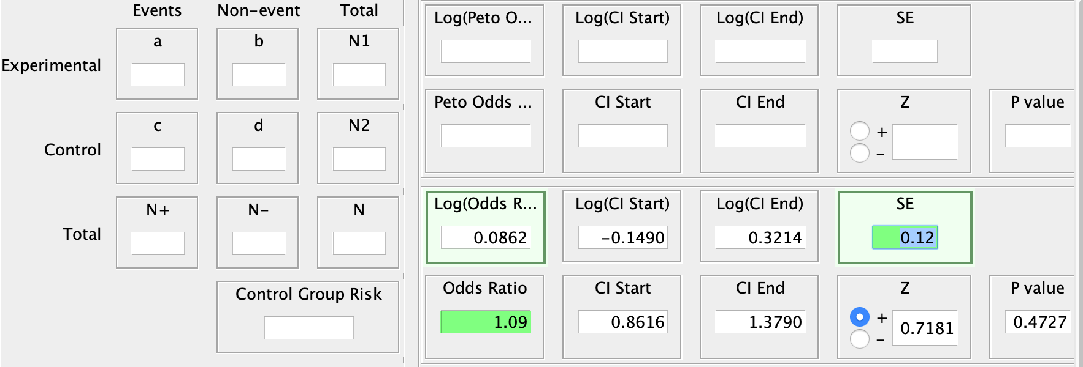
24m
Table 4
TE
0.0862
seTE
0.12

Kidd2020
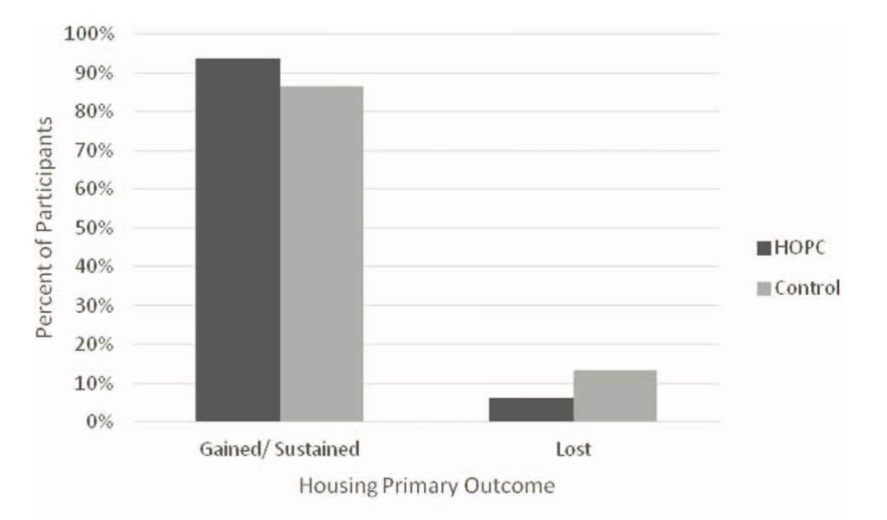
Transitional case management is UC
Taking from images, see other sheets for other images
Housing gained
Control |  | High is good
Intervention | Control
0.94 | 0.87
events | events
28.2 | 24.36
n
30 | 28
 |  |  |  |  | 100%
 |  |  |  |  | 99%
 |  |  |  |  | 98%
 |  |  |  |  | 97%
 |  |  |  |  | 96%
 |  |  |  |  | 95%
 |  |  | 94% |  | 94%
 |  |  |  |  | 93%
Mental health |  |  |  |  | 92%
Control |  |  |  |  | 91%
Intervention | Control |  |  |  | 90%
0.90 | 0.73 |  |  |  | 89%
events | events |  |  |  | 88%
27 | 20.44 |  | 87% |  | 87%
n |  |  |  |  | 86%
30 | 28 |  |  |  | 85%
 |  |  |  |  | 84%
 |  |  |  |  | 83%
Mental health |  |  |  |  | 82%
Control |  |  |  |  | 81%
Intervention | Control |  |  |  | 80%
0.81 | 0.63 |  |  |  | 79%
events | events |  |  |  | 78%
24.3 | 17.64 |  |  |  | 77%
n |  |  |  |  | 76%
30 | 28 |  |  |  | 75%
 |  |  |  |  | 74%
 |  |  |  |  | 73%
 |  |  |  |  | 72%
 |  |  |  |  | 71%
 |  |  |  |  | 70%
 |  |  |  |  | 69%
 |  |  |  |  | 68%
 |  |  |  |  | 67%
 |  |  |  |  | 66%
 |  |  |  |  | 65%
 |  |  |  |  | 64%
 |  |  |  |  | 63%
 |  |  |  |  | 62%
 |  |  |  |  | 61%
 |  |  |  |  | 60%
 |  |  |  |  | 59%
 |  |  |  |  | 58%
 |  |  |  |  | 57%
 |  |  |  |  | 56%
 |  |  |  |  | 55%
 |  |  |  |  | 54%
 |  |  |  |  | 53%
 |  |  |  |  | 52%
 |  |  |  |  | 51%
 |  |  |  |  | 50%
 |  |  |  |  | 49%
 |  |  |  |  | 48%
 |  |  |  |  | 47%
 |  |  |  |  | 46%
 |  |  |  |  | 45%
 |  |  |  |  | 44%
 |  |  |  |  | 43%
 |  |  |  |  | 42%
 |  |  |  |  | 41%
 |  |  |  |  | 40%
 |  |  |  |  | 39%
 |  |  |  |  | 38%
 |  |  |  |  | 37%
 |  |  |  |  | 36%
 |  |  |  |  | 35%
 |  |  |  |  | 34%
 |  |  |  |  | 33%
 |  |  |  |  | 32%
 |  |  |  |  | 31%
 |  |  |  |  | 30%
 |  |  |  |  | 29%
 |  |  |  |  | 28%
 |  |  |  |  | 27%
 |  |  |  |  | 26%
 |  |  |  |  | 25%
 |  |  |  |  | 24%
 |  |  |  |  | 23%
 |  |  |  |  | 22%
 |  |  |  |  | 21%
 |  |  |  |  | 20%
 |  |  |  |  | 19%
 |  |  |  |  | 18%
 |  |  |  |  | 17%
 |  |  |  |  | 16%
 |  |  |  |  | 15%
 |  |  |  |  | 14%
 |  |  |  | 13% | 13%
 |  |  |  |  | 12%
 |  |  |  |  | 11%
 |  |  |  |  | 10%
 |  |  |  |  | 9%
 |  |  |  |  | 8%
 |  |  |  |  | 7%
 |  |  |  | 6% | 6%
 |  |  |  |  | 5%
 |  |  |  |  | 4%
 |  |  |  |  | 3%
 |  |  |  |  | 2%
 |  |  |  |  | 1%

Kidd2020a
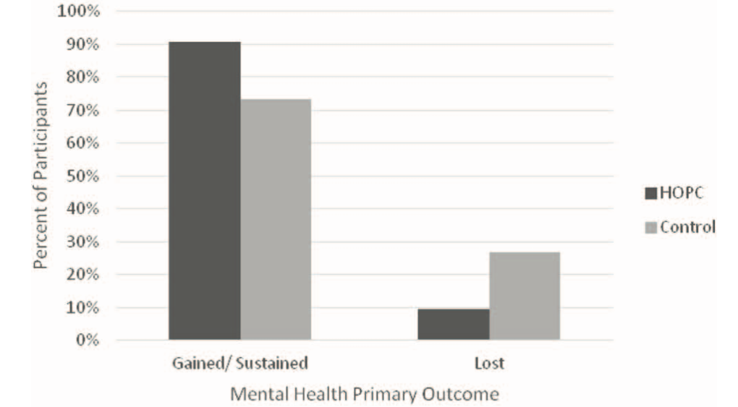

 | 100%
 | 99%
 | 98%
 | 97%
 | 96%
 | 95%
 | 94%
 | 93%
 | 92%
 | 91%
90% | 90%
 | 89%
 | 88%
 | 87%
 | 86%
 | 85%
 | 84%
 | 83%
 | 82%
 | 81%
 | 80%
 | 79%
 | 78%
 | 77%
 | 76%
 | 75%
 | 74%
73% | 73%
 | 72%
 | 71%
 | 70%
 | 69%
 | 68%
 | 67%
 | 66%
 | 65%
 | 64%
 | 63%
 | 62%
 | 61%
 | 60%
 | 59%
 | 58%
 | 57%
 | 56%
 | 55%
 | 54%
 | 53%
 | 52%
 | 51%
 | 50%
 | 49%
 | 48%
 | 47%
 | 46%
 | 45%
 | 44%
 | 43%
 | 42%
 | 41%
 | 40%
 | 39%
 | 38%
 | 37%
 | 36%
 | 35%
 | 34%
 | 33%
 | 32%
 | 31%
 | 30%
 | 29%
 | 28%
 | 27%
 | 26%
 | 25%
 | 24%
 | 23%
 | 22%
 | 21%
 | 20%
 | 19%
 | 18%
 | 17%
 | 16%
 | 15%
 | 14%
 | 13%
 | 12%
 | 11%
 | 10%
 | 9%
 | 8%
 | 7%
 | 6%
 | 5%
 | 4%
 | 3%
 | 2%
 | 1%
 | 0%

Kidd2020b
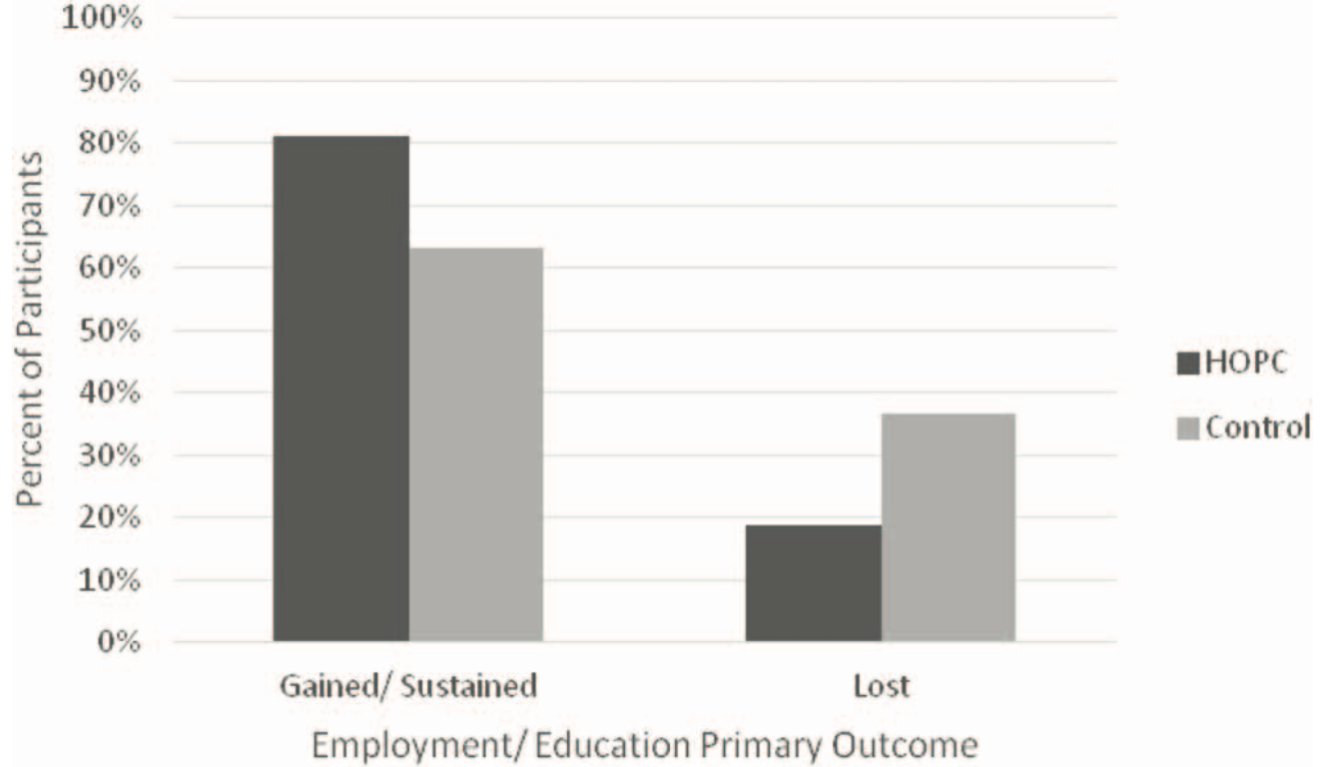

 | 100%
 | 99%
 | 98%
 | 97%
 | 96%
 | 95%
 | 94%
 | 93%
 | 92%
 | 91%
 | 90%
 | 89%
 | 88%
 | 87%
 | 86%
 | 85%
 | 84%
 | 83%
 | 82%
81% | 81%
 | 80%
 | 79%
 | 78%
 | 77%
 | 76%
 | 75%
 | 74%
 | 73%
 | 72%
 | 71%
 | 70%
 | 69%
 | 68%
 | 67%
 | 66%
 | 65%
 | 64%
63% | 63%
 | 62%
 | 61%
 | 60%
 | 59%
 | 58%
 | 57%
 | 56%
 | 55%
 | 54%
 | 53%
 | 52%
 | 51%
 | 50%
 | 49%
 | 48%
 | 47%
 | 46%
 | 45%
 | 44%
 | 43%
 | 42%
 | 41%
 | 40%
 | 39%
 | 38%
 | 37%
 | 36%
 | 35%
 | 34%
 | 33%
 | 32%
 | 31%
 | 30%
 | 29%
 | 28%
 | 27%
 | 26%
 | 25%
 | 24%
 | 23%
 | 22%
 | 21%
 | 20%
 | 19%
 | 18%
 | 17%
 | 16%
 | 15%
 | 14%
 | 13%
 | 12%
 | 11%
 | 10%
 | 9%
 | 8%
 | 7%
 | 6%
 | 5%
 | 4%
 | 3%
 | 2%
 | 1%
 | 0%

Tomita2012
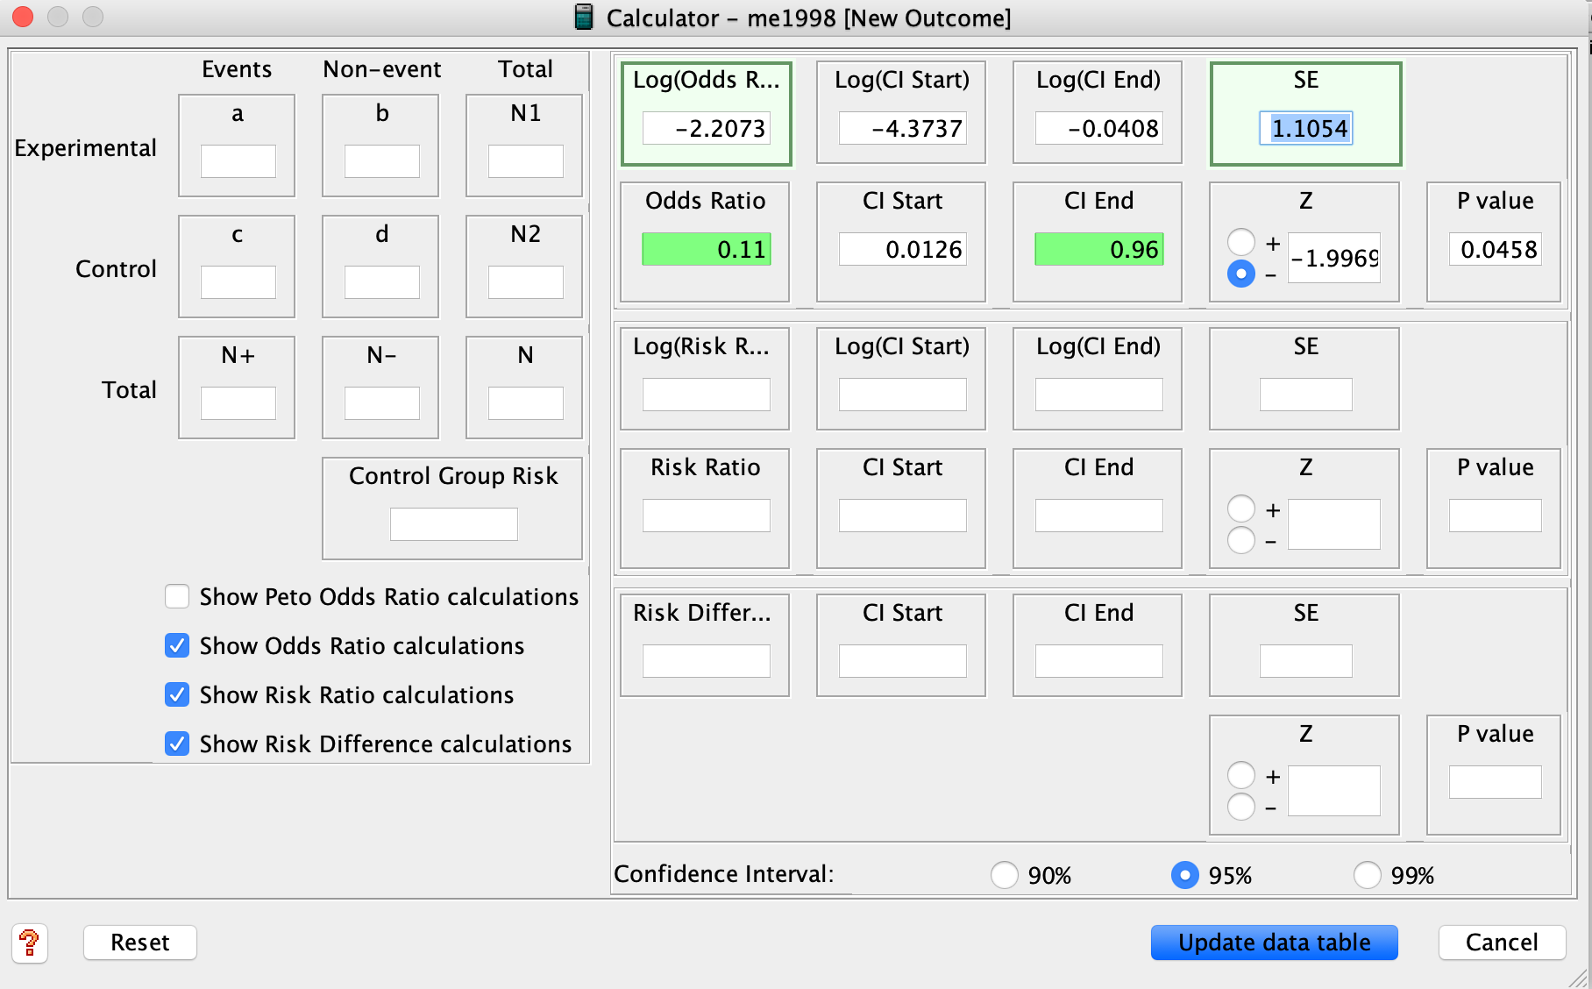
OR contributing to geninv
log odds from revman
-2.2073
SE from revman
1.1054

