Google maps
Thank you

3000+ Google Maps Citations (Point Marker)

Proof | Live URL's - | Status | Done

Google Maps | https://www.google.com/maps/d/edit?mid=1YLnx2L_S-3XgcMAtJJTuOP0hPAjnlio&usp=sharing | Live
https://prnt.sc/PnUbgN7wrDcU |  | Live
https://prnt.sc/aaYz8C3xOIr4
https://prnt.sc/y7WPgqArYFse

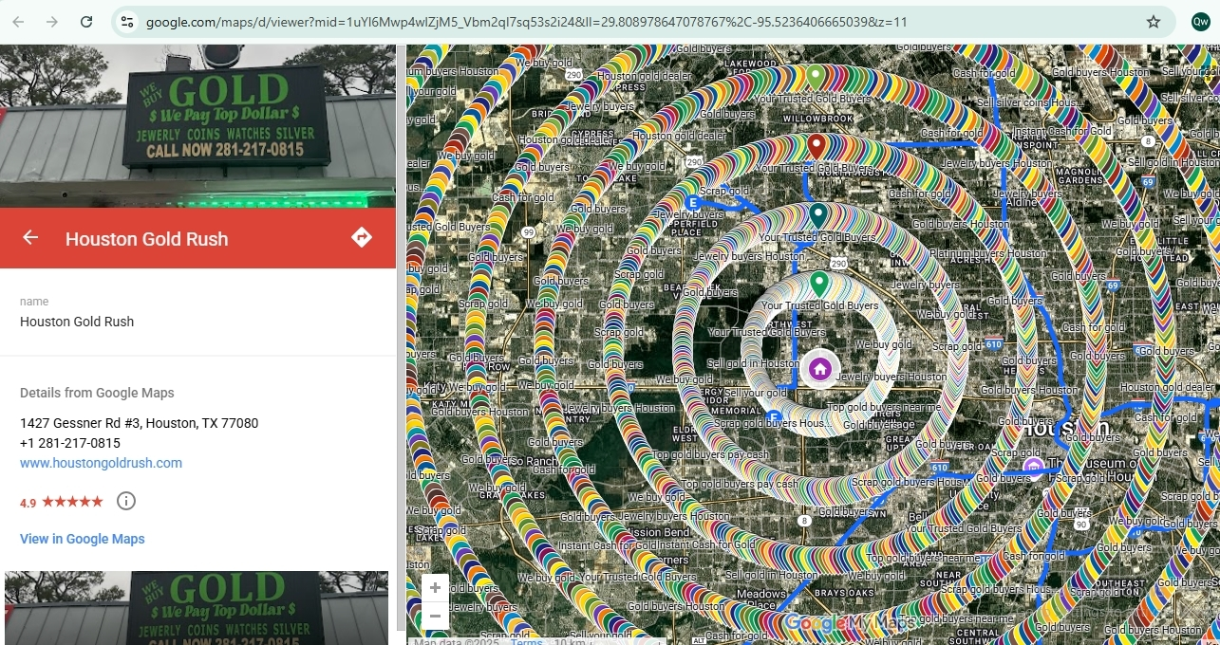
https://gyazo.com/4f961456adfd37c20ada8c112d609427

