Market Data
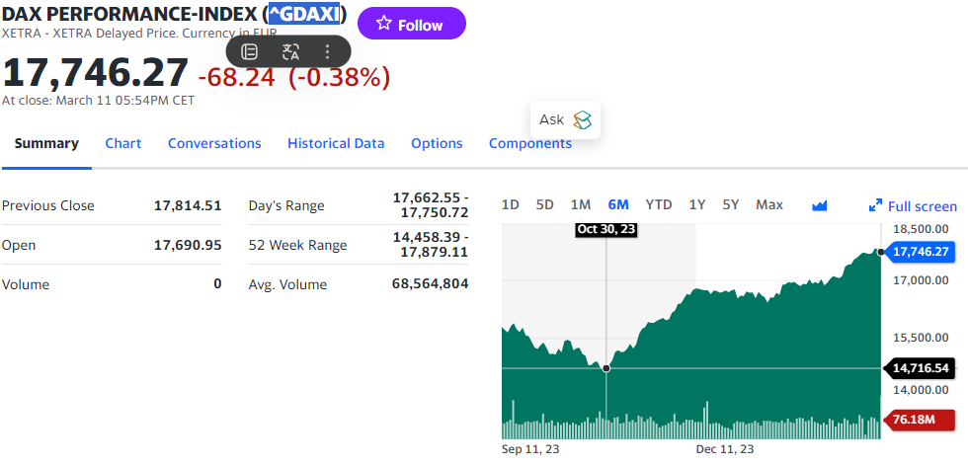
DATE | 2024-03-10T00:00:00
DOWJONES | 38692
SP500 | 5120.71
NASDAQ100 | 17997
NASDAQ
RUSSEL2000
FTSE100 | 7660
FTSEALL
DAX | 17815
CAC40 | 8028
FTSEMIB | 33404
IBEX35 | 10306
MICEX | 3316
AEX | 862
BIST100 | 9155
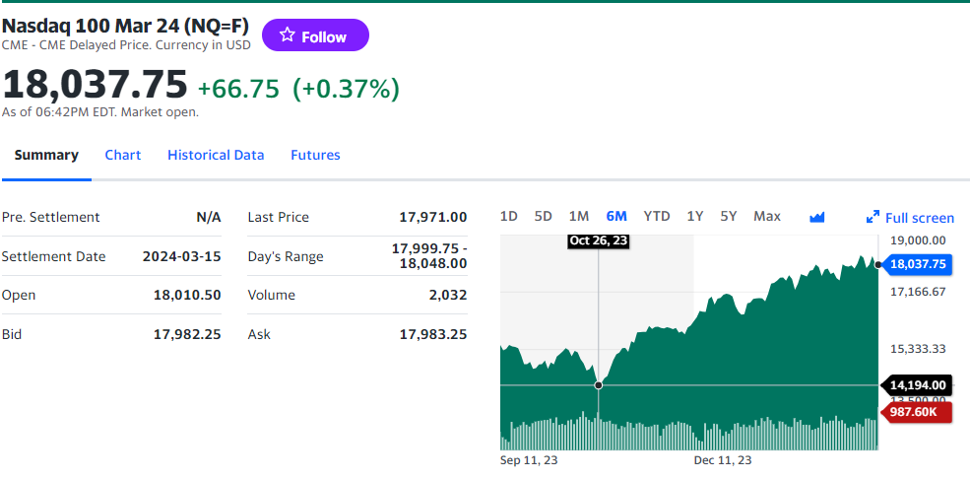
SMI | 11647
OMXS30 | 2488
ISEQ | 9678
LUXX | 1477
EUROSTOXX50 | 4961
EURONEXT100 | 1487
TORONTOTSX | 21738
IBOVESPA | 127071
IPCMEXICO | 54936
NIKKEI225 | 38972
SHANGHAI | 3046
CSI300 | 3545
SHANGHAI50 | 2426
SENSEX | 74119
TAIEX | 19785
STI | 3147
TA100
DUBAIFMGI | 4253
ASX200 | 7746
NZX50 | 11924
NSEASI | 101331
JALSHASI | 73718
JSE40 | 67298
EGX30 | 32920
CFG25 | 12907
NAIROBI20 | 1556
DSEI | 1767
TUN | 8708
GGSECI | 3336
GABORONE | 9057
NSX | 1550
SEMDEX | 2064
2024-03-10T00:00:00 | NGX Industrial Index
2024-03-10T00:00:00 | NGX Insurance Index
2024-03-10T00:00:00 | NGX Lotus Islamic Index
2024-03-10T00:00:00 | NGX Main-Board Index
2024-03-10T00:00:00 | NGX MERI GROWTH INDEX
2024-03-10T00:00:00 | NGX MERI VALUE INDEX
2024-03-10T00:00:00 | NGX Oil/Gas Index
2024-03-10T00:00:00 | NGX Pension Broad Index
2024-03-10T00:00:00 | NGX PENSION INDEX
2024-03-10T00:00:00 | NGX Premium Index
2024-03-10T00:00:00 | NGX Sovereign Bond Index
2024-03-10T00:00:00 | FBN HERITAGE FUND
2024-03-10T00:00:00 | FBN FIXED INCOME FUND
2024-03-10T00:00:00 | FBN MONEY MARKET FUND
2024-03-10T00:00:00 | THE FRONTIER FUND
2024-03-10T00:00:00 | FSDH CORAL GROWTH FUND
2024-03-10T00:00:00 | FSDH CORAL INCOME FUND
2024-03-10T00:00:00 | ABACUS MONEY MARKET FUND
2024-03-10T00:00:00 | VANTAGE BALANCED FUND
2024-03-10T00:00:00 | VANTAGE GUARANTEED INCOME FUND
2024-03-10T00:00:00 | LEGACY DEBT FUND
2024-03-10T00:00:00 | LEGACY EQUITY FUND
2024-03-10T00:00:00 | LEGACY MONEY MARKET FUND
2024-03-10T00:00:00 | LEGACY USD BOND FUND
2024-03-10T00:00:00 | SFS FIXED INCOME FUND
2024-03-10T00:00:00 | UNITED CAPITAL BOND FUND
2024-03-10T00:00:00 | UNITED CAPITAL BALANCED FUND
2024-03-10T00:00:00 | UNITED CAPITAL EUROBOND FUND
2024-03-10T00:00:00 | UNITED CAPITAL EQUITY FUND
2024-03-10T00:00:00 | UNITED CAPITAL MONEY MARKET FUND
2024-03-10T00:00:00 | CAPITAL OIL PLC
2024-03-10T00:00:00 | JULI PLC.
2024-03-10T00:00:00 | RAK UNITY PET. COMP. PLC.
2024-03-10T00:00:00 | SMART PRODUCTS NIGERIA PLC
2024-03-10T00:00:00 | 15.50% ACS JUL 2026
2024-03-10T00:00:00 | 16.50% ABC APR 2027
2024-03-10T00:00:00 | 11.25% ADB FEB 2021
2024-03-10T00:00:00 | 13.30% ADV NOV 2028
2024-03-10T00:00:00 | 13.65% ADV NOV 2031
2024-03-10T00:00:00 | 15.50% ABGB MAR 2024
2024-03-10T00:00:00 | 14.30% AXA MAY 2027
2024-03-10T00:00:00 | 15.5% BAU DEC 2021
2024-03-10T00:00:00 | 7.50% BUA JAN 2027
2024-03-10T00:00:00 | 15.5% CIL JUN 2028
2024-03-10T00:00:00 | 6.25% CMBL NOV 2025
2024-03-10T00:00:00 | 7.00% CSF DEC 2025
2024-03-10T00:00:00 | 11.25% DAN MAY 2024
2024-03-10T00:00:00 | 12.50% DAN MAY 2026
2024-03-10T00:00:00 | 11.85% DAN APR 2027
2024-03-10T00:00:00 | 13.50% DAN MAY 2028
2024-03-10T00:00:00 | 12.35% DAN APR 2029
2024-03-10T00:00:00 | 13.00% DAN APR 2032
2024-03-10T00:00:00 | 12.50% DCM APR 2025
2024-03-10T00:00:00 | 12.75% DIF JUL 2029
2024-03-10T00:00:00 | 13.50% DIF JUL 2032
2024-03-10T00:00:00 | 16.75% DIF DEC 2032
2024-03-10T00:00:00 | 14.50% EKI DEC 2020
2024-03-10T00:00:00 | 10.00% EPF JAN 2026
2024-03-10T00:00:00 | 6.25% FBNQ DEC 2030
2024-03-10T00:00:00 | 14.20% FGN MAR 2024
2024-03-10T00:00:00 | 12.1493% FGN JUL 2034
2024-03-10T00:00:00 | 12.50% FGN JAN 2026
2024-03-10T00:00:00 | 12.40% FGN MAR 2036
2024-03-10T00:00:00 | 7.899% FGNSB OCT 2024
2024-03-10T00:00:00 | 8.376% FGS NOV 2024
2024-03-10T00:00:00 | 8.322% FGNSB DEC 2024
2024-03-10T00:00:00 | 7.542% FGS JAN 2024
2024-03-10T00:00:00 | 7.220% FGS FEB 2024
2024-03-10T00:00:00 | 9.470% FGS MAR 2024
2024-03-10T00:00:00 | 7.338% FGS APR 2024
2024-03-10T00:00:00 | 7.934% FGNSB MAY 2024
2024-03-10T00:00:00 | 8.205% FGNSB JUNE 2024
2024-03-10T00:00:00 | 8.075% FGNSB JUL 2024
2024-03-10T00:00:00 | 9.413% FGNSB AUG 2024
2024-03-10T00:00:00 | 11.041% FGNSBSEP2024
2024-03-10T00:00:00 | 11.382% FGNSB OCT 2024
2024-03-10T00:00:00 | 12.492% FGS NOV 2024
2024-03-10T00:00:00 | 12.255% FGNSB DEC 2024
2024-03-10T00:00:00 | 3.19% FGS JAN 2024
2024-03-10T00:00:00 | 5.214% FGS FEB 2024
2024-03-10T00:00:00 | 6.181% FGS MAR 2024
2024-03-10T00:00:00 | 6.522% FGS APR 2024
2024-03-10T00:00:00 | 8.753% FGS MAY 2024
2024-03-10T00:00:00 | 9.889% FGS JUN 2024
2024-03-10T00:00:00 | 9.350% FGS JUL 2024
2024-03-10T00:00:00 | 9.864% FGNSB AUG 2024
2024-03-10T00:00:00 | 8.542% FGS JAN 2025
2024-03-10T00:00:00 | 8.220% FGS FEB 2025
2024-03-10T00:00:00 | 10.470% FGS MAR 2025
2024-03-10T00:00:00 | 8.338% FGS APR 2025
2024-03-10T00:00:00 | 8.934% FGNSB MAY 2025
2024-03-10T00:00:00 | 9.205% FGNSB JUNE 2025
2024-03-10T00:00:00 | 9.075% FGNSB JUL2025
2024-03-10T00:00:00 | 10.413% FGNSB AUG 2025
2024-03-10T00:00:00 | 12.041% FGNSB SEP 2025
2024-03-10T00:00:00 | 12.382% FGNSB OCT 2024
2024-03-10T00:00:00 | 13.492% FGS NOV 2025
2024-03-10T00:00:00 | 13.255% FGNSB DEC 2025
2024-03-10T00:00:00 | 9.600% FGNSB JAN 2025
2024-03-10T00:00:00 | 10.043% FGS FEB 2025
2024-03-10T00:00:00 | 9.465% FGS MAR 2025
2024-03-10T00:00:00 | 10.032% FGS APR 2025
2024-03-10T00:00:00 | 10.391% FGNSB MAY 2025
2024-03-10T00:00:00 | 10.301% FGNSB JUNE 2025
2024-03-10T00:00:00 | 9.070% FGNSB JULY 2025
2024-03-10T00:00:00 | 9.634% FGNSB AUG 2025
2024-03-10T00:00:00 | 11.031% FGNSB SEPTEMBER 2025
2024-03-10T00:00:00 | 11.074% FGNSB OCT 2025
2024-03-10T00:00:00 | 10.600% FGNSB JAN 2026
2024-03-10T00:00:00 | 11.043% FGS FEB 2026
2024-03-10T00:00:00 | 10.465% FGS MAR 2026
2024-03-10T00:00:00 | 11.032% FGS APR 2026
2024-03-10T00:00:00 | 11.391% FGNSB MAY 2025
2024-03-10T00:00:00 | 11.301% FGNSB JUNE 2026
2024-03-10T00:00:00 | 10.070% FGNSB JULY 2026
2024-03-10T00:00:00 | 10.634% FGNSB AUG 2026
2024-03-10T00:00:00 | 12.031% FGNSB SEPTEMBER 2026
2024-03-10T00:00:00 | 12.074% FGNSB OCT 2026
2024-03-10T00:00:00 | 16.4700% FGN SEP 2024
2024-03-10T00:00:00 | 15.743% FGN DEC 2025
2024-03-10T00:00:00 | 11.200% FGN JUN 2027
2024-03-10T00:00:00 | 13.00% FGN DEC 2031
2024-03-10T00:00:00 | 15.64% FGN DEC 2032
2024-03-10T00:00:00 | 13.00% FHSUK JUL 2028
2024-03-10T00:00:00 | 14.00% FHSUK SEP 2029
2024-03-10T00:00:00 | 8.5% FID JAN 2031
2024-03-10T00:00:00 | 11.10% FMN FEB 2025
2024-03-10T00:00:00 | 14.50% FMN MAY 2026
2024-03-10T00:00:00 | 15% INTERSWITCHOCT2026
2024-03-10T00:00:00 | 15.00% KGB DEC 2020
2024-03-10T00:00:00 | 17.00% KGB MAR 2022
2024-03-10T00:00:00 | 16.50% LAB Dec 2023
2024-03-10T00:00:00 | 17.25% LAB AUG 2027
2024-03-10T00:00:00 | 15.85% LAB AUG 2027
2024-03-10T00:00:00 | 13.00% LAB DEC 2031
2024-03-10T00:00:00 | 14.675% LASUK MAY 2030
2024-03-10T00:00:00 | 13.25% LFZC SEP 2041
2024-03-10T00:00:00 | 13.25% LFZC GTEED SEP 2042
2024-03-10T00:00:00 | 13.00% LMS MAR 2025
2024-03-10T00:00:00 | 13.00% MCI MAR 2026
2024-03-10T00:00:00 | 15.00% NAS JAN 2021
2024-03-10T00:00:00 | 7.20% NMR NOV 2027
2024-03-10T00:00:00 | 14.90% NMR JUL 2030
2024-03-10T00:00:00 | 13.80% NMR MAR 2033
2024-03-10T00:00:00 | 12.00% NOVA JUL 2027
2024-03-10T00:00:00 | 12.00% NSPGB APR 2031
2024-03-10T00:00:00 | 15.60% NSPGB FEB 2034
2024-03-10T00:00:00 | 13% ONDO JAN 2027
2024-03-10T00:00:00 | 14.75% OSUN OCT 2020
2024-03-10T00:00:00 | Primero BRT Securitization SPV
2024-03-10T00:00:00 | (182-DAY CBN TBILL)SIB SEP2024
2024-03-10T00:00:00 | 13.25% SIB SEP 2024
2024-03-10T00:00:00 | 16.25% SIM OCT 2025
2024-03-10T00:00:00 | 15% TAJ SUKUK S1
2024-03-10T00:00:00 | 10.00% TSL OCT 2030
2024-03-10T00:00:00 | 16.20% UBN JUN 2029
2024-03-10T00:00:00 | 12.50% UCAP MAY 2025
2024-03-10T00:00:00 | ABBEY BUILDING SOCIETY PLC
2024-03-10T00:00:00 | ASSOCIATED BUS COMPANY PLC
2024-03-10T00:00:00 | ACADEMY PRESS PLC.
2024-03-10T00:00:00 | AFRICAN ALLIANCE INSURANCE COMPANY PLC
2024-03-10T00:00:00 | AFRICA PRUDENTIAL REGISTRARS PLC
2024-03-10T00:00:00 | AFROMEDIA PLC
2024-03-10T00:00:00 | AIICO INSURANCE PLC.
2024-03-10T00:00:00 | AIRTEL AFRICA PLC
2024-03-10T00:00:00 | ALUMINIUM EXTRUSION IND. PLC.
2024-03-10T00:00:00 | ARBICO PLC.
2024-03-10T00:00:00 | ASO SAVINGS AND LOANS PLC
2024-03-10T00:00:00 | AUSTIN LAZ & COMPANY PLC
2024-03-10T00:00:00 | BERGER PAINTS PLC
2024-03-10T00:00:00 | BETA GLASS CO PLC.
2024-03-10T00:00:00 | BUA CEMENT PLC
2024-03-10T00:00:00 | BUA FOODS PLC
2024-03-10T00:00:00 | CADBURY NIGERIA PLC.
2024-03-10T00:00:00 | CAP PLC
2024-03-10T00:00:00 | CAVERTON OFFSHORE SUPPORT GRP PLC
2024-03-10T00:00:00 | CHAMPION BREW. PLC.
2024-03-10T00:00:00 | CHAMS PLC
2024-03-10T00:00:00 | C & I LEASING PLC.
2024-03-10T00:00:00 | CONSOLIDATED HALLMARK INSURANCE PLC
2024-03-10T00:00:00 | CONOIL PLC
2024-03-10T00:00:00 | CORNERSTONE INSURANCE COMPANY PLC.
2024-03-10T00:00:00 | CUSTODIAN AND ALLIED PLC
2024-03-10T00:00:00 | CUTIX PLC.
2024-03-10T00:00:00 | COMPUTER WAREHOUSE GROUP PLC
2024-03-10T00:00:00 | DAAR COMMUNICATIONS PLC
2024-03-10T00:00:00 | DANGOTE SUGAR REFINERY PLC
2024-03-10T00:00:00 | DEAP CAPITAL MANAGEMENT & TRUST PLC
2024-03-10T00:00:00 | DN TYRE & RUBBER PLC
2024-03-10T00:00:00 | EKOCORP PLC.
2024-03-10T00:00:00 | ELLAH LAKES PLC.
2024-03-10T00:00:00 | NIGERIAN ENAMELWARE PLC.
2024-03-10T00:00:00 | ETERNA PLC.
2024-03-10T00:00:00 | ECOBANK TRANSNATIONAL INCORPORATED
2024-03-10T00:00:00 | E-TRANZACT INTERNATIONAL PLC
2024-03-10T00:00:00 | EUNISELL INTERLINKED PLC
2024-03-10T00:00:00 | FCMB GROUP PLC.
2024-03-10T00:00:00 | FIDELITY BANK PLC
2024-03-10T00:00:00 | FIDSON HEALTHCARE PLC
2024-03-10T00:00:00 | FLOUR MILLS NIG. PLC.
2024-03-10T00:00:00 | FTN COCOA PROCESSORS PLC
2024-03-10T00:00:00 | GEREGU Power PLC
2024-03-10T00:00:00 | GLAXO SMITHKLINE CONSUMER NIG. PLC.
2024-03-10T00:00:00 | GOLDEN GUINEA BREW. PLC.
2024-03-10T00:00:00 | GOLDLINK INSURANCE PLC
2024-03-10T00:00:00 | GUARANTY TRUST HOLDING COMPANY PLC
2024-03-10T00:00:00 | GUINEA INSURANCE PLC.
2024-03-10T00:00:00 | GUINNESS NIG PLC
2024-03-10T00:00:00 | HONEYWELL FLOUR MILL PLC
2024-03-10T00:00:00 | IKEJA HOTEL PLC
2024-03-10T00:00:00 | INDUSTRIAL & MEDICAL GASES NIGERIA PLC
2024-03-10T00:00:00 | INFINITY TRUST MORTGAGE BANK PLC
2024-03-10T00:00:00 | INTERNATIONAL BREWERIES PLC.
2024-03-10T00:00:00 | INTERNATIONAL ENERGY INSURANCE COMPANY PLC
2024-03-10T00:00:00 | JAIZ BANK PLC
2024-03-10T00:00:00 | JAPAUL GOLD & VENTURES PLC
2024-03-10T00:00:00 | JULIUS BERGER NIG. PLC.
2024-03-10T00:00:00 | JOHN HOLT PLC.
2024-03-10T00:00:00 | LASACO ASSURANCE PLC.
2024-03-10T00:00:00 | LEARN AFRICA PLC
2024-03-10T00:00:00 | LINKAGE ASSURANCE PLC
2024-03-10T00:00:00 | LIVESTOCK FEEDS PLC.
2024-03-10T00:00:00 | MANSARD INSURANCE PLC
2024-03-10T00:00:00 | MAY & BAKER NIGERIA PLC.
2024-03-10T00:00:00 | MUTUAL BENEFITS ASSURANCE PLC.
2024-03-10T00:00:00 | MEDVIEW AIRLINE PLC
2024-03-10T00:00:00 | MEYER PLC.
2024-03-10T00:00:00 | MORISON INDUSTRIES PLC.
2024-03-10T00:00:00 | MRS OIL NIGERIA PLC.
2024-03-10T00:00:00 | MULTI-TREX INTEGRATED FOODS PLC
2024-03-10T00:00:00 | MULTIVERSE PLC
2024-03-10T00:00:00 | NIGERIAN AVIATION HANDLING COMPANY PLC
2024-03-10T00:00:00 | NATIONAL SALT CO. NIG. PLC
2024-03-10T00:00:00 | NIGERIAN BREW. PLC.
2024-03-10T00:00:00 | NCR (NIGERIA) PLC.
2024-03-10T00:00:00 | NEIMETH INTERNATIONAL PHARMACEUTICALS PLC
2024-03-10T00:00:00 | N.E.M INSURANCE CO (NIG) PLC.
2024-03-10T00:00:00 | NESTLE NIGERIA PLC.
2024-03-10T00:00:00 | NIGERIAN EXCHANGE GROUP
2024-03-10T00:00:00 | CHAPEL HILL DENHAM NIG. INFRAS DEBT FUND
2024-03-10T00:00:00 | NIGER INSURANCE CO. PLC.
2024-03-10T00:00:00 | N NIG. FLOUR MILLS PLC.
2024-03-10T00:00:00 | NOTORE CHEMICAL IND PLC
2024-03-10T00:00:00 | NPF MICROFINANCE BANK PLC
2024-03-10T00:00:00 | SECURE ELECTRONIC TECHNOLOGY PLC
2024-03-10T00:00:00 | OANDO PLC
2024-03-10T00:00:00 | OKOMU OIL PALM PLC.
2024-03-10T00:00:00 | OMATEK VENTURES PLC
2024-03-10T00:00:00 | PHARMA-DEKO PLC.
2024-03-10T00:00:00 | PREMIER PAINTS PLC.
2024-03-10T00:00:00 | PRESCO PLC
2024-03-10T00:00:00 | PRESTIGE ASSURANCE CO. PLC.
2024-03-10T00:00:00 | P Z CUSSONS NIGERIA PLC.
2024-03-10T00:00:00 | RED STAR EXPRESS PLC
2024-03-10T00:00:00 | REGENCY ALLIANCE INSURANCE COMPANY PLC
2024-03-10T00:00:00 | RESORT SAVINGS & LOANS PLC
2024-03-10T00:00:00 | ROYAL EXCHANGE PLC.
2024-03-10T00:00:00 | R T BRISCOE PLC.
2024-03-10T00:00:00 | S C O A NIG. PLC.
2024-03-10T00:00:00 | SKYWAY AVIATION HANDLING COMPANY PLC
2024-03-10T00:00:00 | SOVEREIGN TRUST INSURANCE PLC
2024-03-10T00:00:00 | STANDARD TRUST ASSURANCE PLC
2024-03-10T00:00:00 | STANBIC IBTC HOLDINGS PLC
2024-03-10T00:00:00 | STANDARD ALLIANCE INSURANCE PLC.
2024-03-10T00:00:00 | STERLING FINANCIAL HOLDINGS COMPANY PLC
2024-03-10T00:00:00 | SUNU ASSURANCES NIGERIA PLC.
2024-03-10T00:00:00 | TANTALIZERS PLC
2024-03-10T00:00:00 | THOMAS WYATT NIG. PLC.
2024-03-10T00:00:00 | TOTAL NIGERIA PLC.
2024-03-10T00:00:00 | TOURIST COMPANY OF NIGERIA PLC.
2024-03-10T00:00:00 | TRANSCORP HOTELS PLC
2024-03-10T00:00:00 | TRANSNATIONAL CORPORATION OF NIGERIA PLC
2024-03-10T00:00:00 | TRANS-NATIONWIDE EXPRESS PLC.
2024-03-10T00:00:00 | TRANSPOWER
2024-03-10T00:00:00 | TRIPPLE GEE AND COMPANY PLC.
2024-03-10T00:00:00 | U A C N PLC.
2024-03-10T00:00:00 | UNION BANK NIG.PLC.
2024-03-10T00:00:00 | UNITED CAPITAL PLC
2024-03-10T00:00:00 | UNION HOMES SAVINGS AND LOANS PLC.
2024-03-10T00:00:00 | UNILEVER NIGERIA PLC.
2024-03-10T00:00:00 | UNION DICON SALT PLC.
2024-03-10T00:00:00 | UNITY BANK PLC
2024-03-10T00:00:00 | UNIVERSAL INSURANCE COMPANY PLC
2024-03-10T00:00:00 | UPDC PLC
2024-03-10T00:00:00 | UNIVERSITY PRESS PLC.
2024-03-10T00:00:00 | GREIF NIGERIA PLC
2024-03-10T00:00:00 | VERITAS KAPITAL ASSURANCE PLC
2024-03-10T00:00:00 | VFD GROUP PLC
2024-03-10T00:00:00 | VITAFOAM NIG PLC.
2024-03-10T00:00:00 | WAPIC INSURANCE PLC
2024-03-10T00:00:00 | WEMA BANK PLC.
2024-03-10T00:00:00 | GREENWICH ASSET ETF
2024-03-10T00:00:00 | LOTUS HALAL EQUITY ETF
2024-03-10T00:00:00 | MERISTEM GROWTH EXCHANGE TRADED FUND
2024-03-10T00:00:00 | MERISTEM VALUE EXCHANGE TRADED FUND
2024-03-10T00:00:00 | NEWGOLD EXCHANGE TRADED FUND (ETF)
2024-03-10T00:00:00 | THE SIAML PENSION ETF 40
2024-03-10T00:00:00 | STANBIC IBTC ETF 30
2024-03-10T00:00:00 | VETIVA BANKING ETF
2024-03-10T00:00:00 | VETIVA CONSUMER GOODS ETF
2024-03-10T00:00:00 | VETIVA GRIFFIN 30 ETF
2024-03-10T00:00:00 | VETIVA INDUSTRIAL ETF
2024-03-10T00:00:00 | VETIVA S & P NIGERIA SOVEREIGN BOND ETF
2024-03-10T00:00:00 | BRICLINKS AFRICA PLC
2024-03-10T00:00:00 | CHELLARAMS PLC.
2024-03-10T00:00:00 | LIVINGTRUST MORTGAGE BANK PLC
2024-03-10T00:00:00 | MCNICHOLS PLC
2024-03-10T00:00:00 | MECURE INDUSTRIES PLC
2024-03-10T00:00:00 | RONCHESS GLOBAL RESOURCES PLC
2024-03-10T00:00:00 | THE INITIATES PLC
2024-03-10T00:00:00 | NGX All-Share Index
2024-03-10T00:00:00 | NGX 30 Index
2024-03-10T00:00:00 | UNITED CAPITAL WEALTH FOR WOMEN FUND
2024-03-10T00:00:00 | UNITYBANK RIGHTS
2024-03-10T00:00:00 | Access Holdings PLC
2024-03-10T00:00:00 | DANGOTE CEMENT PLC
2024-03-10T00:00:00 | FBN HOLDINGS PLC
2024-03-10T00:00:00 | MTN NIGERIA PLC
2024-03-10T00:00:00 | SEPLAT PETROLEUM DEVELOPMENT COMPANY LTD
2024-03-10T00:00:00 | UNITED BANK FOR AFRICA PLC
2024-03-10T00:00:00 | LAFARGE WAPCO PLC.
2024-03-10T00:00:00 | ZENITH INTERNATIONAL BANK PLC
2024-03-10T00:00:00 | NIGERIA ENERYGY SECTOR FUND
2024-03-10T00:00:00 | SFS REAL ESTATE INVESTMENT TRUST
2024-03-10T00:00:00 | UNION HOMES REAL ESTATE INVESTMENT TRUST (REIT)
2024-03-10T00:00:00 | UPDC REAL ESTATE INVESTMENT TRUST

