Sheet1
Field Size 6 - Scores
Field Size 6 - Timesteps per Score
Beschreibung | agent | field_size | observation space, action space size in bit | epsiodes | reward | learn_rate | PPO update_timestep | QL + SARSA batch_size | gamma | hidden layers NN | - | Training Time (seconds) | test avg_score (1000 games) | highest score | total steps in test | timesteps per score
Initialer Test | ppo | 6 | 11,3 | 1000 | apple+1 | 0.001 | 30 |  | 0.99 | 8,8,8,8 |  | 659.21 | 2.41 | 12 |  |  | Size 6
NN | ppo | 6 | 11,3 | 1000 | apple+1 | 0.001 | 30 |  | 0.99 | 16,16 |  | 246.49 | 1.12 | 8
NN | ppo | 6 | 11,3 | 1000 | apple+1 | 0.001 | 30 |  | 0.99 | 200,20,50 |  | 206.63 | 0.96 | 8
NN | ppo | 6 | 11,3 | 1000 | apple+1 | 0.001 | 30 |  | 0.99 | 16,16,16,16 |  | 295.51 | 1.83 | 8
NN | ppo | 6 | 11,3 | 10000 | apple+1 | 0.001 | 30 |  | 0.99 | 16,16,16,16 |  | 3411.47 | 2.84 | 13
NN | ppo | 6 | 11,3 | 2000 | apple+1 | 0.001 | 30 |  | 0.99 | 11,256,3 |  | 460.22 | 1.318 | 10
NN | ppo | 6 | 11,3 | 3000 | apple+1 | 0.001 | 30 |  | 0.99 | 8,8,8,8 |  | 1116.91 | 2.165 | 11
ppo_update_timestep | ppo | 6 | 11,3 | 3000 | apple+1 | 0.001 | 10 |  | 0.99 | 8,8,8,8 |  | 1940.91 | 1.007 | 6
punishment for death | ppo | 6 | 11,3 | 3000 | apple+1;death-1 | 0.001 | 30 |  | 0.99 | 8,8,8,8 |  | 2641.51 | 2.3573 | 17
PPO mit Standard SARSA Parameter | ppo | 6 | 11,3 | 2000 | apple+1;death-1 | 0.00013629 | 20 |  | 0.9 | 200,20,50 |  | 1967.08 | 5.171 | 18 | 36640 | 7085.670083
test PPO timestep | ppo | 6 | 11,3 | 2000 | apple+1;death-1 | 0.00013629 | 100 |  | 0.9 | 200,20,50 |  | 580.11 | 6.386 | 22 | 46445 | 7272.940808

Field Size 6 | qlearning | 6 | 11,3 | 400 | apple+1;death-1 | 0.00013629 |  | 32 | 0.9 | 200,20,50 |  | 539.73 | 9.923 | 27 | 67747 | 6827.269979
Field Size 6 | sarsa | 6 | 11,3 | 400 | apple+1;death-1 | 0.00013629 |  | 32 | 0.9 | 200,20,50 |  | 512.19 | 8.4547 | 25 | 62532 | 7396.122867
Field Size 6 | ppo | 6 | 11,3 | 2500 | apple+1;death-1 | 0.00013629 | 50 |  | 0.9 | 200,20,50 |  | 766.47 | 10.207 | 28 | 79634 | 7801.900656
Field Size 6 | Eukl | 6 | 11,3 |  |  |  |  |  |  |  |  |  | 10.4274 | 25 | 54745 | 5250.110286

Field Size 12 | qlearning | 12 | 11,3 | 400 | apple+1;death-1 | 0.00013629 |  | 32 | 0.9 | 200,20,50 |  | 1796.37 | 8.213 | 28 | 83876 | 10212.5898
Field Size 12 | sarsa | 12 | 11,3 | 400 | apple+1;death-1 | 0.00013629 |  | 32 | 0.9 | 200,20,50 |  | 2233.32 | 10.376 | 33 | 99411 | 9580.859676
Field Size 12 | ppo | 12 | 11,3 | 2500 | apple+1;death-1 | 0.00013629 | 50 |  | 0.9 | 200,20,50 |  | 2613.22 | 11.226 | 30 | 110223 | 9818.546232
Field Size 12 | Eukl | 12 | 11,3 |  |  |  |  |  |  |  |  |  | 17.875 | 43 | 174339 | 9753.230769 | Size 12
Field Size 12 - Scores
Field Size 12 - Timesteps per Score
Field Size 24 | qlearning | 24 | 11,3 | 400 | apple+1;death-1 | 0.00013629 |  | 32 | 0.9 | 200,20,50 |  | 2277.56 | 20.673 | 59 | 504814 | 24419.00063
Field Size 24 | sarsa | 24 | 11,3 | 200 | apple+1;death-1 | 0.00013629 |  | 32 | 0.9 | 200,20,50 |  | 2633.28 | 7.401 | 29 | 436229 | 58941.89974
Field Size 24 | ppo | 24 | 11,3 | 2500 | apple+1;death-1 | 0.00013629 | 50 |  | 0.9 | 200,20,50 |  | 2838.87 | 26.0287 | 65 | 530451 | 20379.46574
Field Size 24 | Eukl | 24 | 11,3 |  |  |  |  |  |  |  |  |  | 28.27 | 28.27 | 507464 | 17950.61903

Vollständiges Lernen | qlearning | 6 | vollständig | 200 | apple+1;death-1 | 0.00013629 |  | 32 | 0.9 | 200,20,50 |  | Kein lernen
Vollständiges Lernen | sarsa | 6 | vollständig | 200 | apple+1;death-1 | 0.00013629 |  | 32 | 0.9 | 200,20,50 |  | Kein lernen
Vollständiges Lernen | ppo | 6 | vollständig | 1000 | apple+1;death-1 | 0.00013629 | 50 |  | 0.9 | 200,20,50 |  | Kein lernen

 |  |  |  |  |  |  |  |  |  |  |  |  |  |  |  |  | Size 24
Field Size 24 - Scores
Field Size 24 - Timesteps per Score

Sheet2
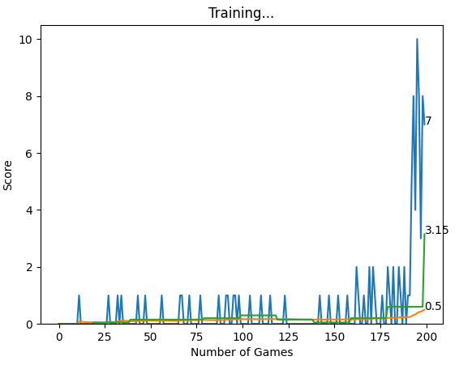
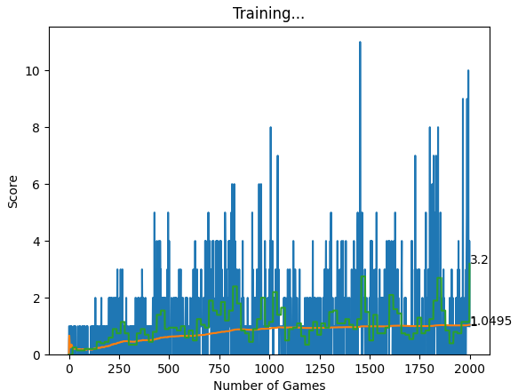
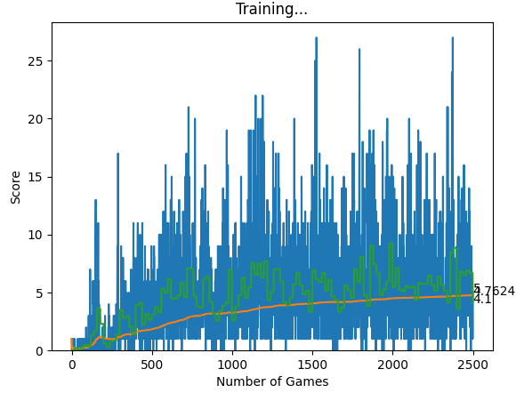
Run Zeile 7 | Run Zeile 19 | Run Zeile 20
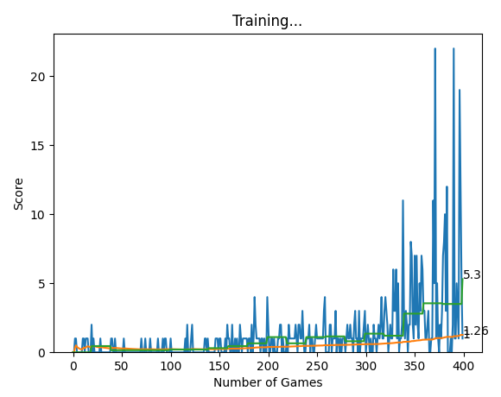

Run Zeile 24

