NSW
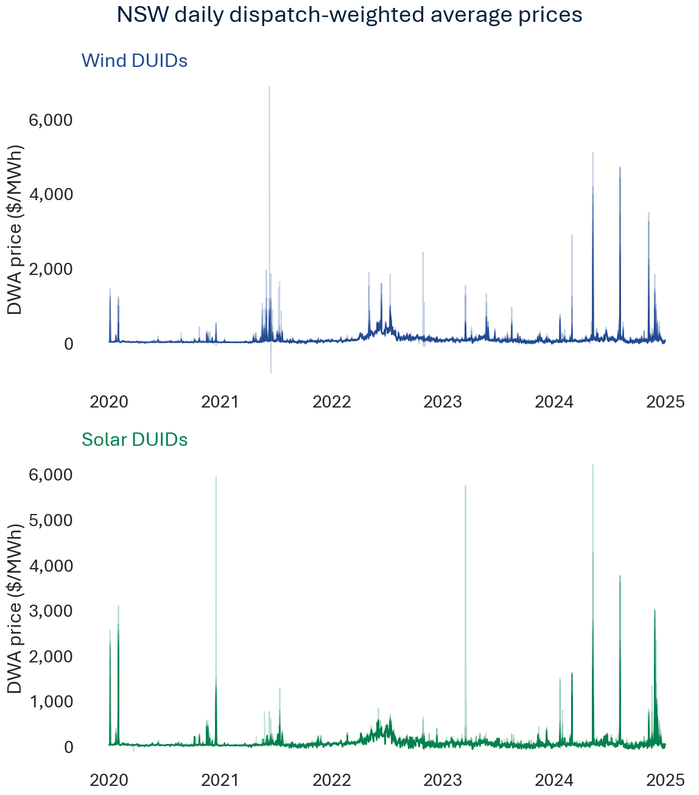
Quarterly dispatch-weighted average prices
Technology | Solar |  |  |  |  |  |  |  |  |  |  |  |  |  |  |  |  |  |  |  |  |  |  |  |  |  |  |  |  |  |  |  |  |  |  |  | Wind
DUID | AVLSF1 | BERYLSF1 | BOMENSF1 | BROKENH1 | COLEASF1 | CRWASF1 | DARLSF1 | FINLYSF1 | GNNDHSF1 | GOONSF1 | GULLRSF1 | HILLSTN1 | JEMALNG1 | JUNEESF1 | LIMOSF11 | LIMOSF21 | MANSLR1 | METZSF1 | MOLNGSF1 | MOREESF1 | NEVERSF1 | NEWENSF1 | NEWENSF2 | NYNGAN1 | PARSF1 | SEBSF1 | STUBSF1 | STUBSF2 | SUNRSF1 | SUNTPSF1 | WAGGNSF1 | WELLSF1 | WELNSF1 | WRSF1 | WSTWYSF1 | WYASF1 | BANGOWF1 | BANGOWF2 | BOCORWF1 | BODWF1 | COLWF01 | CROOKWF2 | CROOKWF3 | CRURWF1 | FLYCRKWF | GULLRWF1 | GULLRWF2 | GUNNING1 | RYEPARK1 | SAPHWF1 | STWF1 | TARALGA1 | WOODLWN1 | WRWF1
Quarter
2020-03-31 |  | $111.70 | $43.02 | $85.65 | $102.45 |  |  | $86.71 |  |  | $87.21 |  |  |  |  | $83.05 | $126.75 |  |  | $132.03 | $131.51 |  |  | $100.81 | $115.77 |  |  |  |  |  |  |  |  | $88.88 |  |  |  |  | $100.91 | $56.63 |  | $80.89 |  |  |  | $73.45 |  | $62.30 |  | $54.90 | $64.88 | $85.02 | $81.83 | $57.94
2020-06-30 |  | $35.63 | $41.02 | $37.39 | $34.88 |  |  | $36.27 |  | $40.34 | $35.82 |  |  |  |  | $36.49 | $36.08 |  |  | $37.27 | $39.03 |  |  | $36.31 | $37.04 |  |  |  |  |  |  |  |  | $37.02 |  |  |  |  | $38.87 | $40.52 |  | $38.28 |  |  |  | $38.26 | $37.96 | $38.11 |  | $41.35 | $39.40 | $38.23 | $37.53 | $42.75
2020-09-30 |  | $36.58 | $36.52 | $37.45 | $35.98 |  | $34.71 | $35.62 |  | $36.33 | $37.55 |  |  |  | $37.70 | $40.40 | $36.95 |  |  | $38.18 | $36.94 |  |  | $36.45 | $37.32 |  |  |  |  |  |  |  |  | $37.92 |  |  |  |  | $41.70 | $44.08 |  | $41.71 |  |  |  | $43.74 | $40.80 | $42.53 |  | $44.14 | $43.10 | $42.75 | $43.18 | $44.11
2020-12-31 |  | $63.78 | $56.00 | $74.98 | $68.54 |  | $76.62 | $75.05 |  | $54.18 | $49.87 |  |  |  | $89.27 | $77.19 | $60.74 |  | $62.33 | $73.19 | $71.33 |  |  | $67.88 | $64.26 |  |  |  | $53.66 |  |  | $91.01 |  | $73.36 |  |  |  |  | $60.92 | $57.15 | $40.44 | $50.89 |  | $56.25 |  | $48.40 | $46.91 | $52.29 |  | $50.64 | $52.62 | $57.82 | $62.53 | $52.43
2021-03-31 |  | $34.85 | $32.61 | $35.07 | $34.77 | $30.24 | $34.46 | $34.90 |  | $33.99 | $33.93 |  | $34.36 |  | $35.68 | $35.50 | $36.17 |  | $34.80 | $35.22 | $34.51 |  |  | $34.13 | $34.92 |  |  |  | $35.50 |  |  | $33.40 |  | $34.39 |  |  | $38.56 |  | $38.21 | $37.28 | $38.10 | $38.57 |  | $37.89 |  | $37.75 | $37.58 | $37.78 |  | $37.59 | $37.15 | $38.79 | $39.09 | $37.49
2021-06-30 |  | $49.28 | $45.79 | $51.29 | $46.03 | $59.80 | $46.83 | $46.23 | $65.04 | $54.03 | $45.74 |  | $59.25 | $169.59 | $51.27 | $51.74 | $50.19 |  | $50.63 | $51.50 | $47.63 |  |  | $49.20 | $50.63 |  |  |  | $48.79 |  |  | $53.36 |  | $55.23 |  |  | $159.19 | $1,353.06 | $93.04 | $94.28 | $87.68 | $84.05 |  | $91.26 |  | $85.03 | $93.19 | $86.08 |  | $98.21 | $98.90 | $82.41 | $96.85 | $90.62
2021-09-30 |  | $40.68 | $40.50 | $47.39 | $41.74 | $34.42 | $33.29 | $37.59 | $32.59 | $38.92 | $38.39 |  | $41.18 | $80.95 | $49.86 | $53.13 | $47.21 |  | $52.61 | $42.72 | $41.93 |  |  | $42.02 | $37.72 |  |  |  | $41.98 | $32.76 | $19.39 | $39.11 |  | $51.37 |  |  | $59.16 | $249.42 | $65.31 | $76.67 | $57.43 | $59.29 |  | $66.23 |  | $59.67 | $61.83 | $62.20 |  | $80.46 | $74.16 | $60.61 | $62.94 | $77.99
2021-12-31 |  | $48.51 | $45.52 | $44.76 | $47.65 | $49.05 | $47.39 | $46.91 | $53.70 | $47.48 | $49.92 | $61.73 | $50.73 | $55.18 | $56.66 | $56.30 | $57.51 |  | $50.28 | $48.92 | $48.95 |  |  | $44.82 | $48.26 | $57.44 |  |  | $51.33 | $54.15 | $50.00 | $44.61 |  | $46.11 |  |  | $53.14 | $67.10 | $61.73 | $60.52 | $55.88 | $55.92 |  | $56.13 |  | $55.44 | $62.93 | $57.03 |  | $60.64 | $64.90 | $56.49 | $59.84 | $61.41
2022-03-31 |  | $76.02 | $76.44 | $80.76 | $78.10 | $79.50 | $76.90 | $77.64 | $76.01 | $79.02 | $74.36 | $79.53 | $76.18 | $78.23 | $79.93 | $80.59 | $86.51 | $98.71 | $87.90 | $73.27 | $75.70 |  |  | $76.07 | $79.09 | $78.93 |  |  | $80.02 | $77.65 | $77.28 | $76.47 |  | $78.95 |  |  | $93.89 | $97.00 | $85.69 | $82.32 | $81.21 | $80.59 |  | $81.38 |  | $79.90 | $83.52 | $81.60 |  | $84.25 | $85.63 | $82.53 | $82.67 | $82.75
2022-06-30 |  | $210.84 | $202.88 | $220.32 | $203.37 | $212.01 | $209.68 | $207.55 | $223.28 | $202.88 | $199.60 | $211.69 | $201.52 | $180.11 | $218.41 | $216.03 | $236.19 | $280.08 | $223.78 | $211.66 | $205.81 |  |  | $213.22 | $207.01 | $202.90 |  |  | $212.82 | $208.68 | $198.28 | $198.90 |  | $200.22 |  |  | $302.36 | $308.35 | $355.03 | $280.34 | $312.85 | $307.49 |  | $304.00 |  | $310.65 | $296.66 | $299.37 |  | $288.30 | $275.34 | $315.49 | $319.83 | $291.92
2022-09-30 |  | $135.74 | $138.31 | $160.34 | $128.20 | $165.96 | $154.38 | $147.23 | $149.96 | $144.99 | $125.99 | $149.50 | $148.10 | $147.29 | $174.33 | $164.46 | $163.87 | $120.77 | $163.40 | $138.56 | $135.31 |  |  | $137.22 | $143.18 | $140.32 |  |  | $167.00 | $141.62 | $138.95 | $128.52 |  | $157.33 | $144.61 |  | $221.87 | $209.14 | $191.67 | $226.98 | $207.06 | $197.44 |  | $212.81 |  | $205.33 | $209.58 | $203.15 |  | $217.50 | $223.46 | $199.31 | $201.86 | $219.83
2022-12-31 |  | $59.59 | $61.12 | $63.90 | $61.86 | $68.91 | $63.70 | $67.16 | $69.23 | $69.16 | $59.20 | $66.67 | $70.08 | $66.57 | $72.02 | $67.52 | $100.69 | $58.54 | $70.57 | $63.25 | $58.07 |  | $71.41 | $54.71 | $62.28 | $59.13 |  |  | $67.20 | $64.55 | $59.78 | $55.54 |  | $73.46 | $46.84 |  | $117.71 | $128.68 | $115.58 | $125.91 | $113.07 | $115.07 |  | $121.07 |  | $112.67 | $118.39 | $106.54 |  | $123.05 | $119.08 | $119.28 | $118.52 | $116.99
2023-03-31 | $36.13 | $70.88 | $72.39 | $74.10 | $74.53 | $77.12 | $73.22 | $75.18 | $77.39 | $74.05 | $66.63 | $75.46 | $80.25 | $74.48 | $78.13 | $74.59 | $88.77 | $71.40 | $77.84 | $73.84 | $73.40 |  | $76.23 | $69.71 | $75.56 | $75.20 |  |  | $80.27 | $74.20 | $75.38 | $71.82 |  | $74.35 | $73.30 |  | $92.34 | $94.58 | $109.02 | $95.42 | $98.08 | $97.59 |  | $97.98 |  | $95.81 | $98.03 | $93.06 |  | $99.39 | $97.17 | $101.74 | $110.68 | $98.35
2023-06-30 | $65.97 | $75.86 | $73.61 | $78.22 | $74.56 | $78.86 | $75.90 | $75.13 | $80.15 | $74.07 | $73.37 | $79.44 | $78.08 | $79.16 | $78.03 | $76.62 | $87.40 | $75.33 | $82.45 | $78.90 | $74.93 | $73.65 | $84.14 | $71.82 | $76.75 | $75.58 |  |  | $79.88 | $77.31 | $74.96 | $73.20 |  | $73.57 | $75.58 | $28.10 | $111.61 | $127.11 | $116.68 | $120.61 | $115.35 | $114.40 |  | $121.01 |  | $116.63 | $112.16 | $128.53 |  | $120.24 | $126.92 | $129.63 | $129.83 | $118.68
2023-09-30 | $28.59 | $31.81 | $25.37 | $29.95 | $26.78 | $32.77 | $27.13 | $27.39 | $33.87 | $28.90 | $26.69 | $41.54 | $33.45 | $32.17 | $35.65 | $34.71 | $51.01 | $27.54 | $37.67 | $28.22 | $26.31 | $35.00 | $35.58 | $23.79 | $29.70 | $29.48 |  |  | $31.79 | $32.41 | $29.21 | $27.75 |  | $24.25 | $30.40 | $35.59 | $72.54 | $79.75 | $72.25 | $81.99 | $61.44 | $62.70 |  | $66.35 | $55.86 | $64.24 | $67.71 | $67.30 | $61.67 | $85.30 | $81.35 | $62.99 | $66.47 | $82.51
2023-12-31 | $43.96 | $36.19 | $35.59 | $38.71 | $43.57 | $48.51 | $43.89 | $46.71 | $44.81 | $40.43 | $33.94 | $63.28 | $40.76 | $40.11 | $52.78 | $50.93 | $70.37 | $34.81 | $51.09 | $35.58 | $31.34 | $42.72 | $47.56 | $28.88 | $39.13 | $39.30 |  |  | $47.04 | $36.50 | $40.42 | $35.48 |  | $27.60 | $37.90 | $43.60 | $60.32 | $70.15 | $59.35 | $65.81 | $51.57 | $53.20 |  | $58.98 | $53.84 | $50.35 | $56.27 | $56.12 | $59.50 | $68.18 | $69.54 | $56.02 | $62.45 | $65.71
2024-03-31 | $67.66 | $54.44 | $64.04 | $70.50 | $64.15 | $71.68 | $65.46 | $68.48 | $66.97 | $65.30 | $48.85 | $75.67 | $66.77 | $63.80 | $69.50 | $69.56 | $83.86 | $68.84 | $77.20 | $67.56 | $54.86 | $67.71 | $70.88 | $52.83 | $64.92 | $66.06 |  |  | $69.92 | $54.77 | $62.88 | $53.77 |  | $55.97 | $66.89 | $70.81 | $82.85 | $85.09 | $119.87 | $71.91 | $71.48 | $82.60 |  | $77.07 | $78.43 | $75.17 | $75.16 | $75.99 | $81.90 | $77.20 | $80.00 | $89.75 | $89.09 | $75.78
2024-06-30 | $72.34 | $86.03 | $73.72 | $82.18 | $73.17 | $71.50 | $73.50 | $60.90 | $88.50 | $94.13 | $61.40 | $81.77 | $88.51 | $75.01 | $95.59 | $94.87 | $111.86 | $84.59 | $93.45 | $77.51 | $81.72 | $72.09 | $72.48 | $77.03 | $95.34 | $88.05 |  |  | $94.21 | $79.92 | $72.40 | $83.86 | $68.83 | $64.80 | $83.35 | $84.25 | $161.67 | $197.20 | $103.20 | $185.56 | $105.97 | $68.87 | $145.75 | $173.25 | $173.49 | $107.45 | $107.94 | $126.59 | $126.70 | $160.44 | $193.98 | $147.81 | $162.65 | $179.51
2024-09-30 | $47.88 | $40.02 | $23.98 | $47.68 | $39.97 | $52.96 | $38.07 | $39.65 | $42.43 | $46.17 | $43.03 | $66.40 | $32.85 | $52.33 | $63.80 | $58.42 | $73.83 | $63.95 | $49.44 | $32.55 | $33.43 | $76.60 | $71.02 | $26.09 | $32.41 | $49.87 |  |  | $52.55 | $37.90 | $48.93 | $30.57 | $18.61 | $43.65 | $47.04 | $40.82 | $91.71 | $98.89 | $78.84 | $100.19 | $64.10 | $52.57 | $52.46 | $77.06 | $83.80 | $71.90 | $86.33 | $74.61 | $76.77 | $116.66 | $114.76 | $71.82 | $80.84 | $103.58
2024-12-31 | $93.17 | $72.02 | $75.40 | $94.98 | $84.21 | $91.42 | $82.49 | $80.81 | $111.56 | $83.36 | $64.45 | $119.14 | $77.48 | $88.23 | $123.56 | $120.10 | $161.82 | $89.93 | $161.50 | $73.42 | $71.11 | $112.46 | $113.17 | $61.15 | $81.01 | $85.46 | $28.61 | $10.75 | $92.30 | $79.15 | $90.97 | $63.97 | $79.57 | $65.08 | $75.63 | $79.32 | $120.86 | $138.50 | $162.94 | $115.50 | $137.63 | $104.30 | $106.57 | $154.32 | $133.88 | $123.82 | $129.82 | $108.48 | $114.70 | $153.32 | $148.01 | $139.08 | $172.47 | $168.82

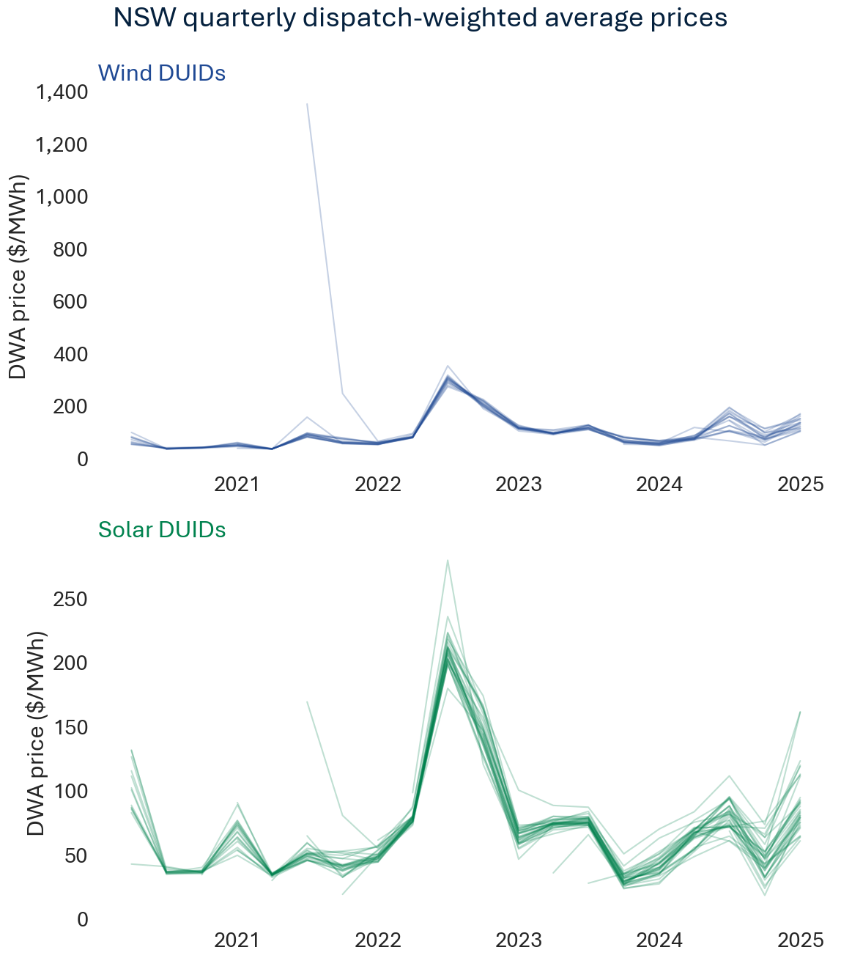

Weekly dispatch-weighted average prices
Technology | Solar |  |  |  |  |  |  |  |  |  |  |  |  |  |  |  |  |  |  |  |  |  |  |  |  |  |  |  |  |  |  |  |  |  |  |  | Wind
DUID | AVLSF1 | BERYLSF1 | BOMENSF1 | BROKENH1 | COLEASF1 | CRWASF1 | DARLSF1 | FINLYSF1 | GNNDHSF1 | GOONSF1 | GULLRSF1 | HILLSTN1 | JEMALNG1 | JUNEESF1 | LIMOSF11 | LIMOSF21 | MANSLR1 | METZSF1 | MOLNGSF1 | MOREESF1 | NEVERSF1 | NEWENSF1 | NEWENSF2 | NYNGAN1 | PARSF1 | SEBSF1 | STUBSF1 | STUBSF2 | SUNRSF1 | SUNTPSF1 | WAGGNSF1 | WELLSF1 | WELNSF1 | WRSF1 | WSTWYSF1 | WYASF1 | BANGOWF1 | BANGOWF2 | BOCORWF1 | BODWF1 | COLWF01 | CROOKWF2 | CROOKWF3 | CRURWF1 | FLYCRKWF | GULLRWF1 | GULLRWF2 | GUNNING1 | RYEPARK1 | SAPHWF1 | STWF1 | TARALGA1 | WOODLWN1 | WRWF1
Week
2020-01-05 |  | $541.68 |  | $52.09 | $134.21 |  |  | $170.44 |  |  | $194.62 |  |  |  |  | $59.93 | $537.78 |  |  | $503.68 | $558.19 |  |  | $342.37 | $431.04 |  |  |  |  |  |  |  |  | $244.34 |  |  |  |  | $717.21 | $153.65 |  | $425.85 |  |  |  | $275.86 |  | $157.65 |  | $79.46 | $46.78 | $403.89 | $340.91 | $117.26
2020-01-12 |  | $49.85 |  | $50.60 | $50.82 |  |  | $50.27 |  |  | $51.63 |  |  |  |  | $52.72 | $49.93 |  |  | $51.04 | $50.69 |  |  | $49.97 | $50.02 |  |  |  |  |  |  |  |  | $50.07 |  |  |  |  | $52.06 | $47.25 |  | $49.38 |  |  |  | $48.86 |  | $48.54 |  | $46.14 | $47.47 | $50.94 | $51.33 | $46.41
2020-01-19 |  | $48.55 |  | $50.11 | $49.27 |  |  | $48.72 |  |  | $51.30 |  |  |  |  | $53.96 | $50.35 |  |  | $51.75 | $50.07 |  |  | $49.52 | $49.55 |  |  |  |  |  |  |  |  | $51.04 |  |  |  |  | $51.46 | $47.23 |  | $48.38 |  |  |  | $47.29 |  | $47.89 |  | $47.42 | $47.32 | $47.44 | $48.78 | $47.32
2020-01-26 |  | $72.91 |  | $100.92 | $94.85 |  |  | $82.71 |  |  | $64.26 |  |  |  |  | $68.63 | $64.43 |  |  | $75.23 | $89.98 |  |  | $72.21 | $69.17 |  |  |  |  |  |  |  |  | $90.04 |  |  |  |  | $65.75 | $102.83 |  | $59.55 |  |  |  | $60.22 |  | $100.46 |  | $91.93 | $72.74 | $98.36 | $95.59 | $94.19
2020-02-02 |  | $337.29 |  | $464.10 | $546.21 |  |  | $408.33 |  |  | $342.15 |  |  |  |  | $402.95 | $490.23 |  |  | $476.77 | $618.83 |  |  | $422.21 | $461.90 |  |  |  |  |  |  |  |  | $331.10 |  |  |  |  | $257.73 | $76.62 |  | $124.51 |  |  |  | $137.55 |  | $120.64 |  | $172.38 | $249.59 | $149.76 | $155.21 | $272.62
2020-02-09 |  | $44.73 |  | $43.98 | $45.92 |  |  | $45.40 |  |  | $44.31 |  |  |  |  | $45.09 | $45.30 |  |  | $42.48 | $44.85 |  |  | $43.55 | $45.54 |  |  |  |  |  |  |  |  | $43.53 |  |  |  |  | $39.58 | $40.51 |  | $39.93 |  |  |  | $39.65 |  | $40.40 |  | $41.80 | $38.55 | $39.39 | $40.23 | $42.08
2020-02-16 |  | $60.58 |  | $62.06 | $61.27 |  |  | $62.31 |  |  | $61.57 |  |  |  |  | $62.37 | $60.89 |  |  | $58.38 | $61.70 |  |  | $61.27 | $60.89 |  |  |  |  |  |  |  |  | $58.13 |  |  |  |  | $60.86 | $57.20 |  | $62.62 |  |  |  | $62.28 |  | $62.21 |  | $55.71 | $55.13 | $63.43 | $60.94 | $60.03
2020-02-23 |  | $54.93 |  | $58.95 | $57.90 |  |  | $58.21 |  |  | $57.91 |  |  |  |  | $47.17 | $57.34 |  |  | $60.37 | $57.43 |  |  | $58.71 | $59.14 |  |  |  |  |  |  |  |  | $58.69 |  |  |  |  | $59.28 | $54.36 |  | $55.04 |  |  |  | $54.04 |  | $53.54 |  | $50.24 | $52.52 | $55.98 | $55.12 | $50.72
2020-03-01 |  | $47.63 |  | $49.57 | $50.22 |  |  | $49.77 |  |  | $47.76 |  |  |  |  | $49.99 | $48.37 |  |  | $48.36 | $58.40 |  |  | $47.46 | $49.13 |  |  |  |  |  |  |  |  | $47.19 |  |  |  |  | $48.22 | $44.64 |  | $47.57 |  |  |  | $47.39 |  | $47.80 |  | $48.61 | $44.59 | $48.02 | $50.47 | $49.94
2020-03-08 |  | $49.72 |  | $49.22 | $49.37 |  |  | $51.99 |  |  | $49.90 |  |  |  |  | $49.60 | $48.55 |  |  | $50.81 | $47.37 |  |  | $48.83 | $49.16 |  |  |  |  |  |  |  |  | $51.39 |  |  |  |  | $52.93 | $48.54 |  | $49.12 |  |  |  | $48.71 |  | $47.04 |  | $45.63 | $47.28 | $50.71 | $50.63 | $47.10
2020-03-15 |  | $39.25 |  | $38.21 | $39.31 |  |  | $39.51 |  |  | $38.65 |  |  |  |  | $38.15 | $39.62 |  |  | $38.22 | $38.44 |  |  | $37.97 | $39.25 |  |  |  |  |  |  |  |  | $38.76 |  |  |  |  | $42.08 | $39.80 |  | $40.54 |  |  |  | $39.24 |  | $40.09 |  | $41.37 | $39.27 | $39.90 | $41.48 | $40.93
2020-03-22 |  | $43.93 | $40.45 | $44.51 | $43.76 |  |  | $44.12 |  |  | $42.82 |  |  |  |  | $44.93 | $44.51 |  |  | $44.29 | $50.07 |  |  | $42.98 | $44.51 |  |  |  |  |  |  |  |  | $42.26 |  |  |  |  | $46.21 | $42.78 |  | $43.27 |  |  |  | $43.49 |  | $43.86 |  | $42.68 | $41.50 | $43.51 | $44.67 | $43.18
2020-03-29 |  | $43.07 | $43.57 | $43.78 | $44.01 |  |  | $44.03 |  |  | $43.70 |  |  |  |  | $44.10 | $43.42 |  |  | $44.67 | $42.90 |  |  | $44.26 | $43.54 |  |  |  |  |  |  |  |  | $43.30 |  |  |  |  | $45.03 | $44.23 |  | $44.70 |  |  |  | $44.07 |  | $44.52 |  | $45.32 | $43.33 | $43.84 | $46.27 | $45.71
2020-04-05 |  | $43.18 | $47.54 | $44.06 | $47.40 |  |  | $45.01 |  |  | $26.00 |  |  |  |  | $44.94 | $44.47 |  |  | $31.20 | $42.05 |  |  | $42.07 | $44.16 |  |  |  |  |  |  |  |  | $48.00 |  |  |  |  | $47.60 | $45.97 |  | $42.89 |  |  |  | $33.17 |  | $41.50 |  | $47.88 | $47.33 | $43.12 | $42.28 | $45.74
2020-04-12 |  | $33.10 | $46.58 | $34.98 | $36.06 |  |  | $35.10 |  |  | $43.72 |  |  |  |  | $37.53 | $34.58 |  |  | $36.96 | $35.32 |  |  | $34.16 | $34.22 |  |  |  |  |  |  |  |  | $36.97 |  |  |  |  | $35.02 | $39.79 |  | $37.07 |  |  |  | $39.53 |  | $37.82 |  | $40.85 | $37.94 | $38.33 | $37.12 | $40.37
2020-04-19 |  | $30.37 | $30.53 | $30.08 | $30.95 |  |  | $30.72 |  |  | $29.26 |  |  |  |  | $32.45 | $30.87 |  |  | $30.18 | $29.85 |  |  | $29.92 | $31.01 |  |  |  |  |  |  |  |  | $29.33 |  |  |  |  | $35.37 | $34.94 |  | $34.07 |  |  |  | $34.72 |  | $34.47 |  | $33.66 | $34.04 | $34.09 | $34.16 | $32.86
2020-04-26 |  | $22.80 | $30.00 | $22.72 | $24.18 |  |  | $23.60 |  |  | $26.04 |  |  |  |  | $24.10 | $24.67 |  |  | $23.80 | $35.20 |  |  | $20.70 | $24.21 |  |  |  |  |  |  |  |  | $25.70 |  |  |  |  | $33.26 | $34.08 |  | $32.57 |  |  |  | $35.03 |  | $33.82 |  | $32.49 | $32.00 | $34.11 | $34.04 | $34.25
2020-05-03 |  | $33.00 | $24.91 | $32.99 | $33.65 |  |  | $34.28 |  |  | $32.90 |  |  |  |  | $33.90 | $32.68 |  |  | $36.46 | $28.58 |  |  | $32.40 | $32.75 |  |  |  |  |  |  |  |  | $33.69 |  |  |  |  | $33.60 | $32.29 |  | $33.32 |  |  |  | $34.01 |  | $32.81 |  | $32.64 | $33.30 | $34.38 | $32.96 | $32.99
2020-05-10 |  | $27.65 | $20.77 | $27.17 | $28.27 |  |  | $33.61 |  |  | $27.60 |  |  |  |  | $27.74 | $28.65 |  |  | $26.44 | $32.26 |  |  | $26.98 | $29.10 |  |  |  |  |  |  |  |  | $28.41 |  |  |  |  | $32.41 | $34.65 |  | $30.61 |  |  |  | $31.60 |  | $31.27 |  | $35.05 | $34.37 | $31.06 | $30.68 | $34.56
2020-05-17 |  | $34.44 | $35.18 | $34.77 | $35.36 |  |  | $35.37 |  | $41.21 | $33.76 |  |  |  |  | $35.16 | $35.21 |  |  | $35.13 | $35.74 |  |  | $34.53 | $35.46 |  |  |  |  |  |  |  |  | $34.03 |  |  |  |  | $39.28 | $40.84 |  | $44.06 |  |  |  | $44.09 |  | $44.67 |  | $42.50 | $43.85 | $42.93 | $44.28 | $43.34
2020-05-24 |  | $54.14 | $52.78 | $52.25 | $50.82 |  |  | $51.07 |  |  | $50.58 |  |  |  |  | $49.51 | $52.03 |  |  | $51.07 | $51.31 |  |  | $53.11 | $52.06 |  |  |  |  |  |  |  |  | $49.37 |  |  |  |  | $47.41 | $47.18 |  | $47.57 |  |  |  | $46.64 |  | $45.83 |  | $48.39 | $46.57 | $47.99 | $48.35 | $48.40
2020-05-31 |  | $37.56 | $37.73 | $36.98 | $40.80 |  |  | $37.92 |  | $35.85 | $35.50 |  |  |  |  | $37.49 | $36.81 |  |  | $38.54 | $37.82 |  |  | $37.18 | $38.54 |  |  |  |  |  |  |  |  | $37.99 |  |  |  |  | $40.10 | $39.12 |  | $41.13 |  |  |  | $41.48 |  | $41.62 |  | $42.41 | $37.62 | $41.19 | $39.79 | $42.38
2020-06-07 |  | $41.83 | $42.74 | $41.49 |  |  |  | $42.40 |  | $42.94 | $41.54 |  |  |  |  | $41.57 | $41.73 |  |  | $43.87 | $42.35 |  |  | $42.31 | $43.22 |  |  |  |  |  |  |  |  | $43.06 |  |  |  |  | $39.51 | $40.50 |  | $41.23 |  |  |  | $42.17 |  | $42.01 |  | $42.13 | $43.52 | $42.85 | $42.02 | $42.10
2020-06-14 |  | $53.82 | $54.89 | $56.97 |  |  |  | $53.83 |  | $62.72 | $52.27 |  |  |  |  | $51.06 | $54.70 |  |  | $63.53 | $55.35 |  |  | $57.12 | $58.52 |  |  |  |  |  |  |  |  | $56.35 |  |  |  |  | $45.25 | $58.31 |  | $50.77 |  |  |  | $47.08 |  | $45.72 |  | $56.67 | $49.37 | $45.68 | $42.08 | $69.05
2020-06-21 |  | $35.77 | $36.46 | $35.57 | $34.14 |  |  | $35.38 |  | $36.55 | $35.30 |  |  |  |  | $35.82 | $36.17 |  |  | $36.72 | $36.12 |  |  | $35.75 | $36.37 |  |  |  |  |  |  |  |  | $36.56 |  |  |  |  | $35.37 | $36.07 |  | $37.19 |  |  |  | $37.79 | $34.42 | $38.50 |  | $39.58 | $35.68 | $36.34 | $35.71 | $39.14
2020-06-28 |  | $37.57 | $36.44 | $37.92 | $36.62 |  |  | $36.99 |  | $36.36 | $37.50 |  |  |  |  | $37.08 | $37.02 |  |  | $40.19 | $37.65 |  |  | $37.92 | $37.02 |  |  |  |  |  |  |  |  | $38.91 |  |  |  |  | $43.95 | $41.51 |  | $42.77 |  |  |  | $42.80 | $47.48 | $42.34 |  | $42.10 | $41.42 | $42.09 | $42.41 | $42.28
2020-07-05 |  | $34.21 | $34.34 | $34.33 | $34.61 |  |  | $34.43 |  | $34.28 | $34.16 |  |  |  | $33.17 | $34.14 | $34.64 |  |  | $34.88 | $34.36 |  |  | $34.25 | $34.48 |  |  |  |  |  |  |  |  | $34.44 |  |  |  |  | $35.44 | $33.89 |  | $34.97 |  |  |  | $34.96 |  | $35.01 |  | $34.51 | $34.55 | $35.09 | $35.13 | $34.78
2020-07-12 |  | $44.53 | $45.06 | $45.38 | $44.56 |  |  | $43.65 |  | $44.40 | $44.61 |  |  |  | $44.67 | $44.68 | $44.25 |  |  | $44.99 | $44.50 |  |  | $44.11 | $44.36 |  |  |  |  |  |  |  |  | $45.16 |  |  |  |  | $47.83 | $45.00 |  | $45.26 |  |  |  | $47.82 |  | $45.82 |  | $44.44 | $45.69 | $46.00 | $52.58 | $45.02
2020-07-19 |  | $39.25 | $39.92 | $38.37 | $38.31 |  |  | $32.80 |  | $36.53 | $40.73 |  |  |  | $38.03 | $41.52 | $40.62 |  |  | $39.62 | $38.03 |  |  | $38.14 | $38.65 |  |  |  |  |  |  |  |  | $40.63 |  |  |  |  | $43.55 | $47.94 |  | $42.18 |  |  |  | $43.15 |  | $40.69 |  | $52.02 | $42.66 | $41.47 | $40.32 | $50.88
2020-07-26 |  | $44.41 | $42.66 | $44.29 | $42.75 |  |  | $43.86 |  | $42.09 | $45.16 |  |  |  | $47.25 | $45.45 | $44.76 |  |  | $45.72 | $43.30 |  |  | $43.12 | $45.63 |  |  |  |  |  |  |  |  | $45.53 |  |  |  |  | $44.89 | $46.72 |  | $47.31 |  |  |  | $48.07 |  | $47.80 |  | $52.62 | $58.95 | $47.78 | $50.18 | $53.25
2020-08-02 |  | $36.78 | $37.10 | $38.15 | $37.45 |  |  | $37.82 |  | $37.55 | $36.62 |  |  |  | $37.50 | $38.11 | $37.32 |  |  | $38.48 | $37.39 |  |  | $37.49 | $38.01 |  |  |  |  |  |  |  |  | $36.89 |  |  |  |  | $43.02 | $43.71 |  | $43.03 |  |  |  | $44.25 |  | $44.15 |  | $44.58 | $42.87 | $43.37 | $43.42 | $43.83
2020-08-09 |  | $37.33 | $37.63 | $39.22 | $37.35 |  |  | $38.23 |  | $38.83 | $37.89 |  |  |  |  | $37.58 | $38.23 |  |  | $38.44 | $38.17 |  |  | $37.57 | $38.48 |  |  |  |  |  |  |  |  | $38.50 |  |  |  |  | $41.89 | $47.16 |  | $43.20 |  |  |  | $43.01 | $41.15 | $43.32 |  | $46.53 | $44.58 | $42.21 | $42.28 | $45.27
2020-08-16 |  | $41.43 | $43.87 | $46.37 | $42.37 |  |  | $43.14 |  | $42.31 | $45.51 |  |  |  | $41.63 | $42.05 | $42.18 |  |  | $43.71 | $41.20 |  |  | $40.91 | $42.17 |  |  |  |  |  |  |  |  | $47.06 |  |  |  |  | $43.75 | $45.93 |  | $43.70 |  |  |  | $43.14 | $43.15 | $43.00 |  | $45.58 | $45.50 | $41.90 | $42.48 | $44.24
2020-08-23 |  | $36.75 | $36.73 | $37.08 | $38.10 |  |  | $37.60 |  | $36.88 | $36.89 |  |  |  | $37.02 | $37.89 | $36.88 |  |  | $38.44 | $37.03 |  |  | $36.92 | $37.29 |  |  |  |  |  |  |  |  | $37.75 |  |  |  |  | $46.36 | $47.09 |  | $46.11 |  |  |  | $46.43 | $50.90 | $46.20 |  | $47.52 | $45.32 | $46.44 | $46.47 | $46.70
2020-08-30 |  | $39.99 | $41.68 | $36.57 | $31.17 |  |  | $30.82 |  | $39.92 | $42.36 |  |  |  | $62.68 | $42.96 | $38.16 |  |  | $42.99 | $41.35 |  |  | $38.92 | $39.61 |  |  |  |  |  |  |  |  | $41.18 |  |  |  |  | $43.43 | $68.10 |  | $52.20 |  |  |  | $67.61 | $59.79 | $57.35 |  | $53.86 | $41.60 | $60.29 | $64.53 | $55.25
2020-09-06 |  | $31.06 | $32.23 | $32.35 | $32.50 |  | $25.67 | $31.93 |  | $31.81 | $31.62 |  |  |  | $25.67 | $38.33 | $31.87 |  |  | $33.21 | $30.29 |  |  | $30.80 | $31.93 |  |  |  |  |  |  |  |  | $29.79 |  |  |  |  | $42.51 | $42.75 |  | $38.90 |  |  |  | $40.25 | $39.69 | $40.45 |  | $40.32 | $42.03 | $40.53 | $40.82 | $39.56
2020-09-13 |  | $32.47 | $32.91 | $33.40 | $33.40 |  | $31.51 | $33.19 |  | $33.43 | $32.13 |  |  |  | $32.05 | $34.79 | $33.06 |  |  | $34.23 | $33.11 |  |  | $32.48 | $33.90 |  |  |  |  |  |  |  |  | $33.11 |  |  |  |  | $36.53 | $36.25 |  | $36.41 |  |  |  | $36.42 | $36.31 | $37.41 |  | $37.95 | $37.16 | $36.51 | $36.92 | $38.25
2020-09-20 |  | $31.00 | $29.74 | $29.98 | $31.09 |  | $31.48 | $30.08 |  | $32.14 | $30.76 |  |  |  | $29.75 | $30.90 | $31.04 |  |  | $32.41 | $31.24 |  |  | $29.20 | $32.05 |  |  |  |  |  |  |  |  | $31.74 |  |  |  |  | $36.40 | $37.42 |  | $35.93 |  |  |  | $39.67 | $37.57 | $38.42 |  | $37.92 | $37.79 | $36.45 | $38.27 | $38.66
2020-09-27 |  | $32.51 | $31.47 | $31.79 | $32.69 |  | $32.07 | $33.03 |  | $33.34 | $32.60 |  |  |  | $35.35 | $35.96 | $33.85 |  |  | $34.59 | $32.62 |  |  | $32.86 | $33.48 |  |  |  |  |  |  |  |  | $34.02 |  |  |  |  | $39.18 | $39.75 |  | $38.70 |  |  |  | $39.28 | $38.89 | $38.92 |  | $39.29 | $41.03 | $38.64 | $39.45 | $39.26
2020-10-04 |  | $29.49 | $29.71 | $29.34 | $30.40 |  | $31.60 | $31.11 |  | $30.97 | $29.77 |  |  |  | $28.09 | $31.48 | $30.15 |  |  | $30.59 | $29.58 |  |  | $29.17 | $30.76 |  |  |  |  |  |  |  |  | $30.10 |  |  |  |  | $36.41 | $39.15 |  | $36.31 |  |  |  | $35.14 | $37.70 | $35.67 |  | $38.57 | $35.60 | $36.19 | $35.85 | $38.85
2020-10-11 |  | $67.88 | $48.04 | $51.39 | $49.90 |  | $39.70 | $49.52 |  | $53.52 | $50.11 |  |  |  | $53.26 | $52.62 | $55.99 |  |  | $70.00 | $59.16 |  |  | $56.22 | $53.40 |  |  |  |  |  |  |  |  | $66.41 |  |  |  |  | $61.17 | $64.19 |  | $53.32 |  |  |  | $53.63 | $72.94 | $56.76 |  | $56.64 | $68.73 | $52.38 | $54.60 | $55.54
2020-10-18 |  | $41.82 | $41.07 | $41.33 | $41.01 |  | $37.14 | $41.31 |  | $41.95 | $40.12 |  |  |  | $41.00 | $40.33 | $41.83 |  |  | $43.40 | $42.13 |  |  | $41.35 | $42.18 |  |  |  |  |  |  |  |  | $40.87 |  |  |  |  | $46.45 | $45.72 |  | $43.59 |  |  |  | $43.85 | $39.89 | $45.58 |  | $45.99 | $44.03 | $42.83 | $44.59 | $44.96
2020-10-25 |  | $70.51 | $49.66 | $56.33 | $64.07 |  | $68.78 | $53.86 |  | $54.23 | $57.11 |  |  |  | $46.72 | $53.69 | $66.72 |  |  | $85.81 | $68.92 |  |  | $70.14 | $54.36 |  |  |  |  |  |  |  |  | $74.77 |  |  |  |  | $63.09 | $72.86 |  | $67.16 |  |  |  | $51.65 | $52.38 | $54.69 |  | $69.85 | $71.55 | $60.46 | $80.85 | $61.78
2020-11-01 |  | $45.81 | $43.09 | $46.50 | $45.15 |  | $46.18 | $43.42 |  | $46.61 | $42.48 |  |  |  | $44.49 | $45.28 | $45.87 |  |  | $47.55 | $45.43 |  |  | $44.53 | $47.72 |  |  |  |  |  |  |  |  | $42.43 |  |  |  |  | $50.04 | $54.33 |  | $49.95 |  |  |  | $52.33 | $49.68 | $51.94 |  | $50.07 | $47.06 | $50.21 | $51.32 | $49.16
2020-11-08 |  | $42.04 | $41.91 | $39.94 | $44.14 |  | $42.06 | $45.00 |  | $43.39 | $40.58 |  |  |  | $41.30 | $45.98 | $42.69 |  |  | $42.58 | $42.06 |  |  | $40.48 | $43.57 |  |  |  |  |  |  |  |  | $40.68 |  |  |  |  | $54.42 | $48.17 |  | $48.91 |  |  |  | $48.50 | $47.20 | $47.55 |  | $50.70 | $49.80 | $54.05 | $52.96 | $50.96
2020-11-15 |  | $44.14 | $45.03 | $43.93 | $45.27 |  | $44.31 | $43.80 |  | $46.19 | $42.85 |  |  |  | $43.41 | $44.21 | $45.03 |  | $45.99 | $44.86 | $44.47 |  |  | $43.05 | $45.52 |  |  |  | $47.03 |  |  | $45.47 |  | $42.43 |  |  |  |  | $47.53 | $44.75 | $44.31 | $44.15 |  |  |  | $44.20 | $43.47 | $44.15 |  | $47.13 | $45.91 | $45.24 | $46.93 | $47.09
2020-11-22 |  | $159.64 | $120.57 | $154.74 | $125.50 |  | $129.44 | $157.48 |  | $109.23 | $109.45 |  |  |  | $159.45 | $151.35 | $131.63 |  | $110.21 | $148.35 | $151.58 |  |  | $149.96 | $119.05 |  |  |  |  |  |  | $118.96 |  | $188.68 |  |  |  |  | $174.72 | $101.66 | $112.63 | $89.26 |  |  |  | $76.09 | $57.31 | $114.56 |  | $69.01 | $54.09 | $160.60 | $177.69 | $88.62
2020-11-29 |  | $68.07 | $62.64 | $55.41 | $70.51 |  | $67.85 | $52.57 |  | $68.08 | $64.51 |  |  |  | $67.96 | $72.93 | $68.54 |  | $74.34 | $53.96 | $61.41 |  |  | $54.24 | $66.36 |  |  |  | $26.44 |  |  | $64.23 |  | $52.13 |  |  |  |  | $71.09 | $51.39 | $45.77 | $53.83 |  |  |  | $51.39 | $45.78 | $50.16 |  | $52.78 | $54.72 | $51.89 | $51.86 | $51.87
2020-12-06 |  | $62.02 | $52.23 | $42.20 | $56.81 |  | $57.76 | $56.87 |  | $58.31 | $42.00 |  |  |  | $57.38 | $57.97 | $57.76 |  | $53.44 | $45.12 | $56.58 |  |  | $46.16 | $58.07 |  |  |  | $55.78 |  |  | $43.75 |  | $42.03 |  |  |  |  | $51.89 | $51.84 | $52.30 | $46.17 |  | $56.77 |  | $44.45 | $54.50 | $51.86 |  | $45.34 | $43.82 | $53.46 | $46.85 | $48.73
2020-12-13 |  | $36.08 | $36.02 | $35.94 | $36.75 |  | $36.68 | $38.29 |  | $35.98 | $34.51 |  |  |  | $38.13 | $38.47 | $36.53 |  | $33.71 | $37.17 | $35.56 |  |  | $34.85 | $36.06 |  |  |  | $37.33 |  |  | $33.43 |  | $35.76 |  |  |  |  | $43.20 | $41.48 | $42.07 | $40.50 |  | $43.15 |  | $41.58 | $39.15 | $41.51 |  | $39.31 | $42.32 | $42.40 | $42.63 | $39.12
2020-12-20 |  | $223.25 | $129.23 | $304.00 | $219.36 |  | $279.63 | $265.66 |  | $228.96 | $69.28 |  |  |  | $237.63 | $257.90 | $126.88 |  | $178.46 | $300.71 | $271.80 |  |  | $268.66 | $235.62 |  |  |  | $102.46 |  |  | $317.05 |  | $314.48 |  |  |  |  | $81.84 | $97.11 | $54.60 | $67.33 |  | $106.12 |  | $62.27 | $58.14 | $63.72 |  | $63.44 | $111.19 | $113.67 | $157.39 | $85.17
2020-12-27 |  | $31.67 | $32.94 | $32.96 | $32.78 |  | $32.81 | $33.94 |  | $32.07 | $35.21 |  |  |  | $33.28 | $33.47 | $35.35 |  | $30.88 | $31.41 | $32.76 |  |  | $31.80 | $32.19 |  |  |  | $33.35 |  |  | $32.96 |  | $32.20 |  |  |  |  | $37.12 | $37.81 | $36.40 | $36.82 |  | $35.72 |  | $37.03 | $37.67 | $37.39 |  | $38.95 | $37.95 | $36.37 | $38.06 | $38.67
2021-01-03 |  | $30.53 | $31.20 | $31.01 | $31.13 |  | $30.99 | $31.16 |  | $31.16 | $29.32 |  |  |  | $30.95 | $31.64 | $29.72 |  | $29.76 | $30.19 | $30.85 |  |  | $29.81 | $30.98 |  |  |  | $30.87 |  |  | $30.55 |  | $30.88 |  |  |  |  | $33.25 | $34.34 | $34.02 | $33.32 |  | $34.00 |  | $33.75 | $34.48 | $34.28 |  | $34.46 | $35.01 | $33.02 | $33.98 | $34.41
2021-01-10 |  | $33.66 | $33.92 | $34.11 | $34.22 |  | $33.88 | $34.44 |  | $33.97 | $33.13 |  |  |  | $33.09 | $35.09 | $34.99 |  | $33.90 | $33.54 | $33.89 |  |  | $33.58 | $34.25 |  |  |  | $33.90 |  |  | $33.98 |  | $33.27 |  |  |  |  | $37.60 | $36.22 | $36.16 | $36.09 |  | $36.44 |  | $36.08 | $35.75 | $36.11 |  | $36.33 | $35.97 | $35.77 | $37.07 | $35.98
2021-01-17 |  | $42.28 |  | $44.75 | $44.02 |  | $45.18 | $43.21 |  | $44.42 | $44.18 |  |  |  | $38.25 | $43.87 | $47.15 |  | $42.14 | $45.23 | $41.24 |  |  | $42.45 | $45.02 |  |  |  | $43.79 |  |  | $33.19 |  | $42.66 |  |  | $60.94 |  | $40.89 | $45.32 | $47.25 | $47.20 |  | $45.78 |  | $46.43 | $48.16 | $47.24 |  | $45.28 | $44.26 | $46.02 | $47.13 | $45.66
2021-01-24 |  | $44.19 |  | $39.12 | $38.41 |  | $38.94 | $38.76 |  | $38.31 | $38.08 |  |  |  | $39.45 | $39.69 | $48.32 |  | $42.53 | $40.40 | $39.99 |  |  | $38.84 | $38.31 |  |  |  | $39.35 |  |  | $45.92 |  | $39.31 |  |  | $39.30 |  | $40.15 | $36.30 | $37.40 | $37.12 |  | $37.97 |  | $37.20 | $36.83 | $36.98 |  | $38.41 | $37.78 | $37.10 | $38.59 | $38.44
2021-01-31 |  | $35.89 | $30.04 | $35.32 | $35.09 |  | $35.23 | $36.73 |  | $35.41 | $36.14 |  |  |  | $38.11 | $37.63 | $34.39 |  | $36.38 | $36.07 | $35.49 |  |  | $35.28 | $35.29 |  |  |  | $37.78 |  |  | $37.65 |  | $34.85 |  |  | $37.41 |  | $36.71 | $35.80 | $35.75 | $36.33 |  | $35.92 |  | $35.86 | $35.63 | $35.56 |  | $35.49 | $37.16 | $36.85 | $36.54 | $35.47
2021-02-07 |  | $33.61 | $33.00 | $33.86 | $32.92 |  | $33.06 | $33.24 |  | $33.52 | $33.14 |  | $34.13 |  | $37.35 | $34.27 | $34.01 |  | $33.53 | $34.18 | $33.59 |  |  | $33.32 | $33.66 |  |  |  | $34.37 |  |  | $34.23 |  | $33.37 |  |  | $34.26 |  | $34.90 | $34.65 | $35.37 | $35.43 |  | $34.46 |  | $34.74 | $35.00 | $35.00 |  | $35.05 | $34.95 | $35.59 | $35.66 | $35.07
2021-02-14 |  | $32.88 | $33.25 | $32.97 | $33.22 | $30.63 | $32.36 | $33.33 |  | $33.09 | $32.45 |  | $32.74 |  | $31.65 | $33.51 | $34.23 |  | $32.97 | $33.08 | $32.77 |  |  | $32.59 | $33.14 |  |  |  | $33.41 |  |  | $32.98 |  | $32.71 |  |  | $34.34 |  | $34.65 | $33.92 | $33.16 | $33.62 |  | $34.22 |  | $33.60 | $33.56 | $33.63 |  | $34.25 | $33.97 | $33.69 | $33.81 | $34.00
2021-02-21 |  | $35.89 | $35.45 | $36.05 | $35.72 | $37.83 | $35.76 | $36.15 |  | $35.24 | $35.34 |  | $36.39 |  | $37.22 | $37.43 | $38.29 |  | $35.87 | $36.31 | $35.66 |  |  | $35.40 | $35.77 |  |  |  | $37.28 |  |  | $36.13 |  | $35.26 |  |  | $36.13 |  | $38.93 | $36.31 | $36.23 | $36.84 |  | $36.67 |  | $36.09 | $36.38 | $36.47 |  | $36.77 | $34.99 | $36.32 | $36.53 | $36.86
2021-02-28 |  | $32.15 | $31.72 | $31.69 | $31.96 | $34.87 | $32.26 | $32.27 |  | $32.26 | $31.03 |  | $34.24 |  | $33.23 | $32.52 | $33.62 |  | $31.76 | $31.38 | $31.27 |  |  | $30.98 | $32.27 |  |  |  | $32.36 |  |  | $31.43 |  | $30.97 |  |  | $34.01 |  | $35.36 | $33.63 | $33.22 | $33.20 |  | $33.37 |  | $33.16 | $33.25 | $33.28 |  | $33.52 | $34.10 | $33.46 | $33.57 | $32.98
2021-03-07 |  | $28.88 | $28.85 | $28.07 | $29.19 | $33.03 | $28.51 | $29.19 |  | $29.05 | $28.12 |  | $35.75 |  | $32.01 | $27.40 | $33.53 |  | $28.75 | $29.21 | $28.53 |  |  | $27.26 | $29.08 |  |  |  | $29.35 |  |  | $28.82 |  | $28.18 |  |  | $33.74 |  | $33.57 | $33.77 | $35.45 | $35.43 |  | $34.93 |  | $35.07 | $35.31 | $34.95 |  | $34.49 | $34.28 | $35.74 | $36.19 | $33.63
2021-03-14 |  | $34.22 | $34.32 | $35.00 | $34.44 | $37.65 | $34.25 | $34.63 |  | $33.59 | $34.30 |  | $37.89 |  | $37.13 | $36.98 | $35.66 |  | $35.00 | $34.95 | $34.77 |  |  | $34.42 | $35.10 |  |  |  | $36.69 |  |  | $35.09 |  | $33.95 |  |  | $36.98 |  | $37.54 | $37.92 | $35.78 | $35.91 |  | $37.31 |  | $35.37 | $36.28 | $35.94 |  | $38.16 | $36.31 | $35.04 | $36.61 | $38.28
2021-03-21 |  | $33.76 | $34.11 | $34.68 | $34.26 | $32.44 | $33.61 | $34.14 |  | $33.52 | $34.61 |  | $34.34 |  | $35.06 | $35.01 | $33.75 |  | $33.84 | $36.33 | $33.57 |  |  | $34.31 | $33.61 |  |  |  | $34.80 |  |  | $33.56 |  | $36.17 |  |  | $34.88 |  | $36.32 | $35.19 | $35.82 | $35.60 |  | $35.42 |  | $35.68 | $35.56 | $35.55 |  | $34.81 | $34.14 | $35.91 | $35.71 | $35.02
2021-03-28 |  | $33.01 | $32.63 | $37.12 | $33.96 | $30.34 | $34.72 | $33.86 |  | $31.68 | $31.65 |  | $32.30 |  | $34.47 | $34.69 | $34.45 |  | $33.89 | $34.20 | $33.69 |  |  | $33.69 | $34.47 |  |  |  | $35.14 |  |  | $33.62 |  | $31.89 |  |  | $52.69 |  | $50.75 | $55.71 | $50.19 | $50.89 |  | $51.73 |  | $48.75 | $51.57 | $51.15 |  | $55.82 | $50.32 | $49.01 | $51.20 | $52.60
2021-04-04 |  | $25.28 | $24.82 | $25.25 | $25.49 | $21.02 | $25.19 | $25.67 |  | $25.29 | $23.24 |  | $26.89 |  | $26.84 | $27.78 | $26.28 |  | $24.97 | $25.49 | $24.91 |  |  | $24.14 | $25.99 |  |  |  | $26.33 |  |  | $26.17 |  | $28.09 |  |  | $26.52 |  | $37.12 | $34.88 | $32.38 | $31.65 |  | $34.95 |  | $31.67 | $33.73 | $32.83 |  | $32.82 | $37.63 | $30.80 | $35.48 | $33.68
2021-04-11 |  | $25.78 | $28.64 | $24.62 | $25.67 | $28.98 | $26.58 | $22.65 |  | $22.05 | $25.00 |  | $39.79 |  | $22.85 | $24.15 | $30.32 |  | $27.68 | $25.57 | $24.94 |  |  | $24.45 | $26.15 |  |  |  | $27.27 |  |  | $33.20 |  | $27.34 |  |  | $35.30 |  | $29.55 | $31.57 | $26.73 | $29.31 |  | $32.41 |  | $29.77 | $32.95 | $31.85 |  | $34.84 | $33.38 | $27.07 | $31.68 | $39.35
2021-04-18 |  | $33.47 | $34.74 | $35.55 | $35.27 | $35.20 | $35.40 | $35.69 |  | $35.09 | $33.16 |  | $39.04 |  | $37.97 | $39.21 | $34.33 |  | $34.18 | $34.92 | $33.54 |  |  | $33.26 | $35.01 |  |  |  | $37.23 |  |  | $33.36 |  | $33.81 |  |  | $47.95 |  | $45.34 | $48.94 | $44.41 | $42.23 |  | $42.20 |  | $41.95 | $42.61 | $43.07 |  | $51.98 | $47.32 | $42.49 | $45.57 | $54.09
2021-04-25 |  | $40.95 | $37.00 | $39.31 | $37.65 | $39.02 | $37.26 | $36.71 |  | $43.26 | $40.32 |  | $44.17 |  | $38.78 | $39.35 | $42.78 |  | $44.78 | $44.17 | $40.52 |  |  | $39.33 | $41.05 |  |  |  | $37.77 |  |  | $41.12 |  | $41.25 |  |  | $135.28 |  | $68.91 | $70.93 | $76.34 | $68.45 |  | $72.39 |  | $75.13 | $74.14 | $71.28 |  | $79.18 | $59.21 | $73.34 | $75.96 | $71.28
2021-05-02 |  | $47.00 | $46.57 | $46.07 | $47.40 | $47.03 | $46.18 | $48.03 |  | $51.11 | $46.94 |  | $48.26 |  | $50.15 | $50.35 | $52.25 |  | $53.47 | $54.35 | $47.55 |  |  | $45.45 | $50.28 |  |  |  | $48.39 |  |  | $48.58 |  | $37.04 |  |  | $70.92 |  | $53.71 | $61.12 | $57.13 | $53.21 |  | $56.83 |  | $49.20 | $47.51 | $48.22 |  | $58.32 | $49.48 | $59.05 | $62.04 | $49.49
2021-05-09 |  | $39.69 | $40.39 | $43.49 | $41.70 | $40.62 | $41.35 | $41.71 |  | $40.51 | $40.29 |  | $41.88 |  | $41.07 | $40.90 | $41.21 |  | $41.31 | $41.21 | $40.56 |  |  | $39.76 | $40.64 |  |  |  | $40.96 |  |  | $40.10 |  | $40.89 |  |  | $53.94 |  | $48.43 | $48.98 | $50.47 | $50.86 |  | $47.97 |  | $50.58 | $49.32 | $50.71 |  | $50.39 | $48.86 | $50.70 | $49.66 | $56.23
2021-05-16 |  | $36.46 | $36.62 | $39.18 | $36.66 | $36.99 | $36.20 | $37.22 |  | $36.98 | $36.06 |  | $36.29 |  | $37.96 | $39.10 | $37.16 |  | $36.72 | $38.37 | $35.80 |  |  | $35.73 | $36.64 |  |  |  | $38.25 |  |  | $36.14 |  | $35.66 |  |  | $59.38 |  | $50.44 | $48.15 | $46.07 | $48.63 |  | $48.65 |  | $47.83 | $53.97 | $51.01 |  | $47.70 | $48.79 | $45.66 | $48.08 | $47.81
2021-05-23 |  | $53.96 | $52.65 | $70.66 | $53.55 | $69.42 | $55.79 | $52.86 |  | $59.31 | $49.70 |  | $57.07 |  | $71.23 | $71.72 | $56.75 |  | $57.54 | $65.45 | $52.78 |  |  | $54.77 | $58.68 |  |  |  | $65.22 |  |  | $52.26 |  | $59.55 |  |  | $270.37 |  | $80.02 | $156.14 | $161.50 | $155.25 |  | $165.20 |  | $151.58 | $137.72 | $135.89 |  | $133.85 | $101.22 | $131.19 | $177.39 | $150.62
2021-05-30 |  | $52.74 | $51.92 | $63.94 | $52.02 | $54.20 | $52.43 | $52.76 |  | $57.27 | $51.22 |  | $56.86 | $199.89 | $63.34 | $64.40 | $57.12 |  | $54.73 | $59.59 | $53.76 |  |  | $53.80 | $56.51 |  |  |  | $65.04 |  |  | $54.31 |  | $54.56 |  |  | $254.76 |  | $212.33 | $172.48 | $126.96 | $141.21 |  | $162.78 |  | $124.21 | $146.27 | $124.60 |  | $131.80 | $115.00 | $123.22 | $141.03 | $130.20
2021-06-06 |  | $67.40 | $72.48 | $94.47 | $73.67 | $74.00 | $73.79 | $80.07 |  | $67.37 | $63.91 |  | $76.11 |  | $67.04 | $67.30 | $65.35 |  | $66.30 | $70.14 | $69.91 |  |  | $63.18 | $68.05 |  |  |  | $66.81 |  |  | $69.42 |  | $80.60 |  |  | $140.77 |  | $91.48 | $114.14 | $139.07 | $113.26 |  | $95.90 |  | $128.11 | $118.99 | $138.23 |  | $163.93 | $174.12 | $133.13 | $180.97 | $178.92
2021-06-13 |  | $65.10 | $64.34 | $59.70 | $57.62 | $63.34 | $59.88 | $60.31 |  | $68.29 | $60.85 |  | $63.32 | $246.95 | $65.86 | $65.44 | $64.69 |  | $67.79 | $70.22 | $68.75 |  |  | $69.29 | $68.72 |  |  |  | $65.47 |  |  | $60.36 |  | $71.42 |  |  | $162.12 | $4,216.02 | $160.70 | $167.54 | $172.32 | $140.79 |  | $157.28 |  | $159.60 | $228.82 | $182.01 |  | $308.29 | $254.21 | $128.09 | $180.58 | $240.92
2021-06-20 |  | $109.79 | $83.54 | $88.24 | $82.31 | $92.42 | $81.71 | $88.41 |  | $109.39 | $97.84 |  | $104.05 | $202.12 | $85.02 | $84.07 | $102.13 |  | $105.01 | $94.27 | $99.96 |  |  | $103.20 | $110.47 |  |  |  | $87.07 |  |  | $107.05 |  | $120.19 |  |  | $178.65 | $230.15 | $117.42 | $108.31 | $105.50 | $105.02 |  | $103.64 |  | $105.35 | $108.46 | $107.37 |  | $104.01 | $159.25 | $103.42 | $103.90 | $104.11
2021-06-27 |  | $78.49 | $90.55 | $77.55 | $81.41 | $92.95 | $82.42 | $93.31 |  | $89.39 | $65.63 |  | $87.15 | $107.54 | $84.28 | $87.76 | $82.54 |  | $88.56 | $88.23 | $74.49 |  |  | $79.73 | $89.03 |  |  |  | $90.64 |  |  | $76.00 |  | $82.14 |  |  | $100.70 | $875.40 | $75.47 | $101.24 | $69.44 | $71.79 |  | $86.24 |  | $71.29 | $75.99 | $75.20 |  | $83.12 | $83.29 | $70.29 | $68.16 | $93.47
2021-07-04 |  | $61.09 | $65.89 | $68.03 | $58.61 | $66.16 | $57.68 | $71.16 | $52.28 | $61.29 | $66.14 |  | $60.82 | $80.67 | $65.77 | $64.96 | $62.94 |  | $63.86 | $59.83 | $61.27 |  |  | $59.67 | $61.06 |  |  |  | $65.97 |  |  | $62.70 |  | $63.13 |  |  | $76.21 | $194.41 | $77.06 | $73.10 | $74.08 | $74.01 |  | $74.28 |  | $74.18 | $72.59 | $71.41 |  | $72.99 | $70.46 | $74.84 | $78.58 | $71.68
2021-07-11 |  | $123.73 | $137.25 | $145.22 | $150.32 | $128.91 | $124.94 | $132.69 | $121.86 | $131.11 | $133.61 |  | $131.85 | $194.86 | $147.25 | $148.55 | $130.81 |  | $128.41 | $123.73 | $131.79 |  |  | $131.23 | $131.73 |  |  |  | $147.70 |  |  | $135.16 |  | $117.98 |  |  | $147.29 | $1,234.78 | $140.09 | $181.42 | $124.03 | $141.83 |  | $149.33 |  | $129.13 | $135.19 | $128.24 |  | $188.36 | $161.67 | $145.57 | $122.63 | $171.95
2021-07-18 |  | $66.90 | $68.29 | $136.58 | $68.74 | $50.40 | $35.19 | $69.64 | $107.99 | $63.37 | $67.34 |  | $63.08 | $112.88 | $69.68 | $66.69 | $68.24 |  | $69.36 | $37.66 | $78.23 |  |  | $66.36 | $62.07 |  |  |  | $64.21 |  |  | $101.09 |  | $127.60 |  |  | $111.90 | $237.26 | $106.49 | $108.03 | $85.34 | $82.39 |  | $112.66 |  | $83.79 | $83.25 | $107.15 |  | $100.55 | $130.05 | $116.42 | $101.05 | $83.60
2021-07-25 |  | $144.93 | $124.70 | $90.05 | $121.27 | $109.70 |  | $123.29 | $97.32 | $159.53 | $105.40 |  | $133.80 | $154.21 | $102.38 | $104.64 | $125.87 |  | $144.17 | $142.13 | $119.75 |  |  | $114.11 | $93.65 |  |  |  | $95.70 |  |  | $121.22 |  | $153.06 |  |  | $103.66 | $593.33 | $109.40 | $121.82 | $79.65 | $99.35 |  | $102.09 |  | $92.85 | $94.04 | $85.02 |  | $126.22 | $132.95 | $91.50 | $87.54 | $107.69
2021-08-01 |  | $33.58 | $31.21 | $33.80 | $32.28 | $34.71 | $38.06 | $31.87 | $34.34 | $36.41 | $32.79 |  | $34.95 | $63.31 | $35.86 | $35.35 | $37.28 |  | $36.56 | $35.23 | $34.31 |  |  | $32.84 | $35.33 |  |  |  | $33.34 |  |  | $32.32 |  | $37.92 |  |  | $58.17 | $58.00 | $57.89 | $56.74 | $58.21 | $56.78 |  | $56.96 |  | $58.23 | $57.78 | $58.16 |  | $59.87 | $61.84 | $59.09 | $58.38 | $57.75
2021-08-08 |  | $36.28 | $38.82 | $37.60 | $38.30 | $37.76 | $34.11 | $38.57 | $40.34 | $39.16 | $34.61 |  | $39.79 | $60.90 | $38.52 | $36.87 | $37.79 |  | $41.15 | $39.33 | $38.49 |  |  | $36.67 | $39.00 |  |  |  | $38.71 | $130.97 | $140.34 | $37.39 |  | $37.99 |  |  | $56.74 |  | $55.31 | $59.60 | $55.42 | $54.71 |  | $57.92 |  | $56.21 | $58.43 | $60.12 |  | $58.48 | $54.41 | $57.89 | $55.79 | $55.44
2021-08-15 |  | $25.08 | $27.73 | $22.04 | $28.68 | $32.16 | $18.92 | $24.99 | $20.27 | $26.96 | $24.04 |  | $28.45 | $53.44 | $32.23 | $32.60 | $30.45 |  | $32.07 | $37.76 | $30.69 |  |  | $27.21 | $30.41 |  |  |  | $29.74 | $53.20 | $19.93 | $25.15 |  | $40.48 |  |  | $56.96 |  | $53.12 | $58.36 | $46.52 | $46.87 |  | $53.57 |  | $47.04 | $51.29 | $48.81 |  | $54.93 | $52.34 | $46.50 | $53.87 | $54.58
2021-08-22 |  | $24.70 | $20.38 | $19.52 | $22.78 | $32.62 | $24.66 | $19.55 | $28.11 | $25.60 | $22.19 |  | $24.62 | $58.73 | $35.52 | $35.53 | $33.13 |  | $29.74 | $21.62 | $25.15 |  |  | $22.61 | $25.34 |  |  |  | $28.65 | $42.48 | $44.05 | $23.31 |  | $33.05 |  |  | $49.44 |  | $48.83 | $58.45 | $43.15 | $40.18 |  | $44.01 |  | $42.76 | $41.86 | $42.79 |  | $66.40 | $54.90 | $43.20 | $49.33 | $61.36
2021-08-29 |  | $46.05 | $48.17 | $49.48 | $49.64 | $42.46 | $51.05 | $49.23 | $46.67 | $46.58 | $44.17 |  | $46.71 | $76.35 | $56.14 | $60.36 | $51.35 |  | $47.41 | $48.51 | $46.68 |  |  | $51.15 | $48.79 |  |  |  | $55.93 | $31.94 | $29.93 | $45.45 |  | $49.14 |  |  | $69.86 | $299.98 | $69.48 | $71.69 | $67.01 | $68.14 |  | $68.35 |  | $68.01 | $69.13 | $67.90 |  | $72.75 | $63.36 | $72.54 | $68.43 | $74.89
2021-09-05 |  | $23.94 | $23.76 | $29.86 | $27.21 | $26.29 | $31.81 | $26.47 | $30.17 | $25.11 | $22.48 |  | $24.87 | $47.20 | $38.14 | $36.69 | $29.08 |  | $28.97 | $31.30 | $23.67 |  |  | $21.97 | $25.16 |  |  |  | $27.89 | $13.46 | $22.99 | $23.63 |  | $36.66 |  |  | $49.68 |  | $44.81 | $46.27 | $46.12 | $47.84 |  | $48.35 |  | $47.63 | $48.09 | $48.37 |  | $45.51 | $48.23 | $46.93 | $47.36 | $45.84
2021-09-12 |  | $3.75 | -$0.55 | -$1.75 | $7.15 | $3.91 | $2.37 | -$0.17 | -$2.17 | $1.36 | -$2.43 |  | $0.70 | $32.44 | $13.69 | $11.48 | $13.05 |  | $12.23 | $0.91 | $1.12 |  |  | -$3.62 | $0.97 |  |  |  | $3.75 | -$0.24 | -$0.58 | -$1.41 |  | $0.67 |  |  | $28.20 | $9.09 | $28.49 | $32.03 | $23.19 | $24.49 |  | $26.53 |  | $27.07 | $28.34 | $26.20 |  | $35.34 | $35.00 | $27.10 | $33.27 | $43.01
2021-09-19 |  | $30.73 | $27.29 | $42.57 | $26.21 | $34.53 | $42.67 | $34.94 | $38.18 | $29.82 | $28.22 |  | $31.59 | $56.70 | $45.65 | $49.33 | $36.18 |  | $42.77 | $43.62 | $29.47 |  |  | $27.44 | $31.05 |  |  |  | $43.89 | $39.42 | $42.72 | $28.66 |  | $26.86 |  |  | $47.63 | $36.64 | $51.45 | $60.75 | $46.25 | $47.67 |  | $54.14 |  | $46.79 | $56.92 | $51.33 |  | $60.09 | $61.99 | $47.99 | $56.61 | $60.75
2021-09-26 |  | $28.81 | $30.60 | $26.79 | $31.73 | $33.40 | $27.74 | $28.56 | $28.01 | $28.87 | $28.43 |  | $34.62 | $56.05 | $38.13 | $39.46 | $32.34 |  | $27.23 | $27.03 | $29.82 |  |  | $28.73 | $29.15 |  |  |  | $37.84 | $22.47 | $32.58 | $28.15 |  | $37.46 |  |  | $52.71 | $32.12 | $53.95 | $64.78 | $46.62 | $51.22 |  | $51.87 |  | $51.80 | $50.68 | $50.53 |  | $59.38 | $57.14 | $51.65 | $53.11 | $62.55
2021-10-03 |  | $37.02 | $35.53 | $35.94 | $36.64 | $39.37 | $37.83 | $33.14 | $35.07 | $34.13 | $38.59 |  | $36.80 | $55.20 | $46.08 | $46.02 | $45.02 |  | $42.56 | $19.46 | $37.73 |  |  | $30.91 | $33.58 |  |  |  | $39.02 | $55.66 | $35.66 | $32.26 |  | $25.07 |  |  | $53.57 | $69.89 | $53.98 | $56.78 | $38.50 | $48.67 |  | $55.37 |  | $47.60 | $53.10 | $45.43 |  | $56.03 | $47.91 | $45.66 | $47.42 | $57.83
2021-10-10 |  | $8.86 | -$3.04 | -$8.06 | -$2.50 | $7.23 | $4.25 | -$4.42 | $4.31 | -$5.21 | $13.38 | $45.42 | $4.48 | $31.88 | $25.28 | $22.74 | $32.82 |  | $17.42 | -$1.88 | $5.77 |  |  | -$7.47 | -$5.41 |  |  |  | -$0.08 | $3.03 | $0.52 | -$4.65 |  | -$3.23 |  |  | $25.82 | $8.17 | $32.60 | $28.44 | $21.28 | $24.60 |  | $27.29 |  | $25.37 | $38.24 | $27.54 |  | $32.48 | $37.79 | $24.89 | $28.71 | $44.89
2021-10-17 |  | $36.72 | $36.32 | $39.20 | $41.52 | $38.88 | $41.09 | $20.77 | $43.40 | $36.42 | $40.78 | $53.74 | $45.56 | $60.66 | $49.01 | $46.43 | $54.27 |  | $51.78 | $43.48 | $36.09 |  |  | $30.93 | $37.89 |  |  |  | $41.52 | $2.62 | $37.06 | $35.79 |  | $31.66 |  |  | $57.87 | $10.49 | $63.74 | $59.28 | $55.28 | $58.79 |  | $60.85 |  | $58.91 | $60.22 | $58.09 |  | $59.71 | $66.97 | $58.50 | $60.39 | $62.35
2021-10-24 |  | $50.81 | $52.06 | $52.80 | $54.42 | $53.85 | $56.13 | $57.45 | $54.10 | $54.79 | $49.28 | $67.59 | $54.44 | $71.12 | $58.63 | $58.05 | $57.30 |  | $56.92 | $54.66 | $53.98 |  |  | $49.72 | $53.69 |  |  |  | $55.82 | $54.40 | $52.33 | $55.55 |  | $49.55 |  |  | $67.45 | $47.72 | $67.52 | $74.00 | $62.62 | $61.35 |  | $67.92 |  | $62.84 | $65.99 | $63.93 |  | $68.00 | $73.21 | $62.44 | $66.76 | $64.06
2021-10-31 |  | $45.17 | $45.79 | $50.65 | $46.14 | $46.03 | $44.78 | $47.77 | $46.53 | $46.60 | $45.79 | $56.37 | $46.52 | $65.58 | $58.71 | $60.82 | $51.13 |  | $46.68 | $48.15 | $45.53 |  |  | $42.82 | $48.72 |  |  |  | $50.86 | $31.31 | $45.91 |  |  | $44.46 |  |  | $67.63 | $54.05 | $67.71 | $65.69 | $69.20 | $66.44 |  | $64.15 |  | $67.69 | $68.60 | $71.11 |  | $61.95 | $73.28 | $69.43 | $72.98 | $60.84
2021-11-07 |  | $61.99 | $61.44 | $58.21 | $61.74 | $65.08 | $69.99 | $69.53 | $63.57 | $61.90 | $62.49 | $69.84 | $62.84 | $68.73 | $65.58 | $64.74 | $63.20 |  | $63.32 | $65.84 | $61.75 |  |  | $61.24 | $62.17 | $68.22 |  |  | $75.10 | $60.21 |  |  |  | $65.25 |  |  | $66.13 |  | $65.71 | $67.25 | $66.26 | $66.63 |  | $65.81 |  | $66.35 | $66.82 | $66.01 |  | $67.06 | $64.95 | $65.99 | $67.46 | $66.45
2021-11-14 |  | $39.42 | $41.57 | $33.54 | $49.36 | $42.15 | $36.61 | $44.16 | $36.89 | $34.10 | $42.75 | $0.00 | $39.92 | $55.25 | $47.40 | $48.10 | $45.58 |  | $34.36 | $35.65 | $34.09 |  |  | $32.11 | $34.46 |  |  |  | $35.84 | $44.88 | $46.35 | $29.31 |  | $34.96 |  |  | $40.14 |  | $37.01 | $45.34 | $35.89 | $38.28 |  | $41.51 |  | $38.00 | $46.83 | $39.83 |  | $45.84 | $52.13 | $37.33 | $40.80 | $44.86
2021-11-21 |  | $61.71 | $52.02 | $50.81 | $42.46 | $46.12 | $68.66 | $60.36 | $87.85 | $65.60 | $60.39 | $59.82 | $69.68 | $66.78 | $94.73 | $88.11 | $96.15 |  | $51.84 | $89.98 | $75.99 |  |  | $65.59 | $64.38 | $54.99 |  |  | $81.47 | $74.99 | $54.89 | $52.96 |  | $87.00 |  |  | $70.66 | $71.61 | $66.99 | $65.60 | $64.92 | $64.90 |  | $71.63 |  | $60.37 | $61.07 | $65.47 |  | $63.50 | $67.58 | $71.11 | $75.37 | $65.98
2021-11-28 |  | $60.23 | $49.22 | $57.76 | $52.35 | $54.12 | $56.56 | $64.07 | $69.53 | $59.65 | $54.61 | $65.01 | $54.67 | $51.95 | $113.11 | $86.40 | $56.40 |  | $63.04 | $75.58 | $59.63 |  |  | $64.57 | $70.89 | $65.91 |  |  | $82.37 | $59.71 | $57.21 | $59.65 |  | $60.00 |  |  | $39.89 | $66.70 | $74.45 | $63.81 | $67.49 | $64.12 |  | $58.00 |  | $65.42 | $66.83 | $59.47 |  | $64.43 | $71.64 | $68.48 | $66.97 | $62.03
2021-12-05 |  | $46.54 | $44.06 | $55.96 | $44.35 | $47.34 | $39.89 | $41.97 | $45.70 | $48.20 | $53.42 | $50.50 | $52.32 | $50.08 | $48.40 | $48.20 | $61.42 |  | $59.85 | $43.00 | $42.78 |  |  | $45.38 | $48.81 | $53.20 |  |  | $47.05 | $45.97 | $41.82 | $42.51 |  | $45.75 |  |  |  | $59.75 | $57.60 | $54.26 | $48.99 | $47.03 |  | $43.99 |  | $44.41 | $54.51 | $48.83 |  | $55.06 | $65.50 | $53.32 | $53.93 | $54.21
2021-12-12 |  | $43.87 | $48.31 | $51.54 | $47.62 | $51.70 | $46.41 | $48.32 | $47.47 | $49.20 | $45.49 | $47.86 | $47.34 | $51.18 | $50.00 | $47.36 | $55.32 |  | $56.83 | $47.97 | $46.31 |  |  | $46.97 | $49.84 | $50.15 |  |  | $51.40 | $45.42 | $48.73 | $44.79 |  | $45.48 |  |  |  | $65.28 | $67.19 | $65.88 | $71.63 | $63.32 |  | $66.03 |  | $64.24 | $67.62 | $67.52 |  | $68.56 | $74.13 | $65.49 | $69.14 | $67.42
2021-12-19 |  | $56.43 | $55.35 | $60.77 | $57.54 | $61.90 | $57.02 | $59.64 | $59.86 | $56.37 | $51.82 | $61.67 | $55.57 | $58.16 | $60.12 | $72.47 | $57.37 |  | $64.38 | $63.50 | $55.48 |  |  | $53.69 | $56.82 | $49.25 |  |  | $60.36 | $56.46 | $54.61 | $55.74 |  | $52.69 |  |  |  | $72.91 | $72.48 | $74.28 | $73.50 | $71.89 |  | $72.03 |  | $70.12 | $73.46 | $72.11 |  | $82.68 | $76.10 | $70.65 | $72.48 | $79.09
2021-12-26 |  | $73.18 | $74.10 | $75.85 | $74.53 | $74.32 | $67.25 | $74.18 | $72.52 | $73.49 | $76.77 | $76.08 | $75.48 | $71.11 | $78.74 | $78.47 | $74.13 |  | $70.73 | $71.28 | $74.09 |  |  | $73.80 | $73.91 | $74.87 |  |  | $77.50 | $72.21 | $71.63 | $73.19 |  | $72.88 |  |  |  | $74.26 | $88.73 | $79.35 | $81.16 | $79.86 |  | $81.88 |  | $84.51 | $82.48 | $82.87 |  | $81.66 | $77.21 | $90.27 | $85.48 | $82.21
2022-01-02 |  | $44.80 | $44.45 | $46.65 | $50.29 | $48.60 | $46.64 | $47.42 | $46.81 | $46.38 | $46.56 | $52.01 | $45.43 | $45.04 | $51.92 | $44.41 | $56.87 |  | $54.47 | $44.28 | $43.61 |  |  | $44.29 | $46.68 | $45.22 |  |  | $50.57 | $45.43 | $44.60 | $43.69 |  | $45.10 |  |  | $11.22 |  | $89.17 | $62.56 | $66.54 | $70.90 |  | $59.60 |  | $64.59 | $64.92 | $64.32 |  | $67.29 | $59.63 | $69.05 | $65.62 | $66.69
2022-01-09 |  | $66.85 | $63.05 | $69.14 | $65.47 | $64.78 | $65.45 | $65.95 | $71.23 | $67.21 | $65.85 | $66.14 | $66.84 | $64.08 | $69.38 | $73.60 | $71.73 |  | $71.85 | $68.04 | $67.72 |  |  | $68.72 | $67.85 | $64.77 |  |  | $67.07 | $67.14 | $63.45 | $67.60 |  | $66.43 |  |  | $57.34 |  | $75.63 | $74.09 | $73.67 | $74.34 |  | $73.70 |  | $73.37 | $73.70 | $73.53 |  | $76.14 | $72.04 | $74.39 | $75.32 | $73.56
2022-01-16 |  | $75.25 | $73.49 | $78.30 | $73.72 | $76.55 | $72.02 | $71.33 | $75.66 | $74.35 | $75.42 | $75.21 | $73.56 | $74.71 | $71.97 | $73.71 | $77.90 |  | $78.29 | $75.56 | $74.08 |  |  | $74.26 | $74.55 | $74.14 |  |  | $74.73 | $74.73 | $73.22 | $74.92 |  | $77.84 |  |  | $81.14 |  | $74.38 | $78.25 | $76.88 | $74.22 |  | $77.49 |  | $75.35 | $76.80 | $77.12 |  | $79.27 | $75.88 | $77.02 | $77.16 | $80.52
2022-01-23 |  | $52.03 | $49.70 | $50.31 | $50.69 | $57.30 | $49.84 | $51.58 | $56.39 | $54.18 | $51.59 | $46.68 | $50.57 | $52.57 | $51.47 | $52.02 | $66.89 |  | $67.93 | $55.55 | $51.28 |  |  | $53.34 | $54.53 | $49.12 |  |  | $51.33 | $51.53 | $49.86 | $52.03 |  | $59.61 |  |  | $54.26 |  | $62.87 | $55.04 | $52.74 | $52.92 |  | $52.87 |  | $52.90 | $54.50 | $53.80 |  | $57.88 | $58.72 | $51.52 | $55.01 | $55.10
2022-01-30 |  | $86.21 | $85.48 | $86.11 | $85.93 | $85.26 | $85.74 | $84.96 | $86.10 | $84.71 | $84.22 | $86.26 | $85.85 | $85.95 | $87.48 | $86.50 | $85.47 |  | $86.45 | $84.10 | $84.23 |  |  | $83.79 | $85.07 | $87.48 |  |  | $86.70 | $84.77 | $85.54 | $85.04 |  | $83.35 |  |  | $83.37 |  | $83.68 | $82.59 | $85.59 | $87.20 |  | $84.26 |  | $85.80 | $85.59 | $86.62 |  | $84.89 | $84.01 | $86.61 | $88.73 | $85.00
2022-02-06 |  | $67.39 | $60.12 | $54.66 | $60.88 | $52.60 | $60.20 | $60.60 | $61.23 | $68.50 | $59.10 | $60.61 | $63.45 | $63.58 | $64.15 | $63.92 | $96.51 |  | $79.85 | $52.29 | $56.81 |  |  | $49.98 | $68.28 | $61.37 |  |  | $63.35 | $65.35 | $62.33 | $63.98 |  | $70.24 |  |  | $56.46 | $68.08 | $64.49 | $54.96 | $50.84 | $54.33 |  | $54.92 |  | $53.25 | $57.03 | $57.21 |  | $53.28 | $69.03 | $53.01 | $55.90 | $56.18
2022-02-13 |  | $61.42 | $60.25 | $62.26 | $61.52 | $66.58 | $59.57 | $61.15 | $59.12 | $61.10 | $55.48 | $61.25 | $59.75 | $60.08 | $63.21 | $60.33 | $68.46 |  | $71.23 | $60.55 | $58.86 |  |  | $58.90 | $61.06 | $60.84 |  |  | $61.26 | $59.77 | $60.26 | $60.33 |  | $59.54 |  |  | $69.43 | $69.95 | $72.04 | $67.62 | $69.61 | $70.05 |  | $65.85 |  | $69.11 | $68.23 | $69.76 |  | $68.99 | $69.31 | $69.95 | $71.55 | $68.05
2022-02-20 |  | $82.43 | $84.51 | $86.09 | $86.88 | $86.97 | $86.15 | $83.66 | $83.58 | $84.13 | $79.44 | $84.83 | $82.95 | $81.91 | $85.42 | $81.75 | $93.58 |  | $99.65 | $80.69 | $80.20 |  |  | $80.45 | $83.69 | $85.18 |  |  | $85.66 | $82.27 | $84.81 | $81.94 |  | $78.91 |  |  | $90.22 | $91.72 | $95.87 | $86.84 | $84.21 | $86.86 |  | $84.77 |  | $85.31 | $83.28 | $84.63 |  | $91.64 | $97.77 | $88.06 | $89.36 | $90.09
2022-02-27 |  | $94.11 | $115.95 | $114.36 | $115.50 | $94.27 | $112.49 | $111.09 | $88.93 | $114.63 | $96.26 | $106.84 | $108.83 | $114.31 | $107.77 | $112.97 | $107.77 |  | $92.97 | $102.23 | $116.96 |  |  | $113.59 | $116.19 | $106.85 |  |  | $108.49 | $101.46 | $115.33 | $116.16 |  | $131.57 |  |  | $95.29 | $93.93 | $105.49 | $93.77 | $98.45 | $97.13 |  | $99.41 |  | $96.22 | $95.13 | $91.66 |  | $90.25 | $99.32 | $98.29 | $98.27 | $90.78
2022-03-06 |  | $80.09 | $77.06 | $80.24 | $77.33 | $80.72 | $77.53 | $78.26 | $79.42 | $79.60 | $77.96 | $78.48 | $79.05 | $77.07 | $80.48 | $80.80 | $85.31 |  | $83.44 | $79.47 | $77.47 |  |  | $78.72 | $79.44 | $76.01 |  |  | $80.43 | $78.11 | $77.40 | $78.45 |  | $79.35 |  |  | $85.53 | $84.93 | $86.96 | $88.40 | $85.01 | $84.40 |  | $84.87 |  | $84.18 | $84.47 | $84.64 |  | $85.89 | $89.11 | $85.06 | $84.68 | $84.49
2022-03-13 |  | $82.48 | $84.06 | $88.70 | $87.96 | $91.11 | $87.73 | $90.13 | $84.87 | $86.35 | $79.20 | $91.02 | $83.95 | $83.18 | $91.25 | $91.44 | $95.42 |  | $91.80 | $87.75 | $82.26 |  |  | $83.27 | $86.18 | $80.94 |  |  | $90.92 | $83.98 | $83.00 | $76.26 |  | $88.76 |  |  | $108.40 | $107.81 | $102.44 | $95.69 | $99.43 | $100.18 |  | $104.11 |  | $99.55 | $99.04 | $102.02 |  | $92.45 | $104.36 | $112.71 | $113.29 | $94.04
2022-03-20 |  | $79.35 | $77.92 | $84.06 | $80.05 | $78.43 | $80.08 | $79.13 | $72.49 | $82.98 | $74.49 | $85.76 | $76.04 | $82.36 | $84.47 | $84.34 | $93.86 |  | $88.25 | $58.64 | $78.47 |  |  | $75.49 | $83.20 | $79.21 |  |  | $84.48 | $81.24 | $77.33 | $78.08 |  | $79.43 |  |  | $96.29 | $96.15 | $96.81 | $93.78 | $96.47 | $94.73 |  | $93.88 |  | $93.19 | $96.11 | $96.24 |  | $98.99 | $98.55 | $93.62 | $99.41 | $97.85
2022-03-27 |  | $92.31 | $93.47 | $94.92 | $93.79 | $94.78 | $93.56 | $93.61 | $92.53 | $94.58 | $91.95 | $96.65 | $94.92 | $93.66 | $95.03 | $95.04 | $100.03 |  | $95.53 | $93.35 | $92.62 |  |  | $93.26 | $94.42 | $93.28 |  |  | $95.33 | $94.22 | $93.55 | $94.15 |  | $92.06 |  |  | $99.71 | $101.26 | $103.00 | $101.36 | $100.73 | $98.14 |  | $99.23 |  | $98.79 | $100.05 | $100.65 |  | $99.22 | $101.29 | $97.44 | $101.56 | $98.87
2022-04-03 |  | $110.03 | $110.84 | $115.34 | $112.45 | $113.64 | $111.17 | $114.01 | $114.34 | $117.69 | $109.86 | $116.82 | $116.29 | $110.29 | $117.17 | $116.93 | $127.15 | $105.24 | $124.32 | $123.70 | $111.89 |  |  | $109.86 | $117.93 | $109.40 |  |  | $116.93 | $114.40 | $112.74 | $111.03 |  | $107.39 |  |  | $150.13 | $145.39 |  | $156.47 | $144.89 | $147.31 |  | $147.65 |  | $149.79 | $137.05 | $147.32 |  | $137.60 | $145.73 | $157.41 | $161.93 | $138.51
2022-04-10 |  | $179.30 | $174.90 | $197.45 | $176.85 | $181.40 | $188.55 | $156.82 | $184.32 | $175.36 | $161.15 | $181.92 | $183.54 | $164.98 | $187.28 | $186.93 | $200.67 | $189.82 | $187.71 | $180.81 | $179.25 |  |  | $175.48 | $176.83 | $174.29 |  |  | $187.29 | $144.23 | $176.31 | $178.98 |  | $187.64 |  |  | $224.68 | $221.42 |  | $203.59 | $222.15 | $224.20 |  | $215.42 |  | $221.54 | $222.17 | $224.03 |  | $209.15 | $215.94 | $224.99 | $230.71 | $211.08
2022-04-17 |  | $109.40 | $108.39 | $117.98 | $107.64 | $109.33 | $107.71 | $111.35 | $113.57 | $113.35 | $99.88 | $114.30 | $113.43 | $107.91 | $115.38 | $114.11 | $164.28 | $94.74 | $119.27 | $113.49 | $111.03 |  |  | $108.23 | $111.89 | $108.47 |  |  | $114.10 | $104.49 | $107.67 | $110.49 |  | $105.13 |  |  | $169.06 | $168.73 |  | $155.02 | $182.29 | $176.10 |  | $158.19 |  | $173.37 | $171.95 | $175.99 |  | $152.34 | $167.31 | $181.72 | $197.14 | $152.38
2022-04-24 |  | $115.77 | $107.23 | $129.74 | $111.70 | $112.85 | $112.07 | $113.51 | $127.55 | $109.35 | $113.59 | $108.63 | $107.85 | $106.87 | $119.93 | $118.37 | $129.95 | $119.49 | $130.31 | $121.93 | $109.59 |  |  | $110.17 | $108.84 | $105.88 |  |  | $122.16 | $115.84 | $105.02 | $115.96 |  | $122.02 |  |  | $147.01 | $144.78 |  | $146.09 | $147.41 | $153.05 |  | $146.85 |  | $147.05 | $144.85 | $149.24 |  | $144.74 | $143.10 | $149.68 | $152.52 | $139.11
2022-05-01 |  | $142.71 | $160.63 | $165.08 | $150.73 | $159.35 | $153.18 | $156.03 | $162.15 | $164.09 | $140.42 | $161.59 | $162.44 | $159.33 | $162.56 | $163.26 | $166.24 | $158.27 | $159.71 | $158.41 | $164.94 |  |  | $167.26 | $162.54 | $158.92 |  |  | $160.44 | $154.94 | $159.20 | $155.32 |  | $166.65 |  |  | $194.91 | $192.81 | $257.34 | $203.11 | $204.75 | $207.11 |  | $201.49 |  | $204.52 | $204.25 | $206.99 |  | $201.14 | $180.05 | $200.23 | $214.89 | $195.87
2022-05-08 |  | $169.25 | $163.76 | $174.25 | $167.46 | $160.61 | $169.23 | $163.13 | $170.02 | $164.66 | $155.37 | $168.07 | $158.90 | $168.09 | $168.45 | $167.20 | $170.79 | $160.74 | $166.79 | $164.77 | $163.60 |  |  | $162.31 | $168.64 | $169.06 |  |  | $164.83 | $174.55 | $165.63 | $166.60 |  | $149.54 |  |  | $341.03 | $331.96 | $274.50 | $295.27 | $273.59 | $275.92 |  | $321.54 |  | $261.49 | $265.16 | $304.26 |  | $286.77 | $387.29 | $269.07 | $300.02 | $355.15
2022-05-15 |  | $283.85 | $287.84 | $285.98 | $288.53 | $285.25 | $287.16 | $287.15 | $279.31 | $289.51 | $291.72 | $285.36 | $287.70 | $279.87 | $291.64 | $292.05 | $296.29 | $279.63 | $301.78 | $282.89 | $281.53 |  |  | $284.60 | $289.80 | $285.11 |  |  | $289.39 | $285.33 | $287.93 | $284.25 |  | $282.47 |  |  | $314.45 | $310.72 | $302.75 | $309.84 | $304.69 | $302.99 |  | $310.24 |  | $297.50 | $301.51 | $296.56 |  | $314.71 | $298.48 | $304.74 | $304.68 | $314.41
2022-05-22 |  | $206.51 | $225.36 | $211.85 | $229.67 | $239.54 | $228.29 | $228.13 | $201.67 | $216.25 | $208.41 | $227.31 | $217.98 | $234.47 | $231.40 | $229.56 | $231.34 | $201.27 | $216.03 | $203.20 | $217.42 |  |  | $214.54 | $215.68 | $226.51 |  |  | $230.98 | $217.35 | $225.20 | $212.45 |  | $197.02 |  |  | $235.61 | $244.55 | $230.97 | $254.56 | $229.96 | $224.03 |  | $247.34 |  | $232.10 | $239.14 | $237.16 |  | $267.69 | $259.80 | $226.04 | $232.89 | $267.97
2022-05-29 |  | $275.08 | $263.69 | $269.44 | $270.33 | $272.21 | $269.61 | $271.42 | $278.09 | $274.09 | $264.90 | $271.63 | $278.40 | $232.84 | $273.95 | $271.63 | $274.88 | $270.19 | $278.48 | $276.59 | $269.49 |  |  | $267.00 | $274.03 | $270.42 |  |  | $276.16 | $275.77 | $264.08 | $277.46 |  | $266.74 |  |  | $317.12 | $308.51 | $330.14 | $302.42 | $318.95 | $319.73 |  | $303.99 |  | $314.98 | $308.86 | $312.61 |  | $310.20 | $312.83 | $310.18 | $315.44 | $308.68
2022-06-05 |  | $356.54 | $351.64 | $342.90 | $339.20 | $349.55 | $335.02 | $321.97 | $351.59 | $367.87 | $379.65 | $357.85 | $358.13 | $337.39 | $349.34 | $352.44 | $355.55 | $393.25 | $358.91 | $329.53 | $372.88 |  |  | $342.10 | $377.47 | $354.21 |  |  | $437.44 | $340.52 | $382.46 | $340.85 |  | $377.67 |  |  | $388.07 | $383.95 | $397.42 | $412.91 | $392.06 | $392.49 |  | $410.01 |  | $399.10 | $396.55 | $396.36 |  | $446.72 | $395.84 | $410.12 | $404.29 | $420.79
2022-06-12 |  | $331.44 | $321.31 | $338.63 | $326.02 | $332.99 | $323.18 | $328.31 | $336.98 | $332.12 | $326.35 | $328.54 | $334.24 | $308.62 | $330.57 | $329.74 | $318.94 | $332.10 | $321.50 | $334.95 | $333.15 |  |  | $334.94 | $333.62 | $324.88 |  |  | $332.16 | $326.54 | $321.50 | $326.62 |  | $271.99 |  |  | $449.23 | $441.00 | $437.82 | $429.90 | $438.95 | $439.00 |  | $442.63 |  | $445.35 | $437.97 | $442.23 |  | $463.39 | $423.25 | $445.58 | $448.07 | $454.68
2022-06-19 |  | $286.92 | $266.36 | $286.82 | $305.77 | $282.81 | $297.20 | $299.16 | $285.25 | $276.61 | $272.72 | $275.83 | $274.72 | $269.18 | $268.43 | $269.01 | $269.38 | $298.82 | $266.72 | $284.39 | $272.01 |  |  | $272.27 | $278.94 | $266.95 |  |  | $269.66 | $272.81 | $265.54 | $274.04 |  | $288.37 |  |  | $296.16 | $303.11 | $303.03 | $348.69 | $407.22 | $337.44 |  | $282.82 |  | $344.57 | $327.82 | $363.81 |  | $294.73 | $287.79 | $329.72 | $387.95 | $286.28
2022-06-26 |  | $230.10 | $235.48 | $236.78 | $225.79 | $223.45 | $232.93 | $231.42 | $246.55 | $242.46 | $204.82 | $234.92 | $250.23 | $243.05 | $237.83 | $238.42 | $251.93 | $239.77 | $240.84 | $252.00 | $236.71 |  |  | $235.18 | $241.24 | $238.00 |  |  | $235.46 | $230.21 | $239.31 | $224.82 |  | $239.64 |  |  | $313.20 | $307.04 | $327.84 | $291.97 | $305.70 | $306.77 |  | $311.58 |  | $306.57 | $311.25 | $311.01 |  | $306.12 | $325.53 | $306.72 | $312.63 | $329.13
2022-07-03 |  | $391.63 | $384.88 | $389.45 | $390.07 | $385.85 | $390.92 | $390.40 | $375.09 | $391.64 | $388.80 | $398.30 | $395.83 | $374.64 | $407.63 | $407.96 | $389.61 | $366.50 | $386.76 | $383.25 | $387.38 |  |  | $389.18 | $391.46 | $397.48 |  |  | $406.83 | $394.82 | $382.91 | $387.97 |  | $347.71 |  |  | $367.72 | $368.84 | $397.78 | $464.57 | $360.74 | $365.99 |  | $402.39 |  | $367.76 | $375.61 | $370.42 |  | $442.94 | $388.44 | $367.82 | $373.43 | $425.11
2022-07-10 |  | $287.08 | $303.32 | $301.00 | $273.87 | $299.84 | $304.89 | $302.50 | $279.16 | $300.31 | $269.47 | $302.65 | $297.37 | $304.71 | $306.79 | $303.64 | $287.20 | $277.55 | $283.31 | $291.66 | $286.29 |  |  | $280.57 | $302.23 | $302.91 |  |  | $311.91 | $291.08 | $286.97 | $284.46 |  | $284.45 |  |  | $349.37 | $349.58 | $341.93 | $364.38 | $339.58 | $343.75 |  | $362.48 |  | $347.20 | $349.74 | $348.28 |  | $361.28 | $352.83 | $345.07 | $348.04 | $357.15
2022-07-17 |  | $362.02 | $367.62 | $365.79 | $372.09 | $388.92 | $382.87 | $384.09 | $370.98 | $413.76 | $325.18 | $373.09 | $374.34 | $381.80 | $387.28 | $392.58 | $360.43 | $350.12 | $364.77 | $385.15 | $351.07 |  |  | $357.20 | $354.81 | $391.56 |  |  | $389.85 | $369.05 | $381.01 | $360.22 |  | $373.85 |  |  | $350.10 | $415.36 | $413.26 | $469.93 | $357.64 | $385.55 |  | $386.56 |  | $378.66 | $345.29 | $380.09 |  | $479.74 | $435.68 | $420.50 | $373.55 | $475.21
2022-07-24 |  | $242.56 | $252.47 | $213.58 | $252.06 | $258.63 | $247.96 | $257.65 | $250.85 | $255.03 | $223.75 | $240.47 | $249.11 | $256.52 | $247.25 | $247.60 | $259.68 | $232.10 | $251.95 | $251.20 | $242.59 |  |  | $233.35 | $253.96 | $255.76 |  |  | $247.87 | $246.30 | $252.48 | $241.76 |  | $219.44 |  |  | $356.38 | $352.03 | $322.07 | $343.25 | $343.16 | $334.44 |  | $344.14 |  | $340.74 | $345.33 | $345.54 |  | $351.88 | $319.71 | $329.12 | $343.46 | $341.71
2022-07-31 |  | $158.93 | $155.73 | $176.12 | $137.42 | $151.39 | $144.47 | $142.22 | $168.43 | $160.08 | $147.96 | $146.17 | $162.14 | $157.54 | $141.16 | $153.77 | $166.95 | $171.56 | $178.33 | $173.35 | $166.36 |  |  | $163.60 | $164.50 | $160.32 |  |  | $144.15 | $161.49 | $153.41 | $159.28 |  | $160.98 |  |  | $255.77 | $248.76 | $241.79 | $239.94 | $241.79 | $249.53 |  | $245.53 |  | $253.30 | $243.55 | $252.49 |  | $236.27 | $214.49 | $245.88 | $253.42 | $235.66
2022-08-07 |  | $74.85 | $73.99 | $81.40 | $81.08 | $75.04 | $81.01 | $78.75 | $70.28 | $82.49 | $68.13 | $79.45 | $80.28 | $74.64 | $91.33 | $89.23 | $86.56 | $89.19 | $88.19 | $78.64 | $77.76 |  |  | $74.94 | $83.51 | $73.57 |  |  | $83.44 | $71.33 | $73.49 | $72.61 |  | $82.85 |  |  | $117.61 | $118.11 | $115.40 | $111.58 | $112.82 | $116.51 |  | $115.85 |  | $119.02 | $117.39 | $119.29 |  | $125.06 | $114.30 | $117.73 | $121.83 | $130.80
2022-08-14 |  | $115.28 | $116.27 | $121.82 | $121.49 | $127.29 | $121.49 | $119.56 | $103.09 | $114.06 | $119.49 | $122.18 | $121.40 | $117.25 | $124.98 | $124.77 | $125.04 | $102.18 | $123.66 | $110.59 | $105.17 |  |  | $101.76 | $112.26 | $108.71 |  |  | $122.33 | $110.40 | $122.08 | $109.05 |  | $129.90 |  |  | $143.47 | $150.48 | $140.10 | $159.62 | $125.03 | $134.93 |  | $132.18 |  | $134.51 | $149.42 | $137.66 |  | $151.98 | $164.02 | $128.99 | $128.55 | $148.33
2022-08-21 |  | $89.89 | $76.52 | $84.88 | $90.22 | $92.65 | $84.15 | $86.76 | $89.01 | $81.66 | $86.33 | $92.52 | $96.65 | $83.55 | $86.60 | $85.10 | $90.65 | $91.86 | $86.40 | $89.62 | $87.31 |  |  | $84.72 | $84.38 | $82.49 |  |  | $86.50 | $85.85 | $87.32 | $83.01 |  | $131.89 |  |  | $139.49 | $142.74 | $139.28 | $150.61 | $132.29 | $133.13 |  | $140.14 |  | $136.30 | $132.41 | $134.88 |  | $161.18 | $135.01 | $133.85 | $134.09 | $161.97
2022-08-28 |  | $99.44 | $101.17 | $96.15 | $103.18 | $122.05 | $103.43 | $106.16 | $105.85 | $102.26 | $106.14 | $100.97 | $99.72 | $100.83 | $95.37 | $93.19 | $116.30 | $101.62 | $109.36 | $109.89 | $99.28 |  |  | $97.30 | $101.71 | $101.39 |  |  | $99.75 | $91.44 | $99.26 | $91.50 |  | $95.66 |  |  | $140.08 | $144.70 | $140.16 | $146.27 | $140.69 | $136.43 |  | $140.75 |  | $140.40 | $138.85 | $139.77 |  | $149.33 | $145.31 | $138.14 | $136.93 | $153.43
2022-09-04 |  | $104.82 | $128.78 | $117.49 | $126.84 | $123.37 | $126.50 | $129.00 | $100.39 | $121.41 | $111.03 | $127.03 | $115.84 | $128.45 | $117.08 | $117.23 | $110.80 | $110.79 | $129.43 | $107.44 | $108.83 |  |  | $108.30 | $118.80 | $125.96 |  |  | $123.85 | $103.39 | $132.34 | $102.94 |  | $113.13 |  |  | $158.43 | $157.28 | $139.20 | $158.63 | $144.29 | $141.15 |  | $147.86 |  | $143.41 | $149.51 | $148.72 |  | $155.91 | $162.53 | $143.42 | $146.54 | $162.63
2022-09-11 |  | $116.40 | $86.05 | $94.67 | $97.85 | $119.48 | $100.28 | $109.15 | $99.31 | $94.37 | $91.56 | $108.61 | $126.55 | $113.49 | $107.39 | $108.87 | $124.87 | $98.10 | $90.36 | $103.92 | $99.28 |  |  | $91.62 | $90.68 | $94.48 |  |  | $98.65 | $103.82 | $107.23 | $93.48 |  | $105.01 |  |  | $156.77 | $153.67 | $166.33 | $164.72 | $137.05 | $135.63 |  | $145.15 |  | $126.84 | $157.84 | $146.42 |  | $161.89 | $172.23 | $121.02 | $150.03 | $155.30
2022-09-18 |  | $60.48 | $54.19 | $63.25 | $65.07 | $66.89 | $59.24 | $63.79 | $73.68 | $72.16 | $54.88 | $69.00 | $69.61 | $59.94 | $63.00 | $66.23 | $130.46 | $50.75 | $86.42 | $50.06 | $59.94 |  |  | $50.63 | $67.91 | $56.51 |  |  | $82.30 | $50.81 | $57.66 | $52.17 |  | $52.87 |  |  | $129.05 | $129.35 | $137.62 | $160.97 | $111.25 | $130.30 |  | $129.72 |  | $122.73 | $135.01 | $128.00 |  | $157.67 | $227.25 | $126.68 | $122.02 | $139.34
2022-09-25 |  | $43.95 | $53.84 | $54.75 | $45.51 | $70.17 | $46.75 | $48.71 | $71.71 | $63.19 | $46.53 | $61.14 | $58.52 | $63.11 | $79.18 | $68.56 | $94.31 | $35.03 | $66.07 | $51.70 | $49.84 |  |  | $42.50 | $55.42 | $47.86 |  |  | $70.45 | $54.42 | $63.56 | $43.30 |  | $39.98 |  |  | $152.08 | $152.20 | $139.41 | $154.18 | $137.02 | $135.07 |  | $133.94 |  | $136.72 | $140.59 | $143.32 |  | $164.30 | $143.76 | $130.48 | $146.89 | $148.99
2022-10-02 |  | $86.30 | $89.01 | $92.14 | $81.67 | $104.58 | $76.46 | $87.57 | $96.55 | $98.38 | $86.41 | $87.59 | $92.02 | $91.70 | $85.73 | $83.48 | $112.70 | $96.01 | $117.90 | $98.66 | $86.80 |  |  | $86.32 | $97.72 | $91.79 |  |  | $88.87 | $89.55 | $87.43 | $85.95 |  | $109.78 | $68.46 |  | $136.67 | $134.57 | $126.24 | $141.76 | $125.28 | $126.07 |  | $131.74 |  | $126.27 | $128.88 | $130.80 |  | $142.22 | $152.64 | $131.42 | $133.26 | $140.96
2022-10-09 |  | $95.50 | $113.05 | $139.90 | $120.54 | $126.58 | $115.88 | $120.73 | $113.89 | $98.45 | $101.31 | $120.06 | $99.33 | $108.01 | $120.20 | $118.96 | $133.01 | $109.51 | $132.59 | $106.36 | $100.01 |  |  | $98.10 | $99.20 | $109.84 |  |  | $122.91 | $101.23 | $105.74 | $98.23 |  | $114.56 | $131.28 |  | $174.34 | $173.05 | $187.96 | $185.43 | $168.42 | $169.86 |  | $178.54 |  | $168.95 | $168.08 | $166.18 |  | $183.97 | $168.46 | $173.11 | $170.30 | $180.93
2022-10-16 |  | $86.14 | $89.95 | $85.10 | $86.89 | $75.23 | $87.30 | $90.51 | $96.52 | $120.86 | $85.16 | $88.85 | $97.05 | $91.96 | $85.36 | $83.19 | $102.79 | $91.43 | $81.35 | $100.64 | $90.93 |  |  | $88.40 | $89.37 | $92.76 |  |  | $89.81 | $93.01 | $85.50 | $86.36 |  | $105.81 | $122.08 |  | $137.68 | $143.47 | $152.85 | $160.98 | $145.08 | $145.71 |  | $153.25 |  | $138.80 | $146.53 | $117.25 |  | $166.92 | $165.94 | $142.88 | $147.11 | $159.02
2022-10-23 |  | $126.44 | $130.48 | $133.69 | $134.42 | $136.41 | $126.63 | $133.78 | $126.18 | $129.97 | $134.44 | $127.25 | $125.29 | $132.80 | $138.24 | $137.59 | $146.11 | $126.81 | $146.50 | $123.09 | $123.49 |  |  | $123.26 | $131.04 | $127.63 |  |  | $138.50 | $128.13 | $106.96 | $122.79 |  | $130.19 | $132.78 |  | $153.56 | $152.73 | $147.71 | $154.94 | $153.21 | $148.88 |  | $152.61 |  | $150.29 | $153.44 | $147.77 |  | $150.93 | $161.07 | $151.72 | $151.17 | $146.51
2022-10-30 |  | $88.77 | $47.79 | $55.47 | $24.29 | $91.56 | $59.05 | $22.20 | $100.23 | $111.44 | $87.62 | $70.35 | $111.83 | $92.17 | $83.05 | $75.59 | $154.96 | $62.78 | $98.40 | $71.70 | $87.15 |  |  | $61.82 | $80.93 | $30.13 |  |  | $54.22 | $96.91 | $78.51 | $75.53 |  | $41.42 | $88.51 |  | $137.81 | $136.22 | $132.33 | $133.57 | $127.68 | $131.30 |  | $135.04 |  | $115.39 | $135.01 | $372.15 |  | $139.26 | $118.48 | $136.84 | $134.38 | $136.39
2022-11-06 |  | $55.84 | $57.79 | $65.36 | $57.45 | $66.93 | $76.70 | $71.25 | $59.70 | $62.25 | $53.58 | $71.96 | $71.19 | $72.66 | $66.37 | $63.49 | $88.28 | $62.74 | $53.46 | $51.55 | $59.56 |  |  | $52.01 | $51.23 | $52.17 |  |  | $53.49 | $58.38 | $58.84 | $47.11 |  | $97.59 | $58.38 |  | $135.93 | $130.25 | $123.34 | $123.82 | $108.85 | $116.58 |  | $125.67 |  | $161.99 | $123.98 | $464.91 |  | $117.02 | $125.69 | $122.50 | $120.51 | $122.55
2022-11-13 |  | $60.48 | $64.24 | $68.70 | $65.11 | $79.03 | $65.59 | $69.25 | $69.15 | $72.21 | $60.95 | $71.21 | $70.17 | $63.22 | $79.76 | $76.83 | $91.03 | $69.14 | $86.23 | $71.47 | $63.54 |  |  | $62.11 | $72.69 | $67.08 |  |  | $81.45 | $65.73 | $62.33 | $60.79 |  | $80.01 | $70.12 |  | $126.84 | $123.80 | $119.09 | $122.68 | $125.77 | $122.97 |  | $125.34 |  | $120.22 | $125.36 | $127.67 |  | $120.33 | $119.08 | $111.04 | $127.64 | $117.49
2022-11-20 |  | $58.00 | $57.54 | $45.87 | $55.03 | $68.54 | $55.97 | $51.15 | $58.29 | $65.50 | $54.92 | $55.95 | $67.66 | $61.21 | $58.40 | $56.89 | $87.86 | $60.35 | $56.82 | $59.47 | $53.78 |  |  | $47.62 | $59.32 | $57.54 |  |  | $52.94 | $61.28 | $60.08 | $54.36 |  | $62.72 | $62.59 |  | $111.31 | $125.00 | $99.36 | $108.34 | $87.38 | $98.66 |  | $99.74 |  | $95.53 | $104.10 | $101.80 |  | $102.85 | $115.86 | $121.34 | $104.84 | $103.39
2022-11-27 |  | $61.02 | $62.10 | $46.55 | $68.50 | $72.44 | $70.02 | $58.88 | $67.47 | $64.83 | $63.15 | $71.62 | $71.83 | $62.95 | $73.53 | $67.77 | $109.34 | $54.01 | $58.15 | $59.79 | $57.33 |  |  | $52.09 | $61.74 | $63.19 |  |  | $72.48 | $64.70 | $63.14 | $58.02 |  | $65.75 | $73.16 |  | $111.26 | $121.94 | $98.89 | $108.24 | $100.11 | $98.18 |  | $103.49 |  | $102.12 | $103.65 | $111.00 |  | $96.38 | $104.90 | $110.24 | $106.42 | $89.77
2022-12-04 |  | $72.97 | $69.99 | $68.65 | $69.88 | $56.39 | $68.79 | $92.72 | $76.25 | $70.87 | $72.18 | $70.28 | $82.13 | $73.37 | $79.38 | $65.83 | $101.04 | $55.86 | $40.61 | $60.42 | $61.32 |  |  | $59.22 | $64.15 | $71.43 |  |  | $71.16 | $75.17 | $73.67 | $64.51 |  | $60.81 | $45.33 |  | $131.24 | $125.91 | $114.01 | $118.21 | $122.66 | $124.55 |  | $118.41 |  | $121.21 | $124.18 | $124.07 |  | $114.16 | $126.81 | $115.07 | $130.09 | $109.34
2022-12-11 |  | $32.48 | $38.66 | $35.74 | $40.30 | $57.43 | $39.42 | $45.21 | $40.22 | $37.32 | $31.97 | $39.49 | $38.78 | $41.19 | $46.40 | $41.63 | $56.49 | $42.82 | $38.70 | $39.40 | $30.77 |  |  | $27.99 | $33.80 | $37.81 |  |  | $48.34 | $31.93 | $37.88 | $30.18 |  | $50.56 | $34.41 |  | $89.28 | $106.02 | $77.16 | $90.46 | $76.59 | $80.47 |  | $89.26 |  | $79.75 | $83.03 | $81.73 |  | $93.00 | $91.09 | $88.01 | $78.14 | $80.10
2022-12-18 |  | $26.22 | $36.24 | $38.36 | $45.61 | $41.27 | $46.61 | $43.04 | $48.34 | $38.04 | $19.01 | $47.38 | $36.44 | $30.29 | $50.51 | $47.49 | $80.77 | $25.02 | $39.50 | $40.53 | $26.47 |  |  | $25.82 | $29.92 | $31.64 |  |  | $33.33 | $27.61 | $37.89 | $22.49 |  | $47.73 | $36.86 |  | $99.92 | $127.19 | $90.11 | $104.83 | $90.35 | $90.46 |  | $100.94 |  | $94.53 | $97.65 | $93.81 |  | $110.27 | $100.86 | $90.18 | $98.28 | $94.17
2022-12-25 |  | $39.43 | $39.85 | $40.19 | $40.86 | $45.63 | $40.32 | $45.38 | $40.90 | $48.42 | $36.84 | $43.86 | $49.17 | $50.80 | $48.40 | $45.34 | $83.84 | $36.47 | $44.79 | $32.79 | $32.42 |  | $71.41 | $27.79 | $45.44 | $41.84 |  |  | $47.14 | $41.13 | $43.04 | $36.20 |  | $49.47 | $38.42 |  | $85.45 | $91.62 | $94.84 | $92.46 | $87.84 | $89.10 |  | $91.03 |  | $84.43 | $92.22 | $88.98 |  | $96.90 | $84.15 | $91.44 | $92.75 | $95.56
2023-01-01 |  | $36.05 | $37.38 | $40.50 | $36.81 | $40.04 | $33.52 | $42.23 | $42.50 | $36.54 | $28.26 | $39.27 | $42.24 | $36.37 | $45.17 | $42.36 | $75.22 | $38.23 | $53.06 | $41.03 | $35.60 |  |  | $33.35 | $37.36 | $36.75 |  |  | $45.16 | $35.53 | $39.03 | $36.40 |  | $56.53 | $35.16 |  | $85.66 | $93.55 | $65.75 | $81.61 | $82.07 | $73.89 |  | $83.93 |  | $74.92 | $81.66 | $81.34 |  | $78.92 | $74.74 | $66.40 | $78.76 | $76.72
2023-01-08 |  | $36.84 | $36.03 | $43.07 | $37.77 | $42.33 | $32.63 | $41.79 | $38.91 | $42.60 | $35.64 | $39.47 | $45.48 | $37.22 | $36.11 | $31.60 | $71.22 | $35.93 | $52.25 | $36.44 | $37.10 |  | $6.96 | $25.83 | $42.10 | $36.91 |  |  | $33.02 | $35.43 | $36.35 | $34.55 |  | $49.67 | $33.83 |  | $75.57 | $84.17 | $78.47 | $75.59 | $76.22 | $75.01 |  | $72.76 |  | $74.66 | $79.33 | $76.89 |  | $88.43 | $79.77 | $74.89 | $80.29 | $84.78
2023-01-15 |  | $79.65 | $84.38 | $79.80 | $82.68 | $86.74 | $83.66 | $90.13 | $84.01 | $86.84 | $77.50 | $84.03 | $85.56 | $83.74 | $86.32 | $83.47 | $104.76 | $85.24 | $107.98 | $81.93 | $82.81 |  | $90.05 | $80.19 | $87.48 | $90.52 |  |  | $87.88 | $80.33 | $85.21 | $79.39 |  | $83.76 | $88.74 |  | $106.01 | $107.17 | $101.68 | $105.02 | $110.02 | $107.62 |  | $104.98 |  | $104.95 | $108.98 | $111.20 |  | $110.20 | $96.12 | $105.21 | $109.73 | $110.46
2023-01-22 |  | $70.38 | $68.74 | $64.91 | $69.19 | $67.40 | $69.02 | $65.59 | $74.89 | $72.99 | $68.85 | $68.36 | $72.43 | $69.49 | $70.19 | $69.78 | $86.21 | $77.27 | $73.23 | $71.61 | $72.27 |  | $87.59 | $70.67 | $73.44 | $66.14 |  |  | $70.33 | $70.65 | $68.58 | $69.70 |  | $75.93 | $90.97 |  | $85.76 | $88.13 | $94.01 | $83.50 | $86.83 | $86.15 |  | $85.51 |  | $85.09 | $85.16 | $85.27 |  | $91.64 | $89.63 | $86.99 | $88.30 | $91.83
2023-01-29 |  | $101.20 | $95.91 | $100.19 | $96.13 | $98.82 | $96.20 | $100.17 | $110.02 | $105.47 | $93.66 | $97.39 | $98.26 | $97.58 | $97.64 | $98.07 | $127.98 | $98.22 | $133.02 | $109.73 | $101.16 |  | $97.68 | $99.17 | $105.46 | $98.50 |  |  | $98.27 | $101.62 | $95.81 | $101.39 |  | $93.36 | $101.60 |  | $113.25 | $113.57 | $109.66 | $108.37 | $111.37 | $109.62 |  | $113.19 |  | $108.20 | $109.33 | $112.15 |  | $114.83 | $110.46 | $109.52 | $113.07 | $114.99
2023-02-05 |  | $74.00 | $79.98 | $72.32 | $87.48 | $92.46 | $88.97 | $84.77 | $88.63 | $83.31 | $69.93 | $78.45 | $94.42 | $88.45 | $88.27 | $85.72 | $122.28 | $70.83 | $100.79 | $75.41 | $79.82 |  | $51.52 | $69.58 | $84.08 | $76.96 |  |  | $86.42 | $89.39 | $88.50 | $74.52 |  | $65.28 | $88.13 |  | $106.88 | $118.39 | $97.81 | $116.19 | $85.87 | $88.58 |  | $99.88 |  | $87.73 | $102.02 | $97.83 |  | $100.62 | $118.10 | $95.22 | $100.78 | $107.95
2023-02-12 |  | $67.51 | $66.24 | $70.13 | $71.02 | $71.07 | $69.27 | $69.07 | $68.57 | $67.95 | $61.89 | $70.20 | $86.93 | $67.60 | $72.74 | $71.01 | $62.98 | $66.19 | $53.94 | $64.66 | $71.47 |  | $51.08 | $68.78 | $69.64 | $69.47 |  |  | $73.60 | $56.32 | $72.32 | $68.47 |  | $82.42 | $115.67 |  | $81.36 | $88.67 | $75.50 | $91.48 | $81.05 | $79.87 |  | $82.81 |  | $76.34 | $83.18 | $84.17 |  | $96.48 | $93.54 | $76.69 | $94.10 | $97.02
2023-02-19 |  | $72.61 | $75.04 | $82.34 | $76.62 | $75.25 | $76.53 | $76.03 | $80.48 | $78.20 | $67.22 | $78.84 | $78.40 | $76.34 | $84.78 | $74.74 | $80.41 | $75.70 | $78.67 | $74.97 | $72.26 |  | $77.99 | $69.35 | $77.92 | $76.52 |  |  | $85.54 | $73.06 | $85.16 | $71.50 |  | $74.66 | $87.83 |  | $108.67 | $94.35 | $106.75 | $93.62 | $97.09 | $96.77 |  | $94.81 |  | $92.94 | $94.63 | $96.14 |  | $99.03 | $95.83 | $96.29 | $103.13 | $98.90
2023-02-26 |  | $49.64 | $57.80 | $52.96 | $56.70 | $67.82 | $57.42 | $57.89 | $60.45 | $58.22 | $51.79 | $64.09 | $62.33 | $68.30 | $57.39 | $56.24 | $80.28 | $51.80 | $67.91 | $52.37 | $61.47 |  | $70.48 | $51.09 | $57.54 | $64.65 |  |  | $58.24 | $57.37 | $64.47 | $51.88 |  | $63.52 | $53.46 |  | $69.04 | $74.29 | $67.05 | $69.47 | $68.30 | $64.91 |  | $66.48 |  | $65.24 | $69.66 | $65.86 |  | $76.71 | $74.01 | $63.88 | $74.76 | $81.02
2023-03-05 |  | $78.83 | $88.31 | $75.52 | $86.59 | $89.24 | $86.45 | $85.95 | $86.59 | $78.88 | $69.34 | $88.75 | $93.19 | $73.98 | $89.45 | $88.44 | $82.46 | $73.88 | $73.24 | $85.91 | $86.54 |  | $86.23 | $85.14 | $77.52 | $95.20 |  |  | $88.86 | $87.65 | $90.36 | $87.15 |  | $88.60 | $78.36 |  | $109.73 | $110.49 | $105.67 | $94.40 | $102.77 | $95.68 |  | $95.23 |  | $96.65 | $100.18 | $98.52 |  | $94.77 | $92.94 | $104.99 | $110.80 | $95.83
...
Weekly dispatch-weighted average prices
2024-11-10 | $79.30 | $68.93 | $79.94 | $96.30 | $91.40 | $76.24 | $84.49 | $130.22 | $108.39 | $98.63 | $70.99 | $99.00 | $83.46 | $95.91 | $173.87 | $159.65 | $211.11 | $103.61 | $225.66 | $96.67 | $82.39 | $82.25
2024-11-17 | $93.82 | $73.51 | $90.51 | $67.38 | $79.50 | $90.19 | $82.98 | $77.70 | $69.24 | $74.11 | $58.48 | $87.24 | $82.82 | $94.13 | $93.86 | $94.04 | $100.77 | $60.75 | $95.75 | $64.93 | $74.11 | $68.83
2024-11-24 | $98.83 | $79.52 | $88.60 | $77.17 | $81.95 | $91.31 | $70.63 | $99.29 | $80.95 | $130.47 | $57.96 | $98.02 | $90.36 | $102.16 | $116.95 | $120.36 | $300.46 | $71.33 | $220.15 | $70.53 | $89.96 | $74.39
2024-12-01 | $315.83 | $220.86 | $328.55 | $565.48 | $441.99 | $385.96 | $406.97 | $293.91 | $507.79 | $166.10 | $194.66 | $297.50 | $183.06 | $199.94 | $462.75 | $430.16 | $189.95 | $407.87 | $209.99 | $327.23 | $208.36 | $522.38
2024-12-08 | $232.72 | $179.80 | $178.90 | $166.82 | $204.31 | $196.57 | $225.12 | $210.60 | $243.88 | $196.36 | $119.61 | $229.11 | $261.65 | $223.61 | $181.90 | $173.47 | $323.31 | $158.82 | $319.53 | $206.74 | $186.00 | $201.69
2024-12-15 | $103.89 | $89.12 | $92.74 | $76.92 | $104.65 | $99.15 | $98.37 | $111.95 | $105.86 | $128.47 | $78.12 | $103.73 | $93.91 | $98.11 | $115.08 | $111.61 | $182.56 | $91.74 | $165.77 | $78.35 | $89.46 | $85.51
2024-12-22 | $68.89 | $71.23 | $63.66 | $46.00 | $72.99 | $81.67 | $61.16 | $72.35 | $57.97 | $85.69 | $71.44 | $98.85 | $66.92 | $78.97 | $87.68 | $84.23 | $162.96 | $66.86 | $136.60 | $64.67 | $71.01 | $64.44
2024-12-29 | -$2.35 | -$9.79 | -$17.60 | -$21.49 | -$14.26 | $1.91 | -$14.47 | -$14.59 | $5.83 | -$10.05 | -$0.01 | $52.83 | -$11.79 | $8.88 | $27.70 | $26.12 | $47.12 | -$9.93 | $34.47 | -$18.17 | -$11.04 | $3.12
2025-01-05 | $50.05 | $44.03 | $45.45 | $51.51 | $45.53 | $49.34 | $45.67 | $45.59 | $49.13 | $56.85 | $46.23 | $54.71 | $45.76 | $49.57 | $51.12 | $52.49 | $71.86 | $35.27 | $64.02 | $37.42 | $44.04 | $42.31

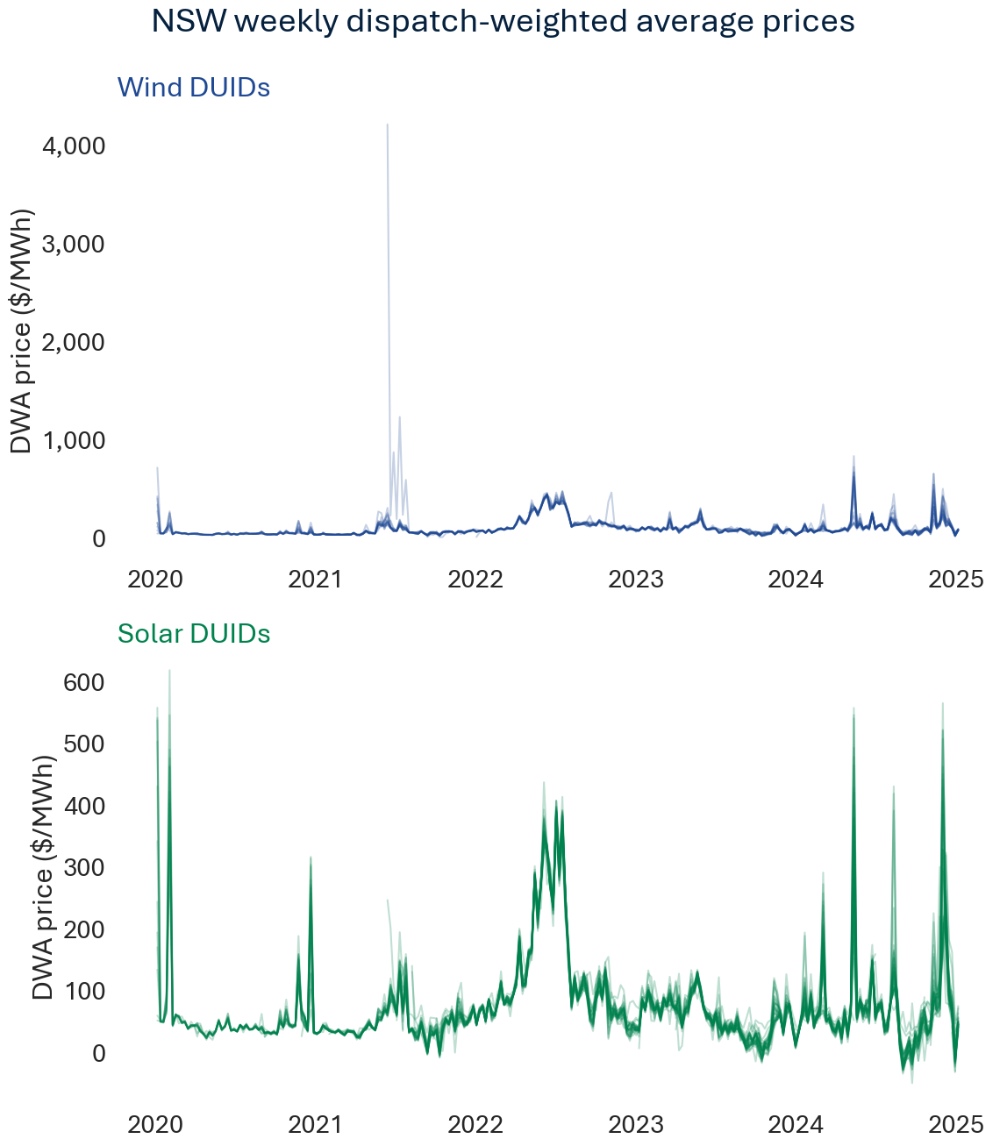

Daily dispatch-weighted average prices
Technology | Solar
DUID | AVLSF1 | BERYLSF1 | BOMENSF1 | BROKENH1 | COLEASF1 | CRWASF1 | DARLSF1 | FINLYSF1 | GNNDHSF1 | GOONSF1 | GULLRSF1 | HILLSTN1 | JEMALNG1 | JUNEESF1 | LIMOSF11 | LIMOSF21 | MANSLR1 | METZSF1 | MOLNGSF1 | MOREESF1 | NEVERSF1 | NEWENSF1
Date
2020-01-01 |  | $36.38 |  | $37.94 | $39.56 |  |  | $38.85 |  |  | $35.74 |  |  |  |  | $57.86 | $35.45 |  |  | $36.96 | $38.41
2020-01-02 |  | $60.02 |  | $61.33 | $60.78 |  |  | $51.45 |  |  | $59.79 |  |  |  |  | $62.93 | $59.95 |  |  | $58.66 | $60.45
2020-01-03 |  | $59.66 |  | $61.61 | $60.68 |  |  | $52.89 |  |  | $58.39 |  |  |  |  | $61.01 | $59.90 |  |  | $60.46 | $60.42
2020-01-04 |  | $2,332.69 |  | $57.18 | $475.64 |  |  | $425.03 |  |  | $687.63 |  |  |  |  | $55.34 | $2,246.27 |  |  | $2,188.61 | $2,571.66
2020-01-05 |  | $39.27 |  | $40.83 | $38.59 |  |  | $43.16 |  |  | $38.75 |  |  |  |  |  | $39.26 |  |  | $40.13 | $39.81
2020-01-06 |  | $50.98 |  | $52.32 | $51.66 |  |  | $52.13 |  |  | $52.33 |  |  |  |  |  | $51.44 |  |  | $51.83 | $51.58
...
2024-12-23 | -$20.20 | -$18.38 | -$22.02 | -$27.91 | -$21.13 | -$15.61 | -$20.94 | -$19.63 | -$7.07 | -$25.59 | -$12.95 | $32.61 | -$24.76 | -$3.32 | $3.31 | $1.18 | -$0.97 | -$19.62 | $3.47 | -$21.78 | -$19.60 | -$7.13
2024-12-24 | -$9.45 | -$21.15 | -$21.72 | -$26.85 | -$18.89 | -$13.34 | -$19.89 | -$17.61 | -$1.59 | -$15.35 | -$20.76 | $58.28 | -$20.45 | -$2.53 | $24.85 | $23.96 | $55.48 | -$5.12 | $51.67 | -$21.29 | -$21.38 | -$4.74
2024-12-25 | $5.10 | $2.79 | -$23.43 | -$28.78 | -$19.47 | $21.41 | -$19.73 | -$19.50 | $30.24 | -$15.03 | $11.43 | $70.57 | -$3.30 | $34.55 | $44.45 | $48.56 | $74.06 | -$23.08 | $64.19 | -$23.51 | $1.22 | $31.61
2024-12-26 | $12.84 | -$8.17 | -$20.71 | -$29.37 | -$18.56 | -$1.31 | -$19.23 | -$24.61 | $4.72 | -$18.31 | -$14.76 | $39.50 | -$19.06 | $10.03 | -$2.12 | -$5.41 | $44.80 | -$26.61 | $23.38 | -$20.33 | -$15.25 | $12.96
2024-12-27 | $17.66 | $35.41 | -$1.00 | $1.37 | $6.68 | $48.76 | $7.36 | $6.69 | $47.65 | $9.49 | $62.98 | $70.24 | $19.57 | $48.60 | $60.43 | $59.65 | $60.24 | $17.75 | $64.16 | -$4.07 | $36.88 | $70.74
2024-12-28 | -$12.57 | -$18.72 | -$19.26 | -$24.52 | -$18.73 | -$11.66 | -$18.61 | -$19.51 | -$10.52 | -$13.47 | -$10.47 | $19.83 | -$19.76 | -$8.57 | $5.08 | $5.71 | $27.51 | $18.06 | $12.76 | -$19.64 | -$19.18 | -$12.41
2024-12-29 | $10.16 | -$11.57 | -$12.62 | -$15.04 | -$9.08 | $5.74 | -$9.91 | -$8.22 | $6.92 | $0.19 | -$4.93 | $51.07 | -$9.93 | $6.00 | $35.28 | $33.68 | $57.89 | $32.18 | $32.70 | -$12.62 | -$11.79 | -$5.16
2024-12-30 | $46.65 | $43.48 | $50.38 | $53.89 | $45.32 | $45.42 | $45.63 | $44.92 | $45.21 | $53.51 | $40.88 | $54.66 | $46.14 | $51.18 | $46.46 | $48.02 | $48.62 | $41.50 | $57.62 | $39.30 | $46.37 | $38.32
2024-12-31 | $53.79 | $44.69 | $41.24 | $48.20 | $45.72 | $53.29 | $45.71 | $46.19 | $57.75 | $59.14 | $55.71 | $57.04 | $45.41 | $48.06 | $55.71 | $56.96 | $81.20 | $18.61 | $72.09 | $35.83 | $41.13 | $53.33

QLD
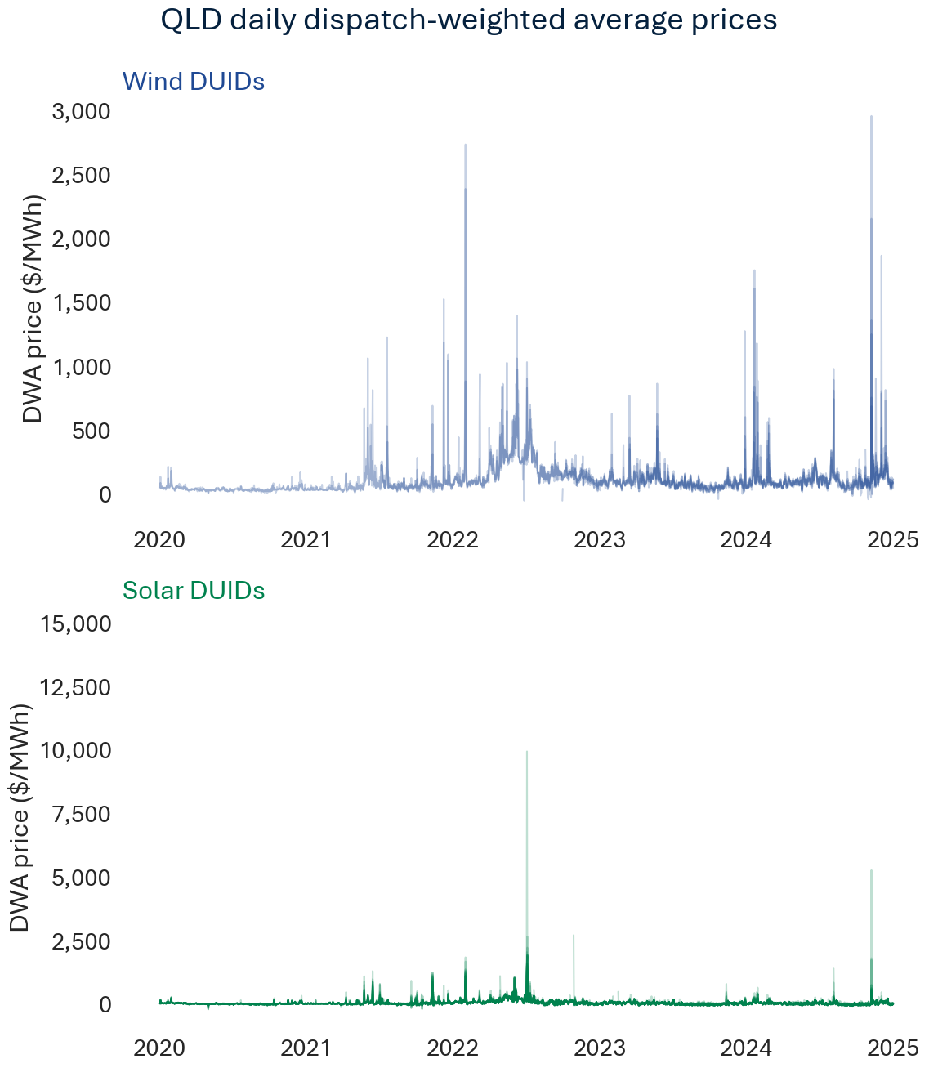
...
Quarterly dispatch-weighted average prices
2022-12-31 | $49.01 | $52.12 | $77.95 | $58.54 | $47.15 | $53.47 | $57.82 | $45.41 |  | $66.72 | $61.57 | $55.48 | $67.10 | $70.78 | $63.61 |  | $69.00 | $80.22 | $50.98 | $63.23 | $39.86 | $66.58
2023-03-31 | $59.27 | $60.03 | $78.06 | $63.18 | $58.68 | $61.33 | $62.46 | $52.21 | $64.73 | $73.40 | $61.31 | $66.57 | $68.04 | $69.21 | $73.89 |  | $73.56 | $72.06 | $57.64 | $60.00 | $66.90 | $62.80
2023-06-30 | $43.50 | $41.15 | $67.63 | $47.29 | $35.26 | $39.11 | $47.52 | $33.27 | $42.64 | $60.48 | $43.21 | $45.34 | $54.67 | $52.10 | $54.82 |  | $59.82 | $44.52 | $34.51 | $44.98 | $49.01 | $46.95
2023-09-30 | -$0.99 | -$6.46 | $41.69 | $1.49 | -$4.03 | -$7.17 | -$2.15 | -$11.08 | -$5.08 | $31.66 | -$5.16 | -$1.89 | $16.09 | $8.23 | $7.29 |  | $6.94 | $3.96 | -$8.31 | $1.07 | -$4.18 | $28.09
2023-12-31 | $18.38 | $12.58 | $57.37 | $17.22 | $14.51 | $10.99 | $15.67 | $4.37 | $12.30 | $51.25 | $16.08 | $15.49 | $33.48 | $22.72 | $23.27 |  | $23.82 | $22.22 | $10.31 | $20.34 | $17.89 | $29.59
2024-03-31 | $58.77 | $58.24 | $63.82 | $62.32 | $60.97 | $58.38 | $62.58 | $51.73 | $50.91 | $76.09 | $64.91 | $61.57 | $60.46 | $62.83 | $81.24 |  | $68.86 | $59.77 | $54.75 | $65.27 | $59.29 | $56.88
2024-06-30 | $28.23 | $24.77 | $35.16 | $29.81 | $25.99 | $25.31 | $30.49 | $14.90 | $21.47 | $61.45 | $29.09 | $31.19 | $38.31 | $37.71 | $37.37 |  | $49.68 | $31.30 | $21.47 | $29.84 | $26.43 | $37.12
2024-09-30 | $7.83 | $12.75 | $27.71 | $11.51 | $3.41 | $6.11 | $15.18 | -$2.33 | $0.62 | $7.92 | $13.73 | $19.69 | $30.46 | $33.58 | $12.48 | $7.38 | $49.00 | $22.70 | $1.15 | $11.06 | $9.03 | $32.68
2024-12-31 | $33.25 | $46.55 | $51.69 | $36.20 | $26.67 | $29.44 | $42.64 | $19.48 | $34.51 | $34.15 | $53.43 | $42.70 | $48.16 | $63.39 | $35.20 | $30.65 | $90.54 | $40.79 | $37.67 | $26.61 | $33.37 | $63.09

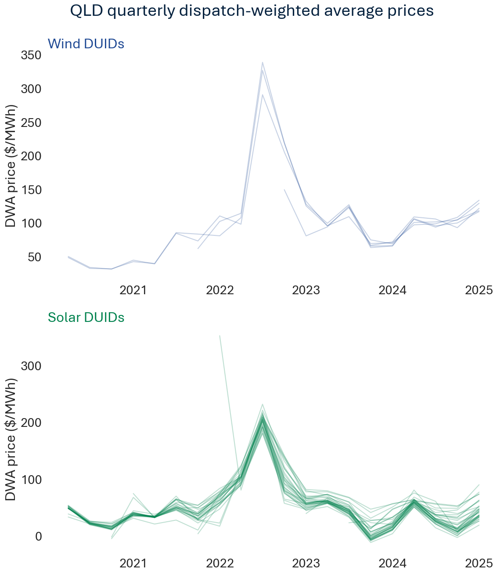

Weekly dispatch-weighted average prices
Technology | Solar
DUID | BLUEGSF1 | CHILDSF1 | CLARESF1 | CLERMSF1 | COLUMSF1 | CSPVPS1 | DAYDSF1 | DDSF1 | EDENVSF1 | EMERASF1 | GANGARR1 | HAMISF1 | HAUGHT11 | HAYMSF1 | KEPSF1 | KINGASF1 | KSP1 | LILYSF1 | MARYRSF1 | MIDDLSF1 | MOUSF1 | OAKEY1SF
Week
2020-01-05 |  | $73.08 | $66.23 | $70.29 |  | $65.43 | $60.95 | $63.84 |  | $70.88 |  | $60.96 | $75.16 | $61.51 |  |  | $74.33 | $71.77 |  |  |  | $70.94
2020-01-12 |  | $49.95 | $49.50 | $49.79 |  | $48.36 | $48.41 | $49.20 |  | $50.11 |  | $49.30 | $50.95 | $48.09 |  |  | $49.33 | $49.86 |  |  |  | $50.18
2020-01-19 |  | $46.28 | $46.13 | $45.84 |  | $45.56 | $45.17 | $46.62 |  | $45.08 |  | $44.97 | $46.30 | $44.97 |  |  | $45.86 | $45.65 |  |  |  | $46.71
2020-01-26 |  | $68.12 | $66.22 | $74.74 |  | $68.84 | $66.33 | $67.53 |  | $77.68 |  | $66.84 | $65.22 | $66.43 |  |  | $66.93 | $70.19 |  |  |  | $76.55
2020-02-02 |  | $113.67 | $97.16 | $116.84 |  | $104.06 | $113.75 | $91.54 |  | $119.78 |  | $112.70 | $117.84 | $111.15 |  |  | $87.69 | $107.26 |  |  |  | $109.57
2020-02-09 |  | $48.74 | $43.89 | $45.11 |  | $43.23 | $44.30 | $44.35 |  | $44.52 |  | $43.72 | $44.86 | $44.42 |  |  | $44.38 | $44.55 |  |  |  | $45.37
...
2024-11-10 | $96.53 | $101.30 | $110.69 | $94.99 | $80.42 | $75.54 | $86.06 | $56.63 | $57.34 | $98.20 | $111.00 | $90.82 | $119.69 | $94.89 | $50.34 | $144.13 | $187.01 | $92.80 | $64.18 | $47.53 | $115.10 | $102.61
2024-11-17 | $54.26 | $71.87 | $83.21 | $64.45 | $53.23 | $70.14 | $81.14 | $54.99 | $53.41 | $64.75 | $77.28 | $80.93 | $88.26 | $90.96 | $71.24 | $62.32 | $102.63 | $68.77 | $69.13 | $72.46 | $61.02 | $69.63
2024-11-24 | $39.45 | $58.76 | $61.87 | $49.11 | $33.24 | $60.15 | $71.58 | $29.18 | $44.15 | $46.08 | $86.20 | $63.44 | $62.14 | $81.02 | $66.68 | $41.12 | $109.21 | $51.23 | $56.80 | $53.69 | $40.39 | $60.51
2024-12-01 | $66.44 | $75.98 | $74.92 | $68.07 | $67.76 | $62.86 | $72.54 | $61.16 | $63.50 | $69.91 | $77.29 | $71.70 | $71.53 | $72.29 | $67.10 | $68.61 | $67.14 | $64.50 | $68.16 | $62.37 | $67.56 | $75.58
2024-12-08 | $104.12 | $83.18 | $103.01 | $125.70 | $89.36 | $84.04 | $99.45 | $73.44 | $97.03 | $89.68 | $118.32 | $96.85 | $98.13 | $100.32 | $94.95 | $107.57 | $94.73 | $95.23 | $95.75 | $81.28 | $77.52 | $101.35
2024-12-15 | $97.77 | $101.14 | $96.87 | $110.05 | $95.00 | $95.91 | $98.67 | $89.56 | $93.78 | $104.24 | $108.98 | $98.60 | $98.12 | $98.47 | $105.24 | $156.49 | $97.75 | $91.32 | $101.14 | $114.26 | $97.09 | $101.32
2024-12-22 | $62.05 | $62.25 | $124.23 | $75.71 | $57.60 | $63.48 | $65.59 | $61.43 | $86.85 | $56.35 | $74.80 | $65.48 | $78.10 | $62.51 | $80.09 | $42.18 | $108.41 | $64.40 | $77.24 | $61.33 | $56.68 | $86.69
2024-12-29 | -$15.72 | -$5.22 | $55.22 | -$17.21 | -$18.09 | -$22.10 | -$7.41 | -$26.24 | $22.17 | -$18.67 | -$8.24 | -$9.84 | -$11.75 | $2.00 | -$10.82 | -$18.76 | $33.04 | -$19.14 | $14.35 | -$4.45 | -$15.62 | $30.25
2025-01-05 | $33.11 | $30.06 | $58.88 | $31.18 | $29.56 | $27.57 | $30.36 | $16.20 | $41.42 | $35.73 | $31.48 | $29.50 | $40.11 | $29.28 | $38.76 | $25.85 | $56.67 | $37.37 | $27.47 | $32.27 | $31.22 | $21.42

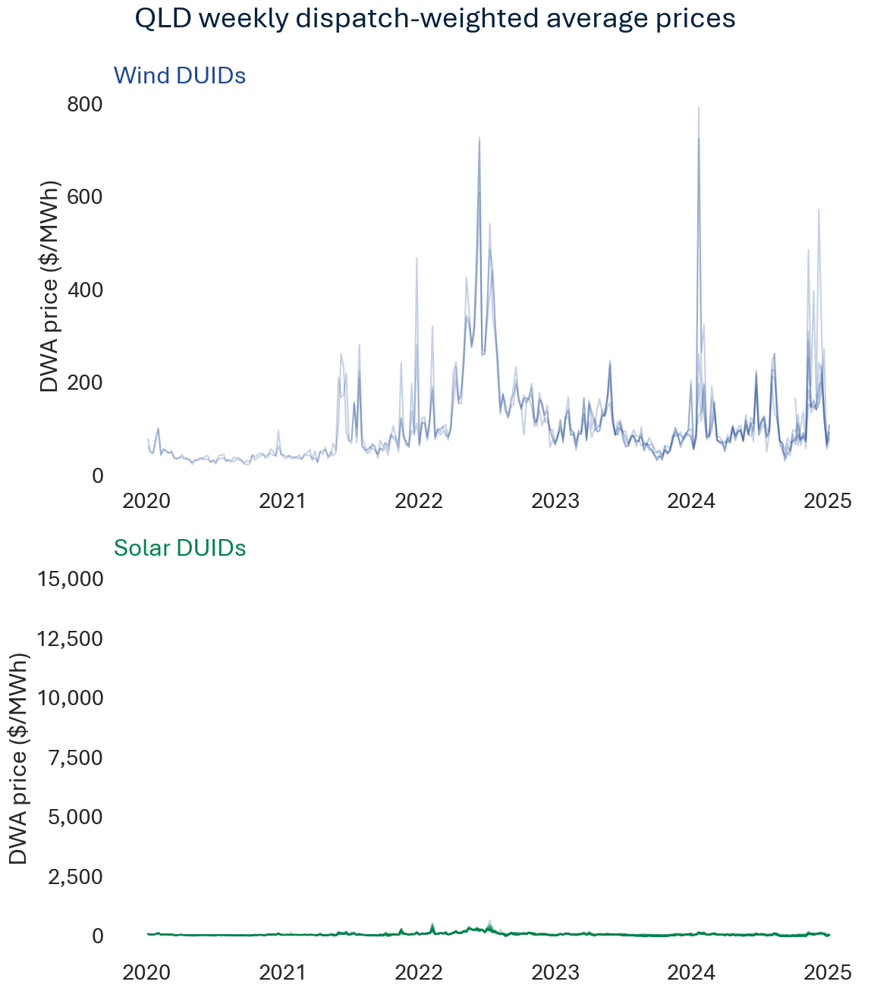

Daily dispatch-weighted average prices
Technology | Solar
DUID | BLUEGSF1 | CHILDSF1 | CLARESF1 | CLERMSF1 | COLUMSF1 | CSPVPS1 | DAYDSF1 | DDSF1 | EDENVSF1 | EMERASF1 | GANGARR1 | HAMISF1 | HAUGHT11 | HAYMSF1 | KEPSF1 | KINGASF1 | KSP1 | LILYSF1 | MARYRSF1 | MIDDLSF1 | MOUSF1 | OAKEY1SF
Date
2020-01-01 |  | $37.27 | $37.05 | $36.63 |  | $34.36 | $35.99 | $33.98 |  | $36.66 |  | $34.25 | $37.17 | $35.68 |  |  | $30.95 | $36.30 |  |  |  | $36.38
2020-01-02 |  | $59.25 | $60.63 | $59.02 |  | $58.42 | $59.51 | $57.51 |  | $59.20 |  | $59.07 | $60.47 | $59.05 |  |  | $59.21 | $58.95 |  |  |  | $58.36
2020-01-03 |  | $56.67 | $55.65 | $58.66 |  | $55.14 | $55.57 | $55.92 |  | $58.54 |  | $55.02 | $55.25 | $55.41 |  |  | $58.65 | $58.02 |  |  |  | $56.43
2020-01-04 |  | $155.89 | $157.03 | $159.07 |  | $127.82 | $113.72 | $137.70 |  | $162.69 |  | $113.66 | $185.12 | $118.84 |  |  | $199.98 | $161.67 |  |  |  | $166.17
2020-01-05 |  | $38.64 | $39.09 | $36.15 |  | $35.58 | $35.61 | $34.56 |  | $36.08 |  | $34.69 | $38.51 | $35.14 |  |  | $37.58 | $35.52 |  |  |  | $34.61
2020-01-06 |  | $50.46 | $52.16 | $51.77 |  | $51.34 | $51.02 | $51.27 |  | $51.84 |  | $50.69 | $51.95 | $50.64 |  |  | $51.25 | $51.95 |  |  |  | $51.68
...
2024-12-23 | -$10.86 | $1.43 | $69.13 | -$12.30 | -$16.66 | -$23.34 | -$11.36 | -$28.76 | $55.63 | -$14.53 | $6.34 | -$5.85 | -$10.80 | $12.41 | $8.54 | -$17.32 | $48.84 | -$15.14 | $39.60 | $14.46 | -$12.87 | $42.83
2024-12-24 | -$21.56 | -$21.77 | $31.87 | -$23.83 | -$23.59 | -$28.66 | -$24.22 | -$31.25 | -$0.04 | -$25.07 | -$9.86 | -$23.00 | -$22.92 | -$20.47 | -$21.58 | -$25.15 | $21.98 | -$24.37 | -$7.58 | -$19.39 | -$22.86 | $9.75
2024-12-25 | -$24.17 | -$11.68 | $34.71 | -$27.81 | -$27.10 | -$32.13 | -$0.07 | -$34.94 | -$0.24 | -$28.78 | $1.00 | -$15.45 | -$25.21 | -$9.35 | -$25.95 | -$29.05 | -$16.59 | -$28.88 | -$4.39 | -$6.13 | -$26.30 | $15.16
2024-12-26 | -$22.51 | -$15.58 | $28.03 | -$21.31 | -$24.50 | -$25.84 | -$0.55 | -$30.64 | $13.41 | -$22.79 | -$21.29 | -$21.07 | -$19.64 | -$7.90 | -$24.55 | -$28.51 | $33.35 | -$28.73 | $0.06 | -$9.19 | -$23.49 | $10.02
2024-12-27 | -$12.12 | $3.44 | $76.61 | -$7.32 | -$13.75 | -$14.65 | $2.95 | -$20.65 | $28.56 | -$9.68 | -$5.16 | $0.65 | -$1.95 | $8.93 | -$9.48 | -$9.02 | $46.68 | -$8.54 | $34.04 | $9.44 | -$5.08 | $48.27
2024-12-28 | -$5.31 | $8.42 | $75.63 | -$11.03 | -$5.53 | -$7.58 | $13.05 | -$15.16 | $39.31 | -$18.09 | -$15.04 | $11.89 | $9.88 | $45.90 | $8.83 | -$4.29 | $33.43 | -$15.74 | $20.37 | -$10.87 | $0.24 | $46.63
2024-12-29 | -$11.72 | -$4.83 | $36.25 | -$17.61 | -$13.99 | -$20.76 | -$14.66 | -$19.90 | $24.83 | -$12.54 | $4.74 | -$14.79 | -$12.29 | -$3.44 | -$8.58 | -$17.15 | -$0.17 | -$16.10 | $20.42 | -$10.84 | -$17.92 | $21.91
2024-12-30 | $48.24 | $46.59 | $50.94 | $51.33 | $48.61 | $41.22 | $42.71 | $34.62 | $34.91 | $54.29 | $42.40 | $42.60 | $50.77 | $40.43 | $52.54 | $37.34 | $53.95 | $48.99 | $33.40 | $44.71 | $38.08 | $33.72
2024-12-31 | $25.02 | $8.19 | $71.74 | $15.96 | $17.06 | $18.11 | $23.47 | $6.18 | $46.04 | $20.79 | $24.69 | $22.59 | $30.48 | $23.18 | $23.36 | -$5.93 | $60.47 | $24.94 | $22.13 | $21.55 | $26.17 | $14.14

SA
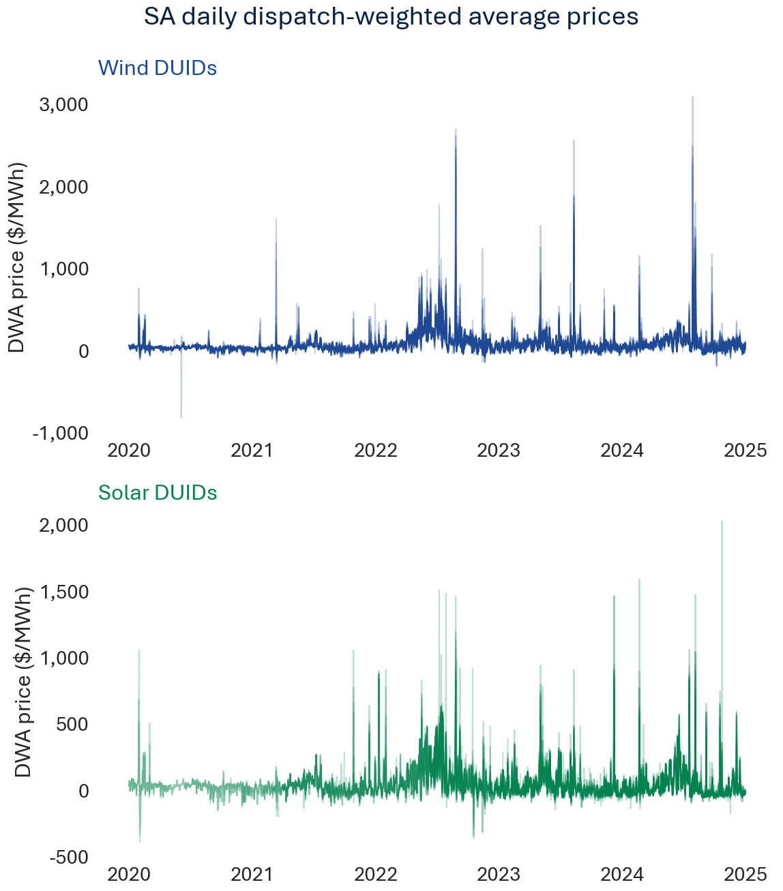
...
Quarterly dispatch-weighted average prices
2022-12-31 | $60.17 | $5.41 | $4.85 | $13.91 | $40.50 |  | $46.40 |  | $31.35 | $36.00 | $38.82 | $41.05 | $41.31 | -$22.70 |  | $24.95 | $31.64 | $77.49 | $45.55 | $51.33
2023-03-31 | $34.47 | $27.62 | $24.00 | $35.69 | $31.95 |  | $44.75 | $10.41 | $45.20 | $27.75 | $29.44 | $37.24 | $37.27 | $26.51 |  | $27.25 | $45.72 | $77.78 | $49.90 | $58.51
2023-06-30 | $75.92 | $69.05 | $69.58 | $33.34 | $64.28 |  | $70.93 | $67.33 | $67.11 | $75.00 | $83.79 | $84.59 | $79.22 | $65.57 |  | $62.06 | $52.91 | $87.82 | $49.78 | $76.65
2023-09-30 | $38.77 | $31.64 | $29.02 | $1.84 | $27.00 |  | $29.21 | $15.61 | $17.93 | $38.86 | $31.68 | $56.55 | $35.25 | $21.36 | -$13.56 | $23.13 | $33.68 | $64.10 | $30.56 | $59.17
2023-12-31 | $15.95 | $3.46 | -$0.18 | $5.51 | $19.19 | -$29.10 | $8.83 | $12.99 | $5.99 | $0.08 | $1.27 | $1.64 | -$1.10 | -$8.95 | $41.76 | $9.50 | $26.11 | $52.34 | $28.68 | $33.18
2024-03-31 | $27.49 | $27.38 | $21.19 | $15.23 | $16.96 | $53.93 | $24.96 | $31.41 | $22.56 | $20.12 | $21.76 | $14.93 | $23.91 | $13.93 | $29.60 | $27.64 | $52.53 | $61.83 | $47.65 | $59.01
2024-06-30 | $78.11 | $80.94 | $78.65 | $80.63 | $61.02 | $93.45 | $73.74 | $75.69 | $81.99 | $102.08 | $74.91 | $80.69 | $71.15 | $81.87 | $77.36 | $75.66 | $86.81 | $116.33 | $107.66 | $88.33 | $107.68
2024-09-30 | $18.44 | $58.13 | $58.95 | $32.37 | $0.96 | $68.23 | $35.15 | $30.20 | $27.57 | $26.00 | $40.59 | $39.79 | $47.48 | $38.95 | $53.43 | $51.20 | $64.20 | $88.30 | $48.42 | $72.95 | $34.18
2024-12-31 | $23.42 | $31.18 | $23.83 | $17.20 | $21.57 | $29.77 | $30.53 | $18.91 | $24.50 | $25.81 | $27.09 | $12.42 | $10.48 | $11.64 | $29.95 | $46.11 | $41.58 | $53.94 | $43.32 | $65.23 | $62.66 | $37.65

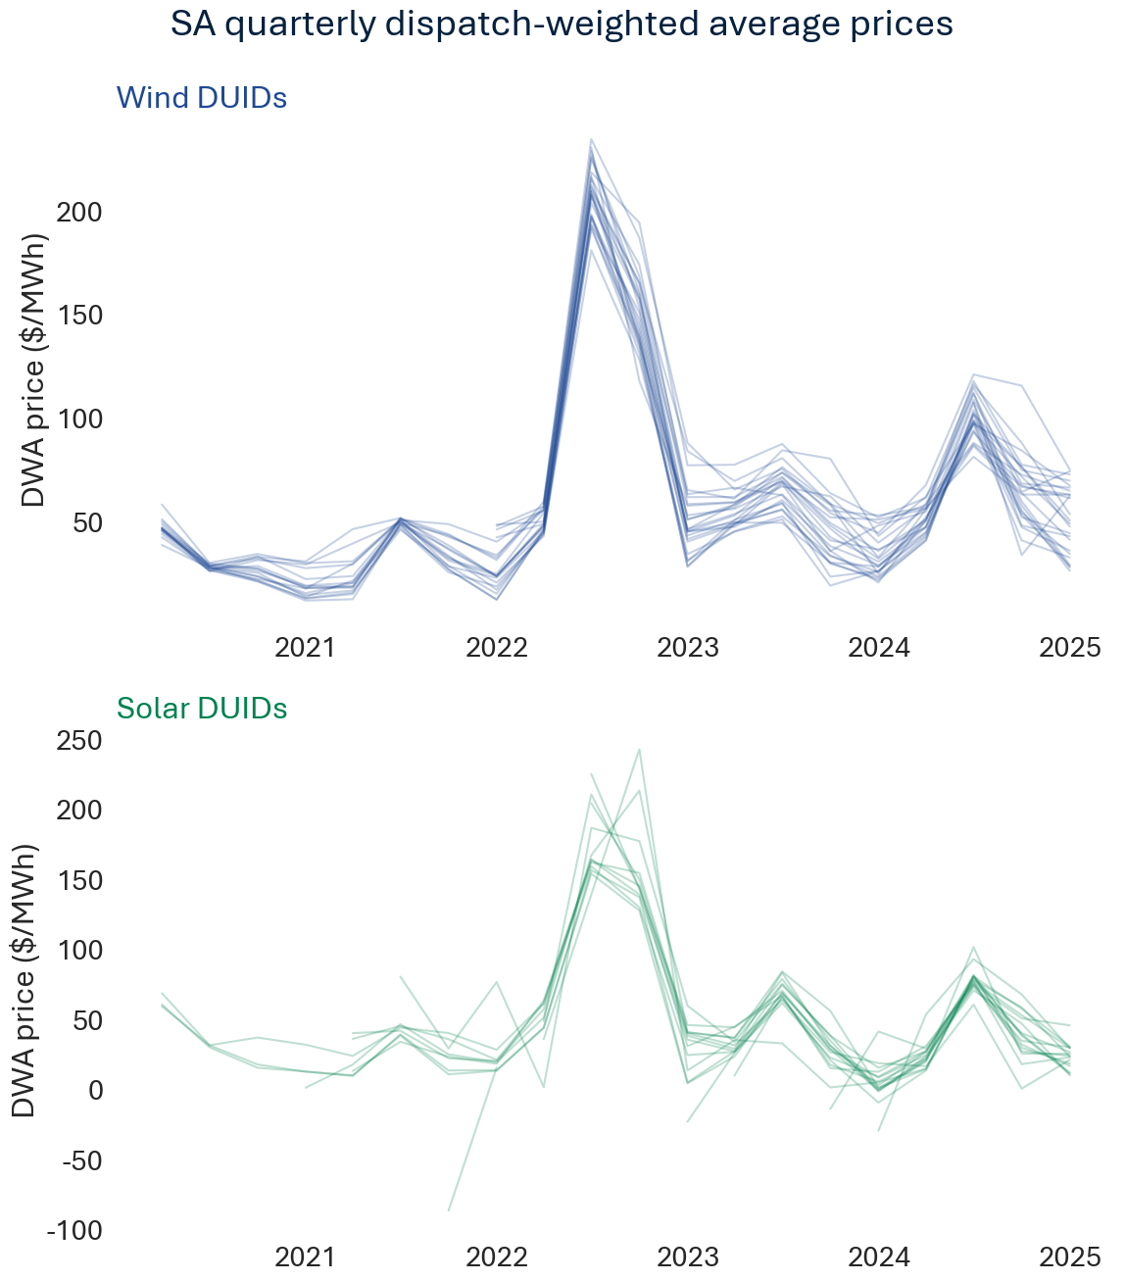

Weekly dispatch-weighted average prices
Technology | Solar |  |  |  |  |  |  |  |  |  |  |  |  |  |  |  | Wind
DUID | ADPPV1 | BNGSF1 | BNGSF2 | BOWWPV1 | HVWWPV1 | MANNSF2 | MAPS2PV1 | MAPS3PV1 | MBPS2PV1 | MWPS1PV1 | MWPS2PV1 | MWPS3PV1 | MWPS4PV1 | PAREPS1 | TB2SF1 | TBSF1 | BLUFF1 | CATHROCK | CLEMGPWF | CNUNDAWF | GSWF1A | GSWF1B1
Week
2020-01-05 |  | $45.86 | $43.79 |  |  |  |  |  |  |  |  |  |  |  |  | $49.31 | $37.91 |  | $38.54
2020-01-12 |  | $51.69 | $54.24 |  |  |  |  |  |  |  |  |  |  |  |  | $50.85 | $50.11 |  | $50.34
2020-01-19 |  | $52.78 | $53.48 |  |  |  |  |  |  |  |  |  |  |  |  | $51.42 | $47.57 |  | $47.61
2020-01-26 |  | $34.66 | $33.21 |  |  |  |  |  |  |  |  |  |  |  |  | $40.44 | $31.93 |  | $33.31
2020-02-02 |  | $201.19 | $205.01 |  |  |  |  |  |  |  |  |  |  |  |  | $301.55 | $113.42 |  | $129.70
2020-02-09 |  | -$3.30 | -$4.76 |  |  |  |  |  |  |  |  |  |  |  |  | $17.61 | $16.05 |  | $3.67
...
2024-11-10 | -$3.66 | $7.73 | $5.77 | -$6.88 | -$9.03 | $10.50 | -$3.70 | -$9.39 | -$11.57 | -$19.95 | -$19.15 | -$18.04 | -$19.68 | -$21.57 | $4.36 | $2.30 | $25.12 | $42.74 | $37.95 | $46.30 | $54.85
2024-11-17 | $21.02 | $32.98 | $27.48 | $17.46 | $17.50 | $35.26 | $24.10 | $56.88 | $13.53 | $5.00 | $5.88 | $8.55 | $5.66 | -$49.20 | $51.45 | $32.77 | $54.34 | $69.18 | $47.64 | $84.69 | $77.27 | -$2.57
2024-11-24 | $35.58 | $35.49 | $25.27 | $30.20 | $39.17 | $34.75 | $46.39 |  | $40.61 | $17.39 | $30.54 | $25.23 | $30.79 | $33.99 | $40.35 | $45.70 | $66.66 | $83.98 | $82.07 | $89.17 | $89.03 | $76.60
2024-12-01 | $67.76 | $91.75 | $73.34 | $63.95 | $68.87 | $53.14 | $50.79 |  | $67.54 | $66.88 | $70.47 | $66.57 | $60.14 | $56.59 | $64.18 | $64.25 | $72.14 | $84.82 | $72.77 | $109.11 | $104.23 | $58.01
2024-12-08 | $90.10 | $126.63 | $125.46 | $90.02 | $94.31 | $14.32 | $136.18 | $123.97 | $162.62 | $166.39 | $159.62 | $153.64 | $90.93 | $149.01 | $99.29 | $169.34 | $64.32 | $98.57 | $68.76 | $108.43 | $91.32 | $71.90
2024-12-15 | $54.36 | $40.08 | $41.91 | $50.31 | $59.97 | $66.15 | $66.56 | $53.49 | $57.76 | $60.83 | $61.24 | $40.47 | $39.63 | $44.99 | $51.17 | $59.26 | $103.09 | $123.25 | $127.63 | $114.46 | $129.12 | $132.92
2024-12-22 | -$8.36 | -$12.96 | -$20.51 | -$17.44 | -$13.95 | $11.43 | -$11.87 | -$16.16 | $6.86 | $3.88 | $1.97 | -$5.97 | -$3.70 | -$35.30 | $3.47 | $2.62 | $43.71 | $39.41 | $19.15 | $56.26 | $63.49 | $20.64
2024-12-29 | -$22.89 | -$3.28 | -$11.53 | -$27.22 | -$24.59 | -$1.77 | -$21.61 | -$25.87 | -$12.21 | -$13.03 | -$12.77 | -$19.00 | -$19.05 | -$24.53 | -$9.60 | -$0.39 | $14.85 | $13.41 | -$0.35 | $22.59 | $29.28 | -$6.78
2025-01-05 | -$13.32 | -$3.20 | -$17.42 | -$15.13 | -$10.60 | $8.35 | -$10.26 | -$11.96 | -$3.01 | -$2.23 | -$2.90 | -$6.08 | -$8.01 | -$16.61 | -$6.33 | -$15.97 | $49.22 | $59.28 | $90.10 | $28.80 | $74.56 | $49.26

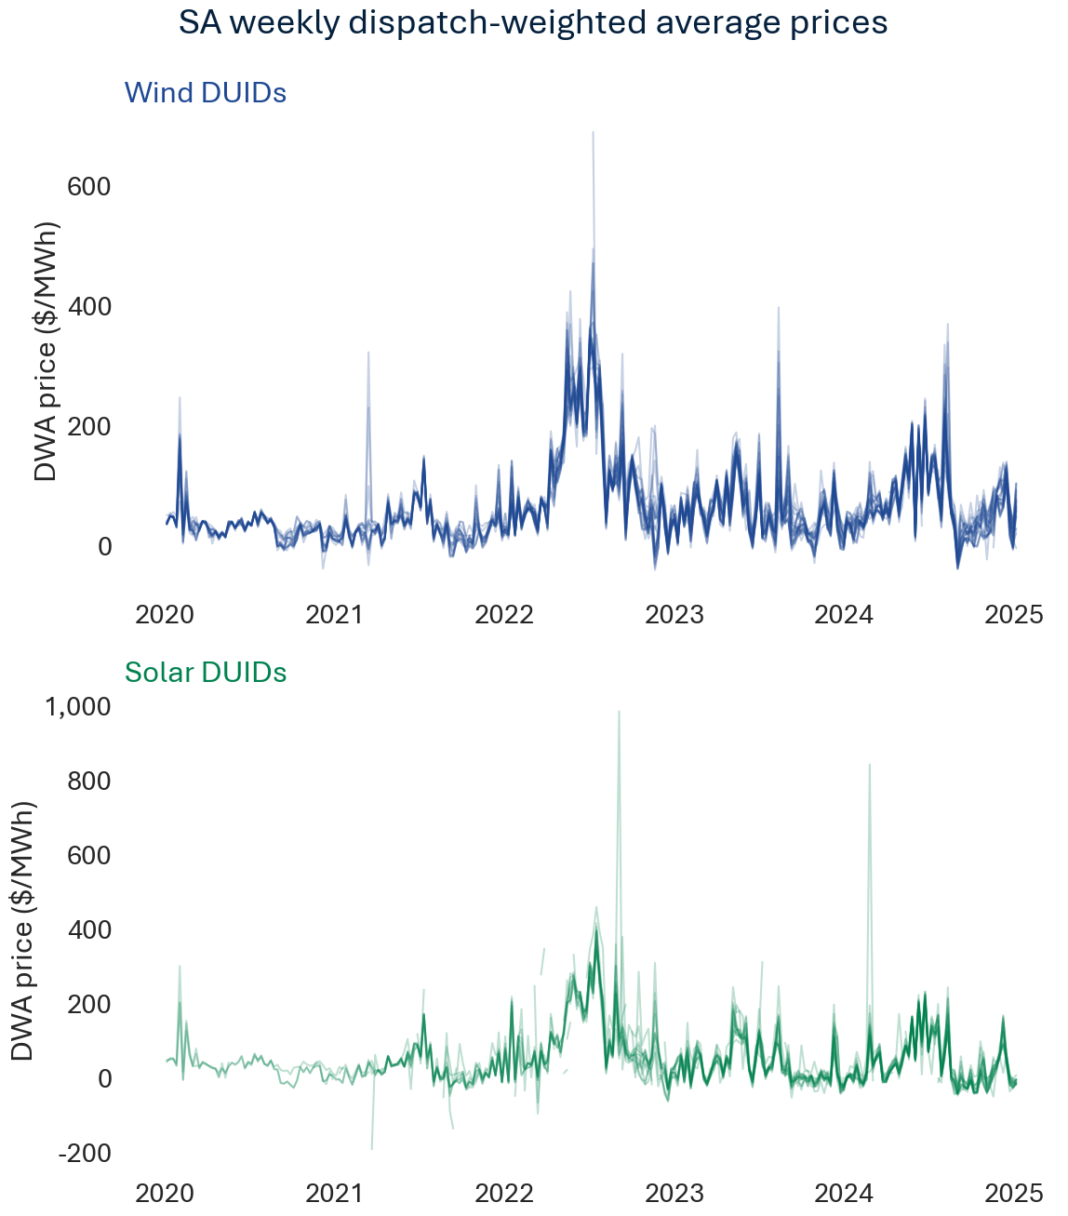

Daily dispatch-weighted average prices
Technology | Solar |  |  |  |  |  |  |  |  |  |  |  |  |  |  |  | Wind
DUID | ADPPV1 | BNGSF1 | BNGSF2 | BOWWPV1 | HVWWPV1 | MANNSF2 | MAPS2PV1 | MAPS3PV1 | MBPS2PV1 | MWPS1PV1 | MWPS2PV1 | MWPS3PV1 | MWPS4PV1 | PAREPS1 | TB2SF1 | TBSF1 | BLUFF1 | CATHROCK | CLEMGPWF | CNUNDAWF | GSWF1A | GSWF1B1
Date
2020-01-01 |  | $35.72 | $36.35 |  |  |  |  |  |  |  |  |  |  |  |  | $33.65 | $67.48 |  | $59.70
2020-01-02 |  | $74.47 | $74.77 |  |  |  |  |  |  |  |  |  |  |  |  | $73.99 | $69.30 |  | $62.26
2020-01-03 |  | $62.10 | $62.59 |  |  |  |  |  |  |  |  |  |  |  |  | $63.04 | $59.17 |  | $55.46
2020-01-04 |  | -$1.10 | -$5.71 |  |  |  |  |  |  |  |  |  |  |  |  | -$4.73 | $24.32 |  | $20.35
2020-01-05 |  | $3.67 | $4.64 |  |  |  |  |  |  |  |  |  |  |  |  | $1.44 | $14.24 |  | $17.99
2020-01-06 |  | $58.24 | $59.55 |  |  |  |  |  |  |  |  |  |  |  |  | $59.93 | $57.07 |  | $51.45
...
2024-12-23 | -$49.80 | -$40.14 | -$48.45 | -$54.11 | -$53.38 | -$23.76 | -$49.26 | -$53.20 | -$25.31 | -$24.25 | -$24.21 | -$26.69 | -$27.59 | -$54.96 | -$30.45 | -$40.24 | $3.56 | -$11.44 | -$21.73 | $10.04 | $8.45 | -$23.03
2024-12-24 | -$16.29 | $9.93 | $3.74 | -$15.93 | -$8.21 | -$4.22 | -$13.37 | -$12.31 | -$15.14 | -$13.99 | -$14.73 | -$17.09 | -$18.19 | -$15.34 | -$10.50 | $31.58 | $82.04 | $71.08 | $63.19 | $69.46 | $70.36 | $60.95
2024-12-25 | -$11.20 | $41.31 | $31.98 | -$13.38 | -$8.74 | $19.46 | -$11.58 | -$10.67 | $0.69 | $2.33 | $0.90 | -$5.44 | -$7.34 | -$2.41 | $8.95 | $25.54 | $58.98 | $38.43 | $32.66 | $73.56 | $48.98 | $19.56
2024-12-26 | -$31.63 | -$30.44 | -$30.55 | -$32.26 | -$33.10 | -$28.79 | -$33.94 | -$33.56 | -$28.13 | -$27.68 | -$27.99 | -$30.47 | -$29.37 | -$10.56 | -$29.63 | -$35.54 | -$24.59 | -$28.15 | -$27.95 | -$22.10 | -$25.55 | -$27.65
2024-12-27 | -$32.28 | -$17.38 | -$23.43 | -$37.25 | -$35.90 | -$7.49 | -$32.54 | -$35.68 | -$13.92 | -$8.90 | -$9.23 | -$36.98 | -$14.10 | -$34.44 | -$15.02 | -$23.18 | $5.57 | $5.67 | -$19.58 | $15.85 | $18.68 | -$21.19
2024-12-28 | -$33.22 | -$13.20 | -$29.28 | -$36.77 | -$34.04 | -$6.79 | -$30.69 | -$34.50 | -$5.38 | -$7.06 | -$7.18 | -$20.71 | -$11.18 | -$40.64 | -$18.09 | $10.45 | $26.15 | $23.86 | -$12.55 | $52.13 | $50.96 | -$18.35
2024-12-29 | -$23.28 | -$2.82 | -$0.23 | -$26.42 | -$21.52 | -$0.44 | -$18.48 | -$26.14 | -$11.53 | -$21.15 | -$16.59 | -$20.44 | -$23.07 | -$27.98 | -$12.60 | -$6.83 | $87.10 | $35.56 | $39.66 | $71.00 | $91.54 | $88.90
2024-12-30 | -$4.88 | $9.51 | -$3.93 | -$5.72 | $0.03 | $12.60 | -$1.90 | -$2.56 | $1.32 | $1.81 | $1.05 | -$0.71 | -$2.77 | -$2.81 | $2.28 | $2.62 | $82.12 | $55.37 | $89.13 | $47.85 | $74.10 | $64.42
2024-12-31 | -$24.86 | -$15.63 | -$29.57 | -$26.97 | -$23.79 | $1.36 | -$21.12 | -$23.35 | -$10.83 | -$9.90 | -$10.36 | -$15.80 | -$15.82 | -$30.64 | -$16.31 | -$28.70 | $22.44 | $61.24 | $91.29 | $15.22 | $75.13 | $33.99

VIC
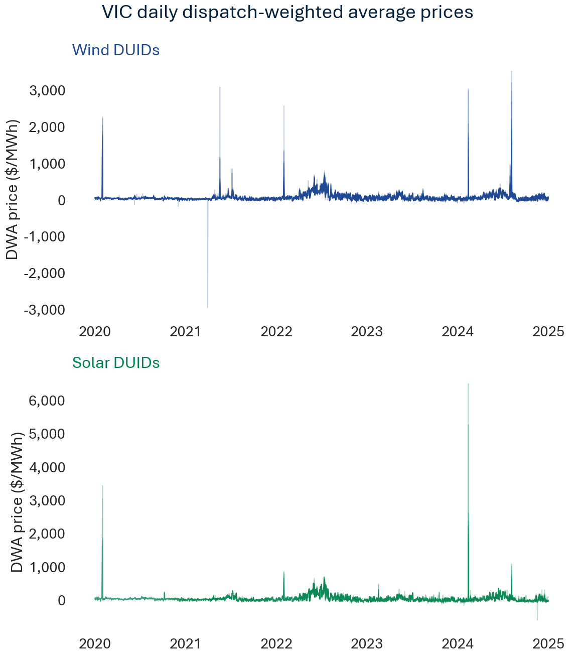
...
Quarterly dispatch-weighted average prices
2022-12-31 | $7.97 | $20.83 | $8.62 |  |  | $19.50 | $13.47 | $13.97 |  | $48.02 | $10.19 | $27.20 |  | $12.45 | $43.94 | $44.77 | $41.80 | $44.91 | $50.68 | $55.18 | $50.60 | $35.07
2023-03-31 | $16.67 | $15.78 | $6.97 |  |  | $25.55 | $16.98 | $20.24 |  | $53.34 | $18.67 | $24.55 |  | $19.61 | $40.88 | $46.19 | $39.32 | $45.61 | $51.96 | $53.73 | $50.88 | $39.37
2023-06-30 | $51.82 | $49.57 | $54.75 |  |  | $61.60 | $50.98 | $53.63 |  | $71.78 | $53.31 | $60.24 |  | $51.63 | $48.69 | $61.71 | $49.77 | $52.96 | $49.99 | $67.71 | $48.00 | $50.31
2023-09-30 | $8.15 | $9.33 | -$0.53 |  |  | $17.44 | $23.38 | $4.36 |  | $32.22 | $12.90 | $20.93 |  | $12.09 | $21.84 | $27.96 | $19.33 | $30.60 | $26.84 | $35.62 | $24.67 | $21.81
2023-12-31 | -$16.56 | -$7.58 | -$16.64 |  | -$9.95 | $3.33 | $9.45 | -$13.11 |  | $24.08 | -$9.84 | $8.68 |  | -$0.26 | $18.90 | $13.92 | $13.90 | $33.36 | $27.25 | $38.29 | $23.90 | $25.73
2024-03-31 | $19.75 | $3.49 | $14.22 |  | $54.31 | $26.44 | $19.86 | $9.17 |  | $44.86 | $42.84 | $42.15 |  | $17.91 | $37.36 | $64.24 | $38.57 | $83.58 | $50.50 | $75.15 | $35.59 | $41.80
2024-06-30 | $85.15 |  | $72.40 |  | $77.70 | $75.95 | $117.80 | $78.39 |  | $79.30 | $88.19 | $75.32 |  | $79.91 | $84.49 | $96.54 | $85.50 | $98.46 | $89.20 | $114.04 | $95.27 | $89.38
2024-09-30 | $35.88 |  | $40.76 | -$3.70 | $47.58 | $46.23 | $46.30 | $45.04 |  | $46.24 | $38.24 | $23.59 |  | $45.61 | $37.81 | $50.05 | $41.84 | $56.67 | $49.16 | $60.62 | $44.22 | $53.31
2024-12-31 | -$13.23 |  | -$13.39 | $32.08 | -$0.96 | $23.06 | -$6.63 | -$3.71 | -$39.63 | $7.43 | -$6.52 | -$11.56 | $10.07 | $2.12 | $30.58 | $34.20 | $30.28 | $61.21 | $44.14 | $61.34 | $33.55 | $41.21

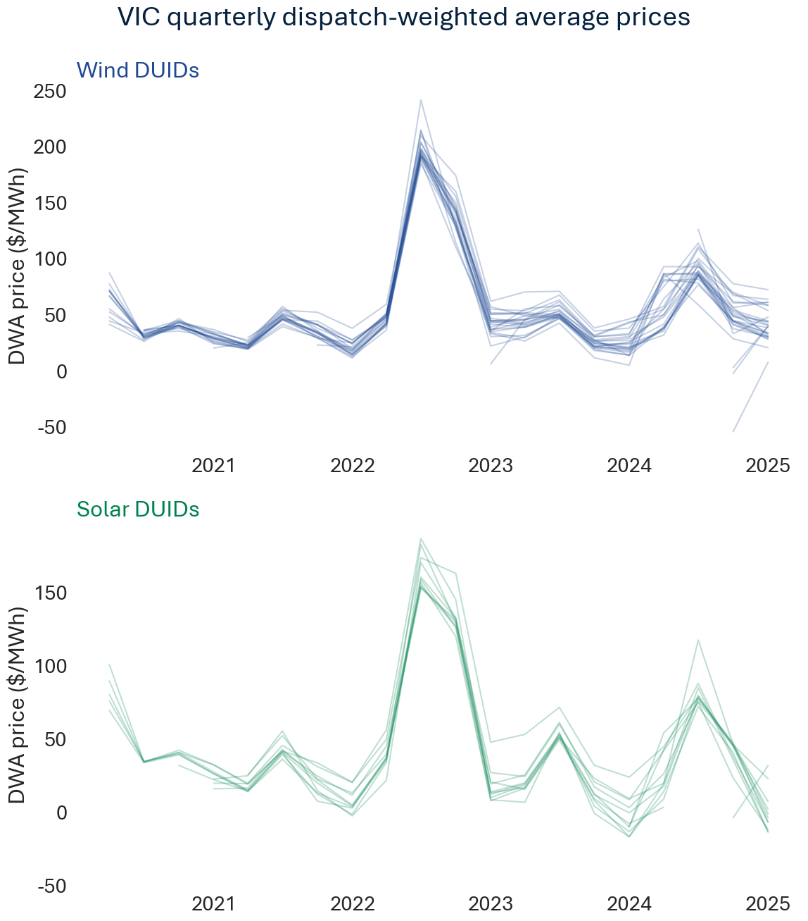

Weekly dispatch-weighted average prices
Technology | Solar |  |  |  |  |  |  |  |  |  |  |  |  |  | Wind
DUID | BANN1 | COHUNSF1 | GANNSF1 | GIRGSF | GLENSF1 | GLRWNSF1 | KARSF1 | KIAMSF1 | MOKOSF1 | NUMURSF1 | WEMENSF1 | WINTSF1 | WUNUSF1 | YATSF1 | ARWF1 | BALDHWF1 | BRYB1WF1 | BRYB2WF2 | BULGANA1 | CHYTWF1 | CROWLWF1 | DUNDWF1
Week
2020-01-05 | $43.34 |  | $45.46 |  |  |  | $49.51 |  |  | $49.31 | $47.04 |  |  |  | $31.51 | $35.06 |  |  |  |  | $33.36
2020-01-12 | $52.41 |  | $53.43 |  |  |  | $52.85 |  |  | $54.78 | $37.71 |  |  |  | $44.45 | $56.53 |  |  |  |  | $45.44
2020-01-19 | $56.32 |  | $55.42 |  |  |  | $56.25 |  |  | $56.63 | $55.39 |  |  |  | $46.25 | $52.40 |  |  |  |  | $47.13
2020-01-26 | $32.50 |  | $34.83 |  |  |  | $37.17 |  |  | $42.70 | $38.10 |  |  |  | $30.99 | $29.97 |  |  |  |  | $32.32
2020-02-02 | $342.37 |  | $584.24 |  |  |  | $392.75 |  |  | $666.21 | $392.66 |  |  |  | $562.73 | $252.94 |  |  |  |  | $600.50
2020-02-09 | $29.91 |  | $30.00 |  |  |  | $29.57 |  |  | $30.03 | $29.66 |  |  |  | $27.37 | $25.92 |  |  |  |  | $29.06
...
2024-11-10 | -$8.89 |  | -$16.89 | -$3.99 | -$11.38 | $7.86 | -$15.66 | -$11.93 |  | -$9.25 | -$5.86 | -$4.85 |  | -$11.44 | $30.74 | $25.88 | $20.55 | $60.80 | $40.08 | $75.61 | $31.34 | $33.98
2024-11-17 | -$11.86 |  | -$16.98 | $14.71 | $12.78 | $35.58 | $4.35 | $0.55 |  | $17.52 | -$1.15 | $42.11 |  | $16.07 | $29.02 | $55.24 | $42.52 | $98.57 | $52.11 | $75.54 | $39.87 | $59.45
2024-11-24 | $22.71 |  | $6.68 | $35.84 | $16.32 | $36.61 | $16.18 | $10.91 |  | $29.96 | $28.18 | $150.53 | $71.37 | $27.04 | $55.75 | $55.51 | $59.63 | $91.78 | $80.94 | $89.27 | $60.85 | $62.51
2024-12-01 | $55.37 |  | $47.06 | $85.52 | $55.21 | $80.68 | $43.93 | $62.37 |  | $69.00 | $58.89 | $157.13 | $11.61 | $54.22 | $61.79 | $97.34 | $79.79 | $120.53 | $70.77 | $94.32 | $68.29 | $91.49
2024-12-08 | $24.17 |  | $26.26 | $58.46 | $44.72 | $66.44 | $35.50 | $39.56 |  | $51.00 | $42.47 | $209.20 | $56.34 | $42.81 | $66.50 | $57.44 | $71.13 | $100.37 | $82.17 | $93.71 | $77.20 | $77.22
2024-12-15 | $41.92 |  | $24.06 | $40.30 | $21.93 | $42.34 | $24.39 | $19.68 |  | $25.85 | $50.38 | $155.27 | -$3.28 | $28.27 | $110.89 | $73.37 | $93.05 | $131.84 | $123.50 | $138.26 | $103.59 | $106.91
2024-12-22 | -$32.71 |  | -$23.01 | $31.74 | -$6.71 | $27.86 | -$9.98 | -$6.17 | -$39.63 | $4.86 | -$24.24 | $113.77 | $16.04 | $4.02 | $32.94 | $42.49 | $36.87 | $74.12 | $55.80 | $66.62 | $39.21 | $61.31
2024-12-29 | -$35.51 |  | -$32.89 | $5.59 | -$29.78 | -$3.26 | -$30.99 | -$25.98 |  | -$22.32 | -$31.78 | $78.23 | -$0.66 | -$23.97 | -$6.85 | -$6.30 | -$3.30 | $36.29 | $8.24 | $36.25 | -$4.16 | $16.25
2025-01-05 | -$22.77 |  | -$22.36 | $12.45 | -$17.99 | $4.43 | -$19.06 | -$18.38 |  | -$16.78 | -$18.69 | $83.14 | -$6.28 | -$18.40 | $78.72 | $0.87 | $34.76 | $60.86 | $88.43 | $87.41 | $76.20 | $42.76

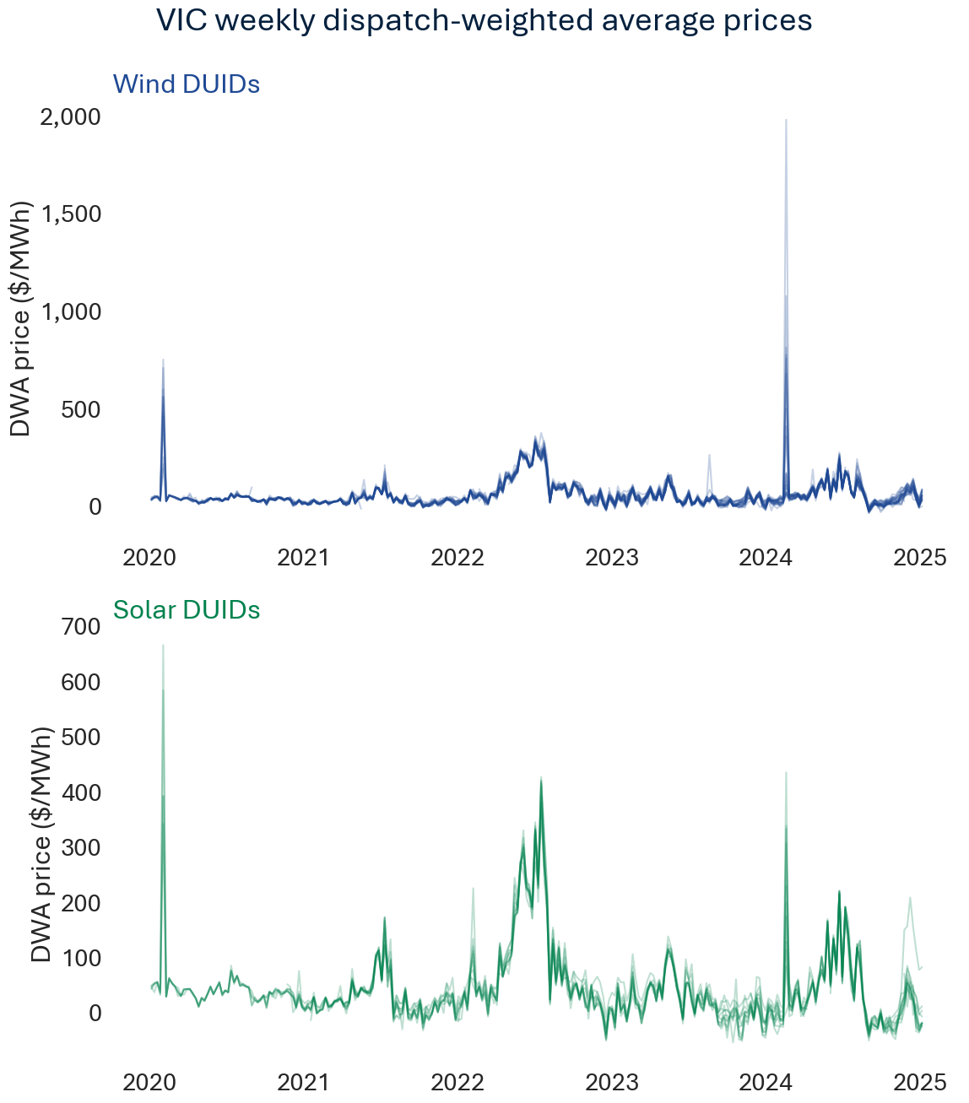

Daily dispatch-weighted average prices
Technology | Solar |  |  |  |  |  |  |  |  |  |  |  |  |  | Wind
DUID | BANN1 | COHUNSF1 | GANNSF1 | GIRGSF | GLENSF1 | GLRWNSF1 | KARSF1 | KIAMSF1 | MOKOSF1 | NUMURSF1 | WEMENSF1 | WINTSF1 | WUNUSF1 | YATSF1 | ARWF1 | BALDHWF1 | BRYB1WF1 | BRYB2WF2 | BULGANA1 | CHYTWF1 | CROWLWF1 | DUNDWF1
Date
2020-01-01 | $34.72 |  | $35.35 |  |  |  | $34.48 |  |  | $35.52 | $34.69 |  |  |  | $56.34 | $38.04 |  |  |  |  | $54.26
2020-01-02 | $72.86 |  | $73.11 |  |  |  | $72.50 |  |  | $73.31 | $72.81 |  |  |  | $66.84 | $72.85 |  |  |  |  | $69.04
2020-01-03 | $62.83 |  | $62.93 |  |  |  | $62.89 |  |  | $62.83 | $62.68 |  |  |  | $75.17 | $74.83 |  |  |  |  | $74.25
2020-01-04 | $6.45 |  | $12.37 |  |  |  | $26.40 |  |  | $24.43 | $14.52 |  |  |  | $23.53 | $17.82 |  |  |  |  | $23.98
2020-01-05 | $7.01 |  | $5.93 |  |  |  | $9.71 |  |  | $15.63 | $15.05 |  |  |  | $14.45 | $4.55 |  |  |  |  | $16.78
2020-01-06 | $58.68 |  | $57.13 |  |  |  | $58.49 |  |  | $58.81 | $59.30 |  |  |  | $48.93 | $57.61 |  |  |  |  | $50.36
...
2024-12-23 | -$63.07 |  | -$58.69 | -$25.22 | -$56.09 | -$20.32 | -$56.31 | -$48.87 |  | -$31.74 | -$59.85 |  | -$27.11 | -$39.93 | -$29.80 | -$26.38 | -$12.49 | $11.11 | -$3.61 | $7.79 | -$29.03 | $5.03
2024-12-24 | -$8.73 |  | -$15.40 | $16.48 | -$15.08 | -$6.61 | -$14.58 | -$13.71 |  | -$13.50 | -$2.85 | $87.61 | $8.51 | -$14.94 | $43.17 | $17.39 | $32.27 | $60.52 | $56.39 | $44.68 | $46.92 | $60.76
2024-12-25 | -$23.97 |  | -$16.54 | $46.36 | -$17.06 | $33.81 | -$16.60 | -$14.35 |  | -$16.91 | -$19.84 | $90.97 | $26.56 | -$16.35 | $37.64 | $86.38 | $58.06 | $82.19 | $48.69 | $74.90 | $49.39 | $49.33
2024-12-26 | -$16.87 |  | -$27.55 | -$13.11 | -$19.65 | -$9.68 | -$23.36 | -$25.48 |  | -$21.83 | -$17.88 | -$36.74 | -$5.57 | -$24.69 | -$11.98 | -$14.04 | -$10.43 | $18.00 | -$11.30 | -$0.66 | -$10.74 | -$4.30
2024-12-27 | -$46.46 |  | -$43.10 | -$14.92 | -$40.27 | -$11.51 | -$42.40 | -$40.10 |  | -$32.55 | -$42.60 | $68.73 | -$16.45 | -$35.20 | -$13.36 | -$11.30 | -$11.62 | $19.20 | $3.21 | $47.22 | -$8.52 | $2.49
2024-12-28 | -$40.28 |  | -$39.80 | -$15.59 | -$41.26 | -$13.53 | -$41.97 | -$39.82 |  | -$36.32 | -$36.49 | $52.99 | -$23.18 | -$36.69 | -$5.14 | -$0.93 | -$12.56 | $47.59 | -$3.22 | $55.84 | -$11.86 | $51.54
2024-12-29 | -$31.31 |  | -$32.48 | -$1.44 | -$31.43 | -$8.63 | -$30.46 | -$26.52 |  | -$21.92 | -$28.31 | $85.54 | -$18.37 | -$24.69 | $52.99 | -$10.98 | $16.02 | $67.40 | $72.19 | $74.20 | $50.69 | $65.29
2024-12-30 | -$6.20 |  | -$11.24 | $7.66 | -$8.25 | $6.52 | -$9.57 | -$10.38 |  | -$9.69 | -$2.19 | $109.76 | $3.04 | -$9.58 | $86.33 | $25.51 | $36.72 | $55.84 | $92.31 | $94.64 | $80.60 | $47.65
2024-12-31 | -$36.31 |  | -$31.21 | $22.28 | -$27.49 | $0.59 | -$27.85 | -$25.57 |  | -$23.92 | -$32.22 | $72.08 | -$15.80 | -$26.71 | $72.65 | -$25.11 | $30.66 | $78.78 | $85.17 | $82.63 | $71.59 | $36.77

