Sheet1
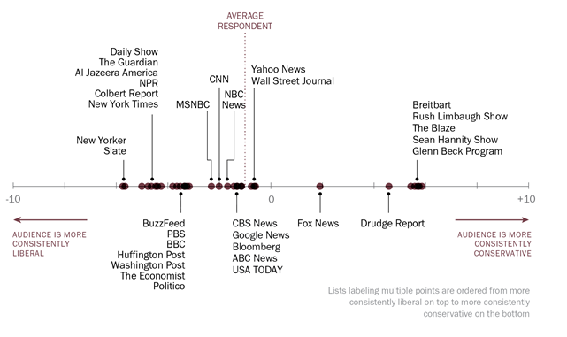
Media Bias Ratings
 |  | LL | L | C | R | RR
Business Insider | 250,000 |  |  | x |  |  | articles1.csv (6757)
Financial Times |  |  |  | x
Google | 70,000
Guardian | 250,000 |  | x |  |  |  | articles2.csv (4873), articles3.csv (3808)
Huffington Post | 150,000 | x
Quartz | 90,000 |  |  | x
Wall Street Journal |  |  |  | x
Atlantic | 7,179 |  | x |  |  |  | articles1.csv (171), articles2.csv (7008)
Breitbart | 23,781 |  |  |  |  | x | articles1.csv (23781)
Buzzfeed News | 4,854 |  | x |  |  |  | articles2.csv (4854)
CNN | 11,488 | x (editorial) | x (web) |  |  |  | articles1.csv (11488)
Fake news (no source) | 12,954
Fox News | 4,354 |  |  |  | x |  | articles2.csv (4354)
National Review | 6,203 |  |  |  |  | x | articles2.csv (6203)
New York Post | 17,493 |  |  |  |  | x | articles2.csv (17493)
New York Times | 7,803 |  | x |  |  |  | articles1.csv (7803)
NPR | 11,992 |  | x (editorial) | x (news) |  |  | articles3.csv (11992)
Reuters | 10,710 |  |  | x (news) |  |  | articles3.csv (10710)
Talking Points Memo | 5,214 |  |  |  |  |  | articles2.csv (5214) | Source: http://guides.lib.umich.edu/c.php?g=637508&p=4462444
Vox | 4,947 |  | x |  |  |  | articles3.csv (4947)
Washington Post | 11,114 |  | x |  |  |  | articles3.csv (11114)

Source: https://www.allsides.com/media-bias/media-bias-ratings

 |  |  |  |  |  |  |  | DEFINITIONS
 |  |  |  |  |  |  |  | Left bias (liberal bias) | Center bias | Right bias (conservative bias)
 |  |  |  |  |  |  |  | Sources show favor for: | Sources show favor for: | Sources show favor for:
 |  |  |  |  |  |  |  | Government services (food stamps, social security, Medicare, student-loans, unemployment, etc) | Sources do not predictably show opinions favoring either end of the political spectrum - conservative or liberal | Decreasing government involvement in economic issues
 |  |  |  |  |  |  |  | Federal laws to protect consumers and the environment |  | Decreasing federal regulations in general, giving more power to state laws
 |  |  |  |  |  |  |  | Federal laws to protect euqal rights |  | Decreasing government spending, except for defense spending
 |  |  |  |  |  |  |  | Tax increases on the wealthy |  | Using military force
 |  |  |  |  |  |  |  | Government regulations of corporations |  | Decreasing taxes
 |  |  |  |  |  |  |  | Keeping abortion legal |  | Outlawing abortion
 |  |  |  |  |  |  |  | Decreasing military spending and intervention

 |  |  |  |  |  |  |  | Source: https://www.allsides.com/media-bias/left | Source: https://www.allsides.com/media-bias/center | Source: https://www.allsides.com/media-bias/right

