Intro


Debt Payoff And Tracking Spreadsheet
Thank you for using our spreadsheet! We are excited to help you on your journey to being debt free! We will guide you through the steps below:

 | CLICK HERE for a free video showing how to use the spreadsheet!

1) State Your Situation
 | On the next tab you will list each of your debts along with some important information about each one.

2) The Plan
 | Choose a payoff method and we will show you the plan for how to get everything paid off. We'll also tell you when you can expect to be debt free.

3) Tracking
 | A plan is nice, but you need a place to write down what is really happening and see your progress as it happens.

Copyright 2022 The Happy Giraffe Company. All rights reserved.

4) Next Steps
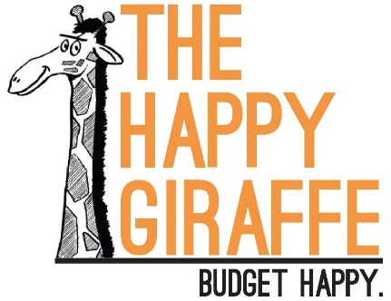
 | Congratulations on starting yor debt payoff journey!

4) Next Steps:
* Patience
It's ok if it takes a long time to get out of debt. In fact, that is normal. The key is to stick with it. Don't give up! This is definitely worth your time and effort!

* Budgeting
Paying off debt is part of the process. Budgeting will help you get there and help you stay out of debt in the future. Lucky for you, we have an easy, simple budgeting

method. It's free to use and easy to stick to. |  | www.HappyGiraffe.org

* Donate
We are a nonprofit. Any donation helps!

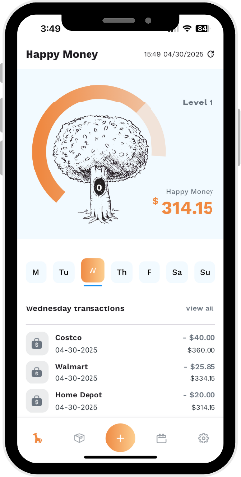

* More Help
Please email us with any questions. Help is always free! |  | Hello@HappyGiraffe.org
Our website has video tutorials and other resources. |  | www.HappyGiraffe.org
Our book is also available on Amazon! |  | Buy Our Book
 |  | Download Our App

