Лист1
x | y | n | f(x,y)
-1 | -1 | 0 | -0.5
-1 | -1 | 1 | -1
-1 | -1 | 2 | -0.25
-1 | -1 | 3 | 1
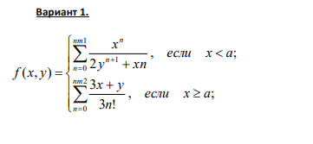
-1 | -1 | 4 | -0.16666666667
 |  | summ= | -0.91666666667

x | y | n | f(x,y)
-1 | 0 | 0 | 3*A12+B12/(3*ФАКТР(C12))
-1 | 0 | 1 | 1
-1 | 0 | 2 | -0.5
-1 | 0 | 3 | 0.33333333333
-1 | 0 | 4 | -0.25
 |  | summ= | 0.58333333333

