Cemetery Contract

 |  |  |  |  |  |  |  |  |  |  |  |  |  | Washington Memorial Park & Mortuary
 |  |  |  |  |  |  |  |  |  |  |  |  |  | 16445 International Boulevard
 |  |  |  |  |  |  |  |  |  |  |  |  |  | SeaTac, WA 98188
 |  |  |  |  |  |  |  |  |  |  |  |  |  | 206-242-1787

STATEMENT OF CEMETERY INTERMENT RIGHTS, GOODS AND SERVICES

Charges are only for those items that you selected or that are required. If we are required by law or by a cemetery or crematory to use any items, we will explain the reasons in writing below.

Cemetery Services for: |  |  |  |  | 0 |  | 0 |  |  | 0 |  |  | Date: | 0

IF ITEMS BEING DELIVERED ARE ON AN EXISTING RETAIL INSTALLMENT CONTRACT ("RIC"), ENTER "ON CONTRACT" THEN REFERENCE CONTRACT NUMBER AND ANY BALANCE

A. | CEMETERY SERVICES Enter X in appropriate box |  |  |  |  |  |  | PAYMENT
 |  | 1st Right of Interment |  |  |  |  |  | The purchaser agrees to pay cash which is understood to mean:
 |  | Addl Right of Interment
 | Location |  | 0 |  |  | N/A |  |  | Payment of the Total Cash Sales Prices upon execution of this contract.
 | Endowment Care (ECF) |  |  |  |  | N/A
 |  |  | Total Right of Interment |  |  |  | $- |  | Payment of the Total Cash Sales Price in one installment on or before
 | Recording Fee |  |  |  |  | N/A |  |  |  |  |  | Date:
 | Opening and Closing |  |  |  |  | N/A
 | Other |  |  |  |  | N/A
 | Other |  |  |  |  | N/A |  |  | Payment of the Down-Payment upon execution of this contract and
 | Service Friday thru Sunday or after 3:00 p.m. |  |  |  |  | N/A |  |  | payment of the unpaid balance in one installment on
 |  |  |  |  |  |  |  |  |  |  |  | Date:
 | RIC Contract # and Balance

 | TOTAL CEMETERY SERVICES |  |  |  |  |  | $-
 |  |  |  |  |  |  |  | Purchaser

 | CEMETERY MERCHANDISE
B. | Container/Vault |  |  |  |  | N/A |  | Purchaser Signature
 | Container / Vault Setting Fee |  |  |  |  | N/A |  | 0 |  |  |  |  |  |  |  | 0
 | Memorial |  |  |  |  | N/A |  | Purchaser Printed Name |  |  |  |  |  |  | Relationship
 | Memorial Base |  |  |  |  | N/A |  | 0
 | Installation |  |  |  |  | N/A |  | Address
 | Vase / Base |  |  |  |  | N/A |  | 0 |  |  |  |  |  | 0 |  | 00000
 | Vase / Base Setting Fee |  |  |  |  | N/A |  | City |  |  |  |  |  | State |  | Zip Code
 | Urn |  |  |  |  | N/A |  | 0 |  |  |  |  |  |  | -
 | Other |  |  |  |  | N/A |  | E-Mail Address |  |  |  |  |  |  | Cell Phone Number
 | Other |  |  |  |  | N/A |  | Co-Purchaser
 | Sales Tax |  |  | 10.40% |  | $0.00
 | TOTAL CEMETERY MERCHANDISE |  |  |  |  |  | $-
 |  |  |  |  |  |  |  | Purchaser Signature
 | TOTAL CEMETERY CHARGES (A + B) |  |  |  |  |  | $- | 0 |  |  |  |  |  |  |  | 0
 |  |  |  |  |  |  |  | Co-Purchaser Printed Name |  |  |  |  |  |  | Relationship
 |  |  |  |  |  |  |  | 0
 | TOTAL CASH SALES PRICE |  |  |  |  |  | $- | Address
 | CREDIT FROM CONTRACT # |  |  |  |  |  |  | 0 |  |  |  |  |  | 0 |  | 00000
 | PAYMENT RECEIVED AT CONTRACT SIGNING |  |  |  |  |  |  | City |  |  |  |  |  | State |  | Zip Code
 | TOTAL UNPAID BALANCE |  |  |  |  |  | $- | 0 |  |  |  |  |  |  | -
 |  |  |  |  |  |  |  | E-Mail Address |  |  |  |  |  |  | Cell Phone Number

SELLER MAKES NO WARRANTIES, EXPRESSED OR IMPLIED, INCLUDING IMPAIRED WARRANTIES OF MERCHANTABILITY AND FITNESS FOR A PARTICULAR PURPOSE, WITH REGARD TO THE MERCHANDISE SOLD HEREUNDER.

WASHINGTON MEMORIAL PARK & MORTUARY, INC. REQUIRES THE USE OF AN OUTER BURIAL CONTAINER FOR EITHER INTERMENTS OR GROUND INURNMENTS FOR THE SAFETY AND MAINTENANCE OF THE GROUNDS.

THE TERMS AND CONDITIONS ON THE REVERSE SIDE OF THIS CONTRACT ARE, BY THIS REFERENCE, MADE A PART OF THIS CONTRACT.

ACKNOWLEDGEMENT AND AGREEMENT

I hereby acknowledge that I have the legal right to arrange the final services for the deceased, and I authorize this cemetery establishment to perform services, furnish goods, and incur outside charges specified on this Statement. I also acknowledge execution and receipt of a copy of this statement.

ACCEPTANCE
This cemetery establishment agrees to provide all services and merchandise indicated on this statement.

 |  |  |  |  |  |  |  | 0
Family Service Director Signature |  |  |  |  |  |  |  |  |  |  | Family Service Director Name

Life's Reflections Order Form
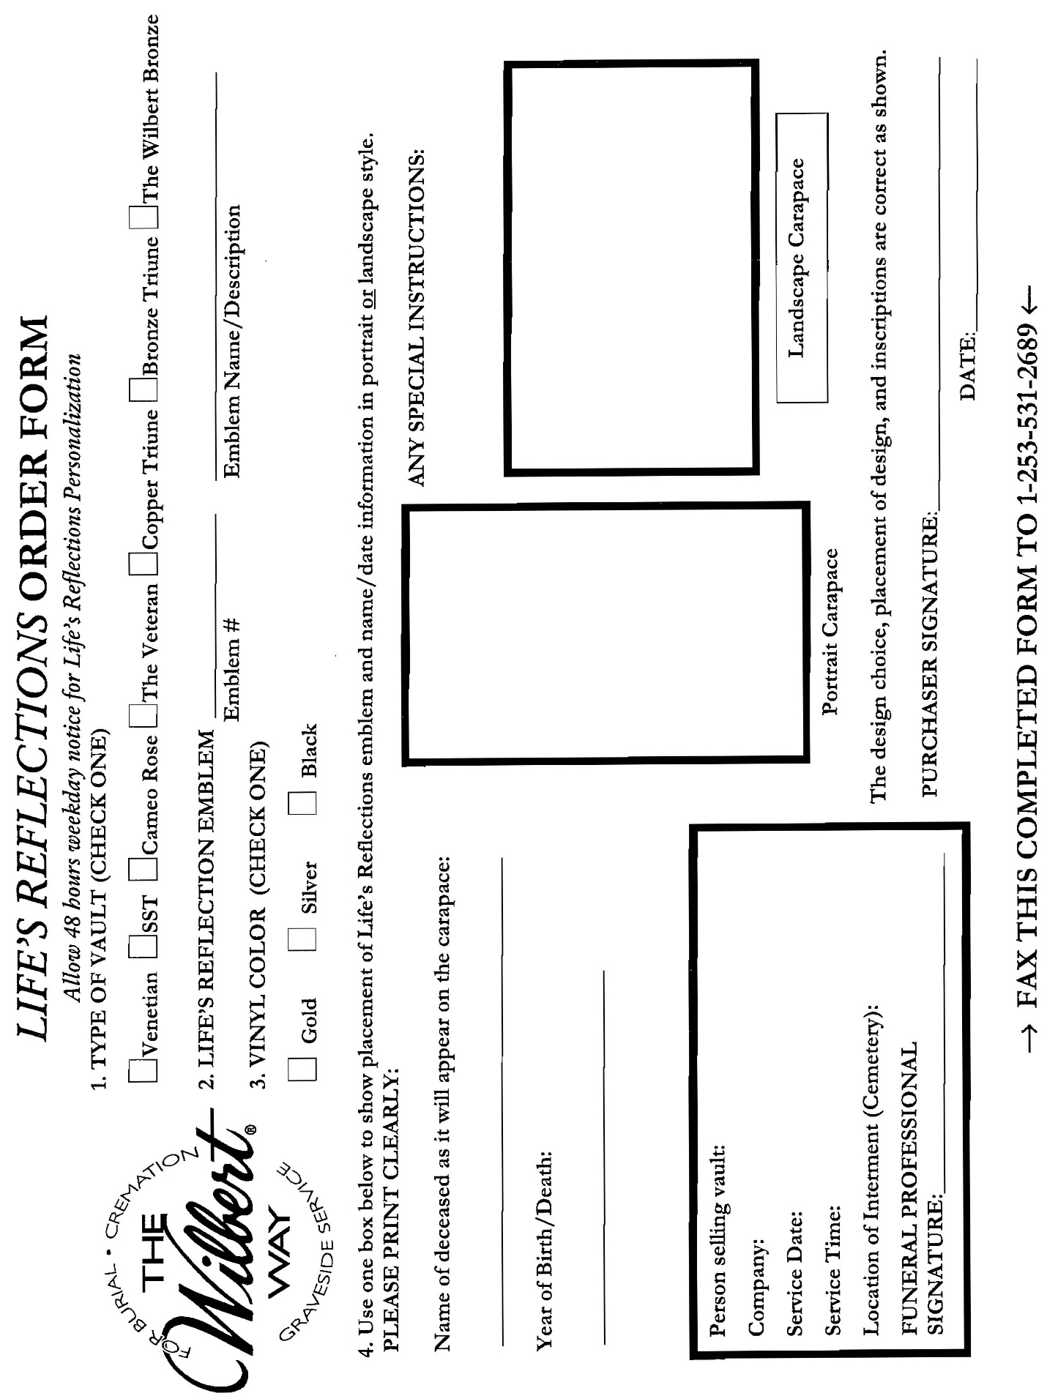

Vault and Urn Vault Order Form


VAULT AND URN VAULT ORDER FORM
Washington Memorial Park
16445 International Blvd, SeaTac, Washington 98188
Phone: 206-242-1787 Fax: 206-242-1791
PLEASE PRINT CLEARLY

Please SCAN / EMAIL your order as soon as the product has been sold to your customer so that we can get it on the deliver
schedule right away. Thank you!

Vault Type |  |  |  |  | Color

 |  | Is this an URN VAULT? | If YES, please specify: |  |  | 18" Tall

 |  |  |  |  |  | 12" Tall (Monticello & Venetian only)

Date of Service

 | Time of Service |  |  | Graveside |  | Chapel/Church

 | Name of Deceased
 |  | (Please PRINT name clearly, exactly as you wish it to appear on name plate)

 | Year of Birth |  | Year of Death |  |  | Emblem

 | If selecting a personalization format such as Life's Reflections or a Legacy Print, please include a layout form.
 | (Please note: These can only be applied to the Venetian or metal vaults and urn vaults.)

Wilbert Preneed Certificate Number (if any)

Name of person who sold vault for your company

Confirmed with you by

Signature of family member confirming spelling and dates for nameplate:

Any additional information:

orders@psprecast.com
Wilbert will respond back with a Confirmation Email
Phone: 253-531-2656

