Simulations_2
 | Sim | HL | NPL | Weights | Fourier | P | K | E
 | S1 | 4 | 200
 | S2 | 4 | 200 | x
 | S3 | 4 | 200 |  | x
 | S4 | 4 | 200 |  |  | x
 | S5 | 4 | 200 |  |  |  | x
 | S6 | 4 | 200 |  |  |  |  | x
 | S7 | 4 | 200 | x |  |  |  | x
 | S8 | 4 | 200 | x | x |  |  | x
 | S9 | 4 | 200 | x | x |  | x | x
 | S10 | 4 | 200 |  |  |  | x | x
 | S11 | 4 | 200 | x | x
 | S12 | 4 | 200 | x | x | x | x | x
 | S13 | 4 | 200 |  | x |  | x | x
 | S14 | 4 | 200 | x |  |  | x | x
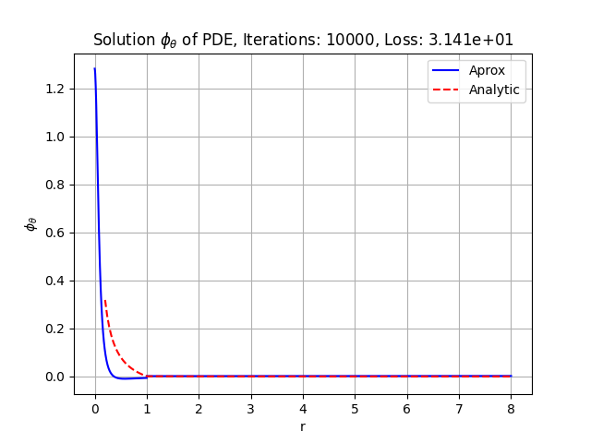
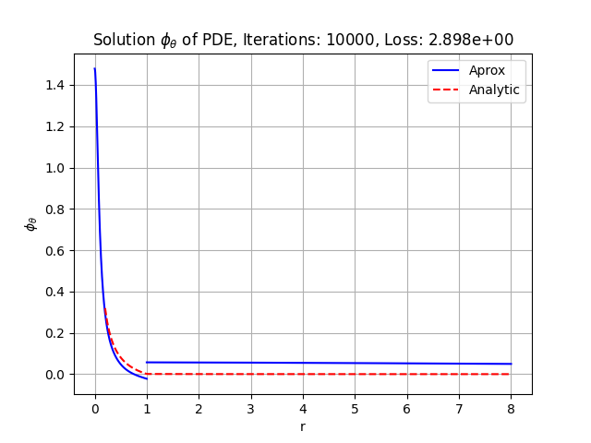
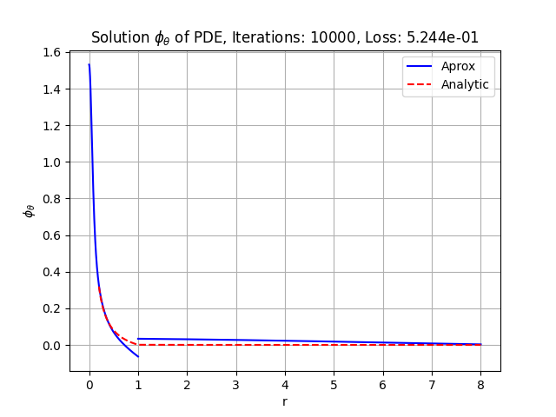

1 |  |  |  |  |  | 2
 |  |  |  |  |  |  |  |  | 10

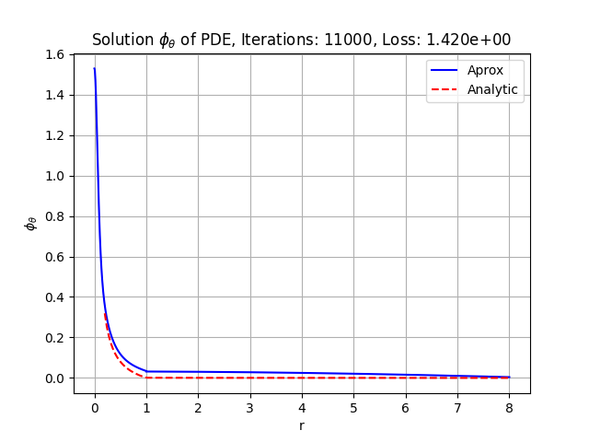
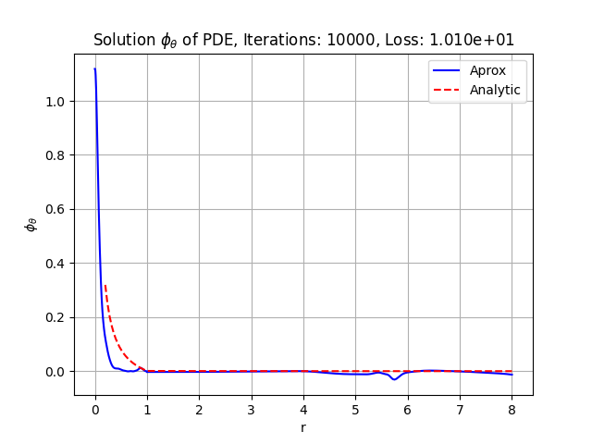
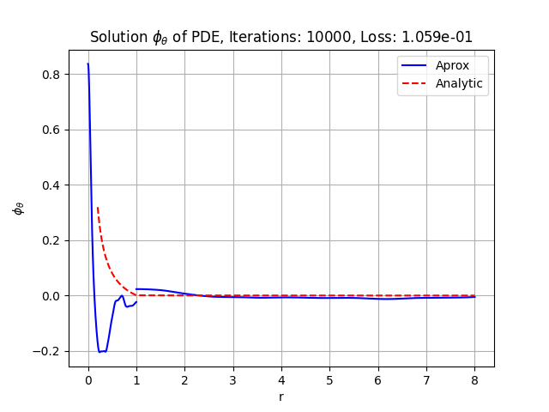

 |  |  |  |  |  |  |  |  | 11
3 |  |  |  |  |  | 4

