Instructions
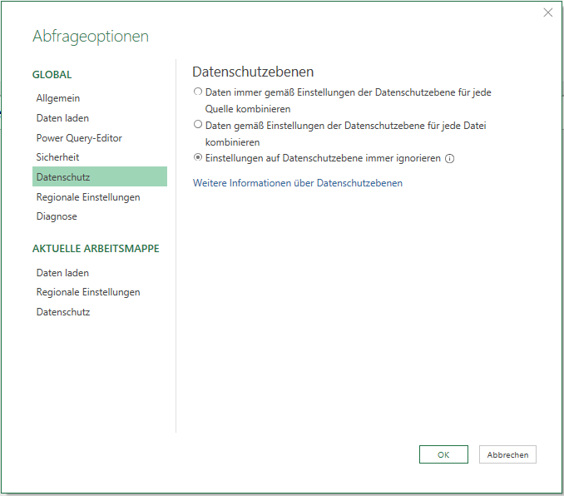
Instructions

To export PowerQuery and DAX code from a file in Power BI Desktop, change port number in all Excel queries according to your Power BI Desktop instance, then refresh. To do so, just change the port number below.
For each query that you change you need to confirm two security warnings:
1. You need to confirm that the native query shall be executed.
2. You need to choose the current Windows login for connection credentials.

Port Number: | 52509

In order for using the port number from the Excel sheet to define the connection to Power BI to work, you must set Power Query data protection settings in Excel to the lowst level:

