Sheet1
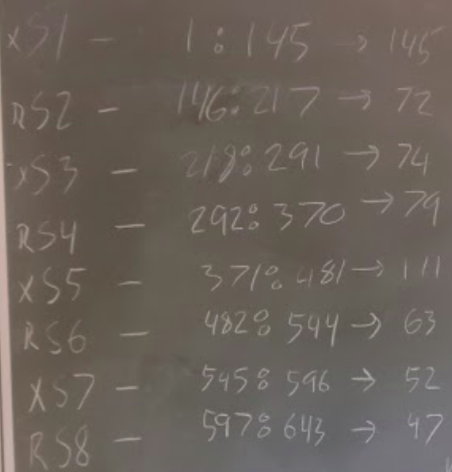
Id | Start condition | Start comment | End comment | Total comments
1 | Helix | 1 | 145 | 145
2 | Headrush | 146 | 217 | 72
3 | Helix | 218 | 291 | 74
4 | Headrush | 292 | 370 | 79
5 | Helix | 371 | 481 | 111
6 | Headrush | 482 | 544 | 63
7 | Helix | 545 | 596 | 52
8 | Headrush | 597 | 643 | 47

