Output1
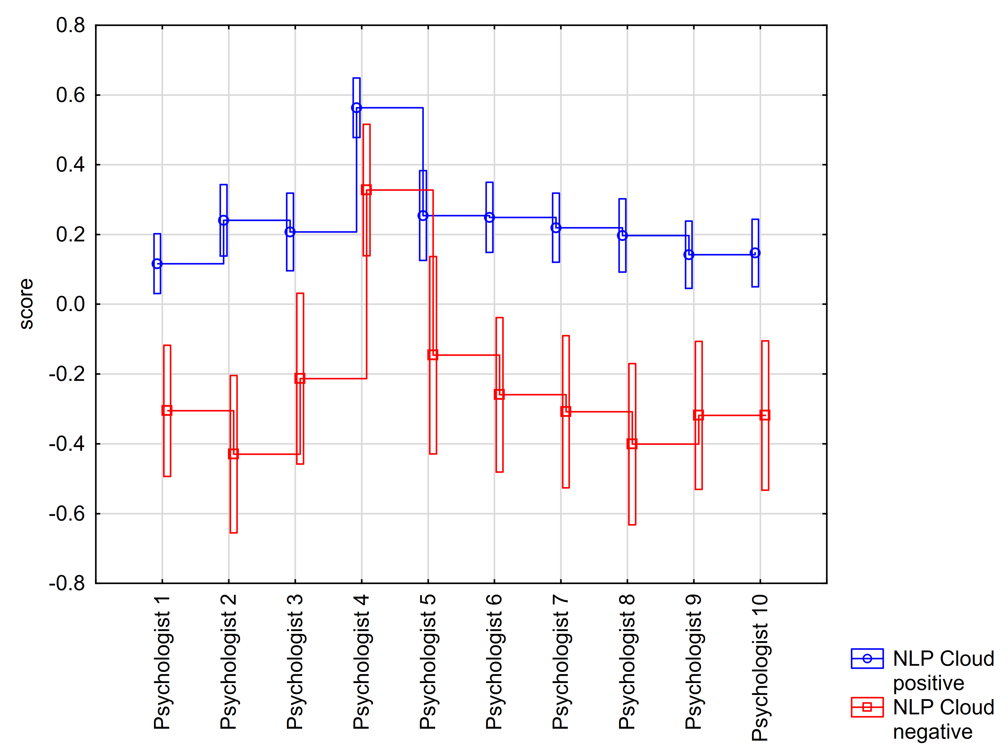
Descriptive Statistics
 | Level of | N | Psychologist 1 (Sentiment Score) | Psychologist 1 (Sentiment Score) | Psychologist 1 (Sentiment Score) | Psychologist 1 (Sentiment Score) | Psychologist 1 (Sentiment Score) | Psychologist 2 (Sentiment Score) | Psychologist 2 (Sentiment Score) | Psychologist 2 (Sentiment Score) | Psychologist 2 (Sentiment Score) | Psychologist 2 (Sentiment Score) | Psychologist 3 (Sentiment Score) | Psychologist 3 (Sentiment Score) | Psychologist 3 (Sentiment Score) | Psychologist 3 (Sentiment Score) | Psychologist 3 (Sentiment Score) | Psychologist 4 (Sentiment Score) | Psychologist 4 (Sentiment Score) | Psychologist 4 (Sentiment Score) | Psychologist 4 (Sentiment Score) | Psychologist 4 (Sentiment Score) | Psychologist 5 (Sentiment Score) | Psychologist 5 (Sentiment Score) | Psychologist 5 (Sentiment Score) | Psychologist 5 (Sentiment Score) | Psychologist 5 (Sentiment Score) | Psychologist 6 (Sentiment Score) | Psychologist 6 (Sentiment Score) | Psychologist 6 (Sentiment Score) | Psychologist 6 (Sentiment Score) | Psychologist 6 (Sentiment Score) | Psychologist 7 (Sentiment Score) | Psychologist 7 (Sentiment Score) | Psychologist 7 (Sentiment Score) | Psychologist 7 (Sentiment Score) | Psychologist 7 (Sentiment Score) | Psychologist 8 (Sentiment Score) | Psychologist 8 (Sentiment Score) | Psychologist 8 (Sentiment Score) | Psychologist 8 (Sentiment Score) | Psychologist 8 (Sentiment Score) | Psychologist 9 (Sentiment Score) | Psychologist 9 (Sentiment Score) | Psychologist 9 (Sentiment Score) | Psychologist 9 (Sentiment Score) | Psychologist 9 (Sentiment Score) | Psychologist 10 (Sentiment Score) | Psychologist 10 (Sentiment Score) | Psychologist 10 (Sentiment Score) | Psychologist 10 (Sentiment Score) | Psychologist 10 (Sentiment Score)
 | Factor |  | Mean | Std.Dev. | Std.Err | -95.00% | 95.00% | Mean | Std.Dev. | Std.Err | -95.00% | 95.00% | Mean | Std.Dev. | Std.Err | -95.00% | 95.00% | Mean | Std.Dev. | Std.Err | -95.00% | 95.00% | Mean | Std.Dev. | Std.Err | -95.00% | 95.00% | Mean | Std.Dev. | Std.Err | -95.00% | 95.00% | Mean | Std.Dev. | Std.Err | -95.00% | 95.00% | Mean | Std.Dev. | Std.Err | -95.00% | 95.00% | Mean | Std.Dev. | Std.Err | -95.00% | 95.00% | Mean | Std.Dev. | Std.Err | -95.00% | 95.00%
Total |  | 76 | 0.04 | 0.37 | 0.04 | -0.04 | 0.13 | 0.13 | 0.48 | 0.05 | 0.02 | 0.24 | 0.14 | 0.47 | 0.05 | 0.03 | 0.24 | 0.52 | 0.35 | 0.04 | 0.44 | 0.60 | 0.19 | 0.53 | 0.06 | 0.06 | 0.31 | 0.16 | 0.44 | 0.05 | 0.06 | 0.26 | 0.13 | 0.44 | 0.05 | 0.03 | 0.23 | 0.09 | 0.47 | 0.05 | -0.01 | 0.20 | 0.06 | 0.42 | 0.05 | -0.03 | 0.16 | 0.07 | 0.42 | 0.05 | -0.03 | 0.16
Google cloud | positive | 5 | 0.28 | 0.28 | 0.12 | -0.07 | 0.62 | 0.55 | 0.32 | 0.14 | 0.15 | 0.94 | 0.35 | 0.26 | 0.12 | 0.02 | 0.67 | 0.68 | 0.20 | 0.09 | 0.43 | 0.92 | 0.57 | 0.33 | 0.15 | 0.16 | 0.98 | 0.41 | 0.37 | 0.17 | -0.05 | 0.87 | 0.51 | 0.31 | 0.14 | 0.12 | 0.90 | 0.45 | 0.45 | 0.20 | -0.11 | 1.01 | 0.36 | 0.38 | 0.17 | -0.11 | 0.83 | 0.36 | 0.38 | 0.17 | -0.11 | 0.83
Google cloud | neutral | 64 | 0.08 | 0.33 | 0.04 | 0.00 | 0.16 | 0.15 | 0.44 | 0.06 | 0.04 | 0.26 | 0.18 | 0.45 | 0.06 | 0.06 | 0.29 | 0.54 | 0.32 | 0.04 | 0.46 | 0.62 | 0.23 | 0.49 | 0.06 | 0.11 | 0.36 | 0.21 | 0.40 | 0.05 | 0.11 | 0.31 | 0.17 | 0.38 | 0.05 | 0.07 | 0.26 | 0.14 | 0.42 | 0.05 | 0.04 | 0.24 | 0.10 | 0.37 | 0.05 | 0.01 | 0.20 | 0.11 | 0.38 | 0.05 | 0.01 | 0.20
Google cloud | negative | 7 | -0.43 | 0.52 | 0.20 | -0.91 | 0.06 | -0.41 | 0.49 | 0.18 | -0.86 | 0.04 | -0.38 | 0.49 | 0.19 | -0.83 | 0.08 | 0.27 | 0.56 | 0.21 | -0.25 | 0.79 | -0.52 | 0.45 | 0.17 | -0.94 | -0.10 | -0.41 | 0.48 | 0.18 | -0.86 | 0.04 | -0.49 | 0.53 | 0.20 | -0.98 | 0.01 | -0.58 | 0.42 | 0.16 | -0.97 | -0.18 | -0.52 | 0.38 | 0.14 | -0.87 | -0.17 | -0.52 | 0.38 | 0.14 | -0.87 | -0.17
NLP Cloud | positive | 63 | 0.12 | 0.31 | 0.04 | 0.04 | 0.20 | 0.24 | 0.39 | 0.05 | 0.14 | 0.34 | 0.21 | 0.40 | 0.05 | 0.11 | 0.31 | 0.56 | 0.32 | 0.04 | 0.48 | 0.64 | 0.25 | 0.48 | 0.06 | 0.14 | 0.37 | 0.25 | 0.37 | 0.05 | 0.16 | 0.34 | 0.22 | 0.35 | 0.04 | 0.13 | 0.31 | 0.20 | 0.40 | 0.05 | 0.10 | 0.30 | 0.14 | 0.36 | 0.05 | 0.05 | 0.23 | 0.15 | 0.37 | 0.05 | 0.05 | 0.24
NLP Cloud | negative | 13 | -0.31 | 0.46 | 0.13 | -0.58 | -0.03 | -0.43 | 0.48 | 0.13 | -0.72 | -0.14 | -0.21 | 0.61 | 0.17 | -0.58 | 0.15 | 0.33 | 0.45 | 0.12 | 0.06 | 0.60 | -0.15 | 0.67 | 0.19 | -0.55 | 0.26 | -0.26 | 0.53 | 0.15 | -0.58 | 0.06 | -0.31 | 0.58 | 0.16 | -0.66 | 0.04 | -0.40 | 0.50 | 0.14 | -0.70 | -0.10 | -0.32 | 0.47 | 0.13 | -0.60 | -0.03 | -0.32 | 0.47 | 0.13 | -0.60 | -0.03

Table 6 Descriptive statistics for individual psychologists
 | N | Mean | Std.Dev. | Std.Err | -95.00% | 95.00%
Psychologist 1 | 76 | 0.04 | 0.37 | 0.04 | -0.04 | 0.13
Psychologist 2 | 76 | 0.13 | 0.48 | 0.05 | 0.02 | 0.24
Psychologist 3 | 76 | 0.14 | 0.47 | 0.05 | 0.03 | 0.24
Psychologist 4 | 76 | 0.52 | 0.35 | 0.04 | 0.44 | 0.60
Psychologist 5 | 76 | 0.19 | 0.53 | 0.06 | 0.06 | 0.31
Psychologist 6 | 76 | 0.16 | 0.44 | 0.05 | 0.06 | 0.26
Psychologist 7 | 76 | 0.13 | 0.44 | 0.05 | 0.03 | 0.23
Psychologist 8 | 76 | 0.09 | 0.47 | 0.05 | -0.01 | 0.20
Psychologist 9 | 76 | 0.06 | 0.42 | 0.05 | -0.03 | 0.16
Psychologist 10 | 76 | 0.07 | 0.42 | 0.05 | -0.03 | 0.16

Figure 2 Mean plot for individual psychologists according to the Google cloud results
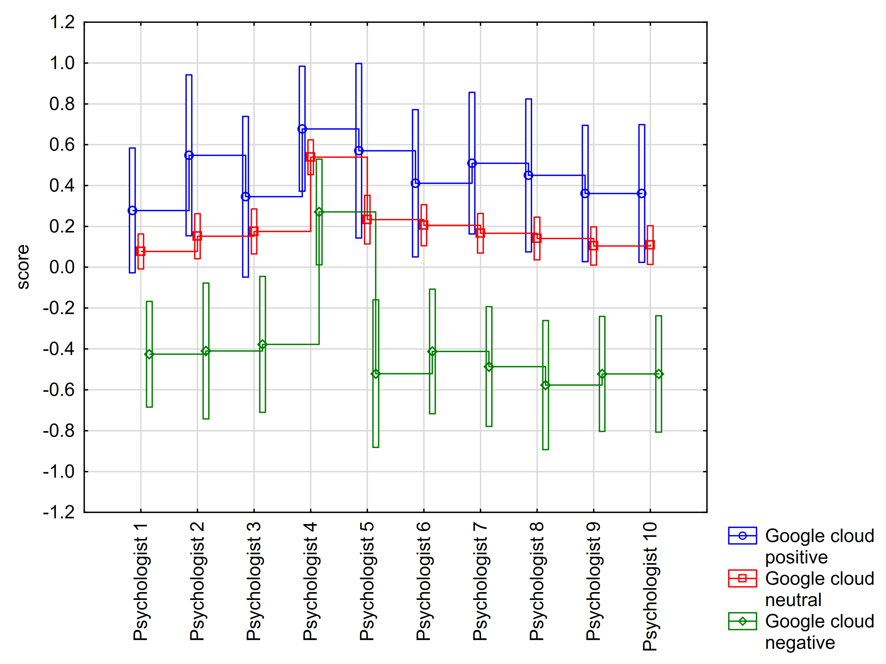

Figure 3 Mean plot for individual psychologists according to the NLP cloud results

