Output1
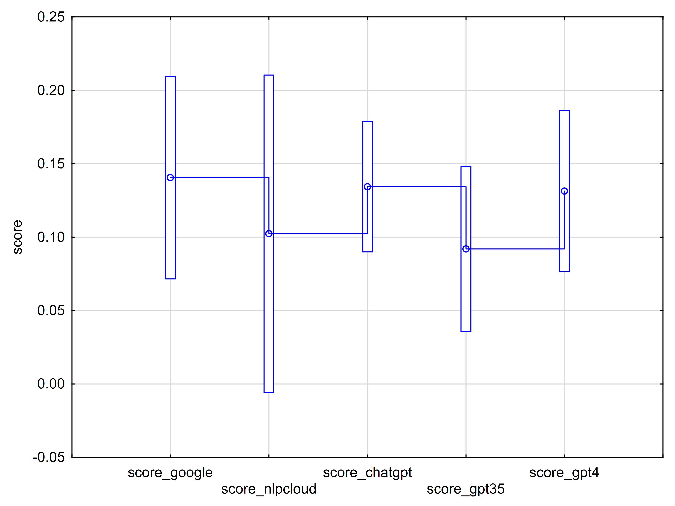
Table 1 Descriptive statistics for investigated tools, Include condition: text_id <> "text1"and text_id <> "text12"
Tool | N | Mean | Std.Dev. | Std.Err | -95.00% | 95.00%
score_google | 309 | 0.14 | 0.62 | 0.04 | 0.07 | 0.21
score_nlpcloud | 309 | 0.10 | 0.97 | 0.05 | -0.01 | 0.21
score_chatgpt | 309 | 0.13 | 0.40 | 0.02 | 0.09 | 0.18
score_gpt35 | 309 | 0.09 | 0.50 | 0.03 | 0.04 | 0.15
score_gpt4 | 309 | 0.13 | 0.49 | 0.03 | 0.08 | 0.19

Table 2 Sphericity test for within-group factor Tool, Include condition: text_id <> "text1"and text_id <> "text12"
 | W | Chi-Sqr. | df | p
Tool | 0.176 | 532.036 | 9 | 0.0000

Table 3 Adjusted univariate test for within-group factor Tool, Include condition: text_id <> "text1"and text_id <> "text12"
 | G-G | G-G | G-G | G-G
 | Epsilon | Adj. df1 | Adj. df2 | Adj. p
Tool | 0.535 | 2.140 | 659.044 | 0.4764

Table 4 Multistage tests for within group-factor Tool, Include condition: text_id <> "text1"and text_id <> "text12"
Tool | Mean | 1
score_gpt35 | 0.09 | ****
score_nlpcloud | 0.10 | ****
score_gpt4 | 0.13 | ****
score_chatgpt | 0.13 | ****
score_google | 0.14 | ****
Note: **** - p > 0.05

Figure 1 Mean plot for investigated tools

