total
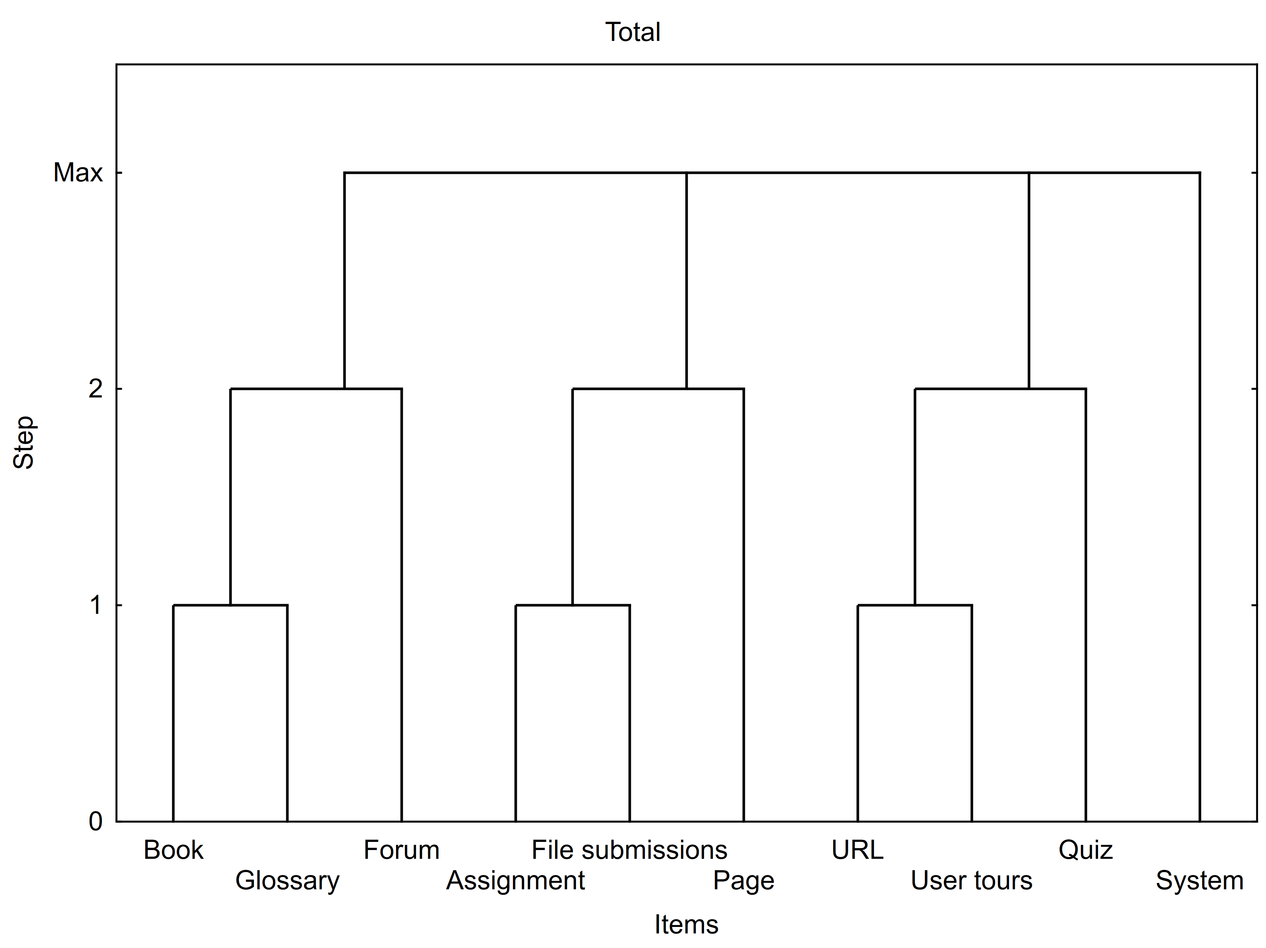

Frequent itemsets | Number of items | Frequency | Support(%)
Book, Forum, Glossary | 3 | 66 | 33
Assignment, File submissions, Page | 3 | 79 | 39.5
Quiz, URL, User tours | 3 | 90 | 45
System | 1 | 200 | 100

Body | ==> | Head | Support(%) | Confidence(%) | Lift
Book, URL | ==> | Glossary | 31.000 | 89.855 | 2.275
Book, User tours | ==> | Glossary | 30.000 | 89.552 | 2.267
Assignment, URL | ==> | Glossary | 29.000 | 84.058 | 2.128
Book, Forum | ==> | Glossary | 33.000 | 77.647 | 1.966
Book, Quiz | ==> | Glossary | 35.000 | 76.087 | 1.926
Forum, URL | ==> | Glossary | 34.000 | 75.556 | 1.913
Assignment, User tours | ==> | Glossary | 28.000 | 73.684 | 1.865
Book | ==> | Glossary | 35.000 | 73.684 | 1.865
Book, System | ==> | Glossary | 35.000 | 73.684 | 1.865
Book, Page | ==> | Glossary | 35.000 | 73.684 | 1.865
Assignment, Book | ==> | Glossary | 32.000 | 73.563 | 1.862
Assignment, Forum | ==> | Glossary | 31.000 | 72.941 | 1.847
Forum, User tours | ==> | Glossary | 32.000 | 72.727 | 1.841
Quiz, URL | ==> | Glossary | 35.000 | 71.429 | 1.808
File submissions, Forum | ==> | Glossary | 21.000 | 71.186 | 1.802
Book, File submissions | ==> | Glossary | 22.000 | 68.750 | 1.741
Forum, Page | ==> | Glossary | 36.500 | 66.972 | 1.696
Page, URL | ==> | Glossary | 35.000 | 66.667 | 1.688
Forum, Quiz | ==> | Glossary | 36.500 | 66.364 | 1.680
Forum | ==> | Glossary | 36.500 | 65.766 | 1.665
Forum, System | ==> | Glossary | 36.500 | 65.766 | 1.665
URL, User tours | ==> | Glossary | 32.000 | 65.306 | 1.653
URL | ==> | Glossary | 35.000 | 64.815 | 1.641
System, URL | ==> | Glossary | 35.000 | 64.815 | 1.641
Assignment, Page | ==> | Glossary | 33.000 | 61.682 | 1.562
Page, User tours | ==> | Glossary | 34.500 | 61.607 | 1.560
Assignment, Quiz | ==> | Glossary | 33.000 | 61.111 | 1.547
File submissions, Quiz | ==> | Glossary | 22.500 | 58.442 | 1.480
Assignment | ==> | Glossary | 33.000 | 57.391 | 1.453
Assignment, System | ==> | Glossary | 33.000 | 57.391 | 1.453
File submissions, Page | ==> | Glossary | 22.500 | 56.962 | 1.442
Page, Quiz | ==> | Glossary | 39.500 | 56.429 | 1.429
Assignment, File submissions | ==> | Glossary | 22.500 | 55.556 | 1.406
File submissions | ==> | Glossary | 22.500 | 55.556 | 1.406
File submissions, System | ==> | Glossary | 22.500 | 55.556 | 1.406
Quiz, User tours | ==> | Glossary | 34.500 | 54.762 | 1.386
Page | ==> | Glossary | 39.500 | 50.968 | 1.290
Page, System | ==> | Glossary | 39.500 | 50.968 | 1.290
User tours | ==> | Glossary | 34.500 | 48.592 | 1.230
System, User tours | ==> | Glossary | 34.500 | 48.592 | 1.230
Quiz | ==> | Glossary | 39.500 | 48.171 | 1.220
Quiz, System | ==> | Glossary | 39.500 | 48.171 | 1.220
System | ==> | Glossary | 39.500 | 39.500 | 1.000

1
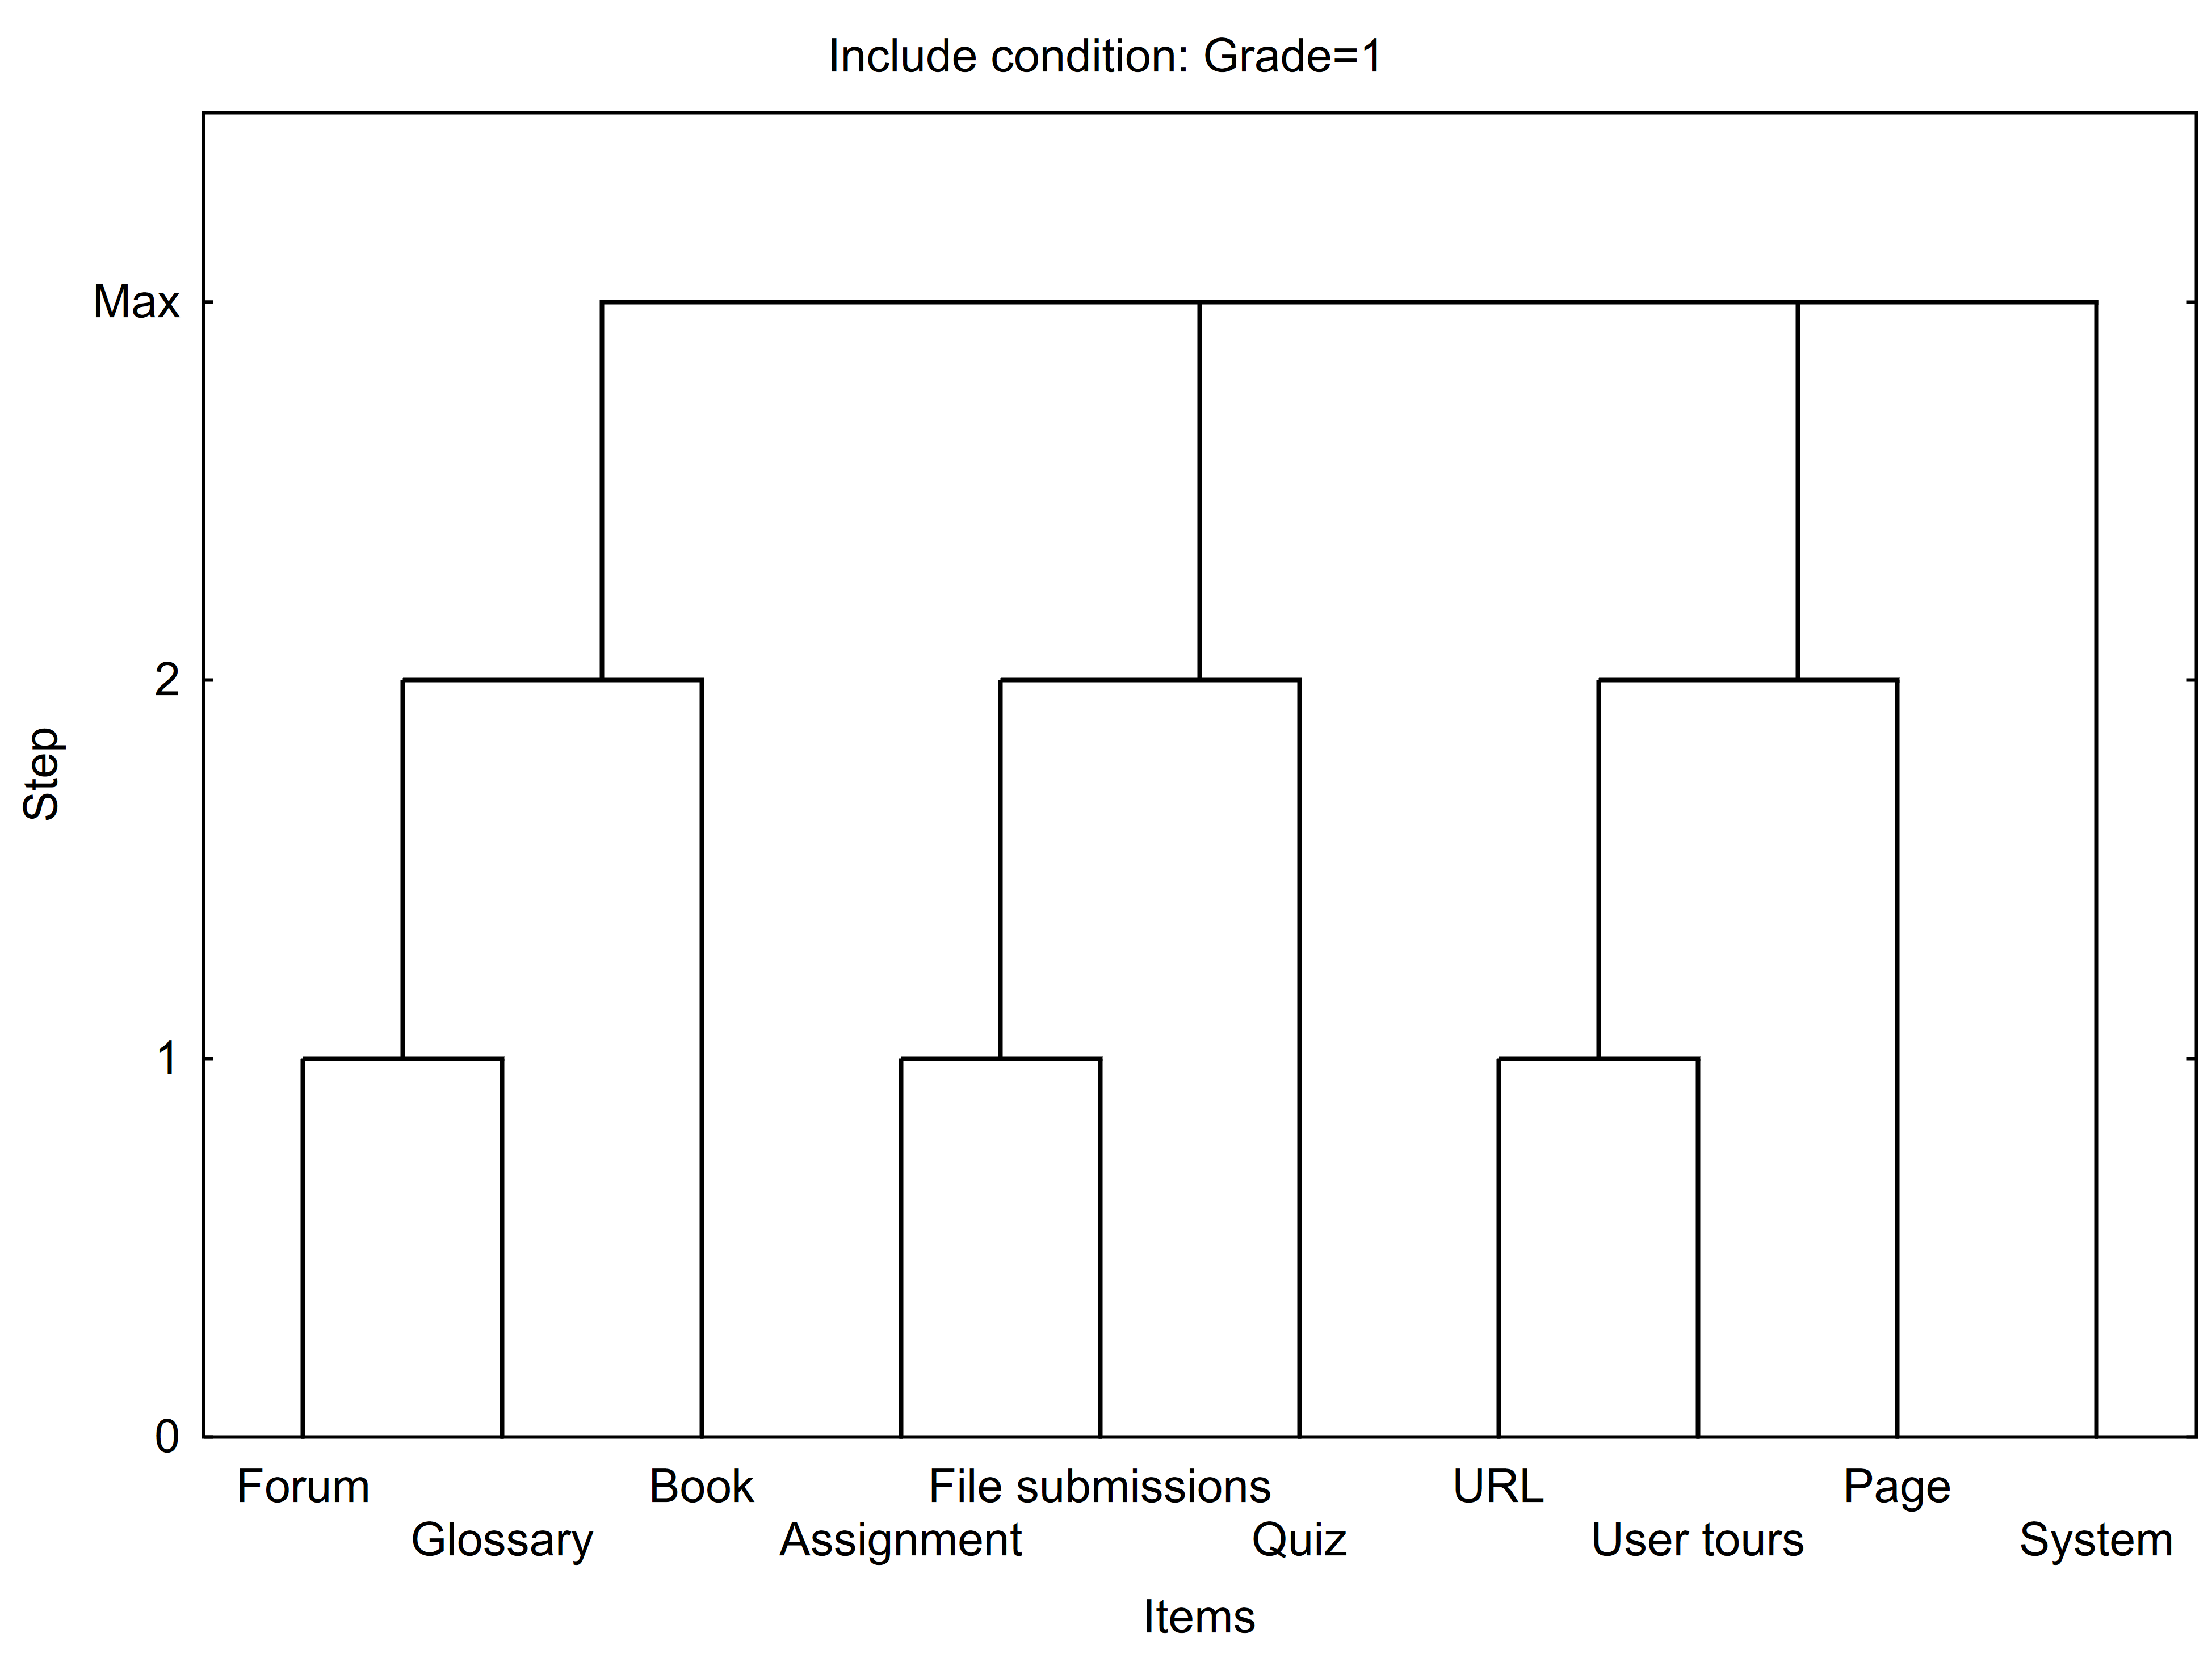

Cluster of frequent itemsets, Include condition: Grade=1
Frequent itemsets | Number of items | Frequency | Support(%)
Book, Forum, Glossary | 3 | 13 | 52
Assignment, File submissions, Quiz | 3 | 17 | 68
Page, URL, User tours | 3 | 9 | 36
System | 1 | 25 | 100

Summary of association rules with selected items, Valid N = 45, Lift Mean = 1.379, Include condition: Grade=1
Body | ==> | Head | Support(%) | Confidence(%) | Lift
Book, User tours | ==> | Glossary | 36 | 100 | 1.785714
Forum, User tours | ==> | Glossary | 32 | 100 | 1.785714
Book, URL | ==> | Glossary | 40 | 90.9091 | 1.623377
Forum, URL | ==> | Glossary | 40 | 90.9091 | 1.623377
File submissions, User tours | ==> | Glossary | 28 | 87.5 | 1.5625
Assignment, Forum | ==> | Glossary | 52 | 86.6667 | 1.547619
Book, Forum | ==> | Glossary | 52 | 86.6667 | 1.547619
Forum | ==> | Glossary | 52 | 86.6667 | 1.547619
Forum, System | ==> | Glossary | 52 | 86.6667 | 1.547619
Forum, Quiz | ==> | Glossary | 52 | 86.6667 | 1.547619
Forum, Page | ==> | Glossary | 52 | 86.6667 | 1.547619
File submissions, Forum | ==> | Glossary | 48 | 85.7143 | 1.530612
Assignment, URL | ==> | Glossary | 40 | 83.3333 | 1.488095
Quiz, URL | ==> | Glossary | 40 | 83.3333 | 1.488095
Book | ==> | Glossary | 56 | 82.3529 | 1.470588
Book, System | ==> | Glossary | 56 | 82.3529 | 1.470588
Book, Quiz | ==> | Glossary | 56 | 82.3529 | 1.470588
Book, Page | ==> | Glossary | 56 | 82.3529 | 1.470588
File submissions, URL | ==> | Glossary | 36 | 81.8182 | 1.461039
Assignment, Book | ==> | Glossary | 52 | 81.25 | 1.450893
Assignment, User tours | ==> | Glossary | 32 | 80 | 1.428571
Book, File submissions | ==> | Glossary | 48 | 80 | 1.428571
Page, URL | ==> | Glossary | 40 | 76.9231 | 1.373626
Assignment, Page | ==> | Glossary | 52 | 76.4706 | 1.365546
File submissions, Page | ==> | Glossary | 48 | 75 | 1.339286
Quiz, User tours | ==> | Glossary | 36 | 75 | 1.339286
Page, Quiz | ==> | Glossary | 56 | 73.6842 | 1.315789
Assignment, Quiz | ==> | Glossary | 52 | 72.2222 | 1.289683
URL | ==> | Glossary | 40 | 71.4286 | 1.27551
System, URL | ==> | Glossary | 40 | 71.4286 | 1.27551
Assignment, File submissions | ==> | Glossary | 48 | 70.5882 | 1.260504
File submissions | ==> | Glossary | 48 | 70.5882 | 1.260504
File submissions, System | ==> | Glossary | 48 | 70.5882 | 1.260504
File submissions, Quiz | ==> | Glossary | 48 | 70.5882 | 1.260504
URL, User tours | ==> | Glossary | 28 | 70 | 1.25
Page, User tours | ==> | Glossary | 36 | 69.2308 | 1.236264
Assignment | ==> | Glossary | 52 | 68.4211 | 1.221805
Assignment, System | ==> | Glossary | 52 | 68.4211 | 1.221805
Quiz | ==> | Glossary | 56 | 66.6667 | 1.190476
Quiz, System | ==> | Glossary | 56 | 66.6667 | 1.190476
Page | ==> | Glossary | 56 | 63.6364 | 1.136364
Page, System | ==> | Glossary | 56 | 63.6364 | 1.136364
User tours | ==> | Glossary | 36 | 56.25 | 1.004464
System, User tours | ==> | Glossary | 36 | 56.25 | 1.004464
System | ==> | Glossary | 56 | 56 | 1

2
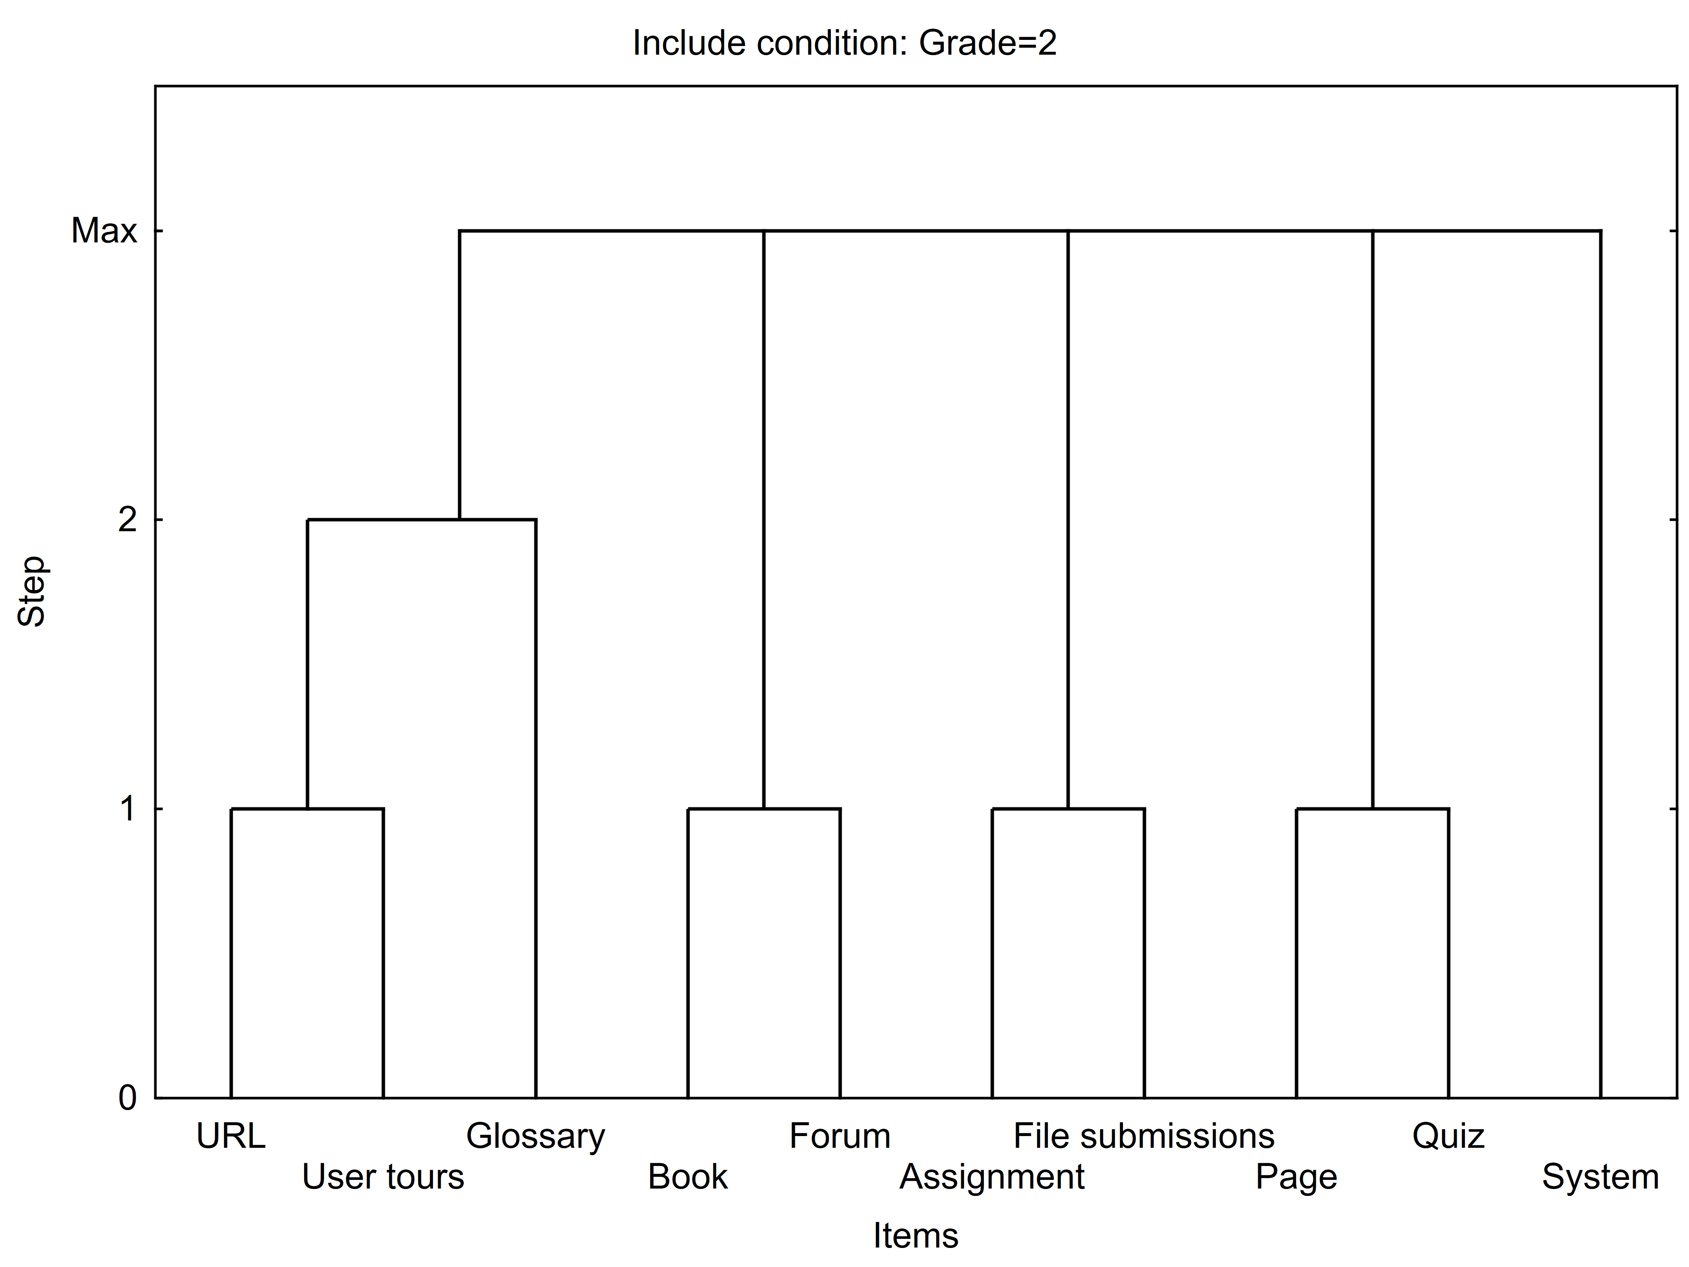

Cluster of frequent itemsets, Include condition: Grade=2
Frequent itemsets | Number of items | Frequency | Support(%)
Glossary, URL, User tours | 3 | 4 | 36.3636
Book, Forum | 2 | 9 | 81.8182
Assignment, File submissions | 2 | 8 | 72.7273
Page, Quiz | 2 | 11 | 100
System | 1 | 11 | 100

Summary of association rules with selected items, Valid N = 44, Lift Mean = 1.251, Include condition: Grade=2
Body | ==> | Head | Support(%) | Confidence(%) | Lift
File submissions, URL | ==> | Glossary | 36.36364 | 100 | 1.833333
Assignment, URL | ==> | Glossary | 54.54545 | 85.7143 | 1.571429
Book, URL | ==> | Glossary | 54.54545 | 85.7143 | 1.571429
Forum, URL | ==> | Glossary | 54.54545 | 85.7143 | 1.571429
URL | ==> | Glossary | 54.54545 | 85.7143 | 1.571429
System, URL | ==> | Glossary | 54.54545 | 85.7143 | 1.571429
Quiz, URL | ==> | Glossary | 54.54545 | 85.7143 | 1.571429
Page, URL | ==> | Glossary | 54.54545 | 85.7143 | 1.571429
Assignment, User tours | ==> | Glossary | 36.36364 | 80 | 1.466667
Book, User tours | ==> | Glossary | 36.36364 | 80 | 1.466667
Forum, User tours | ==> | Glossary | 36.36364 | 80 | 1.466667
User tours | ==> | Glossary | 36.36364 | 80 | 1.466667
URL, User tours | ==> | Glossary | 36.36364 | 80 | 1.466667
System, User tours | ==> | Glossary | 36.36364 | 80 | 1.466667
Quiz, User tours | ==> | Glossary | 36.36364 | 80 | 1.466667
Page, User tours | ==> | Glossary | 36.36364 | 80 | 1.466667
Assignment, Forum | ==> | Glossary | 54.54545 | 66.6667 | 1.222222
Assignment, Book | ==> | Glossary | 54.54545 | 66.6667 | 1.222222
Book | ==> | Glossary | 54.54545 | 66.6667 | 1.222222
Book, System | ==> | Glossary | 54.54545 | 66.6667 | 1.222222
Book, Quiz | ==> | Glossary | 54.54545 | 66.6667 | 1.222222
Book, Page | ==> | Glossary | 54.54545 | 66.6667 | 1.222222
Book, Forum | ==> | Glossary | 54.54545 | 66.6667 | 1.222222
Book, File submissions | ==> | Glossary | 36.36364 | 66.6667 | 1.222222
File submissions, Forum | ==> | Glossary | 36.36364 | 66.6667 | 1.222222
Forum | ==> | Glossary | 54.54545 | 66.6667 | 1.222222
Forum, System | ==> | Glossary | 54.54545 | 66.6667 | 1.222222
Forum, Quiz | ==> | Glossary | 54.54545 | 66.6667 | 1.222222
Forum, Page | ==> | Glossary | 54.54545 | 66.6667 | 1.222222
Assignment | ==> | Glossary | 54.54545 | 54.5455 | 1
Assignment, System | ==> | Glossary | 54.54545 | 54.5455 | 1
Assignment, Quiz | ==> | Glossary | 54.54545 | 54.5455 | 1
Assignment, Page | ==> | Glossary | 54.54545 | 54.5455 | 1
System | ==> | Glossary | 54.54545 | 54.5455 | 1
Quiz | ==> | Glossary | 54.54545 | 54.5455 | 1
Quiz, System | ==> | Glossary | 54.54545 | 54.5455 | 1
Page | ==> | Glossary | 54.54545 | 54.5455 | 1
Page, System | ==> | Glossary | 54.54545 | 54.5455 | 1
Page, Quiz | ==> | Glossary | 54.54545 | 54.5455 | 1
Assignment, File submissions | ==> | Glossary | 36.36364 | 50 | 0.916667
File submissions | ==> | Glossary | 36.36364 | 50 | 0.916667
File submissions, System | ==> | Glossary | 36.36364 | 50 | 0.916667
File submissions, Quiz | ==> | Glossary | 36.36364 | 50 | 0.916667
File submissions, Page | ==> | Glossary | 36.36364 | 50 | 0.916667

3
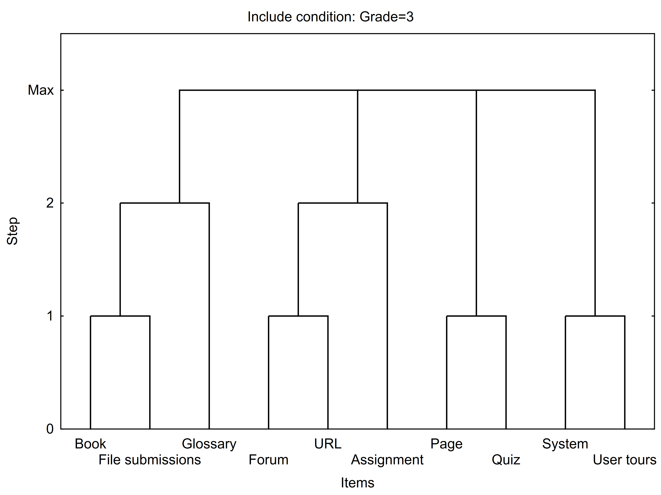

Cluster of frequent itemsets, Include condition: Grade=3
Frequent itemsets | Number of items | Frequency | Support(%)
Book, File submissions, Glossary | 3 | 8 | 36.36364
Assignment, Forum, URL | 3 | 10 | 45.45455
Page, Quiz | 2 | 17 | 77.27273
System, User tours | 2 | 17 | 77.27273

Summary of association rules with selected items, Valid N = 44, Lift Mean = 1.467 Include condition: Grade=3
Body | ==> | Head | Support(%) | Confidence(%) | Lift
File submissions, User tours | ==> | Glossary | 27.27273 | 100 | 2
Assignment, Book | ==> | Glossary | 40.90909 | 90 | 1.8
Assignment, User tours | ==> | Glossary | 36.36364 | 88.8889 | 1.777778
Book, File submissions | ==> | Glossary | 36.36364 | 88.8889 | 1.777778
Book, User tours | ==> | Glossary | 31.81818 | 87.5 | 1.75
Book, URL | ==> | Glossary | 31.81818 | 87.5 | 1.75
Book, Forum | ==> | Glossary | 31.81818 | 87.5 | 1.75
File submissions, URL | ==> | Glossary | 31.81818 | 87.5 | 1.75
File submissions, Forum | ==> | Glossary | 31.81818 | 87.5 | 1.75
Book | ==> | Glossary | 40.90909 | 81.8182 | 1.636364
Book, System | ==> | Glossary | 40.90909 | 81.8182 | 1.636364
Book, Quiz | ==> | Glossary | 40.90909 | 81.8182 | 1.636364
Book, Page | ==> | Glossary | 40.90909 | 81.8182 | 1.636364
Assignment, URL | ==> | Glossary | 36.36364 | 80 | 1.6
Assignment, Forum | ==> | Glossary | 36.36364 | 80 | 1.6
Assignment, File submissions | ==> | Glossary | 36.36364 | 80 | 1.6
File submissions | ==> | Glossary | 36.36364 | 80 | 1.6
File submissions, System | ==> | Glossary | 36.36364 | 80 | 1.6
File submissions, Quiz | ==> | Glossary | 36.36364 | 80 | 1.6
File submissions, Page | ==> | Glossary | 36.36364 | 80 | 1.6
Assignment | ==> | Glossary | 45.45455 | 76.9231 | 1.538462
Assignment, System | ==> | Glossary | 45.45455 | 76.9231 | 1.538462
Assignment, Quiz | ==> | Glossary | 45.45455 | 76.9231 | 1.538462
Assignment, Page | ==> | Glossary | 45.45455 | 76.9231 | 1.538462
Forum, User tours | ==> | Glossary | 31.81818 | 70 | 1.4
Quiz, URL | ==> | Glossary | 40.90909 | 69.2308 | 1.384615
Forum | ==> | Glossary | 36.36364 | 66.6667 | 1.333333
Forum, URL | ==> | Glossary | 36.36364 | 66.6667 | 1.333333
Forum, System | ==> | Glossary | 36.36364 | 66.6667 | 1.333333
Forum, Quiz | ==> | Glossary | 36.36364 | 66.6667 | 1.333333
Forum, Page | ==> | Glossary | 36.36364 | 66.6667 | 1.333333
Page, Quiz | ==> | Glossary | 50 | 64.7059 | 1.294118
Page, User tours | ==> | Glossary | 40.90909 | 64.2857 | 1.285714
Page, URL | ==> | Glossary | 40.90909 | 64.2857 | 1.285714
URL, User tours | ==> | Glossary | 36.36364 | 61.5385 | 1.230769
Page | ==> | Glossary | 50 | 61.1111 | 1.222222
Page, System | ==> | Glossary | 50 | 61.1111 | 1.222222
URL | ==> | Glossary | 40.90909 | 60 | 1.2
System, URL | ==> | Glossary | 40.90909 | 60 | 1.2
Quiz, User tours | ==> | Glossary | 40.90909 | 60 | 1.2
Quiz | ==> | Glossary | 50 | 57.8947 | 1.157895
Quiz, System | ==> | Glossary | 50 | 57.8947 | 1.157895
User tours | ==> | Glossary | 40.90909 | 52.9412 | 1.058824
System, User tours | ==> | Glossary | 40.90909 | 52.9412 | 1.058824
System | ==> | Glossary | 50 | 50 | 1

4
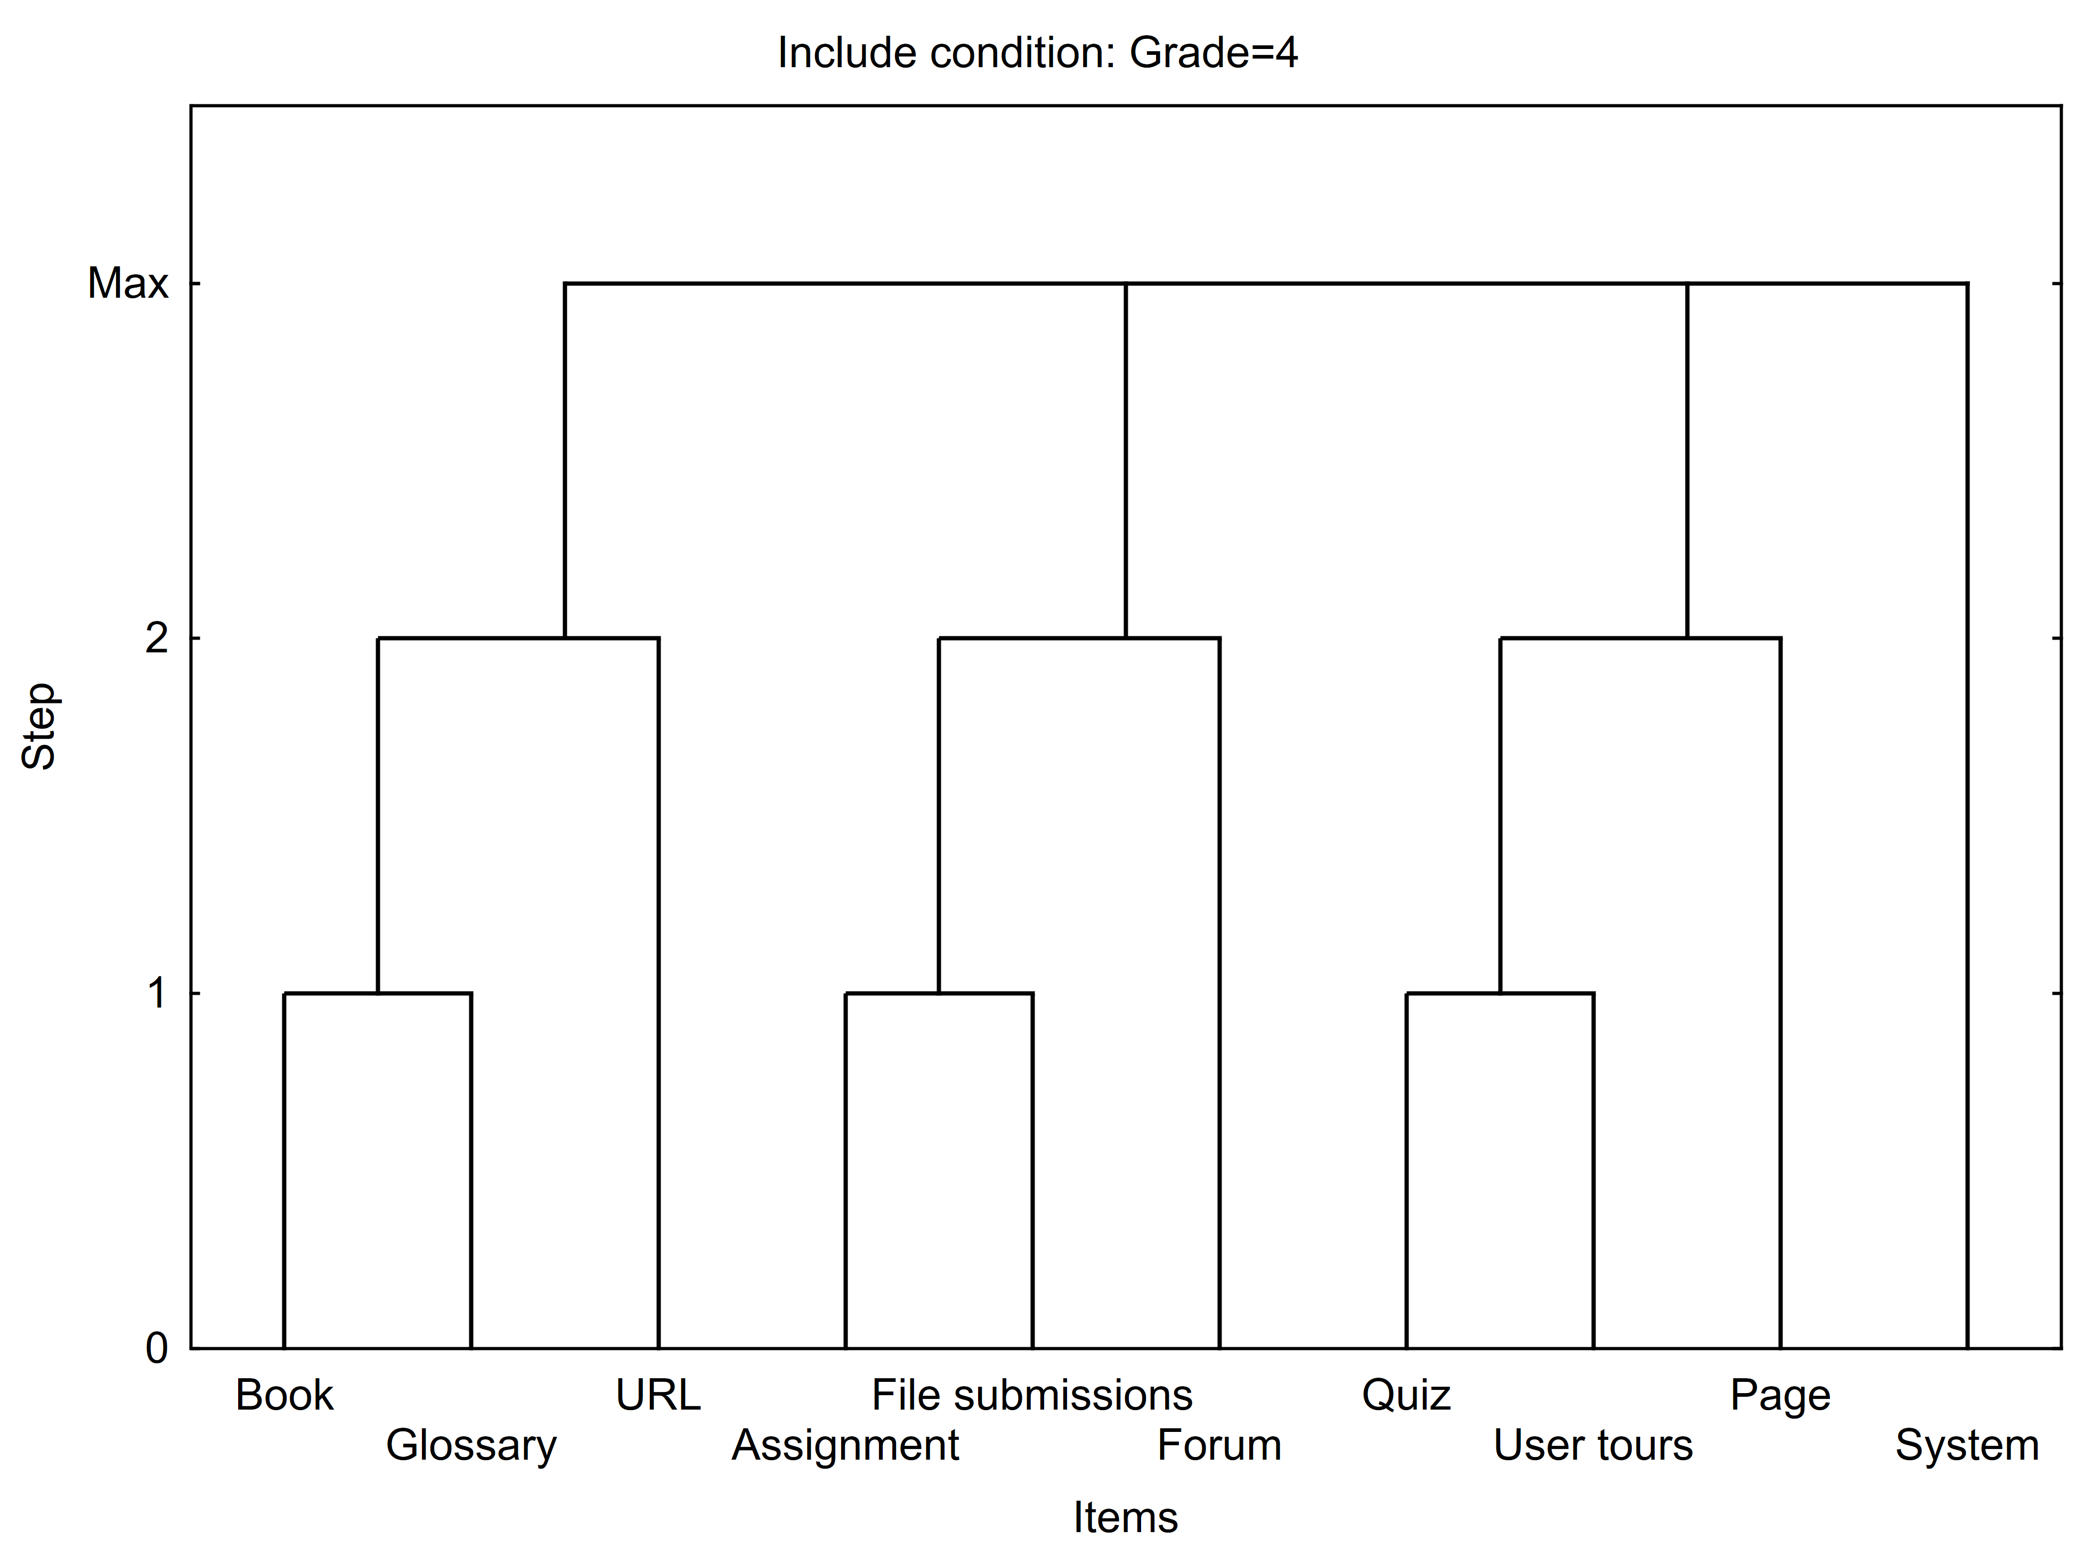

Cluster of frequent itemsets, Include condition: Grade=4
Frequent itemsets | Number of items | Frequency | Support(%)
Book, Glossary, URL | 3 | 9 | 60
Assignment, File submissions, Forum | 3 | 7 | 46.6667
Page, Quiz, User tours | 3 | 10 | 66.6667
System | 1 | 15 | 100

Summary of association rules with selected items, Valid N = 45, Lift Mean = 1.480, Include condition: Grade=4
Body | ==> | Head | Support(%) | Confidence(%) | Lift
Assignment, URL | ==> | Glossary | 60 | 100 | 1.666667
Assignment, Book | ==> | Glossary | 60 | 100 | 1.666667
Book | ==> | Glossary | 60 | 100 | 1.666667
Book, User tours | ==> | Glossary | 60 | 100 | 1.666667
Book, URL | ==> | Glossary | 60 | 100 | 1.666667
Book, System | ==> | Glossary | 60 | 100 | 1.666667
Book, Quiz | ==> | Glossary | 60 | 100 | 1.666667
Book, Page | ==> | Glossary | 60 | 100 | 1.666667
Book, Forum | ==> | Glossary | 60 | 100 | 1.666667
Book, File submissions | ==> | Glossary | 46.66667 | 100 | 1.666667
File submissions, URL | ==> | Glossary | 46.66667 | 100 | 1.666667
File submissions, Forum | ==> | Glossary | 46.66667 | 100 | 1.666667
Forum, URL | ==> | Glossary | 60 | 100 | 1.666667
Forum, Page | ==> | Glossary | 60 | 100 | 1.666667
URL | ==> | Glossary | 60 | 100 | 1.666667
URL, User tours | ==> | Glossary | 60 | 100 | 1.666667
System, URL | ==> | Glossary | 60 | 100 | 1.666667
Quiz, URL | ==> | Glossary | 60 | 100 | 1.666667
Page, URL | ==> | Glossary | 60 | 100 | 1.666667
Assignment, Page | ==> | Glossary | 60 | 90 | 1.5
Assignment, Forum | ==> | Glossary | 60 | 90 | 1.5
Forum | ==> | Glossary | 60 | 90 | 1.5
Forum, User tours | ==> | Glossary | 60 | 90 | 1.5
Forum, System | ==> | Glossary | 60 | 90 | 1.5
Forum, Quiz | ==> | Glossary | 60 | 90 | 1.5
Page, User tours | ==> | Glossary | 60 | 90 | 1.5
File submissions, User tours | ==> | Glossary | 46.66667 | 87.5 | 1.458333
File submissions, Quiz | ==> | Glossary | 46.66667 | 87.5 | 1.458333
File submissions, Page | ==> | Glossary | 46.66667 | 87.5 | 1.458333
Assignment, User tours | ==> | Glossary | 60 | 81.8182 | 1.363636
Assignment, Quiz | ==> | Glossary | 60 | 81.8182 | 1.363636
Page, Quiz | ==> | Glossary | 60 | 81.8182 | 1.363636
Assignment, File submissions | ==> | Glossary | 46.66667 | 77.7778 | 1.296296
File submissions | ==> | Glossary | 46.66667 | 77.7778 | 1.296296
File submissions, System | ==> | Glossary | 46.66667 | 77.7778 | 1.296296
Assignment | ==> | Glossary | 60 | 75 | 1.25
Assignment, System | ==> | Glossary | 60 | 75 | 1.25
User tours | ==> | Glossary | 60 | 75 | 1.25
System, User tours | ==> | Glossary | 60 | 75 | 1.25
Quiz, User tours | ==> | Glossary | 60 | 75 | 1.25
Page | ==> | Glossary | 60 | 75 | 1.25
Page, System | ==> | Glossary | 60 | 75 | 1.25
Quiz | ==> | Glossary | 60 | 69.2308 | 1.153846
Quiz, System | ==> | Glossary | 60 | 69.2308 | 1.153846
System | ==> | Glossary | 60 | 60 | 1

unclassified
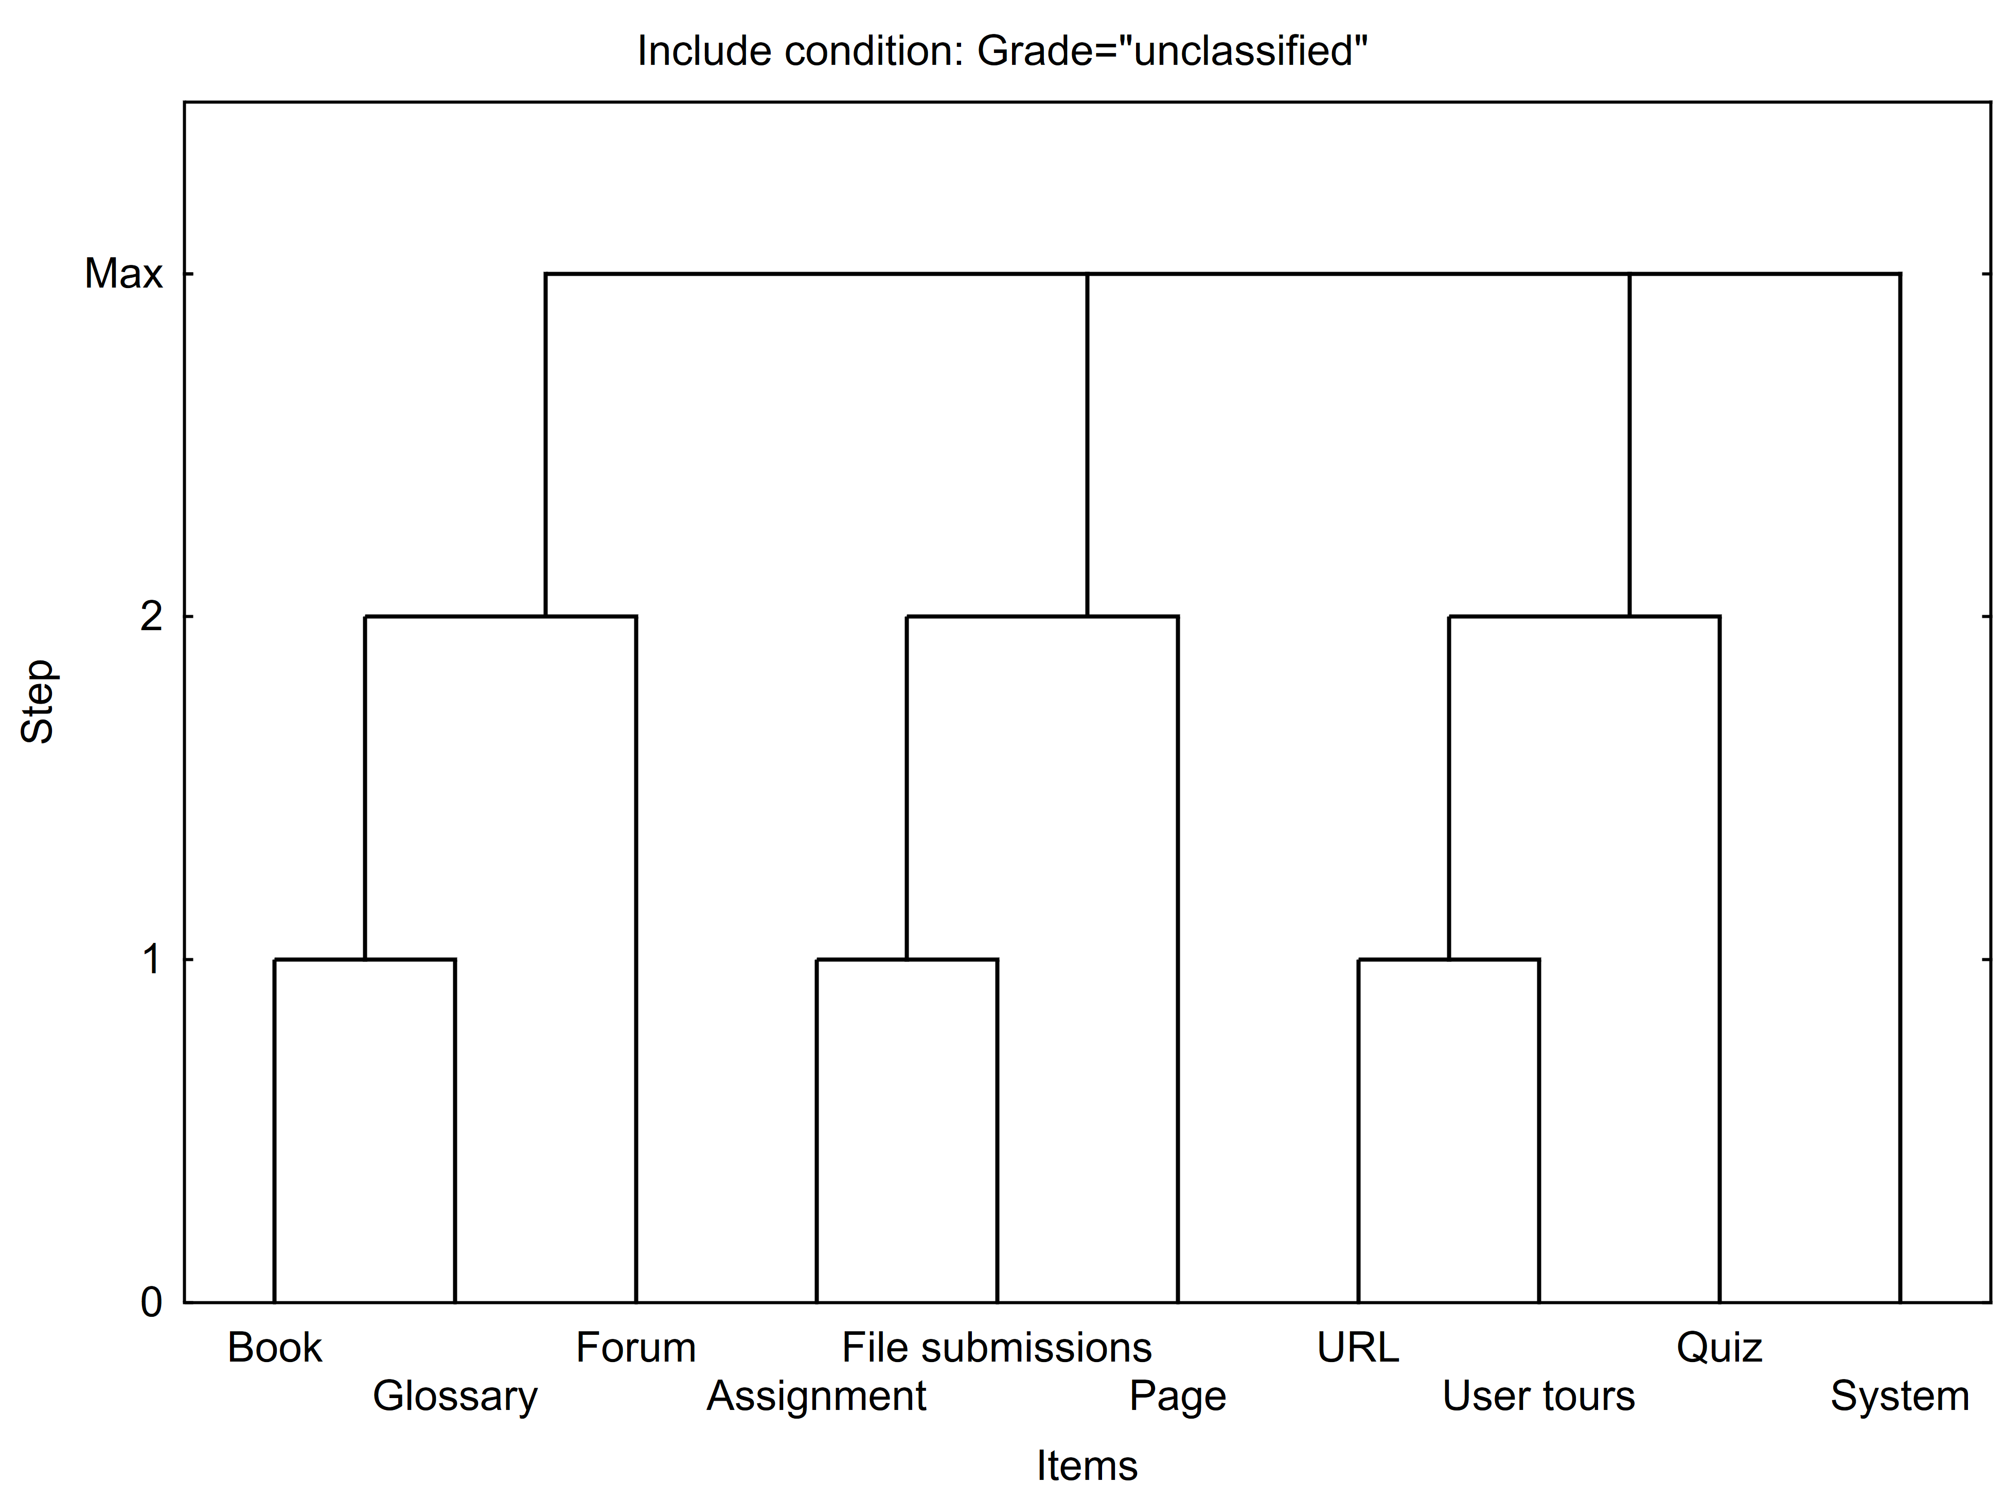

Cluster of frequent itemsets, Include condition: Grade="unclassified"
Frequent itemsets | Number of items | Frequency | Support(%)
Book, Forum, Glossary | 3 | 31 | 24.2188
Assignment, File submissions, Page | 3 | 37 | 28.9063
Quiz, URL, User tours | 3 | 57 | 44.5313
System | 1 | 128 | 100

Summary of association rules with selected items, Valid N = 35, Lift Mean = 1.856, Include condition: Grade="unclassified"
Body | ==> | Head | Support(%) | Confidence(%) | Lift
Book, URL | ==> | Glossary | 23.4375 | 88.23529 | 2.895928
Book, User tours | ==> | Glossary | 24.21875 | 86.11111 | 2.826211
Book, Forum | ==> | Glossary | 24.21875 | 70.45455 | 2.312354
Book, Quiz | ==> | Glossary | 25 | 69.56522 | 2.283166
Forum, URL | ==> | Glossary | 27.34375 | 68.62745 | 2.252388
Assignment, User tours | ==> | Glossary | 21.09375 | 65.85366 | 2.161351
Forum, User tours | ==> | Glossary | 28.125 | 65.45455 | 2.148252
Book | ==> | Glossary | 25 | 65.30612 | 2.14338
Book, System | ==> | Glossary | 25 | 65.30612 | 2.14338
Book, Page | ==> | Glossary | 25 | 65.30612 | 2.14338
Assignment, Forum | ==> | Glossary | 20.3125 | 63.41463 | 2.081301
Quiz, URL | ==> | Glossary | 28.125 | 63.15789 | 2.072874
Assignment, Book | ==> | Glossary | 21.09375 | 62.7907 | 2.060823
URL, User tours | ==> | Glossary | 28.125 | 59.01639 | 1.936948
Page, URL | ==> | Glossary | 28.125 | 58.06452 | 1.905707
Forum, Quiz | ==> | Glossary | 28.90625 | 57.8125 | 1.897436
Forum, Page | ==> | Glossary | 28.90625 | 57.8125 | 1.897436
URL | ==> | Glossary | 28.125 | 57.14286 | 1.875458
System, URL | ==> | Glossary | 28.125 | 57.14286 | 1.875458
Forum | ==> | Glossary | 28.90625 | 56.92308 | 1.868245
Forum, System | ==> | Glossary | 28.90625 | 56.92308 | 1.868245
Page, User tours | ==> | Glossary | 29.6875 | 54.28571 | 1.781685
Assignment, Quiz | ==> | Glossary | 21.875 | 50.90909 | 1.670862
Assignment, Page | ==> | Glossary | 21.875 | 50 | 1.641026
Page, Quiz | ==> | Glossary | 30.46875 | 47.56098 | 1.560976
Assignment | ==> | Glossary | 21.875 | 46.66667 | 1.531624
Assignment, System | ==> | Glossary | 21.875 | 46.66667 | 1.531624
Quiz, User tours | ==> | Glossary | 29.6875 | 46.34146 | 1.520951
Page | ==> | Glossary | 30.46875 | 42.3913 | 1.391304
Page, System | ==> | Glossary | 30.46875 | 42.3913 | 1.391304
User tours | ==> | Glossary | 29.6875 | 41.30435 | 1.35563
System, User tours | ==> | Glossary | 29.6875 | 41.30435 | 1.35563
Quiz | ==> | Glossary | 30.46875 | 39 | 1.28
Quiz, System | ==> | Glossary | 30.46875 | 39 | 1.28
System | ==> | Glossary | 30.46875 | 30.46875 | 1

