parameters
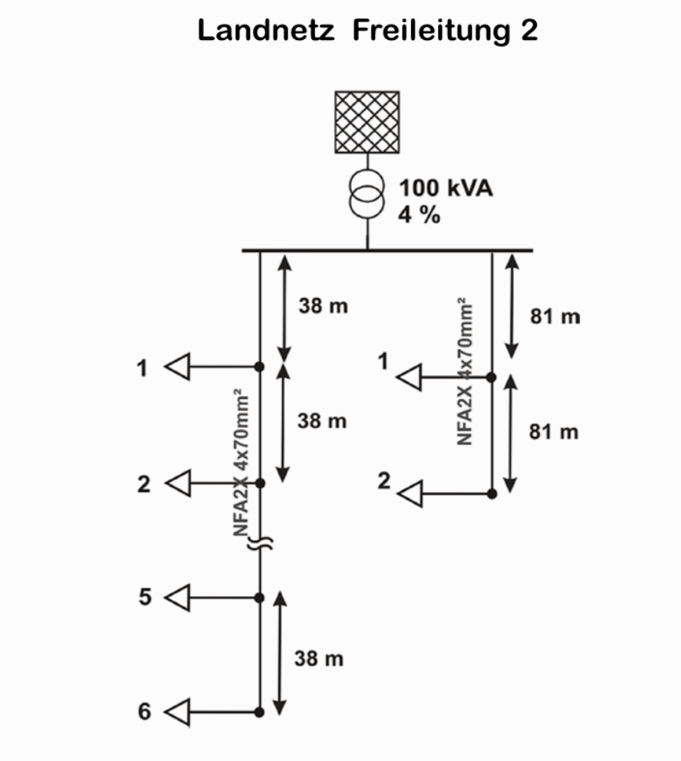
 | version | converged | OPF_converged | name | f_hz | sn_mva
0 | 2.10.1 | FALSE | FALSE |  | 50 | 1

