Sheet2
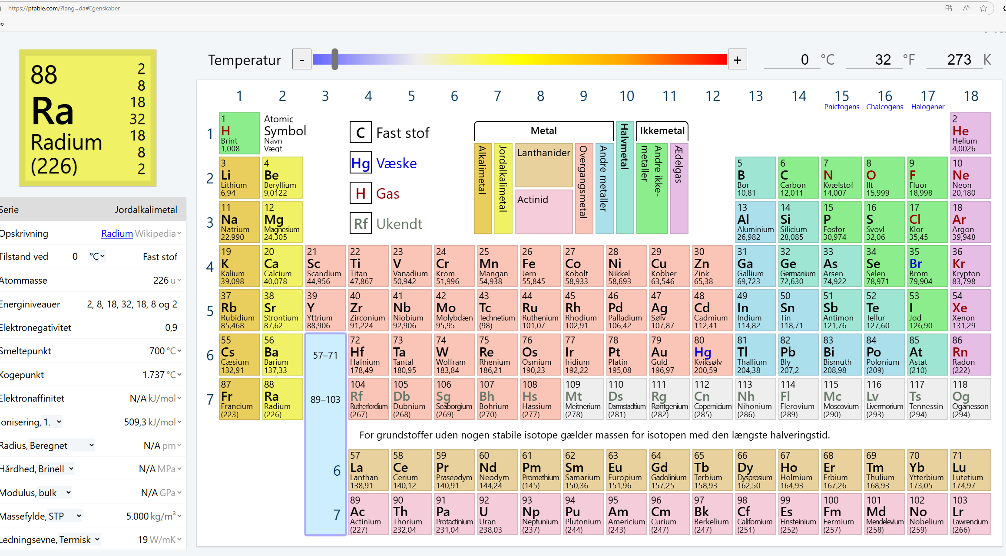
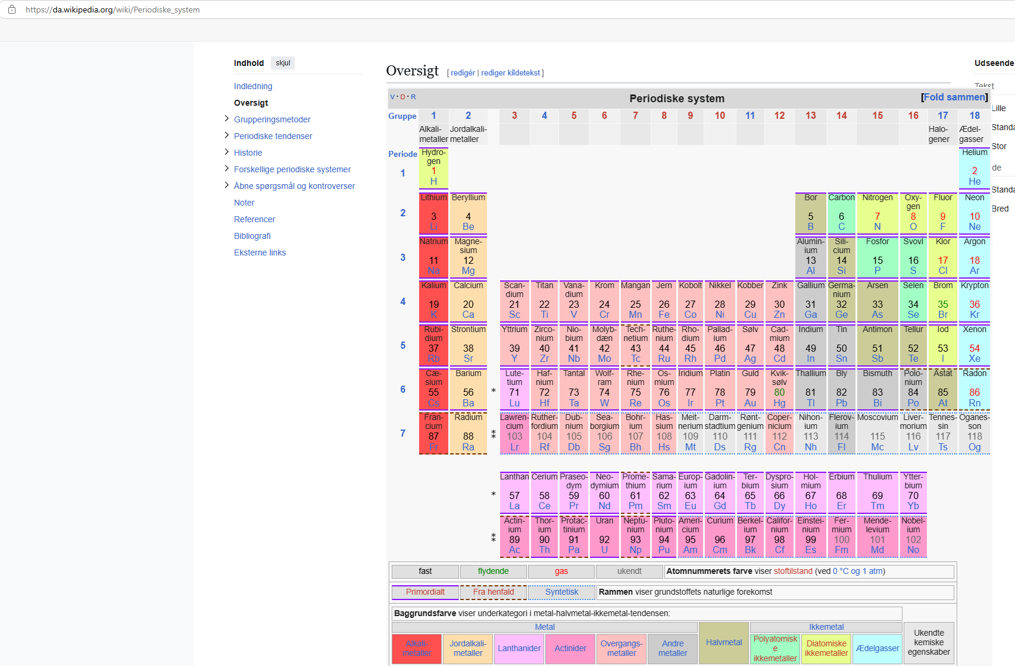
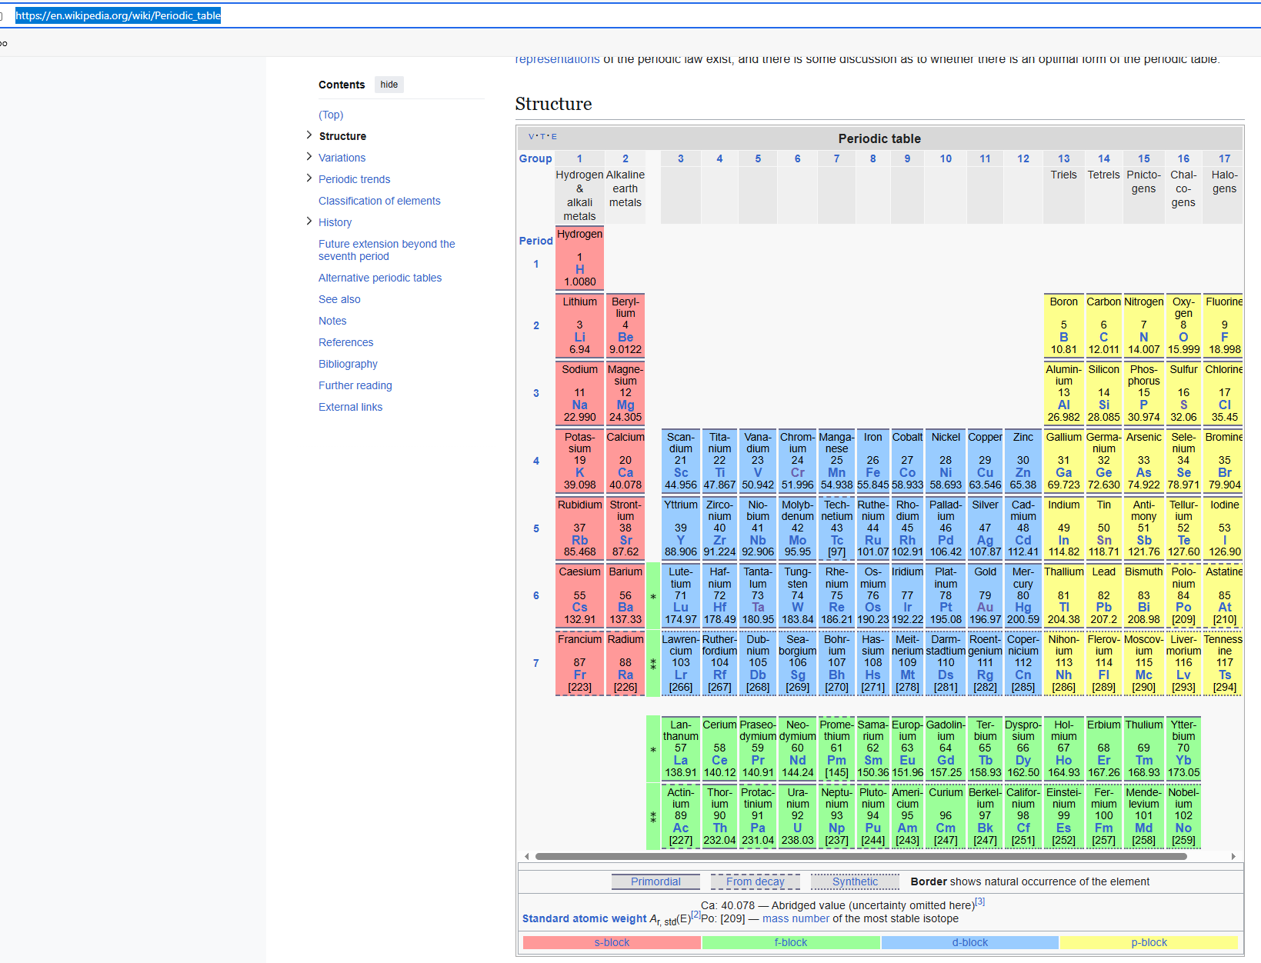
https://en.wikipedia.org/wiki/Periodic_table

https://ptable.com/?lang=da#Egenskaber

https://da.wikipedia.org/wiki/Periodiske_system

