Test specimens
Layout of the measured specimen and position of the temperature sensors

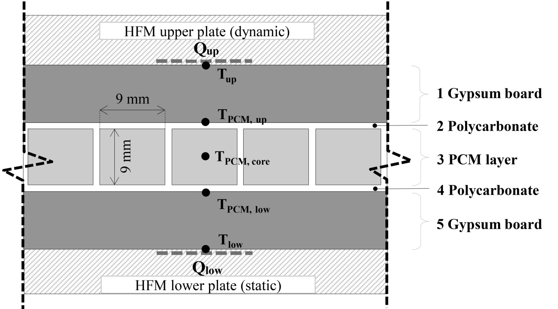

Table 1. Thermophysical properties of the two PCMs – Nominal values. https://www.rubitherm.eu/en//index.html
name | commercial name | material class | melting range | congealing range | c | Heat storage capacity | ρ | ρ | λ
 |  |  |  |  |  |  | (solid) | (liquid) | (both phases)
 |  |  | [°C] | [°C] | [kJ/(kg·K)] | [kJ/(kg·K)] | [kg/m3] | [kg/m3] | [W/(m·K)]
PCM-a | RT 28 HC | Paraffin Wax | 27-29 | 29-27 | 2 | 250a | 880 | 770 | 0.2
PCM-b | SP 26 E | Salt Hydrate | 25-27 | 25-24 | 2 | 180b | 1500 | 1400 | 0.6
a Combination of sensible and latent heat in a temperature range 21-36°C
b Combination of sensible and latent heat in a temperature range 17-32°C

Table 2. Physical properties of each material that constitute the specimen.
layer | material |  | d |  | ρ |  | c | λ
 |  |  | [mm] |  | [kg/m3] |  | [kJ/(kgK)] | W/(mK)]
1 | Gypsum board |  | 12.5 |  | 720 |  | 1.09 | 0.19
2 | Polycarbonate |  | 0.5 |  | 1200 |  | 1.2 | 0.205
3 | PCM layer* |  | 9 |  | - |  | - | -
4 | Polycarbonate |  | 0.5 |  | 1200 |  | 1.2 | 0.205
5 | Gypsum board |  | 12.5 |  | 720 |  | 1.09 | 0.19
* PCMs properties are reported in Table 1.

