Version 1
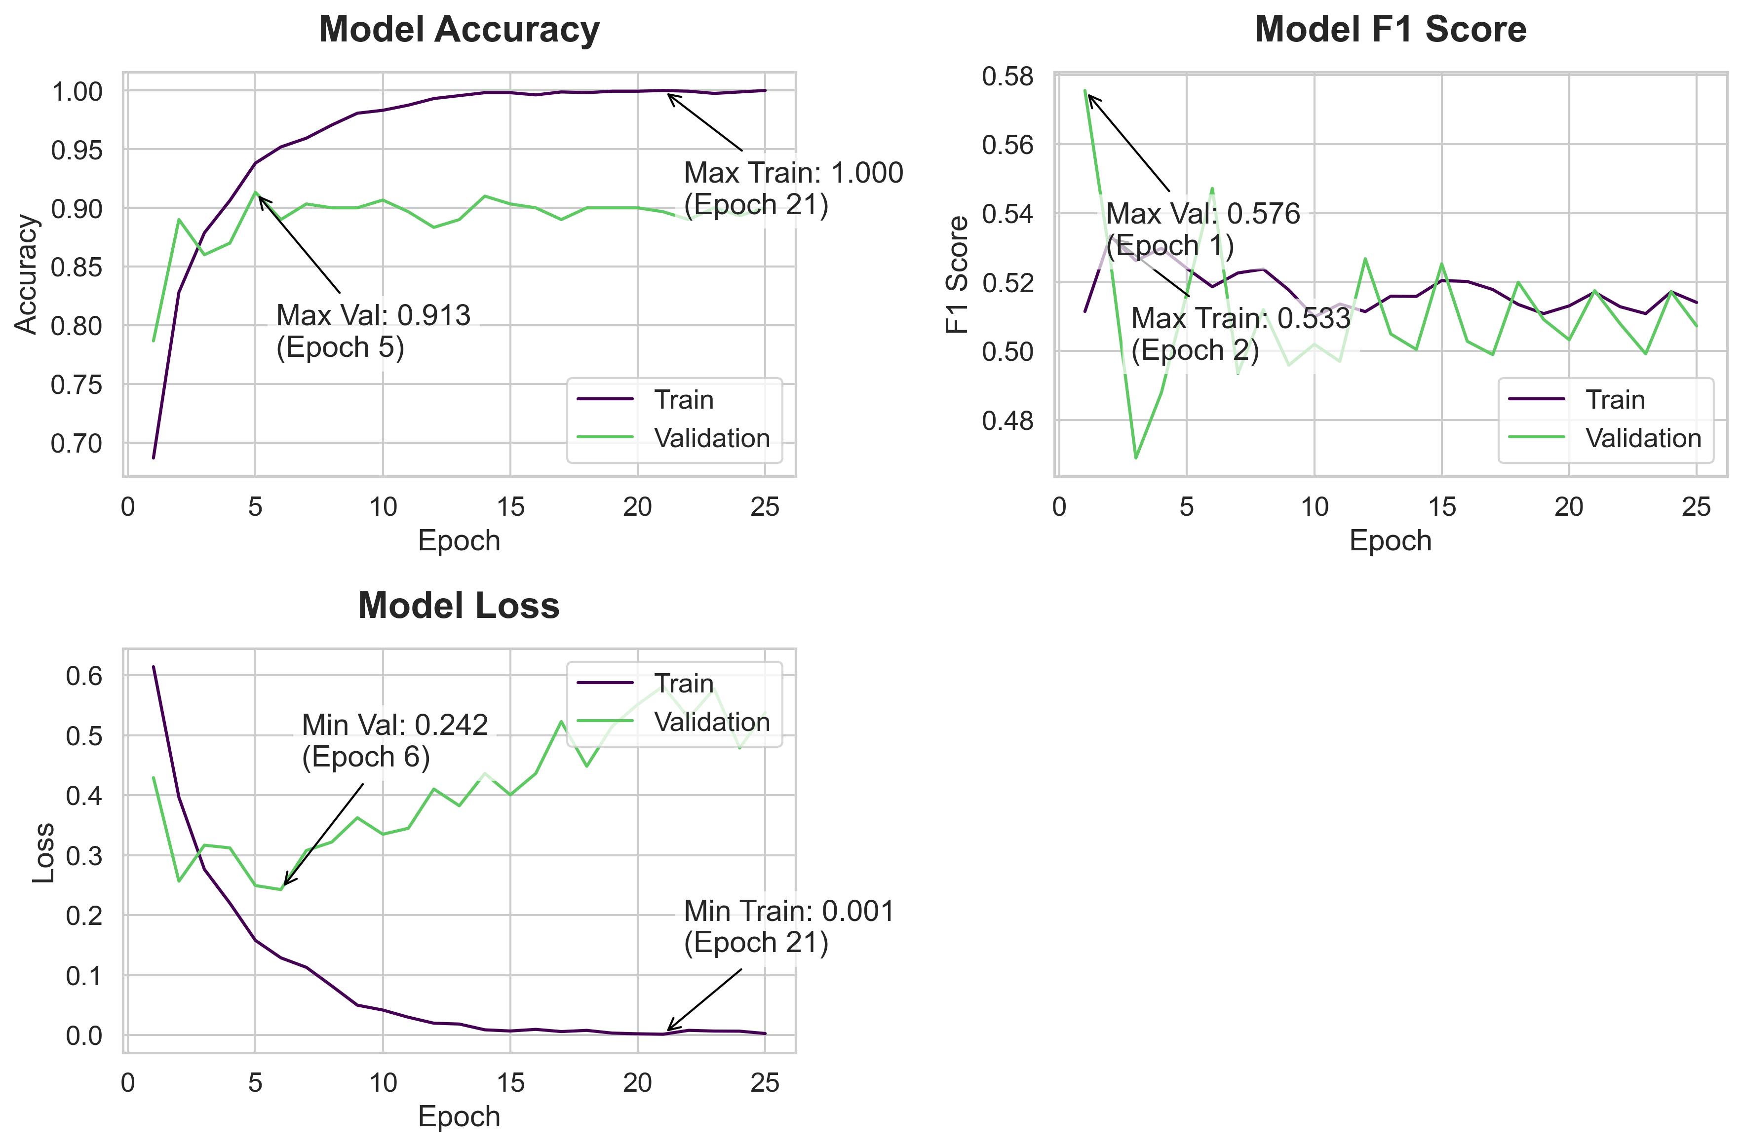
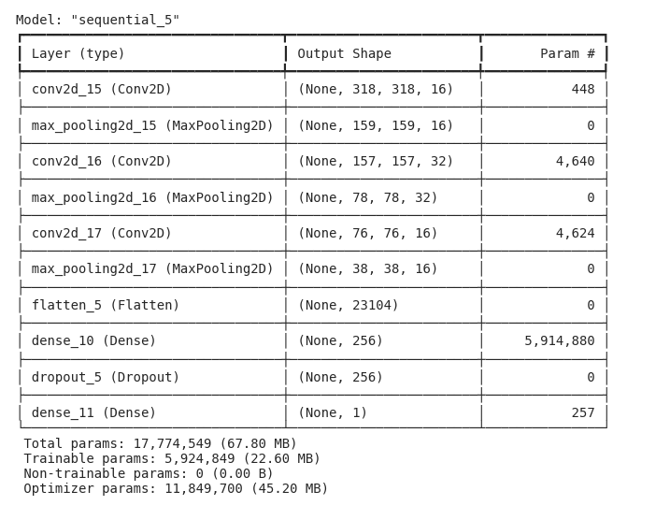
Model Summary | Training History
 | Accuracy | f1_score | Loss | Val Accuracy | Val_f1_score | Val Loss
 | 0.68687498569 | 0.51145505905 | 0.61409062147 | 0.7866666913 | 0.57557493448 | 0.42915704846
 | 0.828125 | 0.53332328796 | 0.39622810483 | 0.88999998569 | 0.52629423141 | 0.25652113557
 | 0.87875002623 | 0.52617520094 | 0.27622264624 | 0.86000001431 | 0.46893551946 | 0.31652125716
 | 0.90625 | 0.52979820967 | 0.21977905929 | 0.87000000477 | 0.48789605498 | 0.31199461222
 | 0.93812501431 | 0.52396148443 | 0.15776981413 | 0.91333335638 | 0.51681882143 | 0.24923807383
 | 0.95187497139 | 0.51860618591 | 0.12867820263 | 0.88999998569 | 0.54716235399 | 0.2424711585
 | 0.95937502384 | 0.52262198925 | 0.11281912774 | 0.90333330631 | 0.49344399571 | 0.30770051479
 | 0.97062498331 | 0.5237429142 | 0.081686832011 | 0.89999997616 | 0.51199489832 | 0.32181036472
 | 0.98062497377 | 0.51766890287 | 0.04973353073 | 0.89999997616 | 0.49586230516 | 0.36223971844
 | 0.98312497139 | 0.50989091396 | 0.041583038867 | 0.90666669607 | 0.50193291903 | 0.33478215337
 | 0.98750001192 | 0.51361578703 | 0.02958021313 | 0.896666646 | 0.49696177244 | 0.3446829617
 | 0.99312502146 | 0.51139909029 | 0.01965472661 | 0.88333332539 | 0.52675646544 | 0.41019958258
 | 0.99562501907 | 0.51588839293 | 0.018258884549 | 0.88999998569 | 0.50492286682 | 0.38229107857
 | 0.99812501669 | 0.51581037045 | 0.0086119975895 | 0.91000002623 | 0.50043100119 | 0.43613287807
 | 0.99812501669 | 0.5204424262 | 0.0066587184556 | 0.90333330631 | 0.52528780699 | 0.40049508214
 | 0.99624997377 | 0.5201562047 | 0.0093513065949 | 0.89999997616 | 0.50279206038 | 0.43617966771
 | 0.99874997139 | 0.51781243086 | 0.0057128397748 | 0.88999998569 | 0.49891486764 | 0.52271330357
 | 0.99812501669 | 0.51348489523 | 0.0076905800961 | 0.89999997616 | 0.51993352175 | 0.44808638096
 | 0.99937498569 | 0.5108269453 | 0.0031472127885 | 0.89999997616 | 0.50911009312 | 0.51476824284
 | 0.99937498569 | 0.51307761669 | 0.0020032736938 | 0.89999997616 | 0.50322157145 | 0.55132234097
 | 1 | 0.51703119278 | 0.0012530812528 | 0.896666646 | 0.51749992371 | 0.58175730705
 | 0.99937498569 | 0.51282048225 | 0.0077609545551 | 0.88999998569 | 0.50786554813 | 0.52878057957
 | 0.99750000238 | 0.51082026958 | 0.0065505802631 | 0.89999997616 | 0.49913486838 | 0.57720029354
 | 0.99874997139 | 0.51716601849 | 0.006358276587 | 0.89333331585 | 0.51714038849 | 0.47857779264
 | 1 | 0.51406246424 | 0.0024674904998 | 0.89999997616 | 0.50725251436 | 0.53731071949

Model Code
model = tf.keras.Sequential([

tf.keras.layers.Input(shape=[X_train_tensor.shape[1], X_train_tensor.shape[2], X_train_tensor.shape[3]]),

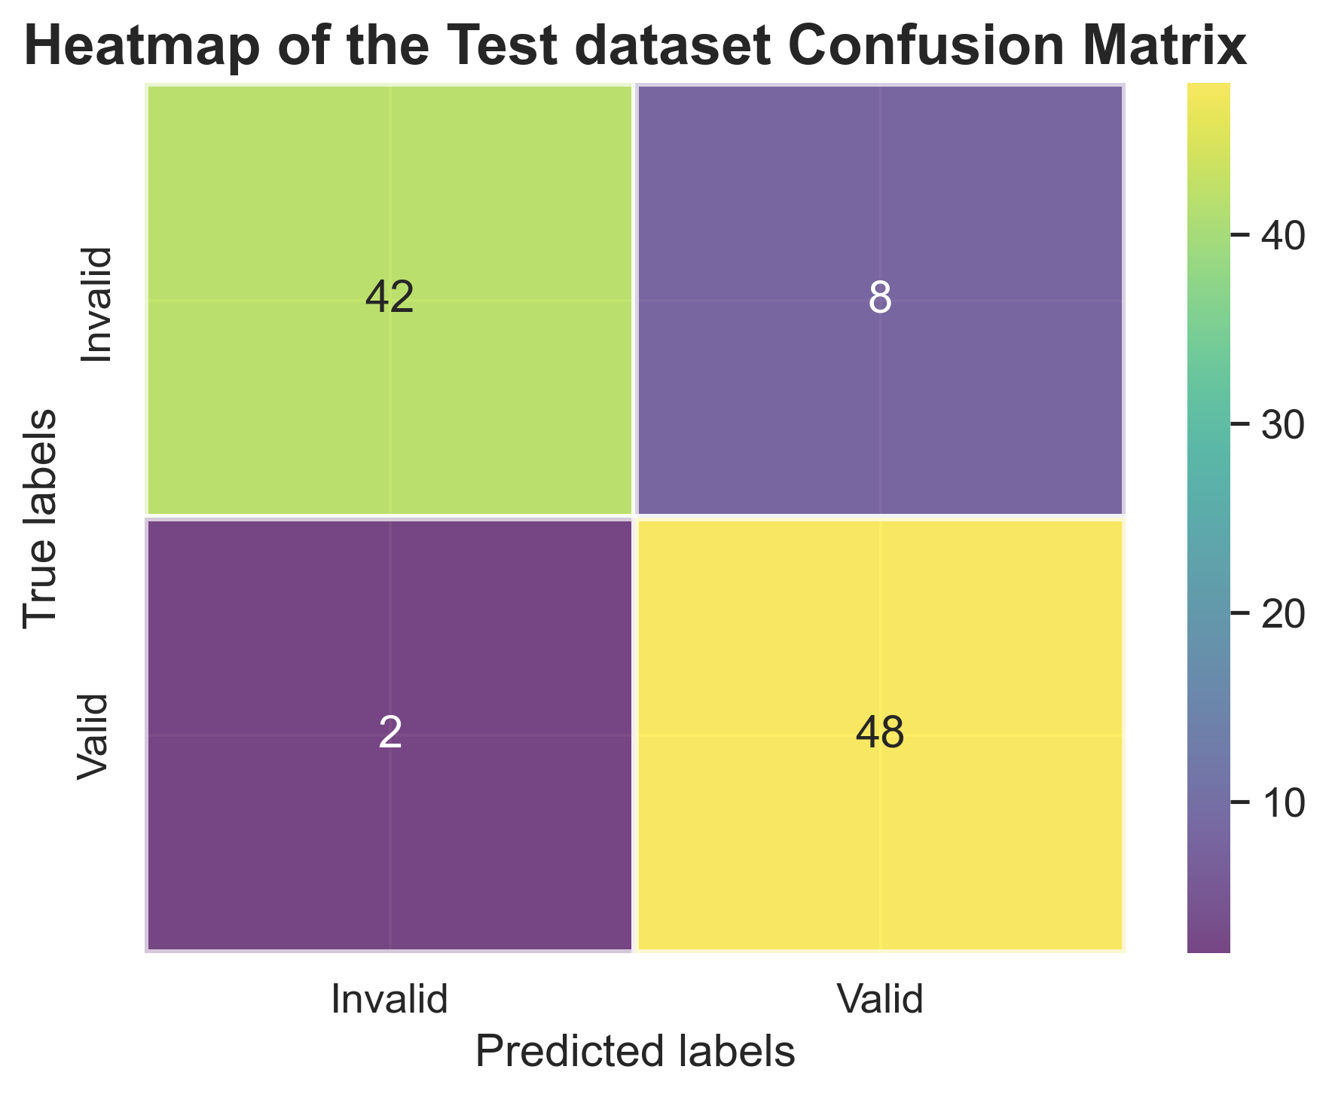
tf.keras.layers.Conv2D(16, kernel_size=(3, 3), strides=1, activation='relu'),
tf.keras.layers.MaxPooling2D(pool_size=(2, 2)),

tf.keras.layers.Conv2D(32, kernel_size=(3, 3), activation='relu'),
tf.keras.layers.MaxPooling2D(pool_size=(2, 2)),

tf.keras.layers.Conv2D(16, kernel_size=(3, 3), strides=1, activation='relu'),
tf.keras.layers.MaxPooling2D(pool_size=(2, 2)),

tf.keras.layers.Flatten(),

tf.keras.layers.Dense(256, activation='relu'),
tf.keras.layers.Dropout(0.3),

tf.keras.layers.Dense(1, activation='sigmoid')])

model.compile(
optimizer=tf.keras.optimizers.Adam(learning_rate=0.001),
loss='binary_crossentropy',
metrics=['accuracy', F1Score()]
)

Training Code
history = model.fit(X_train_tensor, Y_train_tensor,
epochs=25,
validation_data=(X_val_tensor, Y_val_tensor),
verbose=1)

Version 3
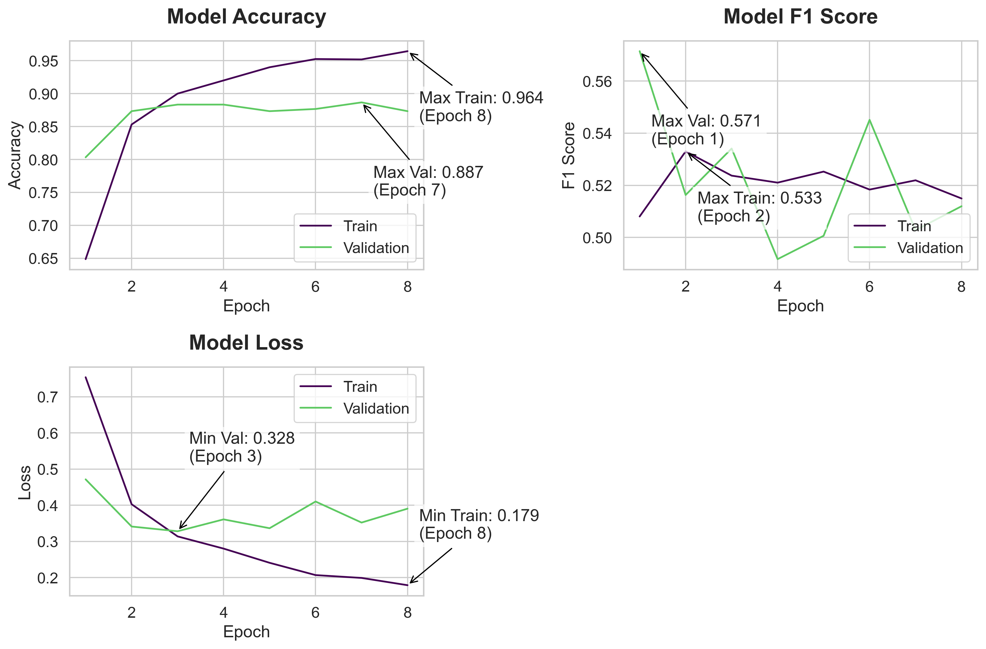

Model Summary | Training History
 | Accuracy | f1_score | Loss | Val Accuracy | Val_f1_score | Val Loss
 | 0.64875000715 | 0.50806194544 | 0.75387459993 | 0.80333334208 | 0.57145488262 | 0.47155267
 | 0.85312497616 | 0.53302234411 | 0.40276032686 | 0.87333333492 | 0.51630431414 | 0.34112071991
 | 0.89999997616 | 0.52372258902 | 0.31380724907 | 0.88333332539 | 0.53412276506 | 0.32802820206
 | 0.92000001669 | 0.52103799582 | 0.28007820249 | 0.88333332539 | 0.49169573188 | 0.36089202762
 | 0.93999999762 | 0.5252700448 | 0.24081306159 | 0.87333333492 | 0.50064867735 | 0.33642053604
 | 0.95249998569 | 0.51838004589 | 0.20682226121 | 0.87666666508 | 0.54511708021 | 0.41025516391
 | 0.95187497139 | 0.52193444967 | 0.1989825666 | 0.88666665554 | 0.50279206038 | 0.35206446052
 | 0.96437501907 | 0.51495486498 | 0.17888179421 | 0.87333333492 | 0.51199489832 | 0.39053180814

Model Code
model = tf.keras.Sequential([

tf.keras.layers.Input(shape=[X_train_tensor.shape[1], X_train_tensor.shape[2], X_train_tensor.shape[3]]),

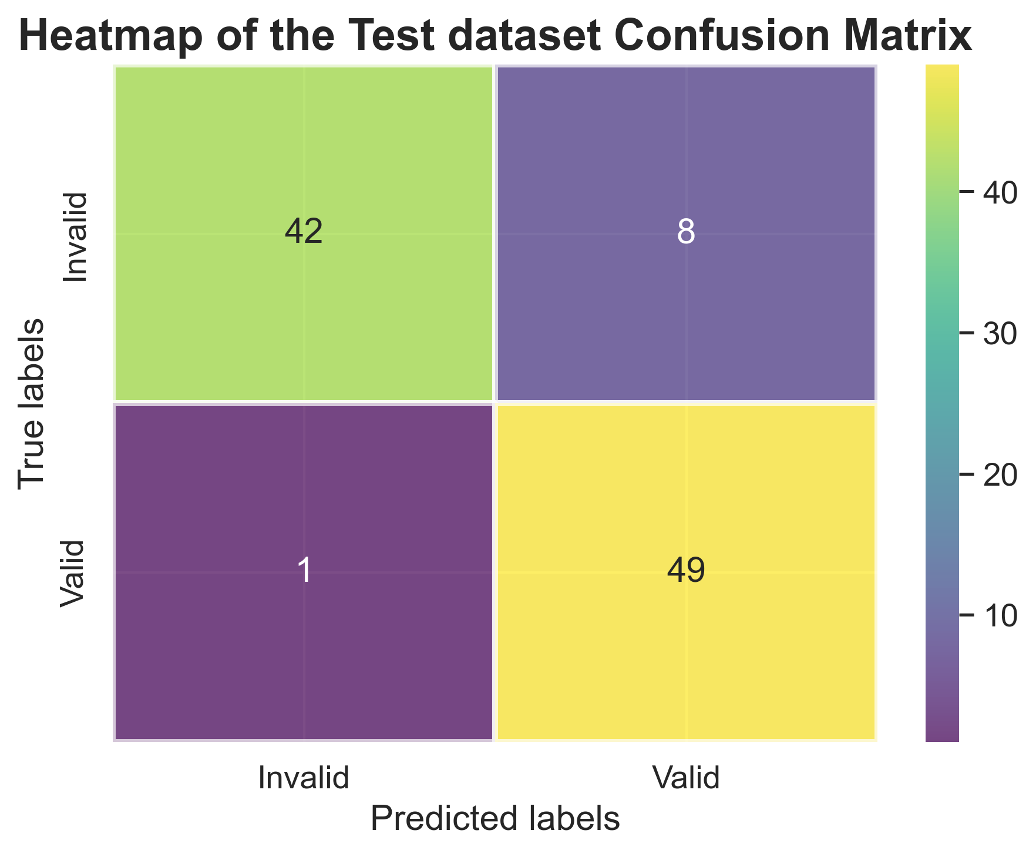
tf.keras.layers.Conv2D(16, kernel_size=(3, 3), strides=1, activation='relu'),
tf.keras.layers.MaxPooling2D(pool_size=(2, 2)),

tf.keras.layers.Conv2D(32, kernel_size=(3, 3), activation='relu'),
tf.keras.layers.MaxPooling2D(pool_size=(2, 2)),

tf.keras.layers.Conv2D(16, kernel_size=(3, 3), strides=1, activation='relu'),
tf.keras.layers.MaxPooling2D(pool_size=(2, 2)),

tf.keras.layers.Flatten(),

tf.keras.layers.Dense(256, activation='relu', kernel_regularizer=tf.keras.regularizers.l2(0.001)),
tf.keras.layers.Dropout(0.3),

tf.keras.layers.Dense(1, activation='sigmoid')])

model.compile(
optimizer=tf.keras.optimizers.Adam(learning_rate=0.001),
loss='binary_crossentropy',
metrics=['accuracy', F1Score()]
)

early_stopping = tf.keras.callbacks.EarlyStopping(
monitor='val_loss',
patience=5,
restore_best_weights=True)

Training Code
history = model.fit(X_train_tensor, Y_train_tensor,
epochs=60,
validation_data=(X_val_tensor, Y_val_tensor),
callbacks=[early_stopping],
verbose=1)

Version 4
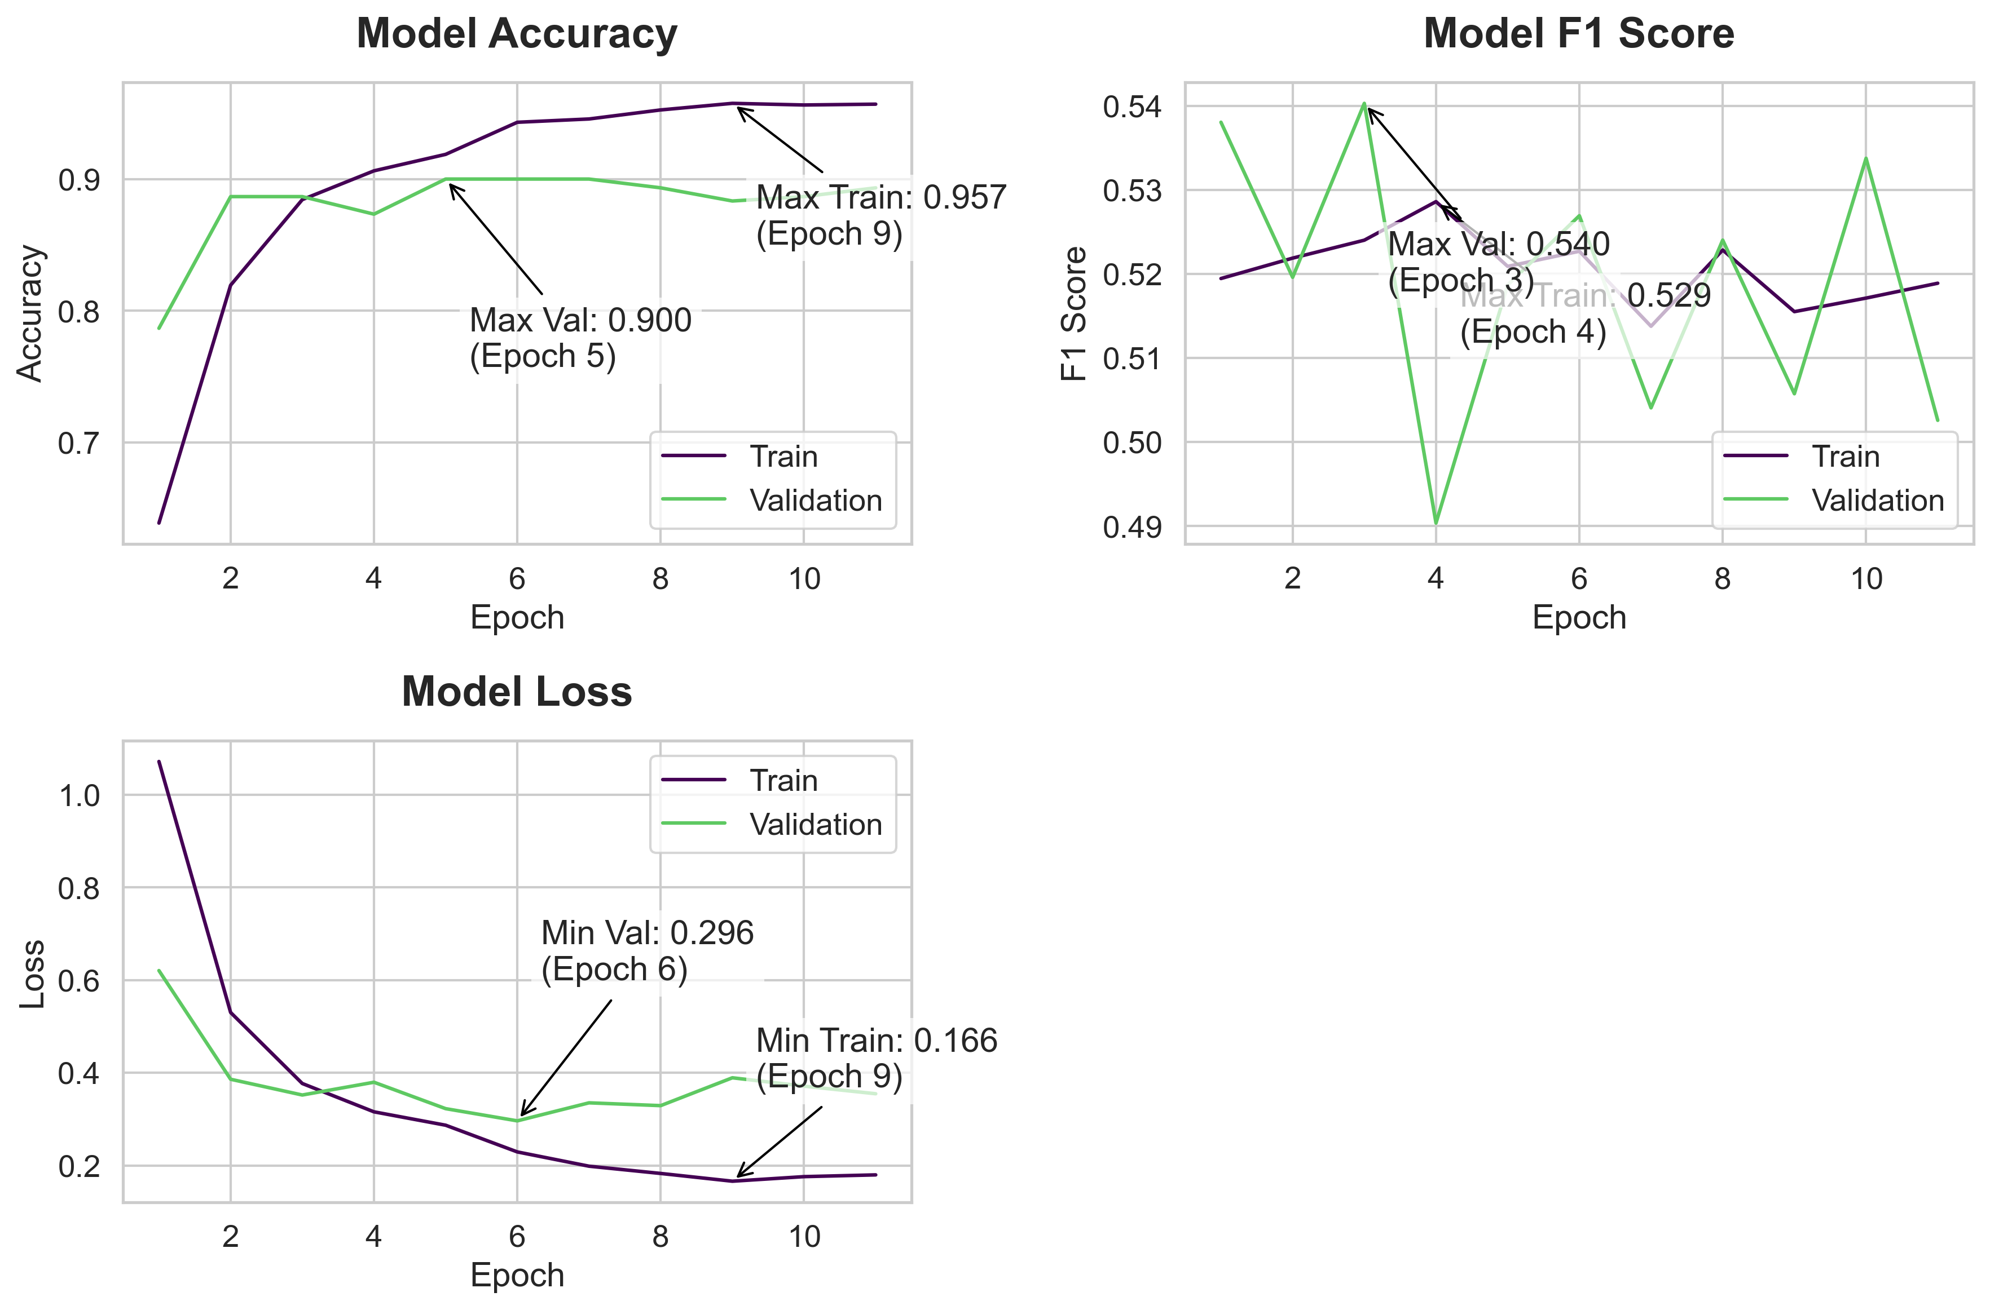

Model Summary | Training History
 | Accuracy | f1_score | Loss | Val Accuracy | Val_f1_score | Val Loss
 | 0.63875001669 | 0.51945191622 | 1.0714225769 | 0.7866666913 | 0.53805202246 | 0.62036645412
 | 0.81937497854 | 0.52188074589 | 0.52997905016 | 0.88666665554 | 0.51959568262 | 0.38591521978
 | 0.88437497616 | 0.5240149498 | 0.37675908208 | 0.88666665554 | 0.54030019045 | 0.35191380978
 | 0.90625 | 0.52860480547 | 0.31562840939 | 0.87333333492 | 0.49035081267 | 0.3794747889
 | 0.91874998808 | 0.52089762688 | 0.28675994277 | 0.89999997616 | 0.51868766546 | 0.32247647643
 | 0.94312500954 | 0.52269589901 | 0.22913372517 | 0.89999997616 | 0.52692770958 | 0.29616263509
 | 0.94562500715 | 0.51376783848 | 0.19836202264 | 0.89999997616 | 0.50406146049 | 0.33505389094
 | 0.95249998569 | 0.52284693718 | 0.18268427253 | 0.89333331585 | 0.52402460575 | 0.32900160551
 | 0.95749998093 | 0.51550835371 | 0.16595780849 | 0.88333332539 | 0.50573968887 | 0.38909611106
 | 0.95625001192 | 0.51712322235 | 0.17582987249 | 0.88666665554 | 0.53376197815 | 0.37106406689
 | 0.95687502623 | 0.51889258623 | 0.17961139977 | 0.89333331585 | 0.50257724524 | 0.35463064909

Model Code
model = tf.keras.Sequential([

tf.keras.layers.Input(shape=[X_train_tensor.shape[1], X_train_tensor.shape[2], X_train_tensor.shape[3]]),

tf.keras.layers.Conv2D(32, kernel_size=(3, 3), strides=1, activation='relu'),
tf.keras.layers.MaxPooling2D(pool_size=(2, 2)),

tf.keras.layers.Conv2D(64, kernel_size=(3, 3), activation='relu'),
tf.keras.layers.MaxPooling2D(pool_size=(2, 2)),

tf.keras.layers.Conv2D(32, kernel_size=(3, 3), strides=1, activation='relu'),
tf.keras.layers.MaxPooling2D(pool_size=(2, 2)),

tf.keras.layers.Flatten(),

tf.keras.layers.Dense(512, activation='relu', kernel_regularizer=tf.keras.regularizers.l2(0.001)),
tf.keras.layers.Dropout(0.3),

tf.keras.layers.Dense(1, activation='sigmoid')])

model.compile(
optimizer=tf.keras.optimizers.Adam(learning_rate=0.001),
loss='binary_crossentropy',
metrics=['accuracy', F1Score()]
)

early_stopping = tf.keras.callbacks.EarlyStopping(
monitor='val_loss',
patience=5,
restore_best_weights=True)

Training Code
history = model.fit(X_train_tensor, Y_train_tensor,
epochs=60,
validation_data=(X_val_tensor, Y_val_tensor),
callbacks=[early_stopping],
verbose=1)

Version 5
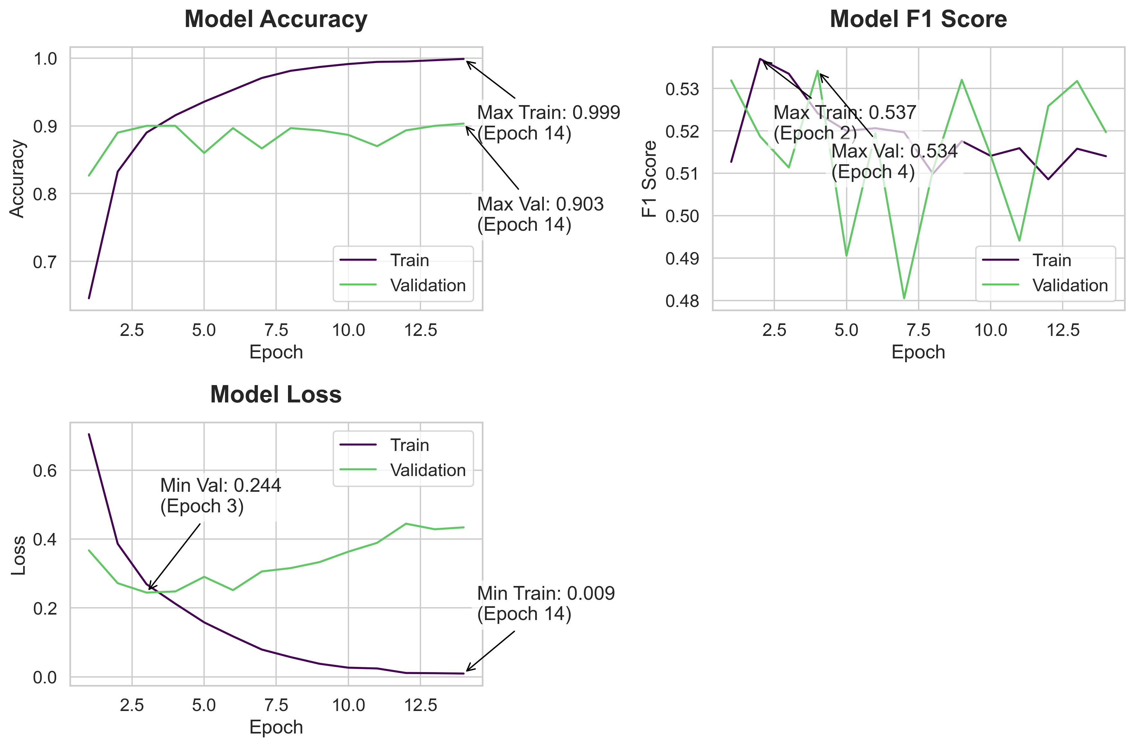
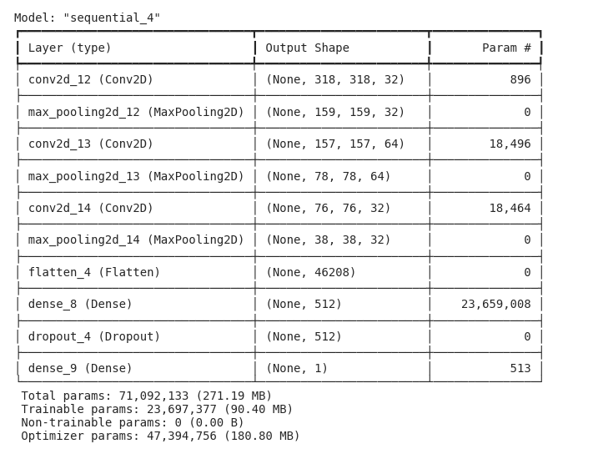
Model Summary | Training History
 | Accuracy | f1_score | Loss | Val Accuracy | Val_f1_score | Val Loss
 | 0.64562499523 | 0.51268988848 | 0.70421630144 | 0.82666665316 | 0.53188925982 | 0.36699000001
 | 0.83249998093 | 0.53696864843 | 0.38616073132 | 0.88999998569 | 0.51871097088 | 0.27171954513
 | 0.88999998569 | 0.5334713459 | 0.26886048913 | 0.89999997616 | 0.51136356592 | 0.2444165349
 | 0.91562497616 | 0.52415025234 | 0.21212123334 | 0.89999997616 | 0.53416389227 | 0.24776959419
 | 0.93562501669 | 0.51999992132 | 0.15803055465 | 0.86000001431 | 0.49057009816 | 0.29021659493
 | 0.953125 | 0.52062761784 | 0.1174178496 | 0.896666646 | 0.51945358515 | 0.25157919526
 | 0.97062498331 | 0.51965498924 | 0.079110167921 | 0.86666667461 | 0.48051068187 | 0.30583694577
 | 0.98124998808 | 0.50988274813 | 0.057160258293 | 0.896666646 | 0.51076853275 | 0.31556171179
 | 0.98687499762 | 0.51758420467 | 0.037853080779 | 0.89333331585 | 0.53201764822 | 0.33298131824
 | 0.99124997854 | 0.51410150528 | 0.026498086751 | 0.88666665554 | 0.5143097043 | 0.36318480968
 | 0.99437499046 | 0.51590764523 | 0.024209147319 | 0.87000000477 | 0.4940995872 | 0.38893681765
 | 0.99500000477 | 0.50856536627 | 0.011120996438 | 0.89333331585 | 0.52581959963 | 0.44444596767
 | 0.99687498808 | 0.51579111814 | 0.010472949594 | 0.89999997616 | 0.5317556262 | 0.42833423615
 | 0.99874997139 | 0.51402336359 | 0.009405227378 | 0.90333330631 | 0.51970130205 | 0.43380501866

Model Code
model = tf.keras.Sequential([
tf.keras.layers.Input(shape=[X_train_tensor.shape[1], X_train_tensor.shape[2], X_train_tensor.shape[3]]),

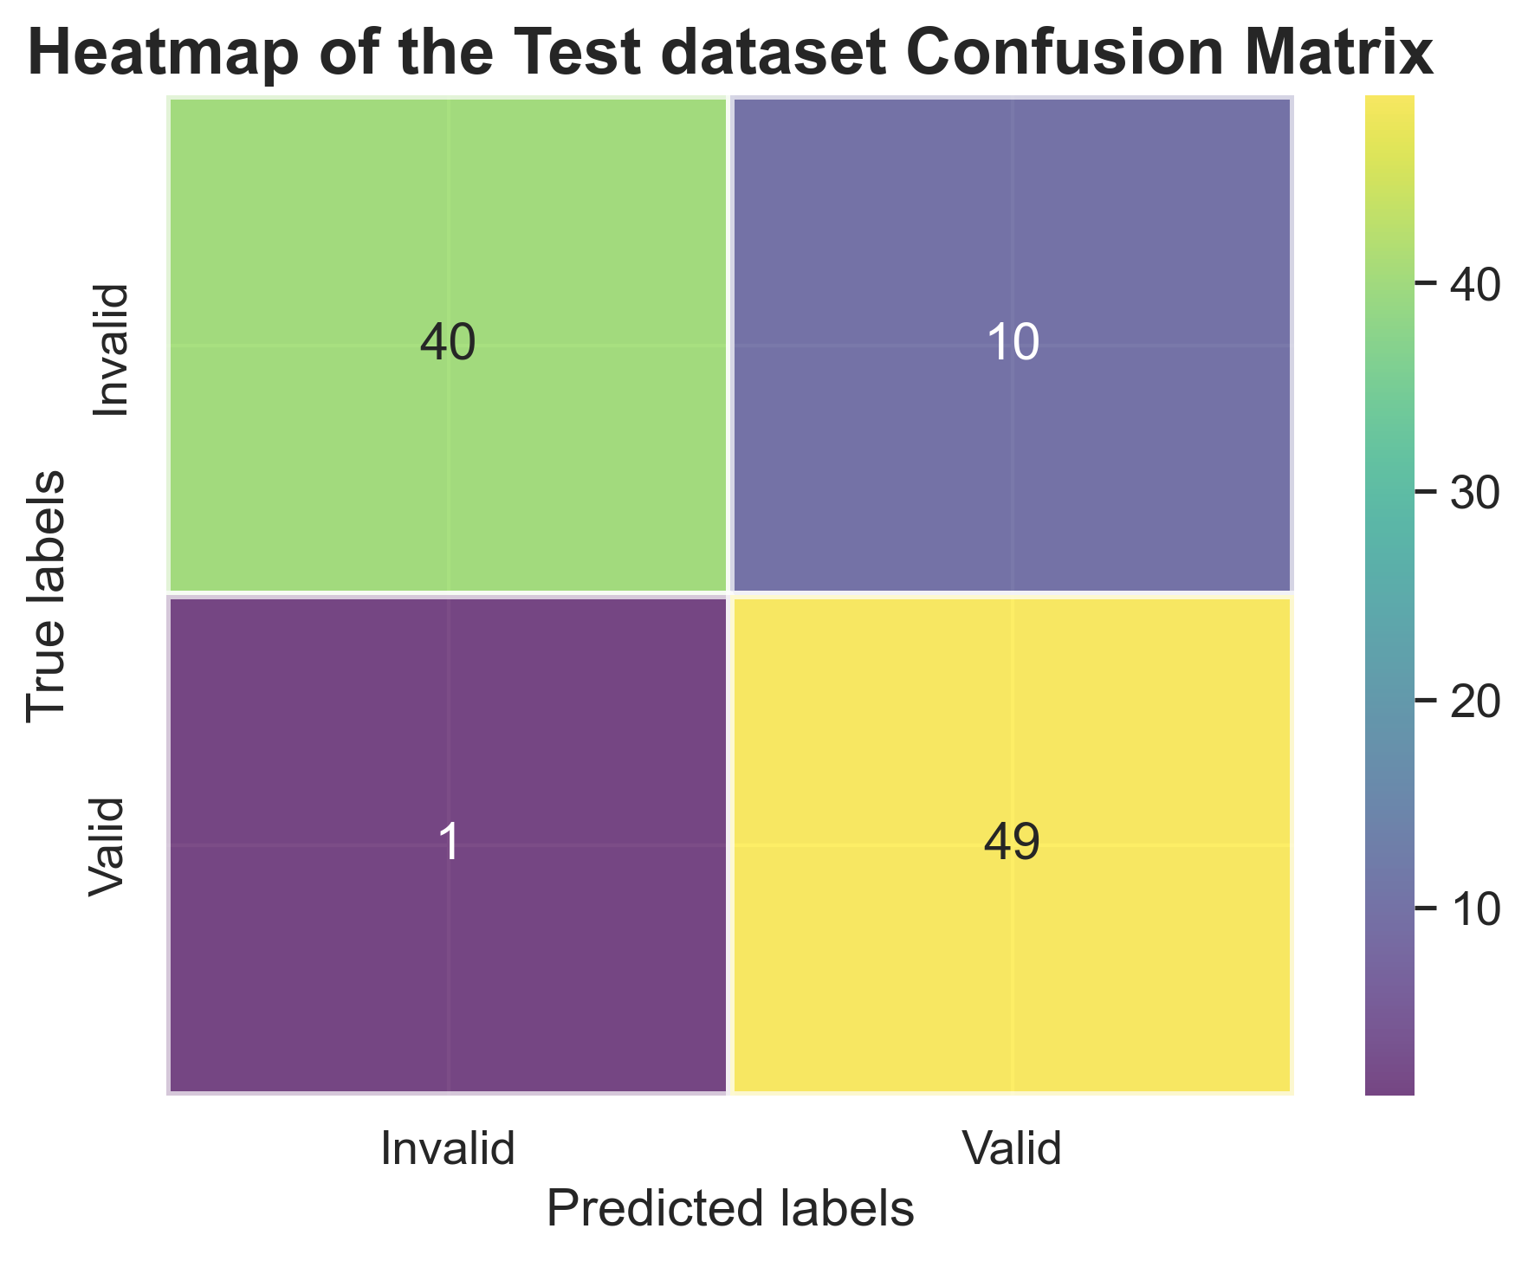
tf.keras.layers.Conv2D(32, kernel_size=(3, 3), strides=1, activation='relu'),
tf.keras.layers.MaxPooling2D(pool_size=(2, 2)),

tf.keras.layers.Conv2D(64, kernel_size=(3, 3), activation='relu'),
tf.keras.layers.MaxPooling2D(pool_size=(2, 2)),

tf.keras.layers.Conv2D(32, kernel_size=(3, 3), strides=1, activation='relu'),
tf.keras.layers.MaxPooling2D(pool_size=(2, 2)),

tf.keras.layers.Flatten(),

tf.keras.layers.Dense(512, activation='relu'),
tf.keras.layers.Dropout(0.5),

tf.keras.layers.Dense(1, activation='sigmoid')
])

# Compile with F1 score metric
model.compile(
optimizer=tf.keras.optimizers.Adam(learning_rate=0.001),
loss='binary_crossentropy',
metrics=['accuracy', F1Score()]
)

# Modified early stopping to monitor val_f1_score
early_stopping = tf.keras.callbacks.EarlyStopping(
monitor='val_f1_score',
mode='max',
patience=10,
verbose=1,
start_from_epoch=3,
Training Code
history = model.fit(X_train_tensor, Y_train_tensor,
epochs=50,
validation_data=(X_val_tensor, Y_val_tensor),
callbacks=[early_stopping],
verbose=1)

