Version 1
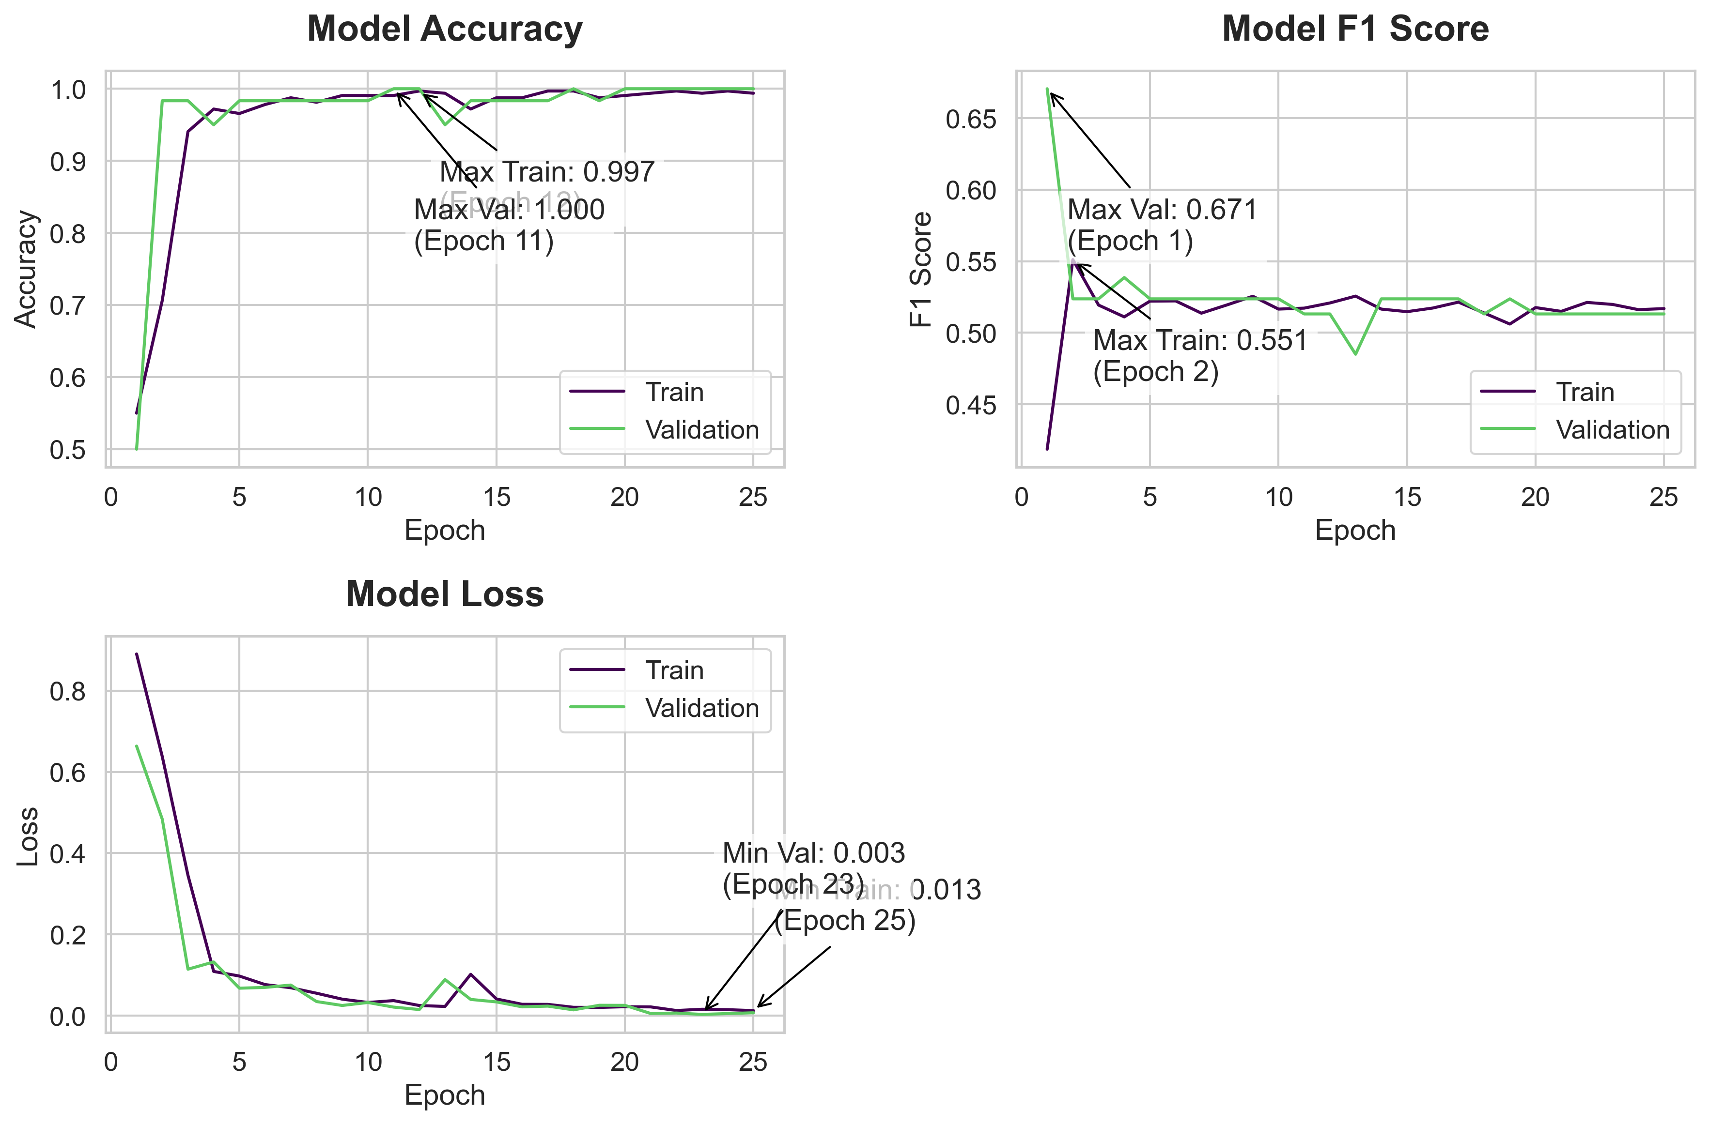
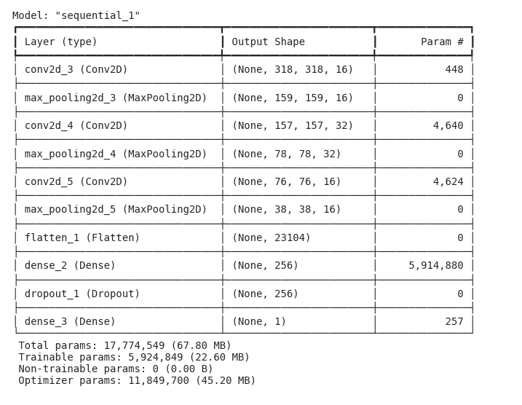
Model Summary | Training History
 | Accuracy | Loss | f1_score | Val Accuracy | Val Loss | val_f1_score
 | 0.55000001192 | 0.41861003637 | 0.89022171497 | 0.5 | 0.67058813572 | 0.66351687908
 | 0.70625001192 | 0.55113631487 | 0.63779717684 | 0.98333334923 | 0.52370685339 | 0.48368057609
 | 0.94062501192 | 0.51934981346 | 0.34551531076 | 0.98333334923 | 0.52370685339 | 0.11451938003
 | 0.97187501192 | 0.51109802723 | 0.10898442566 | 0.94999998808 | 0.53862208128 | 0.13223084807
 | 0.96562498808 | 0.52211534977 | 0.097618460655 | 0.98333334923 | 0.52370685339 | 0.06772416085
 | 0.97812497616 | 0.52225226164 | 0.076612636447 | 0.98333334923 | 0.52370685339 | 0.069654732943
 | 0.98750001192 | 0.51369589567 | 0.068860061467 | 0.98333334923 | 0.52370685339 | 0.075469508767
 | 0.98124998808 | 0.51948291063 | 0.055342964828 | 0.98333334923 | 0.52370685339 | 0.034872833639
 | 0.99062502384 | 0.52554178238 | 0.040774002671 | 0.98333334923 | 0.52370685339 | 0.025190401822
 | 0.99062502384 | 0.51654976606 | 0.032577484846 | 0.98333334923 | 0.52370685339 | 0.032531134784
 | 0.99062502384 | 0.5172213316 | 0.037199243903 | 1 | 0.51315784454 | 0.021175676957
 | 0.99687498808 | 0.52083325386 | 0.025079801679 | 1 | 0.51315784454 | 0.015208506025
 | 0.99374997616 | 0.52562105656 | 0.022824788466 | 0.94999998808 | 0.4849883914 | 0.088941715658
 | 0.97187501192 | 0.51653838158 | 0.10191141069 | 0.98333334923 | 0.52370685339 | 0.040078401566
 | 0.98750001192 | 0.51475143433 | 0.041189599782 | 0.98333334923 | 0.52370685339 | 0.034011140466
 | 0.98750001192 | 0.51727479696 | 0.028107658029 | 0.98333334923 | 0.52370685339 | 0.021814368665
 | 0.99687498808 | 0.52141737938 | 0.027904648334 | 0.98333334923 | 0.52370685339 | 0.023601822555
 | 0.99687498808 | 0.51382386684 | 0.020706834272 | 1 | 0.51315784454 | 0.014434847981
 | 0.98750001192 | 0.50609266758 | 0.020436603576 | 0.98333334923 | 0.52370685339 | 0.025699805468
 | 0.99062502384 | 0.51760834455 | 0.02214608714 | 1 | 0.51315784454 | 0.025493426248
 | 0.99374997616 | 0.51494556665 | 0.021702447906 | 1 | 0.51315784454 | 0.0055166292004
 | 0.99687498808 | 0.521222651 | 0.012817519717 | 1 | 0.51315784454 | 0.0065770344809
 | 0.99374997616 | 0.51979804039 | 0.015906924382 | 1 | 0.51315784454 | 0.0032444628887
 | 0.99687498808 | 0.51616036892 | 0.014897766523 | 1 | 0.51315784454 | 0.0053156730719
 | 0.99374997616 | 0.51688653231 | 0.012578858063 | 1 | 0.51315784454 | 0.007250724826

Model Code
model = tf.keras.Sequential([

tf.keras.layers.Input(shape=[X_train_tensor.shape[1], X_train_tensor.shape[2], X_train_tensor.shape[3]]),

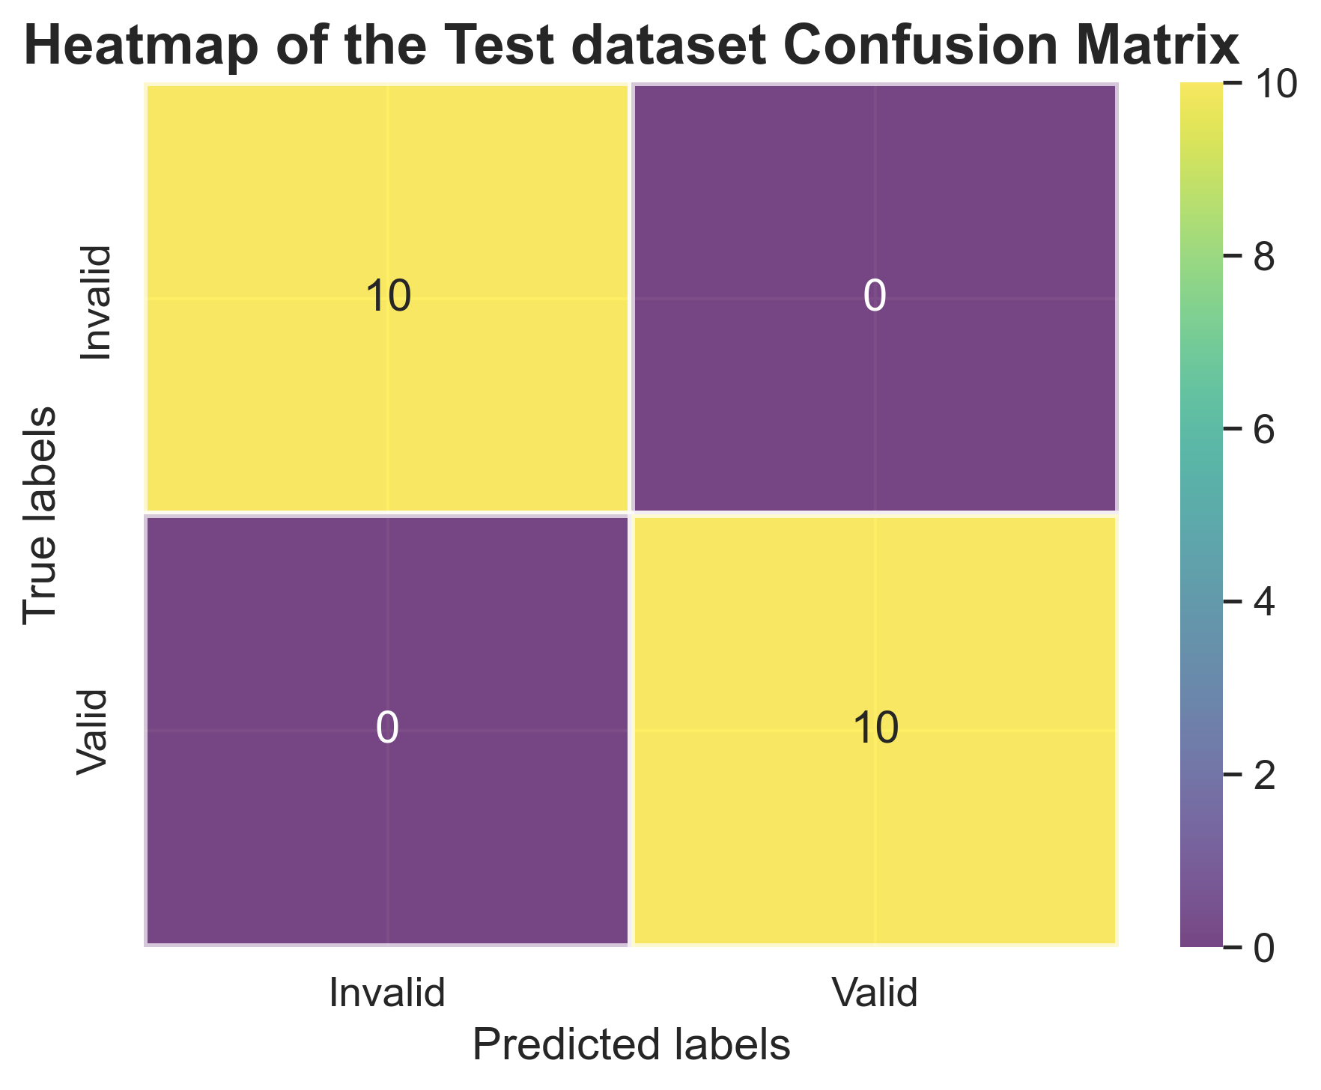
tf.keras.layers.Conv2D(16, kernel_size=(3, 3), strides=1, activation='relu'),
tf.keras.layers.MaxPooling2D(pool_size=(2, 2)),

tf.keras.layers.Conv2D(32, kernel_size=(3, 3), activation='relu'),
tf.keras.layers.MaxPooling2D(pool_size=(2, 2)),

tf.keras.layers.Conv2D(16, kernel_size=(3, 3), strides=1, activation='relu'),
tf.keras.layers.MaxPooling2D(pool_size=(2, 2)),

tf.keras.layers.Flatten(),

tf.keras.layers.Dense(256, activation='relu'),
tf.keras.layers.Dropout(0.3),

tf.keras.layers.Dense(1, activation='sigmoid')])

model.compile(
optimizer=tf.keras.optimizers.Adam(learning_rate=0.001),
loss='binary_crossentropy',
metrics=['accuracy', F1Score()]
)

Training Code
history = model.fit(X_train_tensor, Y_train_tensor,
epochs=25,
validation_data=(X_val_tensor, Y_val_tensor),
verbose=1)

Version 2
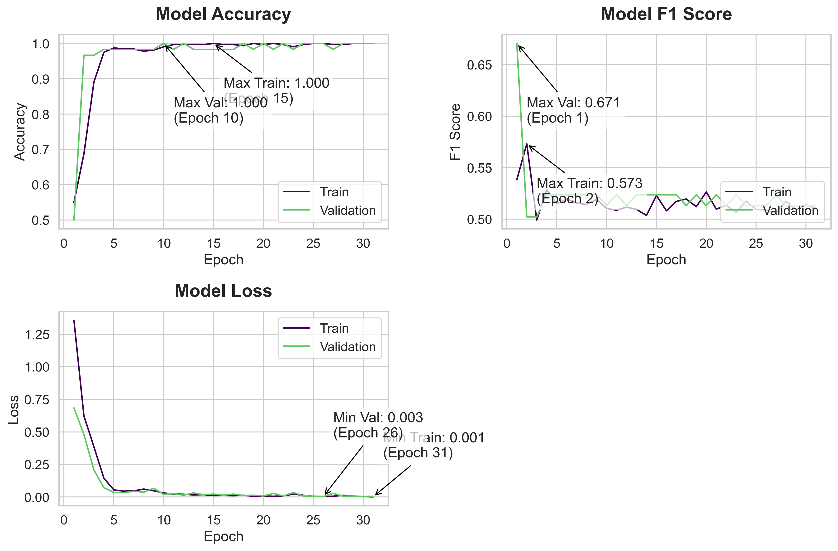

Model Summary | Training History
 | Accuracy | Loss | f1_score | Val Accuracy | Val Loss | val_f1_score
 | 0.55000001192 | 0.53830635548 | 1.3568758965 | 0.5 | 0.67058813572 | 0.68364298344
 | 0.6875 | 0.573138237 | 0.62231266499 | 0.96666663885 | 0.5022624135 | 0.47984090447
 | 0.890625 | 0.49921128154 | 0.38586002588 | 0.96666663885 | 0.5022624135 | 0.20743435621
 | 0.97500002384 | 0.52877277136 | 0.14430183172 | 0.98333334923 | 0.52370685339 | 0.071462906897
 | 0.98750001192 | 0.5150462389 | 0.05429058522 | 0.98333334923 | 0.52370685339 | 0.035208474845
 | 0.984375 | 0.51954329014 | 0.044689685106 | 0.98333334923 | 0.52370685339 | 0.033216364682
 | 0.984375 | 0.51567333937 | 0.047214239836 | 0.98333334923 | 0.52370685339 | 0.044669080526
 | 0.97812497616 | 0.51423072815 | 0.060553807765 | 0.98333334923 | 0.52370685339 | 0.036567643285
 | 0.98124998808 | 0.51929008961 | 0.047758087516 | 0.98333334923 | 0.52370685339 | 0.066982544959
 | 0.99062502384 | 0.51044887304 | 0.030727982521 | 1 | 0.51315784454 | 0.020047603175
 | 0.99687498808 | 0.50876158476 | 0.022224564105 | 0.98333334923 | 0.52370685339 | 0.025481600314
 | 0.99687498808 | 0.51168221235 | 0.020923281088 | 1 | 0.51315784454 | 0.013771669008
 | 0.99687498808 | 0.50954043865 | 0.015626132488 | 0.98333334923 | 0.52370685339 | 0.031176870689
 | 0.99687498808 | 0.50369930267 | 0.0179584492 | 0.98333334923 | 0.52370685339 | 0.017188927159
 | 1 | 0.52304679155 | 0.010597507469 | 0.98333334923 | 0.52370685339 | 0.02204043977
 | 0.99687498808 | 0.50817745924 | 0.011712874286 | 0.98333334923 | 0.52370685339 | 0.013728470542
 | 0.99687498808 | 0.51724129915 | 0.0097259087488 | 0.98333334923 | 0.52370685339 | 0.022136008367
 | 0.99374997616 | 0.51960390806 | 0.013235233724 | 1 | 0.51315784454 | 0.011650150642
 | 1 | 0.51210933924 | 0.0056593217887 | 0.98333334923 | 0.52370685339 | 0.013460215181
 | 0.99687498808 | 0.52647966146 | 0.008729878813 | 1 | 0.51315784454 | 0.0079104239121
 | 1 | 0.5097655654 | 0.0052413875237 | 0.98333334923 | 0.52370685339 | 0.027283731848
 | 0.99687498808 | 0.51343458891 | 0.0089437961578 | 1 | 0.51315784454 | 0.0076602310874
 | 0.99062502384 | 0.50661987066 | 0.021713811904 | 0.98333334923 | 0.52370685339 | 0.034751057625
 | 0.99687498808 | 0.51752328873 | 0.013211840764 | 1 | 0.51315784454 | 0.0080539789051
 | 1 | 0.50937491655 | 0.0045105041936 | 1 | 0.51315784454 | 0.0063625895418
 | 1 | 0.50898432732 | 0.0039450745098 | 1 | 0.51315784454 | 0.0029707120266
 | 0.99687498808 | 0.50607359409 | 0.0059141023085 | 0.98333334923 | 0.52370685339 | 0.028108049184
 | 0.99687498808 | 0.51732856035 | 0.01311361324 | 1 | 0.51315784454 | 0.005889124237
 | 1 | 0.50937491655 | 0.0065208664164 | 1 | 0.51315784454 | 0.0070576993749
 | 1 | 0.51406246424 | 0.0029766992666 | 1 | 0.51315784454 | 0.004115675576
 | 1 | 0.51054680347 | 0.0011700753821 | 1 | 0.51315784454 | 0.0047722687013

Model Code
model = tf.keras.Sequential([

tf.keras.layers.Input(shape=[X_train_tensor.shape[1], X_train_tensor.shape[2], X_train_tensor.shape[3]]),

tf.keras.layers.Conv2D(16, kernel_size=(3, 3), strides=1, activation='relu'),
tf.keras.layers.MaxPooling2D(pool_size=(2, 2)),

tf.keras.layers.Conv2D(32, kernel_size=(3, 3), activation='relu'),
tf.keras.layers.MaxPooling2D(pool_size=(2, 2)),

tf.keras.layers.Conv2D(16, kernel_size=(3, 3), strides=1, activation='relu'),
tf.keras.layers.MaxPooling2D(pool_size=(2, 2)),

tf.keras.layers.Flatten(),

tf.keras.layers.Dense(256, activation='relu'),
tf.keras.layers.Dropout(0.3),

tf.keras.layers.Dense(1, activation='sigmoid')])

model.compile(
optimizer=tf.keras.optimizers.Adam(learning_rate=0.001),
loss='binary_crossentropy',
metrics=['accuracy', F1Score()]
)

early_stopping = tf.keras.callbacks.EarlyStopping(
monitor='val_loss',
patience=5,
restore_best_weights=True)

Training Code
history = model.fit(X_train_tensor, Y_train_tensor,
epochs=60,
validation_data=(X_val_tensor, Y_val_tensor),
callbacks=[early_stopping],
verbose=1)

Version 3
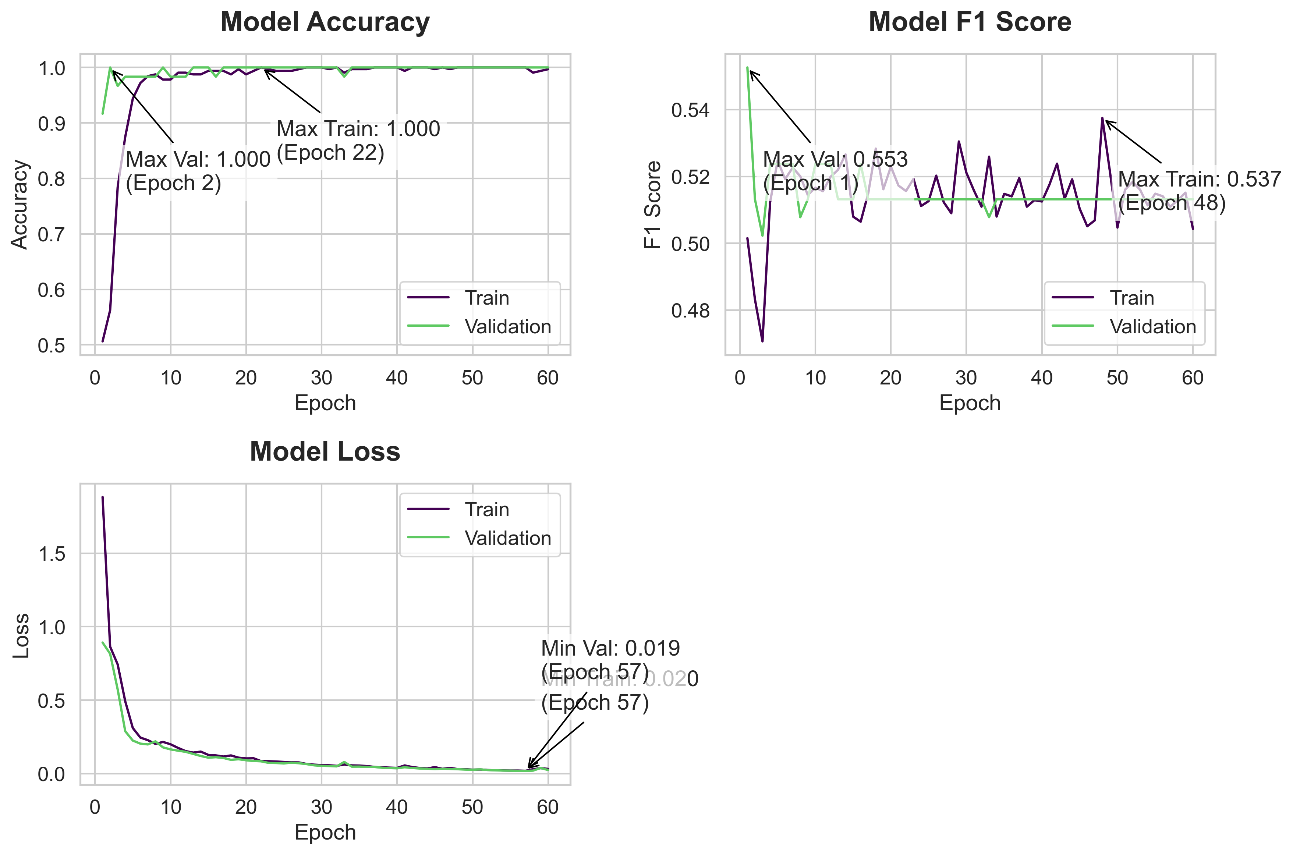
Model Summary | Training History
 | Accuracy | Loss | f1_score | Val Accuracy | Val Loss | val_f1_score
 | 0.50625002384 | 0.50152432919 | 1.8822425604 | 0.91666668653 | 0.55263149738 | 0.8922213316
 | 0.5625 | 0.48318958282 | 0.8640075922 | 1 | 0.51315784454 | 0.81558746099
 | 0.78437501192 | 0.47061395645 | 0.74312126637 | 0.96666663885 | 0.5022624135 | 0.57279324532
 | 0.875 | 0.51215273142 | 0.49247270823 | 0.98333334923 | 0.52370685339 | 0.28877651691
 | 0.94375002384 | 0.52473157644 | 0.31092020869 | 0.98333334923 | 0.52370685339 | 0.22552610934
 | 0.97187501192 | 0.51923072338 | 0.24590042233 | 0.98333334923 | 0.52370685339 | 0.20441706479
 | 0.984375 | 0.5226392746 | 0.22790846229 | 0.98333334923 | 0.52370685339 | 0.19929863513
 | 0.98750001192 | 0.52006167173 | 0.20261451602 | 0.98333334923 | 0.50779503584 | 0.22015944123
 | 0.97812497616 | 0.51442307234 | 0.21622729301 | 1 | 0.51315784454 | 0.17906618118
 | 0.97812497616 | 0.51664078236 | 0.20017929375 | 0.98333334923 | 0.52370685339 | 0.16533915699
 | 0.99062502384 | 0.5155762434 | 0.17529194057 | 0.98333334923 | 0.52370685339 | 0.15656375885
 | 0.99062502384 | 0.5198597312 | 0.15365023911 | 0.98333334923 | 0.52370685339 | 0.14867995679
 | 0.98750001192 | 0.52199071646 | 0.14358346164 | 1 | 0.51315784454 | 0.13459119201
 | 0.98750001192 | 0.52659153938 | 0.15034911036 | 1 | 0.51315784454 | 0.12046269327
 | 0.99374997616 | 0.50795799494 | 0.12798810005 | 1 | 0.51315784454 | 0.10903961211
 | 0.99374997616 | 0.50644522905 | 0.12453657389 | 0.98333334923 | 0.52370685339 | 0.1121198982
 | 0.99374997616 | 0.51494556665 | 0.11676166207 | 1 | 0.51315784454 | 0.10686732829
 | 0.98750001192 | 0.52833843231 | 0.12428305298 | 1 | 0.51315784454 | 0.094280347228
 | 0.99687498808 | 0.51616036892 | 0.10910592228 | 1 | 0.51315784454 | 0.098553106189
 | 0.98750001192 | 0.52295517921 | 0.10401986539 | 1 | 0.51315784454 | 0.091352574527
 | 0.99374997616 | 0.51727479696 | 0.10494278371 | 1 | 0.51315784454 | 0.086394228041
 | 1 | 0.5156249404 | 0.085265472531 | 1 | 0.51315784454 | 0.084160551429
 | 0.99687498808 | 0.51927560568 | 0.084508620203 | 1 | 0.51315784454 | 0.073482625186
 | 0.99374997616 | 0.51113277674 | 0.082831636071 | 1 | 0.51315784454 | 0.072469569743
 | 0.99374997616 | 0.51261645555 | 0.080160789192 | 1 | 0.51315784454 | 0.069787062705
 | 0.99374997616 | 0.52024370432 | 0.077404692769 | 1 | 0.51315784454 | 0.074915073812
 | 0.99687498808 | 0.51226627827 | 0.076459929347 | 1 | 0.51315784454 | 0.071186892688
 | 1 | 0.50898432732 | 0.066310167313 | 1 | 0.51315784454 | 0.065195664763
 | 1 | 0.53046870232 | 0.061608888209 | 1 | 0.51315784454 | 0.056949958205
 | 1 | 0.52109366655 | 0.058658313006 | 1 | 0.51315784454 | 0.053351107985
 | 0.99687498808 | 0.51577097178 | 0.05702297017 | 1 | 0.51315784454 | 0.052032090724
 | 1 | 0.51093745232 | 0.053561419249 | 1 | 0.51315784454 | 0.049894824624
Model Code | 0.99062502384 | 0.52592873573 | 0.062336571515 | 0.98333334923 | 0.50779503584 | 0.080033175647
model = tf.keras.Sequential([ | 0.99687498808 | 0.50798279047 | 0.056289654225 | 1 | 0.51315784454 | 0.048021946102
 | 0.99687498808 | 0.51479744911 | 0.055233549327 | 1 | 0.51315784454 | 0.048278007656
tf.keras.layers.Input(shape=[X_train_tensor.shape[1], X_train_tensor.shape[2], X_train_tensor.shape[3]]), | 0.99687498808 | 0.51401865482 | 0.05212707445 | 1 | 0.51315784454 | 0.045376285911
 | 1 | 0.5195311904 | 0.045867133886 | 1 | 0.51315784454 | 0.045588329434
tf.keras.layers.Conv2D(16, kernel_size=(3, 3), strides=1, activation='relu'), | 1 | 0.51093745232 | 0.043637700379 | 1 | 0.51315784454 | 0.040648944676
tf.keras.layers.MaxPooling2D(pool_size=(2, 2)), | 1 | 0.51289057732 | 0.041340939701 | 1 | 0.51315784454 | 0.038276862353
 | 1 | 0.51249992847 | 0.039588354528 | 1 | 0.51315784454 | 0.036633007228
tf.keras.layers.Conv2D(32, kernel_size=(3, 3), activation='relu'), | 0.99374997616 | 0.5175780654 | 0.056211482733 | 1 | 0.51315784454 | 0.043727245182
tf.keras.layers.MaxPooling2D(pool_size=(2, 2)), | 1 | 0.52382808924 | 0.045135188848 | 1 | 0.51315784454 | 0.038707640022
 | 1 | 0.51328116655 | 0.039025895298 | 1 | 0.51315784454 | 0.035324409604
tf.keras.layers.Conv2D(16, kernel_size=(3, 3), strides=1, activation='relu'), | 1 | 0.51914054155 | 0.035913705826 | 1 | 0.51315784454 | 0.033107966185
tf.keras.layers.MaxPooling2D(pool_size=(2, 2)), | 0.99687498808 | 0.51031929255 | 0.044693924487 | 1 | 0.51315784454 | 0.0317212753
 | 1 | 0.50507807732 | 0.033410754055 | 1 | 0.51315784454 | 0.0331755355
tf.keras.layers.Flatten(), | 0.99687498808 | 0.50685727596 | 0.039329942316 | 1 | 0.51315784454 | 0.032374221832
 | 1 | 0.53749996424 | 0.031655602157 | 1 | 0.51315784454 | 0.030559450388
tf.keras.layers.Dense(256, activation='relu', kernel_regularizer=tf.keras.regularizers.l2(0.001)), | 1 | 0.5214843154 | 0.030690154061 | 1 | 0.51315784454 | 0.02815319784
tf.keras.layers.Dropout(0.3), | 1 | 0.50468742847 | 0.027524068952 | 1 | 0.51315784454 | 0.027138706297
 | 1 | 0.51601558924 | 0.0287311133 | 1 | 0.51315784454 | 0.029351072386
tf.keras.layers.Dense(1, activation='sigmoid')]) | 1 | 0.51835930347 | 0.025456255302 | 1 | 0.51315784454 | 0.024562012404
 | 1 | 0.51601558924 | 0.024142213166 | 1 | 0.51315784454 | 0.022748792544
model.compile( | 1 | 0.51132804155 | 0.022322140634 | 1 | 0.51315784454 | 0.021473074332
optimizer=tf.keras.optimizers.Adam(learning_rate=0.001), | 1 | 0.51484370232 | 0.021323384717 | 1 | 0.51315784454 | 0.020831983536
loss='binary_crossentropy', | 1 | 0.51406246424 | 0.021480094641 | 1 | 0.51315784454 | 0.019761469215
metrics=['accuracy', F1Score()] | 1 | 0.51093745232 | 0.019827337936 | 1 | 0.51315784454 | 0.018769919872
) | 0.99062502384 | 0.51293092966 | 0.030738735572 | 1 | 0.51315784454 | 0.020952142775
 | 0.99374997616 | 0.51513969898 | 0.037569694221 | 1 | 0.51315784454 | 0.038755487651
early_stopping = tf.keras.callbacks.EarlyStopping( | 0.99687498808 | 0.50428342819 | 0.032770119607 | 1 | 0.51315784454 | 0.025023927912
monitor='val_loss',
patience=5,
restore_best_weights=True)

Training Code
history = model.fit(X_train_tensor, Y_train_tensor,
epochs=60,
validation_data=(X_val_tensor, Y_val_tensor),
callbacks=[early_stopping],
verbose=1)

Version 4
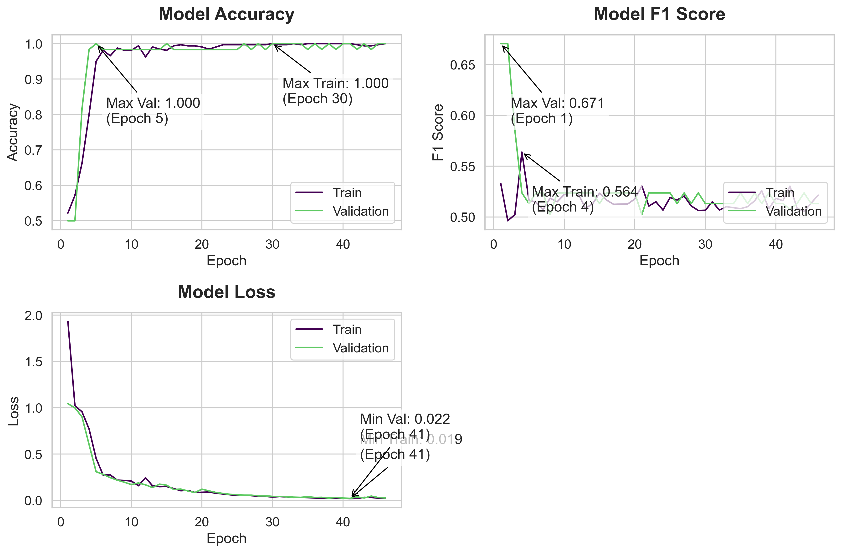
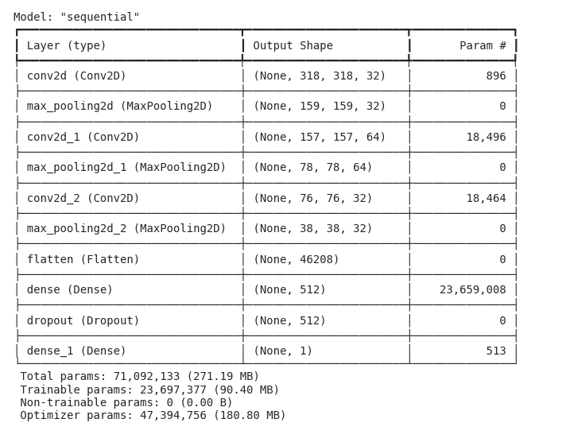
Model Summary | Training History
 | Accuracy | f1_score | Loss | Val Accuracy | Val_f1_score | Val Loss
 | 0.52187502384 | 0.53305459023 | 1.9317233562 | 0.5 | 0.67058813572 | 1.0439550877
 | 0.57187497616 | 0.49625387788 | 1.0218069553 | 0.5 | 0.67058813572 | 0.99854046106
 | 0.66250002384 | 0.50237339735 | 0.95630770922 | 0.81666666269 | 0.58550179005 | 0.90142029524
 | 0.80000001192 | 0.56388115883 | 0.77130657434 | 0.98333334923 | 0.52370685339 | 0.60315215588
 | 0.94999998808 | 0.51669245958 | 0.45363983512 | 1 | 0.51315784454 | 0.30917111039
 | 0.98124998808 | 0.51445305347 | 0.27207434177 | 0.98333334923 | 0.52370685339 | 0.28075364232
 | 0.96562498808 | 0.50720399618 | 0.27562206984 | 0.98333334923 | 0.52370685339 | 0.24528640509
 | 0.98750001192 | 0.51851844788 | 0.21830146015 | 0.98333334923 | 0.50223207474 | 0.2184176594
 | 0.98124998808 | 0.51494556665 | 0.21499028802 | 0.98333334923 | 0.52370685339 | 0.19599787891
 | 0.98124998808 | 0.52204751968 | 0.20913803577 | 0.98333334923 | 0.52370685339 | 0.17082861066
 | 0.99374997616 | 0.52465057373 | 0.15780410171 | 0.98333334923 | 0.52370685339 | 0.18789336085
 | 0.96249997616 | 0.52270960808 | 0.24470171332 | 0.98333334923 | 0.52370685339 | 0.16755099595
 | 0.99062502384 | 0.50870740414 | 0.15707203746 | 0.98333334923 | 0.52370685339 | 0.13810779154
 | 0.984375 | 0.5127351284 | 0.14773562551 | 0.98333334923 | 0.52370685339 | 0.17504440248
 | 0.98124998808 | 0.52338945866 | 0.14960643649 | 1 | 0.51315784454 | 0.1636967063
 | 0.99374997616 | 0.51669245958 | 0.12765797973 | 0.98333334923 | 0.52370685339 | 0.11746174842
 | 0.99687498808 | 0.51246100664 | 0.10392971337 | 0.98333334923 | 0.52370685339 | 0.12195542455
 | 0.99374997616 | 0.5126952529 | 0.10739950836 | 0.98333334923 | 0.52370685339 | 0.10158699006
 | 0.99374997616 | 0.51281046867 | 0.085751615465 | 0.98333334923 | 0.52370685339 | 0.084437064826
 | 0.99062502384 | 0.5177179575 | 0.087338931859 | 0.98333334923 | 0.52370685339 | 0.12109795958
 | 0.984375 | 0.53057682514 | 0.089884229004 | 0.98333334923 | 0.50223207474 | 0.10222636908
 | 0.99062502384 | 0.51077580452 | 0.076529361308 | 0.98333334923 | 0.52370685339 | 0.085416600108
 | 0.99687498808 | 0.51499217749 | 0.069097854197 | 0.98333334923 | 0.52370685339 | 0.07446257025
 | 0.99687498808 | 0.50681459904 | 0.060149870813 | 0.98333334923 | 0.52370685339 | 0.06523129344
 | 0.99687498808 | 0.51908093691 | 0.055632572621 | 0.98333334923 | 0.52370685339 | 0.060349214822
 | 0.99687498808 | 0.51674449444 | 0.055173285306 | 1 | 0.51315784454 | 0.056419249624
 | 0.99687498808 | 0.52063852549 | 0.050533313304 | 0.98333334923 | 0.52370685339 | 0.055837538093
 | 0.99687498808 | 0.51090335846 | 0.046320151538 | 1 | 0.51315784454 | 0.049158573151
 | 0.99687498808 | 0.50642520189 | 0.042356990278 | 0.98333334923 | 0.52370685339 | 0.049043815583
 | 1 | 0.50664055347 | 0.03645209223 | 1 | 0.51315784454 | 0.043046291918
 | 0.99687498808 | 0.51499217749 | 0.040884539485 | 1 | 0.51315784454 | 0.042841695249
 | 0.99687498808 | 0.50681459904 | 0.037604309618 | 1 | 0.51315784454 | 0.038085415959
Model Code | 1 | 0.51015621424 | 0.030148422346 | 1 | 0.51315784454 | 0.03449267149
model = tf.keras.Sequential([ | 0.99687498808 | 0.50915110111 | 0.031496725976 | 1 | 0.51315784454 | 0.03273197636
 | 1 | 0.50820308924 | 0.029393669218 | 0.98333334923 | 0.52370685339 | 0.038243699819
tf.keras.layers.Input(shape=[X_train_tensor.shape[1], X_train_tensor.shape[2], X_train_tensor.shape[3]]), | 1 | 0.51015621424 | 0.02617860958 | 1 | 0.51315784454 | 0.032028432935
 | 1 | 0.51601558924 | 0.02378244698 | 0.98333334923 | 0.52370685339 | 0.033231887966
tf.keras.layers.Conv2D(32, kernel_size=(3, 3), strides=1, activation='relu'), | 1 | 0.52578121424 | 0.02283231914 | 1 | 0.51315784454 | 0.02464232035
tf.keras.layers.MaxPooling2D(pool_size=(2, 2)), | 1 | 0.50820308924 | 0.024118054658 | 0.98333334923 | 0.52370685339 | 0.031132869422
 | 1 | 0.51835930347 | 0.021895451471 | 1 | 0.51315784454 | 0.024548152462
tf.keras.layers.Conv2D(64, kernel_size=(3, 3), activation='relu'), | 1 | 0.51601558924 | 0.018706131727 | 1 | 0.51315784454 | 0.021910291165
tf.keras.layers.MaxPooling2D(pool_size=(2, 2)), | 0.99687498808 | 0.53037375212 | 0.020739434287 | 0.98333334923 | 0.50779503584 | 0.036935515702
 | 0.99374997616 | 0.50859367847 | 0.033054452389 | 1 | 0.51315784454 | 0.025852229446
tf.keras.layers.Conv2D(32, kernel_size=(3, 3), strides=1, activation='relu'), | 0.99374997616 | 0.50550305843 | 0.030910793692 | 0.98333334923 | 0.52370685339 | 0.04615791142
tf.keras.layers.MaxPooling2D(pool_size=(2, 2)), | 0.99687498808 | 0.51362925768 | 0.024397412315 | 1 | 0.51315784454 | 0.030529629439
 | 1 | 0.5214843154 | 0.022833662108 | 1 | 0.51315784454 | 0.026202324778
tf.keras.layers.Flatten(),

tf.keras.layers.Dense(512, activation='relu', kernel_regularizer=tf.keras.regularizers.l2(0.001)),
tf.keras.layers.Dropout(0.3),

tf.keras.layers.Dense(1, activation='sigmoid')])

model.compile(
optimizer=tf.keras.optimizers.Adam(learning_rate=0.001),
loss='binary_crossentropy',
metrics=['accuracy', F1Score()]
)

early_stopping = tf.keras.callbacks.EarlyStopping(
monitor='val_loss',
patience=5,
restore_best_weights=True)

Training Code
history = model.fit(X_train_tensor, Y_train_tensor,
epochs=60,
validation_data=(X_val_tensor, Y_val_tensor),
callbacks=[early_stopping],
verbose=1)

Version 5
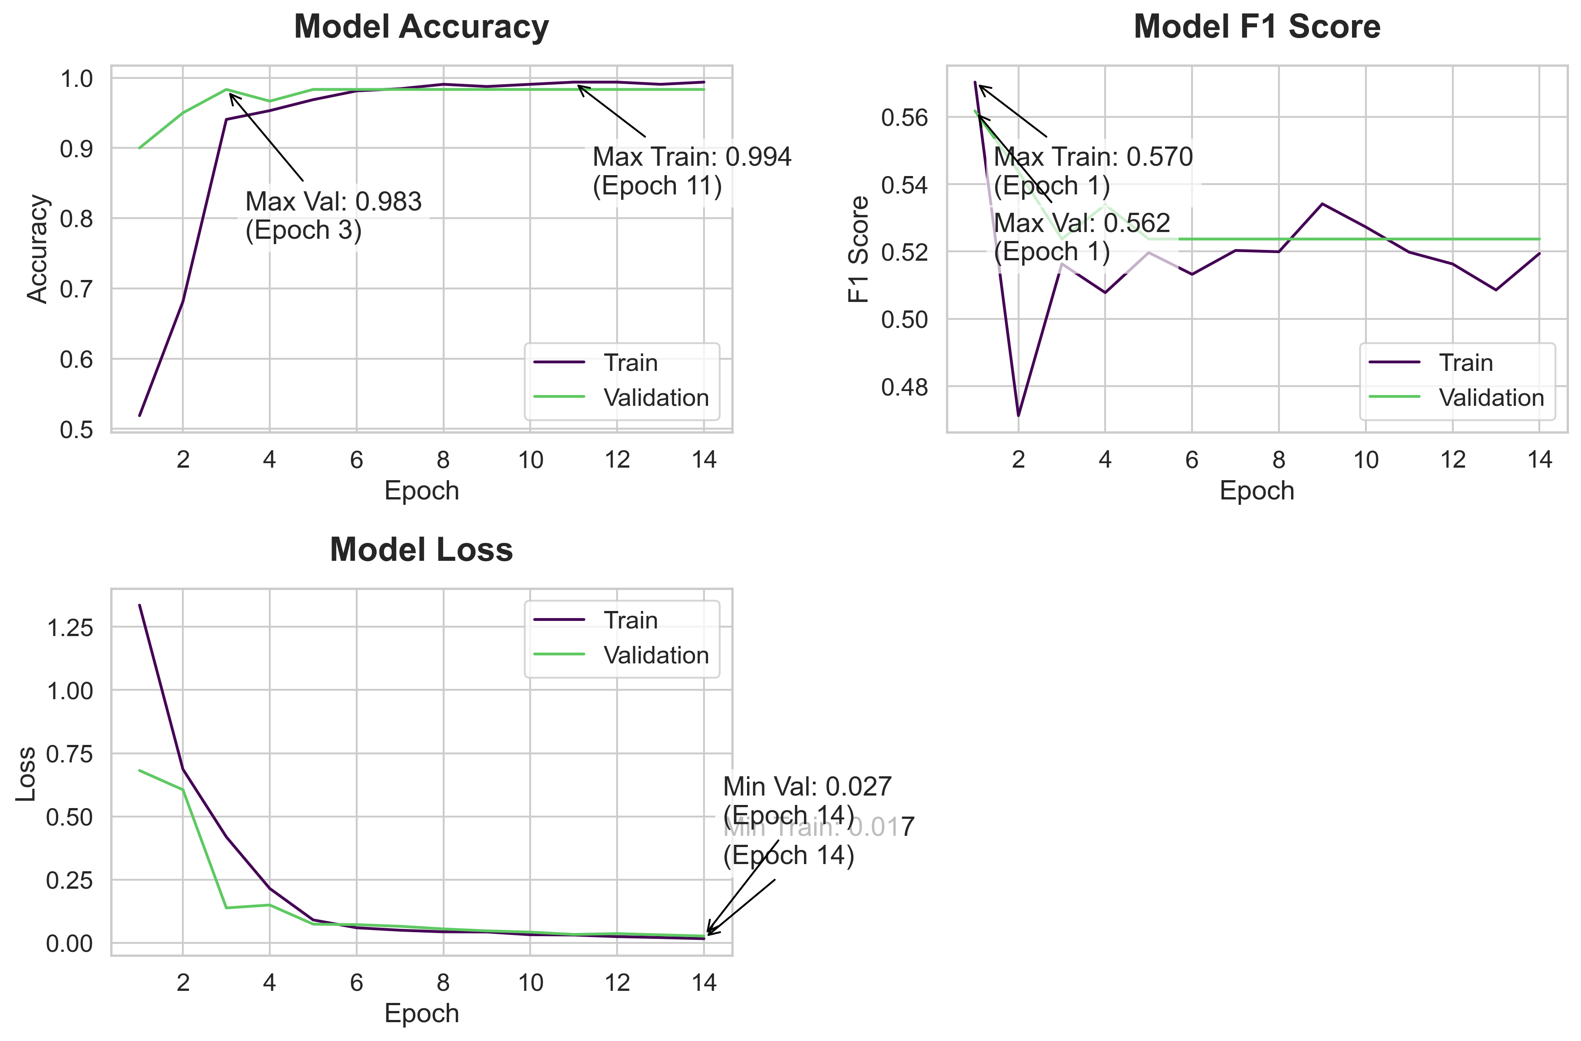
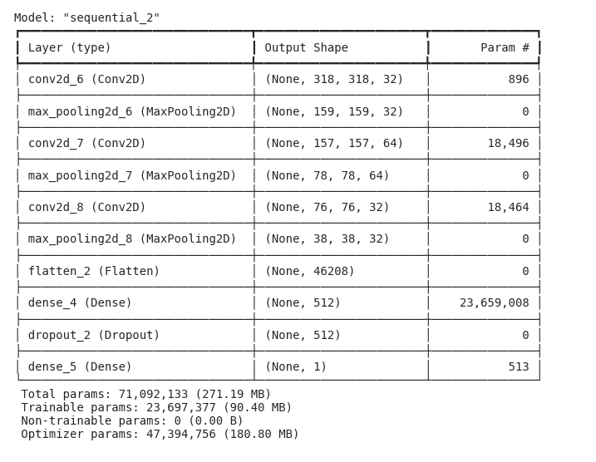
Model Summary | Training History
 | Accuracy | f1_score | Loss | Val Accuracy | Val_f1_score | Val Loss
 | 0.51875001192 | 0.5703124404 | 1.3357722759 | 0.89999997616 | 0.56175291538 | 0.68171077967
 | 0.68124997616 | 0.47124990821 | 0.68652582169 | 0.94999998808 | 0.54374992847 | 0.60549288988
 | 0.94062501192 | 0.51634609699 | 0.41887426376 | 0.98333334923 | 0.52370685339 | 0.13810683787
 | 0.953125 | 0.5077880621 | 0.21492953598 | 0.96666663885 | 0.53389817476 | 0.14969015121
 | 0.96875 | 0.51967585087 | 0.090591683984 | 0.98333334923 | 0.52370685339 | 0.073958046734
 | 0.98124998808 | 0.51322847605 | 0.059705127031 | 0.98333334923 | 0.52370685339 | 0.072050482035
 | 0.984375 | 0.52031725645 | 0.049975711852 | 0.98333334923 | 0.52370685339 | 0.065478265285
 | 0.99062502384 | 0.5199303627 | 0.043625403196 | 0.98333334923 | 0.52370685339 | 0.055103328079
 | 0.98750001192 | 0.53416144848 | 0.043095972389 | 0.98333334923 | 0.52370685339 | 0.047451723367
 | 0.99062502384 | 0.52728325129 | 0.032223451883 | 0.98333334923 | 0.52370685339 | 0.042454417795
 | 0.99374997616 | 0.51979804039 | 0.030999338254 | 0.98333334923 | 0.52370685339 | 0.03324521333
 | 0.99374997616 | 0.51630431414 | 0.024688476697 | 0.98333334923 | 0.52370685339 | 0.036509104073
 | 0.99062502384 | 0.50856691599 | 0.020998319611 | 0.98333334923 | 0.52370685339 | 0.031558539718
 | 0.99374997616 | 0.51940983534 | 0.016588589177 | 0.98333334923 | 0.52370685339 | 0.026957659051

Model Code
model = tf.keras.Sequential([
tf.keras.layers.Input(shape=[X_train_tensor.shape[1], X_train_tensor.shape[2], X_train_tensor.shape[3]]),

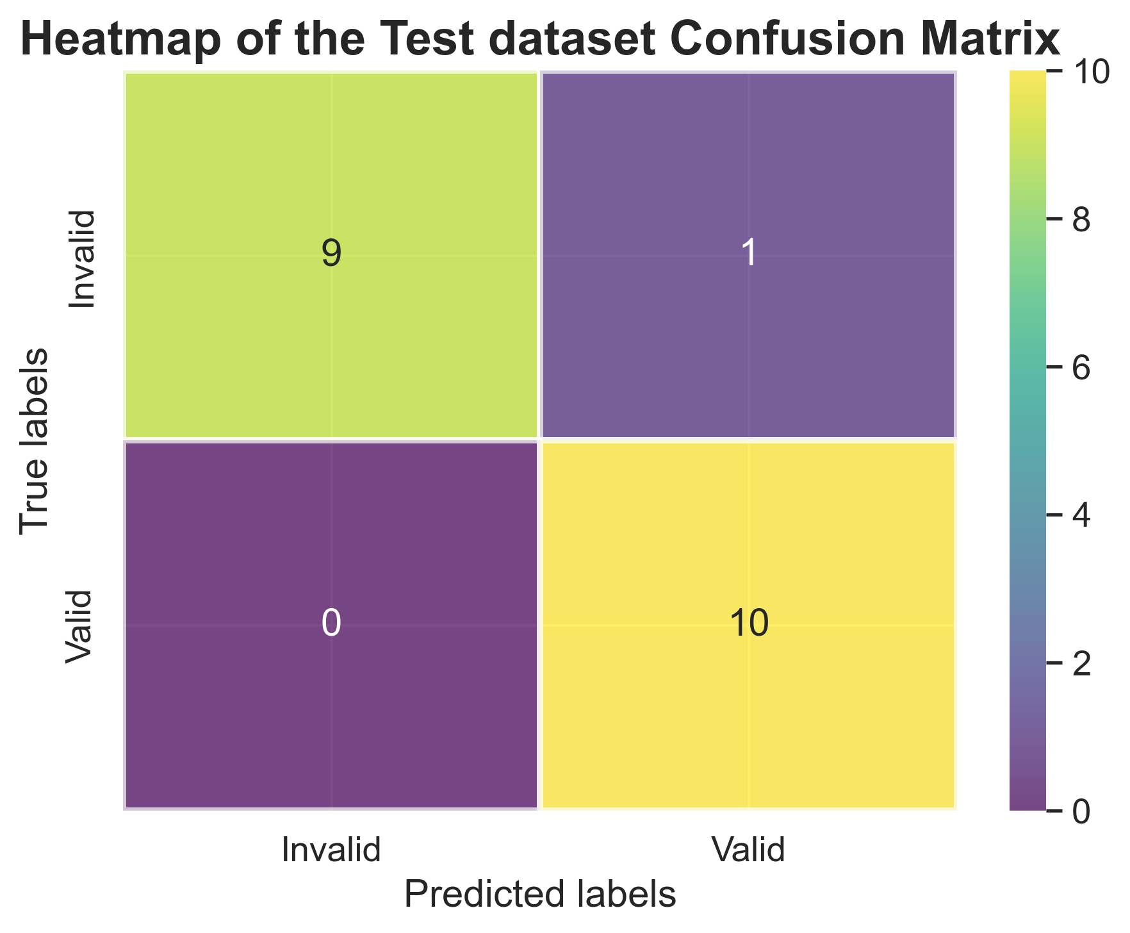
tf.keras.layers.Conv2D(32, kernel_size=(3, 3), strides=1, activation='relu'),
tf.keras.layers.MaxPooling2D(pool_size=(2, 2)),

tf.keras.layers.Conv2D(64, kernel_size=(3, 3), activation='relu'),
tf.keras.layers.MaxPooling2D(pool_size=(2, 2)),

tf.keras.layers.Conv2D(32, kernel_size=(3, 3), strides=1, activation='relu'),
tf.keras.layers.MaxPooling2D(pool_size=(2, 2)),

tf.keras.layers.Flatten(),

tf.keras.layers.Dense(512, activation='relu'),
tf.keras.layers.Dropout(0.5),

tf.keras.layers.Dense(1, activation='sigmoid')
])

# Compile with F1 score metric
model.compile(
optimizer=tf.keras.optimizers.Adam(learning_rate=0.001),
loss='binary_crossentropy',
metrics=['accuracy', F1Score()]
)

# Modified early stopping to monitor val_f1_score
early_stopping = tf.keras.callbacks.EarlyStopping(
monitor='val_f1_score',
mode='max',
patience=10,
verbose=1,
start_from_epoch=3,
Training Code
history = model.fit(X_train_tensor, Y_train_tensor,
epochs=50,
validation_data=(X_val_tensor, Y_val_tensor),
callbacks=[early_stopping],
verbose=1)

