Sheet1
Kaina | Kiekis
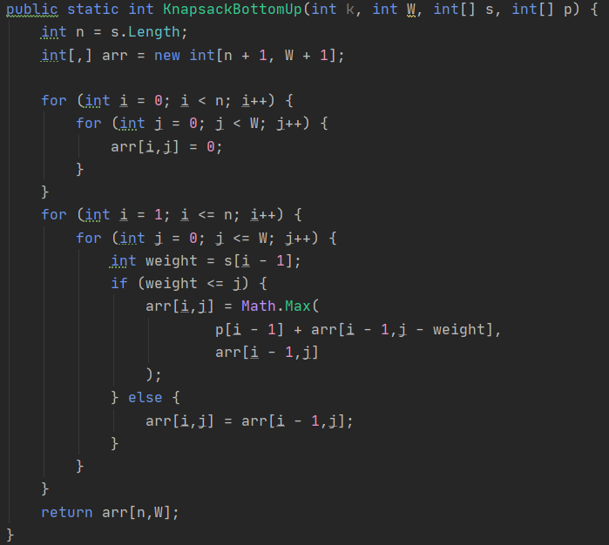
c1 | 1
c2 | 1

c3 | n+1
c4 | n(r+1)
c4 | nr

c5 | n+1
c6 | n(r+2)
c7 | n(r+1)
c8 | n(r+1)
c9 | n(r+1)

c10 | n(r+1)
c11 | n(r+1)

