Visualizations
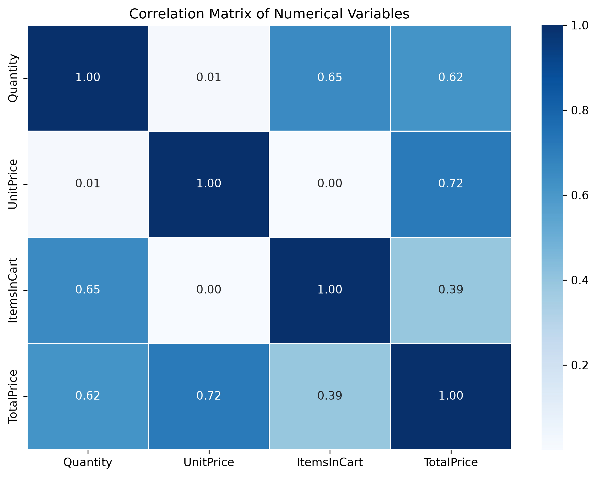
DecodeLabs — Project 2 Visualizations

Monthly Revenue Trend
Monthly Revenue Trend
 | Total
2023-01 | 5
2023-02 | 40117.66
2023-03 | 48609.37
2023-04 | 27751.71
2023-05 | 63836.84
2023-06 | 49500.19
2023-07 | 42820.66
2023-08 | 54352.14
2023-09 | 29526.67
2023-10 | 52607.85
2023-11 | 43079.67
2023-12 | 43754.73
2024-01 | 38528.08
2024-02 | 36909.57
2024-03 | 36030.9
2024-04 | 49613.14
2024-05 | 27909.11
2024-06 | 68068.54
2024-07 | 42963.98
2024-08 | 31991.07
2024-09 | 39794.98
2024-10 | 37226.97
2024-11 | 32413.76
2024-12 | 38785.77
2025-01 | 29099.4
2025-02 | 35317.55
2025-03 | 39200.66
2025-04 | 31821.2
2025-05 | 43396.64
2025-06 | 53047.4

Revenue by Product
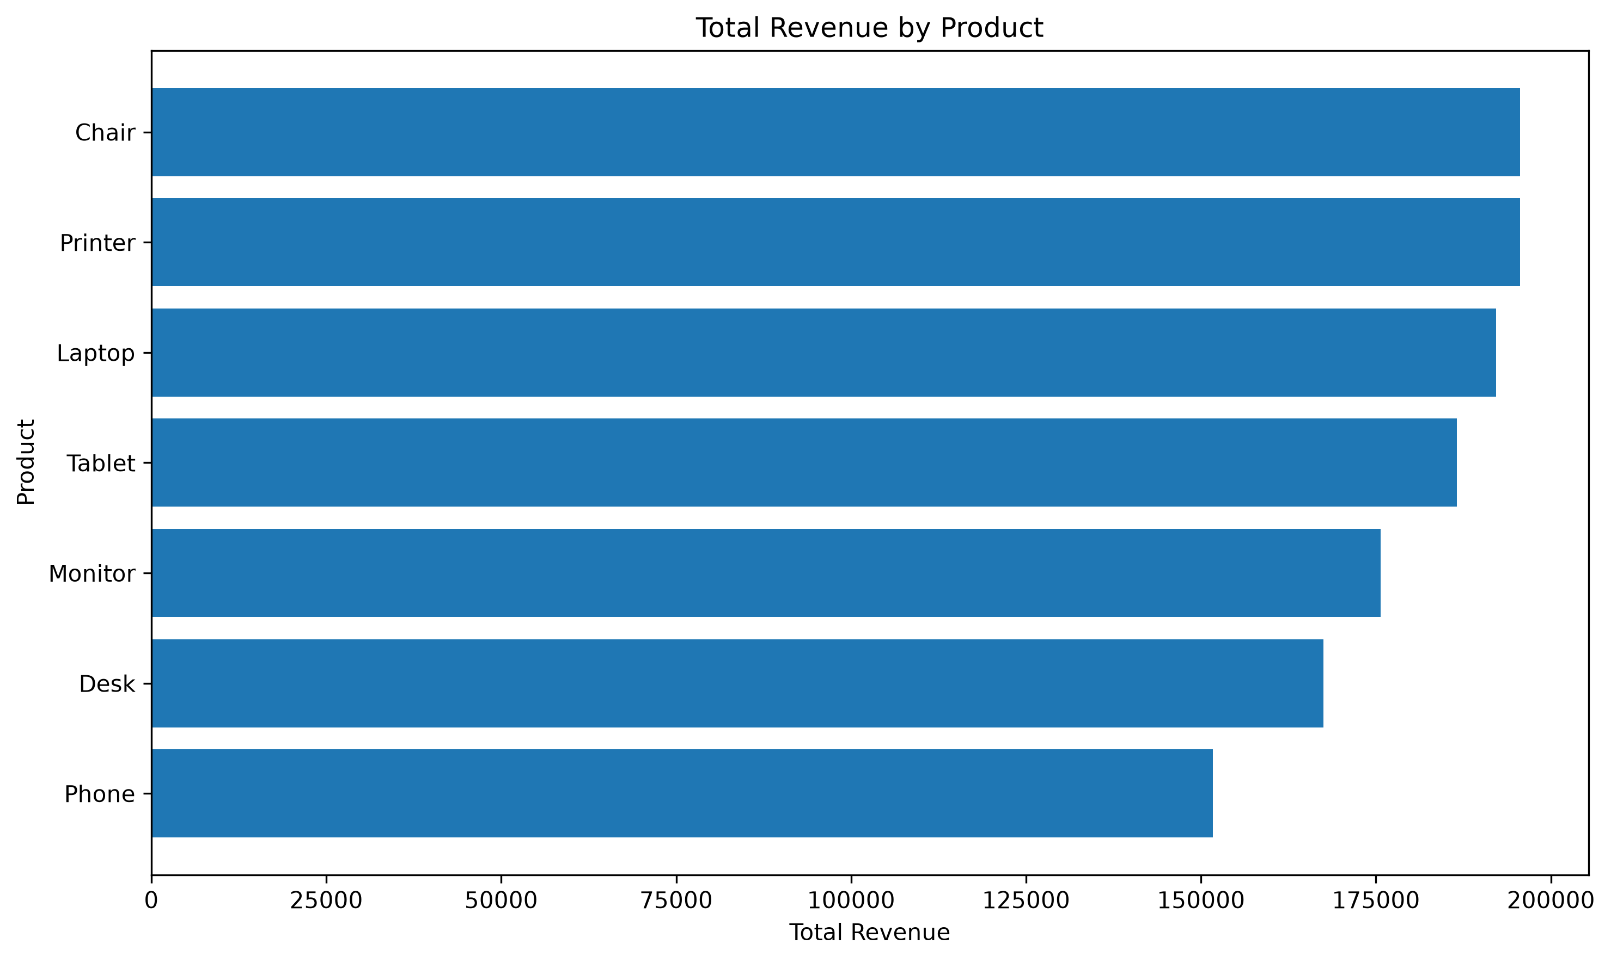

Total Price Distribution
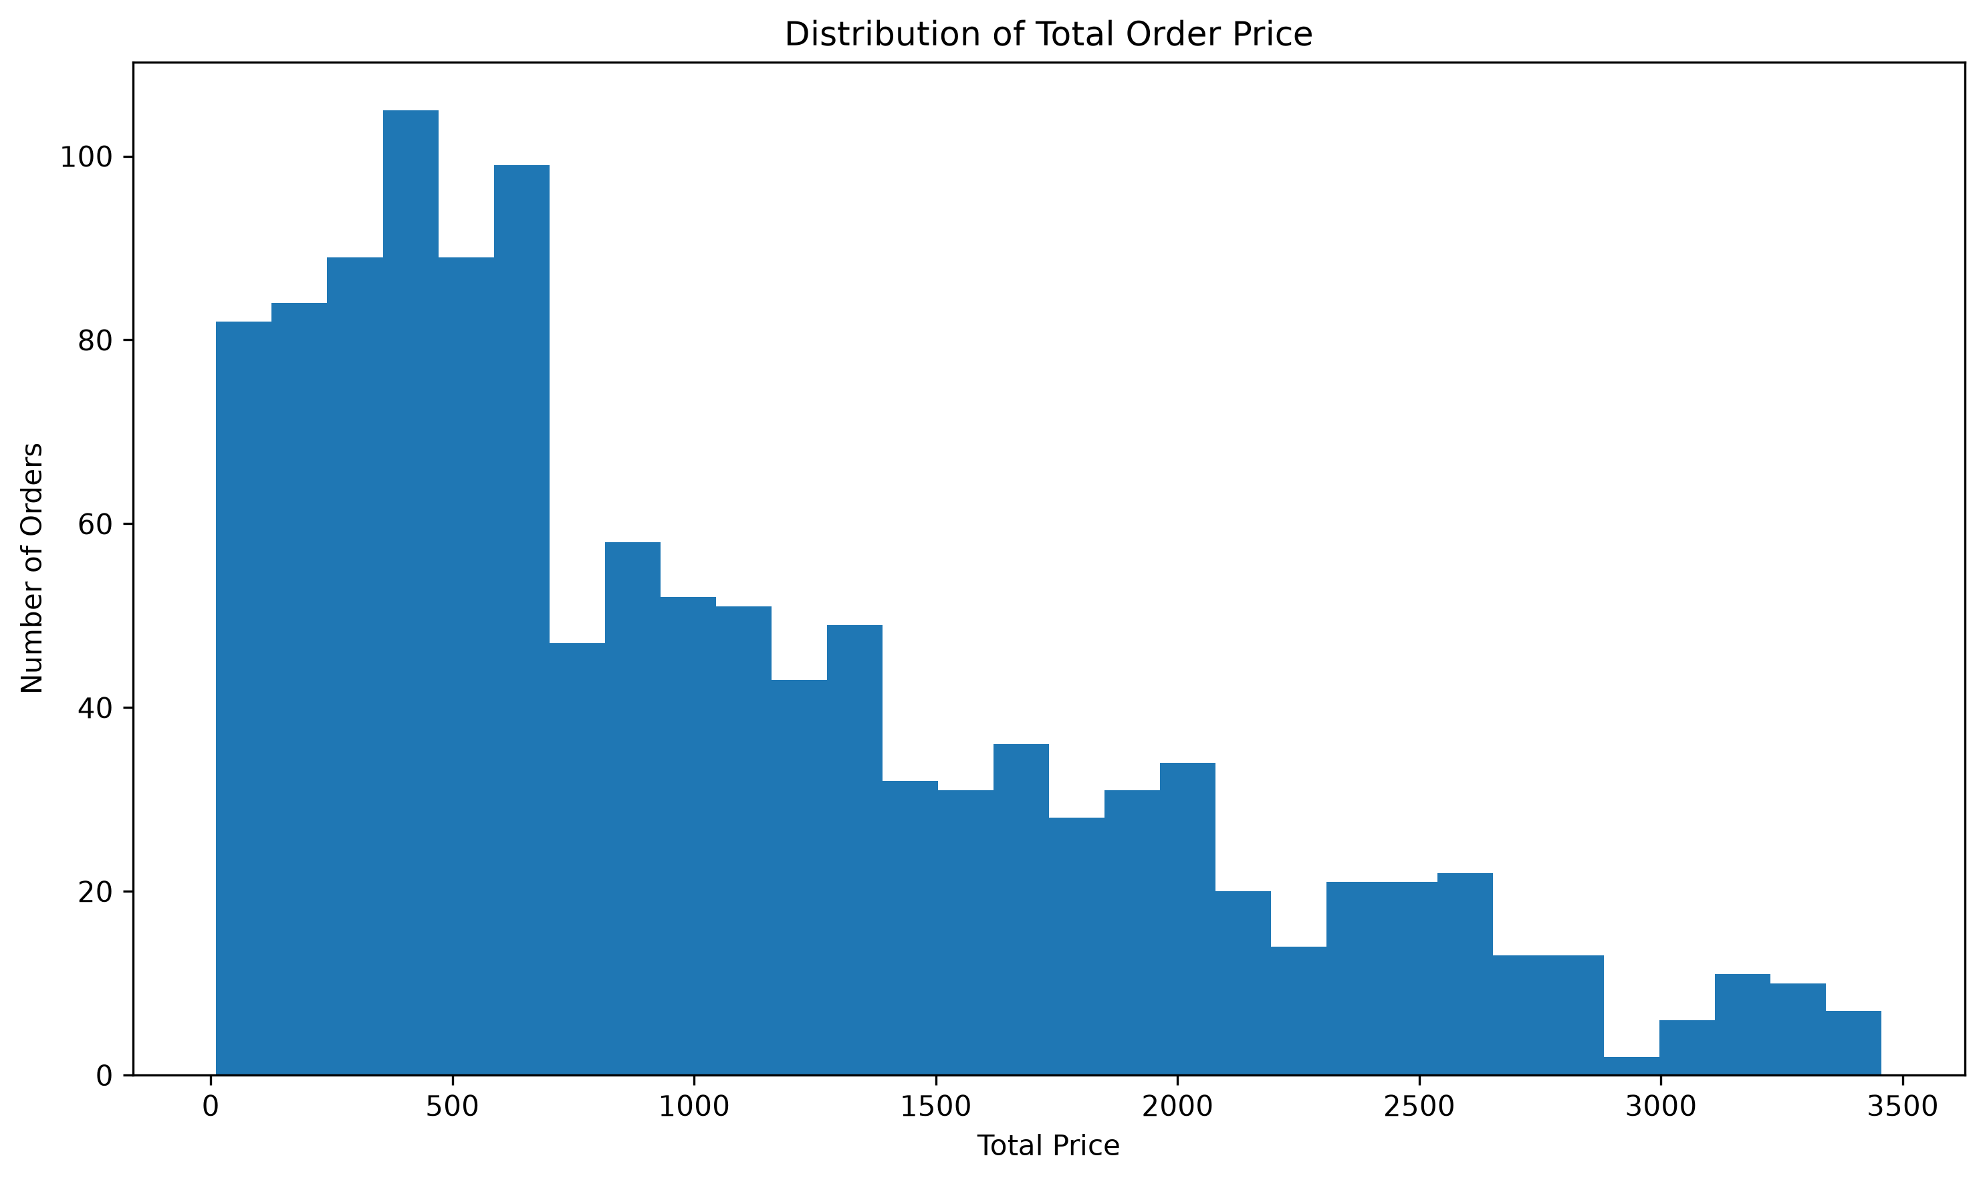

Correlation Heatmap

