附表2 肾毒性天然产物
附表2 肾毒性天然产物
种类 | 肾毒性天然产物 | PubChem CID/文献DOI | 结构式 | 警示结构
Organic Acid | Aristolochic acid | 2236 | 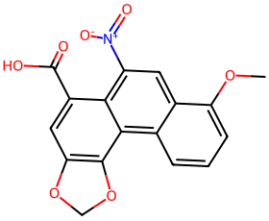 | 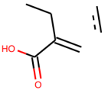

Alkaloid | Tetrandrine | 73078 | 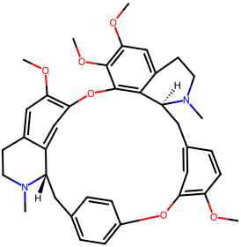

Alkaloid | Dauricine | 73400

Alkaloid | Brucine | 442021 | 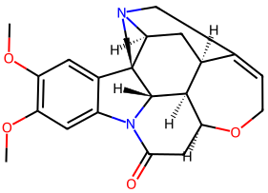

Alkaloid | Strychnine | 441071 | 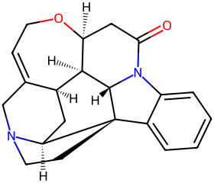

Alkaloid | Veratrine | 5380394

Terpenoid | Aconitine | 245005

Alkaloid | Arecoline | 2230

Phenol | Leonurine | 161464 |  | 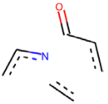

Alkaloid | Evodiamine | 442088

Alkaloid | Matrine | 91466

Alkaloid | Cytisine | 10235

Alkaloid | Colchicine | 6167 | 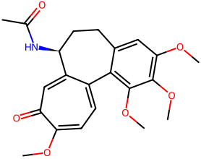

Alkaloid | Sophoridine | 165549

Alkaloid | Sophocarpine | 115269

Alkaloid | Oxymatrine | 114850

Terpenoid | Phytolaccoside E (Esculentoside A) | 125210

Phenol | Sennoside A | 73111 |  | 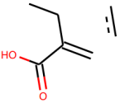

Terpenoid | Geniposide | 107848 | 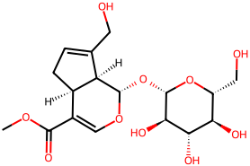

Carbohydrate | Atractyloside | 442004 | 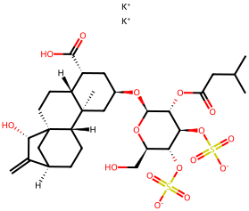

Terpenoid | Carboxyatractyloside | 20055804 | 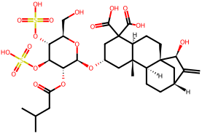

Terpenoid | Saikosaponin A | 167928

Toxic Protein | Crotin | 11473265

Terpenoid | Triptolide | 107985

Aldehyde | Cinnamaldehyde | 637511

Terpenoid | Toosendanin | 115060

Ester | Anemonin | 10496

Flavone | Genkwanin | 5281617

Phenol | Ginkgolic acid | 5281858

Phenol | Emodin | 3220

Phenol | Rhein | 10168

Quinone | Aloe-emodin | 10207

Quinone | Anthraquinone | 6780

Lignan | Podofilox (Podophyllotoxin) | 10607 | 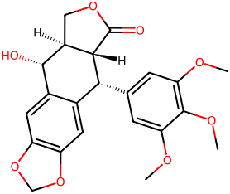

Steroid | alisol A 24-acetate | 76336194

Phenol | Bakuchiol | 5468522

Terpenoid | Gossypol | 3503

Carbohydrate | Gleditsioside | DOI: 10.1016/j.vph.2012.09.006
Toxic Protein | Abrin | DOI: 10.1016/j.toxicon.2017.03.007
Toxic Protein | Ricin | DOI: 10.1001/jama.294.18.2342
Toxic Protein | Trichosanthin | DOI: 10.1016/0006-2952(91)90508-3
Fat | Croton oil | DOI: 10.1016/j.jaad.2018.11.060

