Sheet1
Bug ID | Test Case ID | Bug Title | Bug Description | Pre-Conditions | Test Data | Steps | Expected Result | Actual Result | Affected Devices | Priority | Severity | Attachments | Status
Bug_01 | TC_Monefy_ClaimMyOffer_05 | "Save" button color is not gray although it's disabled | After entering a valid debit card number and valid "CVC" with empty field in "MM/YY" or invalid "MM/YY", "Save" button color is not gray although it's disabled | Download “Monefy” mobile app on android mobile phone from this link: https://play.google.com/store/apps/details?id=com.monefy.app.lite | 1- Valid debit card number, ex: 1234 5678 9123 4567 2- Valid CVC, ex: 111 (I mentioned an example not the right data because I used my personal debit card) | 1- Open the app 2- Click on "GET STARTED" 3- Click on "AMAZING" 4- Click on "I'M READY" 5- Click on “CLAIM MY OFFER” 6- Click on “Add credit or debit card” 7- Enter valid debit card number 8- Leave "MM/YY" field empty and move to "CVC" field or enter invalid date in "MM/YY" 9- Enter valid "CVC" | 1- A message appears "Required field" under the "MM/YY" filed incase it's an empty field 2- A message appears "Invalid year" incase of invalid year 3- A message appears "Card has expired" incase of expired date 4- "Save" button is disabled and its color is gray | 1- A message appears "Required field" under the "MM/YY" filed incase it's an empty field 2- A message appears "Invalid year" incase of invalid year 3- A message appears "Card has expired" incase of expired date 4- "Save" button is disabled but its color is not gray | Android mobile phones | Low | Low | It's not allowed to take a snapshots in this screen | New
Bug_02 | TC_Monefy_ClaimMyOffer_06 | "Save" button isn't gray incase of empty "CVC" | Entering a valid debit card number and valid "MM/YY" with empty field of "CVC, "Save" button color isn't gray although it's disabled | Download “Monefy” mobile app on android mobile phone from this link: https://play.google.com/store/apps/details?id=com.monefy.app.lite | 1- Valid debit card number, ex: 1234 5678 9123 4567 2- Valid "MM/YY", ex: 2/25 (I mentioned an example not the right data because I used my personal debit card) | 1- Open the app 2- Click on "GET STARTED" 3- Click on "AMAZING" 4- Click on "I'M READY" 5- Click on “CLAIM MY OFFER” 6- Click on “Add credit or debit card” 7- Enter valid debit card number 8- Enter valid date in "MM/YY" field 9- Leave "CVC" field empty | 1- A message appears "Required field" under the "CVC" filed 2- "Save" button is disabled and its color is gray | 1- A message appears "Required field" under the "CVC" filed 2- "Save" button is disabled but its color is not gray | Android mobile phones | Low | Low | It's not allowed to take a snapshots in this screen | New
Bug_03 | TC_Monefy_ClaimMyOffer_09 | Closing icon in offer page isn't fixed | Closing icon of the offer page is not fixed while moving up and down | Download “Monefy” mobile app on android mobile phone from this link: https://play.google.com/store/apps/details?id=com.monefy.app.lite | No test data | 1- Open the app 2- Click on "GET STARTED" 3- Click on "AMAZING" 4- Click on "I'M READY" | Closing icon of the offer page should be fixed while moving up and down | Closing icon in offer page isn't fixed and moving while scrolling up and down | Android mobile phones | Low | Low | 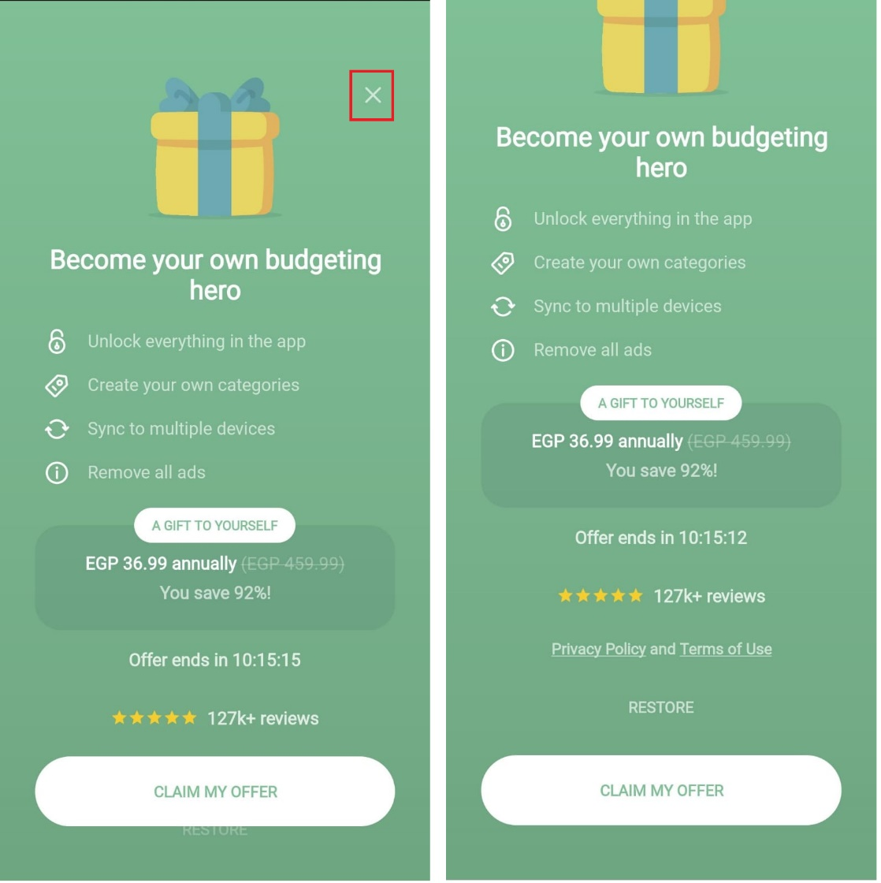 | New
Bug_04 | TC_Monefy_ClaimMyOffer_10 | A data is appearing behind a fix button | Behind the fix button "CLAIM MY OFFER" there is a button appear in the background | Download “Monefy” mobile app on android mobile phone from this link: https://play.google.com/store/apps/details?id=com.monefy.app.lite | No test data | 1- Open the app 2- Click on "GET STARTED" 3- Click on "AMAZING" 4- Click on "I'M READY" | Behind the fix button "CLAIM MY OFFER" there should no data or buttons appear in the background of this fixed button | In the offer page, I'm able to scroll up and down and in the background of "CLAIM MY OFFER" there is another button appear | Android mobile phones | Low | Low | 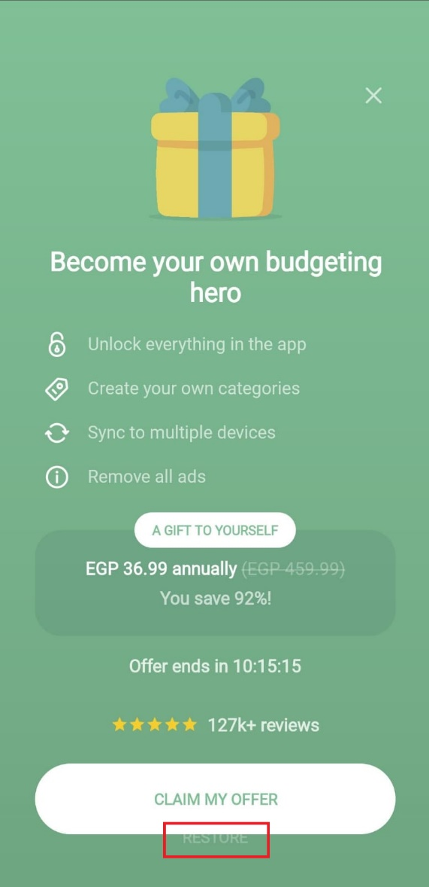 | New
Bug_05 | TC_Monefy_ExportToFile_03 | Separation of "Semicolon ';'" isn't correct in exported file when using Decimal separator '.' and Delimiter character ';' | All data in exported file isn't in on column but most of it separated by ';' and other by columns and decimal separator should be '.' | Download “Monefy” mobile app on android mobile phone from this link: https://play.google.com/store/apps/details?id=com.monefy.app.lite | No test data | 1- Open the app 2- Click on "GET STARTED" 3- Click on "AMAZING" 4- Click on "I'M READY" 5- Close the offer page 6- Click on the right side bar 7- Click on "Settings" 8- Click on "Export to file" 9- Select any type of "Character set" 10- Select "Decimal point '.' " from "Decimal separator" 11- Select "Semicolon ';' " from "Delimiter character 12- Click OK 13- Choose file location | All data in exported file should be in one column separated by ';' and decimal separator should be '.' | All data in exported file isn't in on column but most of it separated by ';' and other by columns and decimal separator should be '.' | Android mobile phones | Medium | Medium |  | New
Bug_06 | TC_Monefy_ExportToFile_04 | Separation of "Semicolon ';'" isn't correct in exported file when using Decimal separator ',' and Delimiter character ';' | All data in exported file isn't in on column but most of it separated by ';' and other by columns and decimal separator should be ',' | Download “Monefy” mobile app on android mobile phone from this link: https://play.google.com/store/apps/details?id=com.monefy.app.lite | No test data | 1- Open the app 2- Click on "GET STARTED" 3- Click on "AMAZING" 4- Click on "I'M READY" 5- Close the offer page 6- Click on the right side bar 7- Click on "Settings" 8- Click on "Export to file" 9- Select any type of "Character set" 10- Select "Decimal point ',' " from "Decimal separator" 11- Select "Semicolon ';' " from "Delimiter character 12- Click OK 13- Choose file location | All data in exported file should be in one column separated by ';' and decimal separator should be ',' | All data in exported file isn't in on column but most of it separated by ';' and other by columns and decimal separator is not clear | Android mobile phones | Medium | Medium |  | New
Bug_07 | TC_Monefy_UI/UX_01 | There is more than side menu in th app | There is more than side menu in th app | Download “Monefy” mobile app on android mobile phone from this link: https://play.google.com/store/apps/details?id=com.monefy.app.lite | No test data | 1- Open the app 2- Click on "GET STARTED" 3- Click on "AMAZING" 4- Click on "I'M READY" 5- Close the offer page | One side menu | Two side menus | Android mobile phones | Medium | Medium | 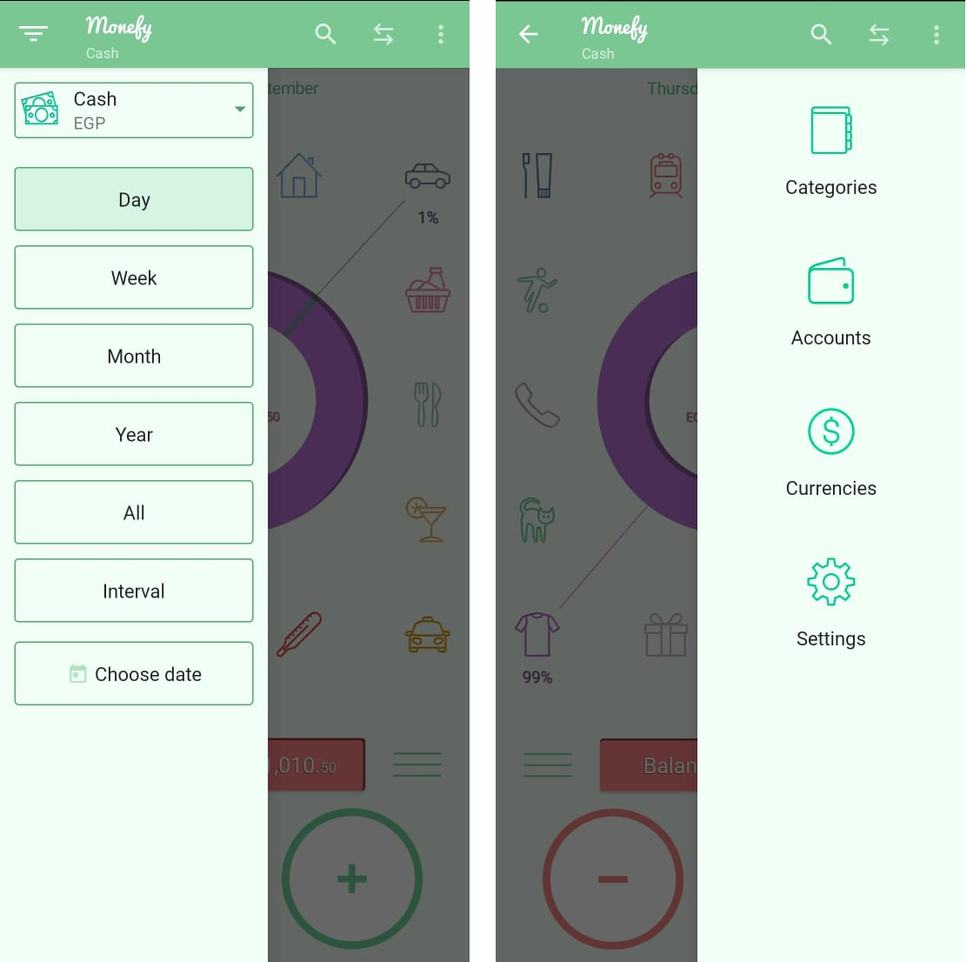 | New
Bug_08 | TC_Monefy_UI/UX_02 | Action bar which appears after saving a value disappears after a long time | Action bar which appears after saving a value disappears after a long time | Download “Monefy” mobile app on android mobile phone from this link: https://play.google.com/store/apps/details?id=com.monefy.app.lite | Entering value: 2000 | 1- Open the app 2- Click on "GET STARTED" 3- Click on "AMAZING" 4- Click on "I'M READY" 5- Close the offer page 6- Click on any icon, ex: "CLOTHES" 7- Add the entering value 8- Click on "ADD 'CLOTHES'" | 1- An action bar appear "Clothes: $2,000.00 added 2- As well as "CANCEL" button 3- Action bar should take two seconds max | 1- An action bar appear "Clothes: $2,000.00 added 2- As well as "CANCEL" button 3- Action bar takes more thank two seconds to be closed | Android mobile phones | Low | Low | 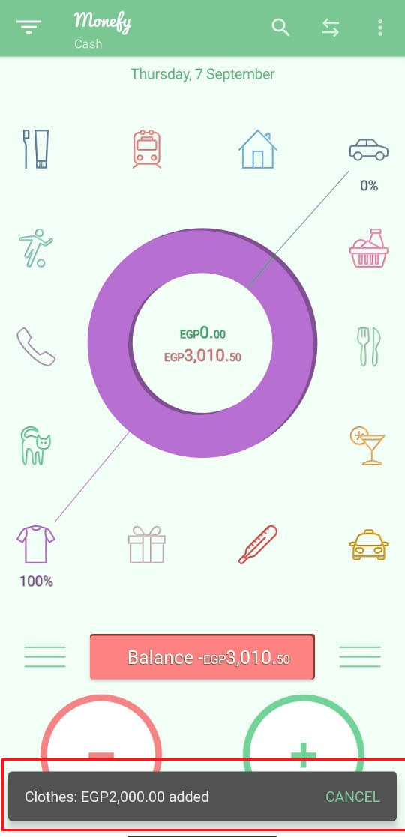 | New
Bug_09 | TC_Monefy_UI/UX_03 | Under the balance, there are two circles but don't have these names "New income" and "New expense", they only have "+" and "-" icons | Under the balance, there are two circles but don't have these names "New income" and "New expense", they only have "+" and "-" icons | Download “Monefy” mobile app on android mobile phone from this link: https://play.google.com/store/apps/details?id=com.monefy.app.lite | No test data | 1- Open the app 2- Click on "GET STARTED" 3- Click on "AMAZING" 4- Click on "I'M READY" 5- Close the offer page | Under the balance, there are two circles should have name "New income" and "New expense" | Under the balance, there are two circles but don't have these names "New income" and "New expense", they only have "+" and "-" icons | Android mobile phones | Medium | Medium | 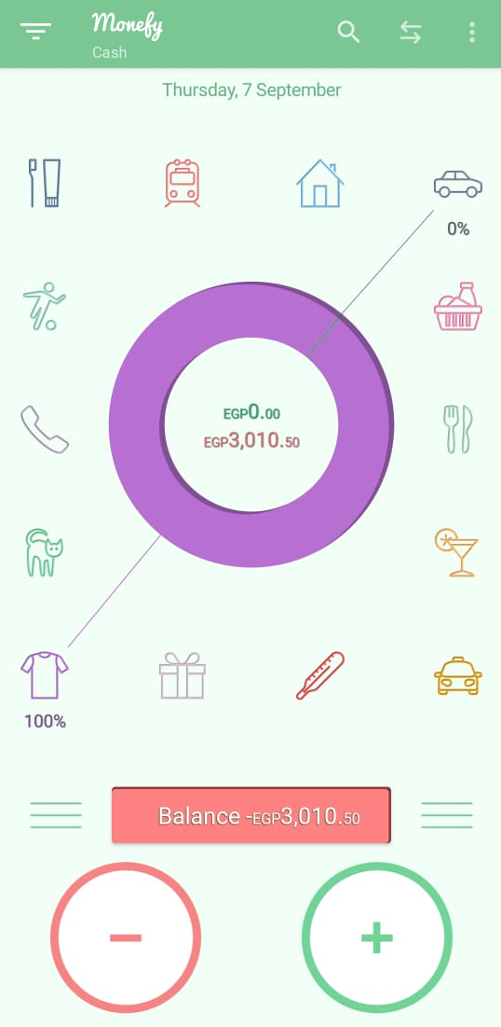 | New
Bug_10 | TC_Monefy_UI/UX_04 | The color of "New income" and "New Expense" screens are the same color of income circle | The color of "New income" and "New Expense" screens are the same color of income circle | Download “Monefy” mobile app on android mobile phone from this link: https://play.google.com/store/apps/details?id=com.monefy.app.lite | No test data | 1- Open the app 2- Click on "GET STARTED" 3- Click on "AMAZING" 4- Click on "I'M READY" 5- Close the offer page 6- Click on "+", see the color and close it 7- Click on "-", see the color and close it | The color of "New income" screen should be green like its circle and the color of "New Expense" screens should be red like its circle | The color of "New income" and "New Expense" screens are the same color of income circle | Android mobile phones | Medium | Medium | 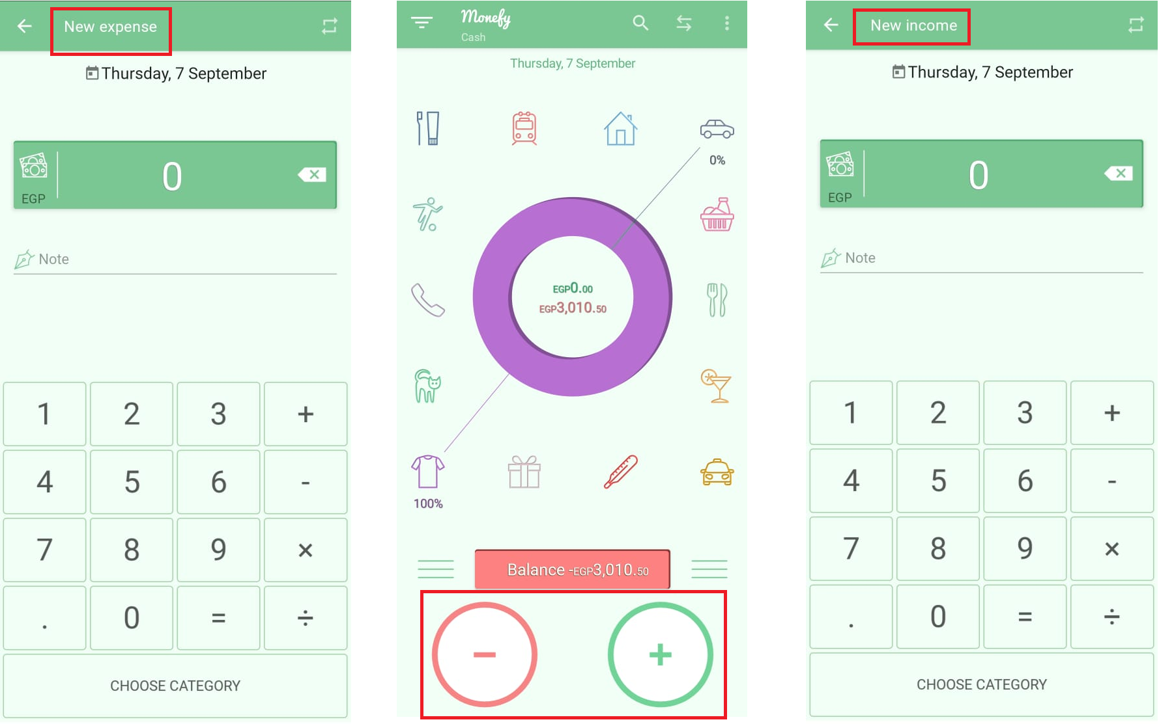 | New
Bug_11 | TC_Monefy_ClaimMyOffer_11 | "A GIFT TO YOURSELF" appears in a box like a button although it's not a button | "A GIFT TO YOURSELF" appears in a box like a button although it's not a button | Download “Monefy” mobile app on android mobile phone from this link: https://play.google.com/store/apps/details?id=com.monefy.app.lite | No test data | 1- Open the app 2- Click on "GET STARTED" 3- Click on "AMAZING" 4- Click on "I'M READY" | "A GIFT TO YOURSELF" shouldn't be like a button | "A GIFT TO YOURSELF" appears in a box like a button although it's not a button | Android mobile phones | Medium | High | 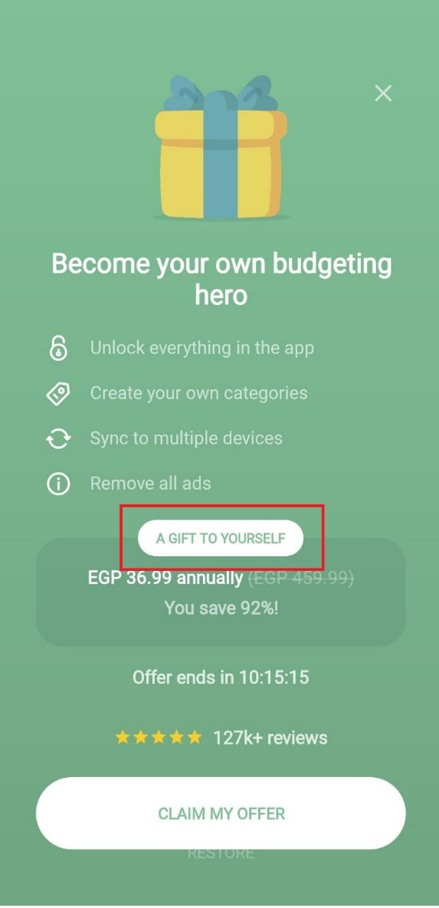 | New

