Rastreio
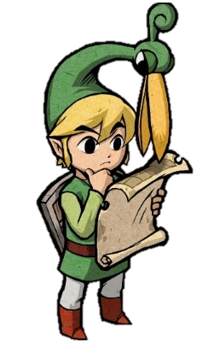
CONTROLE DE IMPORTAÇÕES

CADÊ MEU JOGO Rastreio de compras de e-commerce baseado em seus códigos de rastreio

Pedidos que Estão pra Chegar

Order ID | NOME DA NOTA | CONSOLE | NOME DO JOGO | VERSÃO
3790147896 | Bought 1x [The Legend of Zelda: A Link to the Past] - AliExpress [NDS] | NDS | The Legend of Zelda: A Link to the Past | Complete [DLC+]
2593249747 | Bought 1x [Pokémon Moon] - AliExpress [NDS] | NDS | Pokémon Moon | Complete [DLX]
6055727313 | Bought 1x [Mega Man X] - AliExpress [NDS] | NDS | Mega Man X | Complete [XZ]!
2912430686 | Bought 1x [Super Mario 64 DS] - AliExpress [3DS] | 3DS | Super Mario 64 DS | Complete [DLX]
9483853306 | Bought 1x [Super Mario Galaxy] - AliExpress [3DS] | 3DS | Super Mario Galaxy | Complete [XZ]!

Pedidos com Problema

Order ID | NOME DA NOTA | CONSOLE | NOME DO JOGO | VERSÃO
3831998152 | Bought 1x [Paper Mario: The Thousand-Year Door] - AliExpress [NDS] | NDS | Paper Mario: The Thousand-Year Door | Normal [XP]
5561729620 | Bought 1x [Pokémon Red] - AliExpress [NDS] | NDS | Pokémon Red | Complete [DLX]
6864946536 | Bought 1x [New Super Mario Bros. U] - AliExpress [SWT] | SWT | New Super Mario Bros. U | Normal [V3]!
5415997812 | Bought 1x [Animal Crossing: New Leaf] - AliExpress [SWT] | SWT | Animal Crossing: New Leaf | Complete [DLX]
5074725258 | Bought 1x [The Legend of Zelda: A Link Between Worlds] - AliExpress [3DS] | 3DS | The Legend of Zelda: A Link Between Worlds | Complete [DLC+]

Pedidos que vão ser devolvidos

Order ID | NOME DA NOTA | CONSOLE | NOME DO JOGO | VERSÃO
4319579638 | Bought 1x [Pokémon Let's Go, Pikachu!] - AliExpress [SWT] | SWT | Pokémon Let's Go, Pikachu! | Complete [DLX]
2533510230 | Bought 1x [Yoshi's Crafted World] - AliExpress [SWT] | SWT | Yoshi's Crafted World | Complete [DLC+]
3044929118 | Bought 1x [Luigi's Mansion] - AliExpress [NDS] | NDS | Luigi's Mansion | Normal [V3]!
7595400160 | Bought 1x [Fire Emblem: Sacred Stones] - AliExpress [3DS] | 3DS | Fire Emblem: Sacred Stones | Complete [DLX]
3129537165 | Bought 1x [Yoshi's Crafted World] - AliExpress [3DS] | 3DS | Yoshi's Crafted World | Complete [XZ]!
8509378705 | Bought 1x [Pokémon Sun] - AliExpress [SWT] | SWT | Pokémon Sun | Complete [DLC+]

Pedidos que estão marcados com um determinado Status

