1.2.4 PCB & PINOUTS
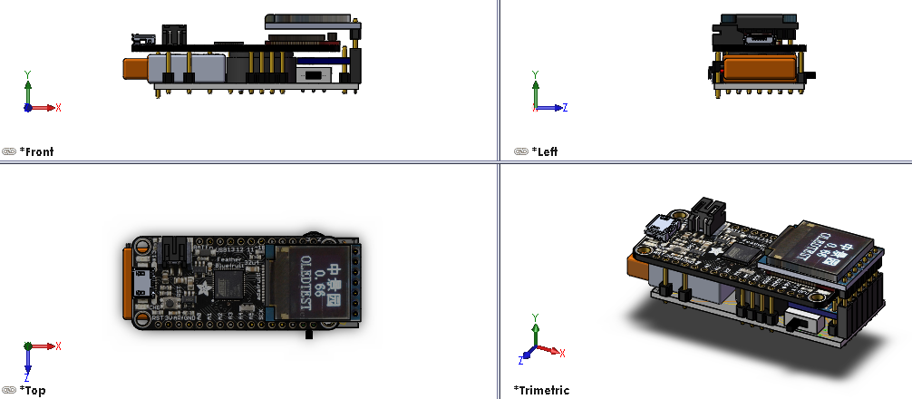
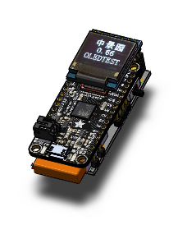
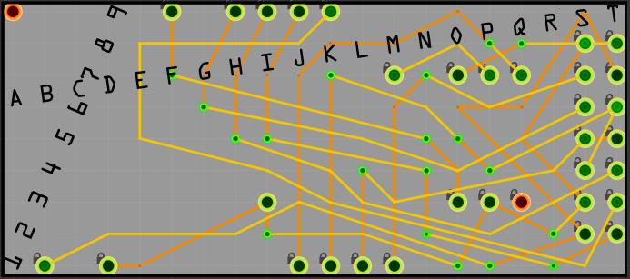
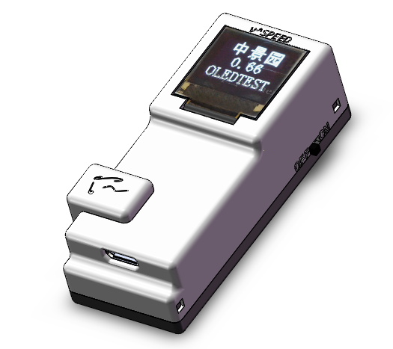
 | A | B | C | D | E | F | G | H | I | J | K | L | M | N | O | P | Q | R | S | T |  | WIRE DESCRIPTION | # | ABR
9 | DUM |  |  |  |  | PEN |  | SCE | RST | DCE | DDC |  |  |  |  |  |  |  |  |  | 9 | BLUEFRUIT FEATHER 3.3V | 1 | 3V3 | B1 | S2 | T7
8 |  |  |  |  |  |  |  |  |  |  |  |  |  |  |  |  |  |  | GND | GND | 8 | GND | 2 | GND | D1 | P3 | S3 | S8 | T8 | I3 | O7
7 |  |  |  |  |  |  |  |  |  |  |  |  | PTB |  | GND | PTB | SIG |  | MIS | 3V3 | 7 | SENSOR MISO / SDO | 3 | MIS | M1 | S7
6 |  |  |  |  |  |  |  |  |  |  |  |  |  |  |  |  |  |  | SCE | SCK | 6 | SENSOR CSB / CHIP ENABLE | 4 | SCE | H9 | S6
5 |  |  |  |  |  |  |  |  |  |  |  |  |  |  |  |  |  |  | MOS | MOS | 5 | CLOCK | 5 | SCK | K1 | T6 | S4
4 |  |  |  |  |  |  |  |  |  |  |  |  |  |  |  |  |  |  | SCK | RST | 4 | MOSI | 6 | MOS | L1 | T5 | S5
3 |  |  |  |  |  |  |  |  | GND |  |  |  |  |  | PEN | GND | DUM |  | GND | DDC | 3 | DISPLAY RESET | 7 | RST | I9 | T4
2 |  |  |  |  |  |  |  |  |  |  |  |  |  | OPE | OPE | OPE | OPE | OPE | 3V3 | DCE | 2 | DISPLAY CHIP ENABLE | 8 | DCE | J9 | T2
1 |  | 3V3 |  | GND |  |  |  |  |  | SIG | SCK | MOS | MIS | OPE | OPE | OPE | OPE | OPE |  |  | 1 | DISPLAY DATA/COMMAND | 9 | DDC | K9 | T3
 | A | B | C | D | E | F | G | H | I | J | K | L | M | N | O | P | Q | R | S | T |  | BUZZER SIGNAL | 10 | SIG | J1 | Q7
 | ... | ... | ... | ... | ... | ... | ... | ... | ... | ... | ... | ... | ... | ... | ... | ... | ... | ... | ... | ... |  | POWER ENABLE PIN | 11 | PEN | F9 | O3
 | 1 | 2 | 3 | 4 | 5 | 6 | 7 | 8 | 9 | 10 | 11 | 12 | 13 | 14 | 15 | 16 | 17 | 18 | 19 | 20 |  | POTENTIOMETER TO BUZZER | 12 | PTB | P7 | M7
 |  |  |  |  |  |  |  |  |  |  |  |  |  |  |  |  |  |  |  |  |  | DUMMY PIN TO HOLD LIPO | 13 | OPE | A1 |  |  |  |  |  |  |  |  | CUSTOM CASE DESIGNED IN SOLIDWORKS AND ORDERED THROUGH SHAPEWAYS |  |  |  | CUSTOM PCB DESIGNED IN FRITZING AND ORDERED THROUGH SEEED
 |  |  |  |  |  |  |  |  |  |  |  |  |  |  |  |  |  |  |  |  |  | OPEN HOLE TO SECURE SWITCH | 14 | DUM | Q3 |  |  |  |  |  |  | APPROX ACTUAL SIZE

 |  |  |  |  |  |  |  |  |  |  |  |  |  |  |  |  |  |  |  |  |  |  |  |  |  |  |  |  |  |  |  |  |  |  | ORIGINAL: | $65.71 | TODO -- INSERT EXPLODED ASSEMBLY VIEWS
 |  |  |  |  |  |  |  |  |  |  |  |  |  |  |  |  |  |  |  |  |  |  |  |  |  |  |  |  |  |  |  |  | PROTOTYPE 1.2.4 - MULTIVIEW |  | AS OF AUG '17: | $45.24 |  |  | END

(not used) 1.2.2 WIRING
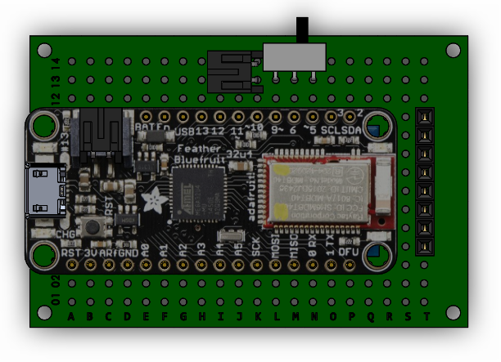
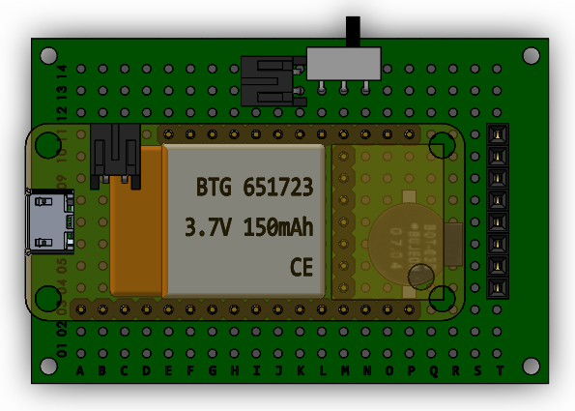
TOP VIEW
 | A | B | C | D | E | F | G | H | I | J | K | L | M | N | O | P | Q | R | S | T
14 |  |  |  |  |  |  |  |  |  |  | RED |  |  |  |  |  |  |  |  |  | 14
13 |  |  |  |  |  |  |  |  |  |  | BLK | OPEN | OFF | ON |  |  |  |  |  |  | 13
12 |  |  |  |  |  |  |  |  |  |  |  |  |  |  |  |  |  |  |  |  | 12
11 |  |  |  |  | BAT | En | USB | 13 | 12 | 11 | ~10 | 9~ | 6 | ~5 | SCL 3 | SDA 2 |  |  |  | GND | 11
10 |  |  |  |  |  |  |  |  |  |  |  |  | VCC |  |  |  |  |  |  | LIGHT | 10
9 |  |  |  |  |  |  |  |  |  |  |  |  | GND |  |  |  |  |  |  | VCC | 9
8 |  |  |  |  |  |  |  |  |  |  |  |  | SCL |  |  | LEFT |  |  |  | CLK | 8
7 |  |  |  |  |  |  |  |  |  |  |  |  | SDA/SDI |  |  | LEFT |  |  |  | DIN | 7
6 |  |  |  |  |  |  |  |  |  |  |  |  | CSB |  |  |  |  |  |  | DC | 6
5 |  |  |  |  |  |  |  |  |  |  |  |  | SDO |  |  | RIGHT |  |  |  | CE | 5
4 |  |  |  |  |  |  |  |  |  |  |  |  | PS |  |  | RIGHT |  |  |  | RST | 4
3 | RST | 3V | Arf | GND | A0 | A1 | A2 | A3 | A4 | A5 | SCK | MOSI | MISO | 0 RX | 1 TX | DFU |  |  |  |  | 3
2 |  |  |  |  |  |  |  |  |  |  |  |  |  |  |  |  |  |  |  |  | 2
1 |  |  |  |  |  |  |  |  |  |  |  |  |  |  |  |  |  |  |  |  | 1
 | A | B | C | D | E | F | G | H | I | J | K | L | M | N | O | P | Q | R | S | T

TOP VIEW
 | A | B | C | D | E | F | G | H | I | J | K | L | M | N | O | P | Q | R | S | T
14 |  |  |  |  |  |  |  |  |  |  | RED |  |  |  |  |  |  |  |  |  | 14
13 |  |  |  |  |  |  |  |  |  |  | BLK | OPEN | OFF | ON |  |  |  |  |  |  | 13
12 |  |  |  |  |  |  |  |  |  |  |  |  |  |  |  |  |  |  |  |  | 12
11 |  |  |  |  | BAT | En | USB | 13 | 12 | 11 | ~10 | 9~ | 6 | ~5 | SCL 3 | SDA 2 |  |  |  | GND | 11
10 |  |  |  |  |  |  |  |  |  |  |  |  | VCC |  |  |  |  |  |  | LIGHT | 10
9 |  |  |  |  |  |  |  |  |  |  |  |  | GND |  |  |  |  |  |  | VCC | 9
8 |  |  |  |  |  |  |  |  |  |  |  |  | SCL |  |  | LEFT |  |  |  | CLK | 8
7 |  |  |  |  |  |  |  |  |  |  |  |  | SDA |  |  | LEFT |  |  |  | DIN | 7
6 |  |  |  |  |  |  |  |  |  |  |  |  | CSB |  |  |  |  |  |  | DC | 6
5 |  |  |  |  |  |  |  |  |  |  |  |  | SDO |  |  | RIGHT |  |  |  | CE | 5
4 |  |  |  |  |  |  |  |  |  |  |  |  | PS |  |  | RIGHT |  |  |  | RST | 4
3 | RST | 3V | Arf | GND | A0 | A1 | A2 | A3 | A4 | A5 | SCK | MOSI | MISO | 0 RX | 1 TX | DFU |  |  |  |  | 3
2 |  |  |  |  |  |  |  |  |  |  |  |  |  |  |  |  |  |  |  |  | 2
1 |  |  |  |  |  |  |  |  |  |  |  |  |  |  |  |  |  |  |  |  | 1
 | A | B | C | D | E | F | G | H | I | J | K | L | M | N | O | P | Q | R | S | T

 | + | B3 | M10 | T9
 | - | D3 | M4 | M9 | T11 | P4
 | 1 | K3 | T8
 | 1 | L3 | T7
 | 1 | M3 | M5
 | 1 | M11 | T10
 | 1 | N11 | P8
 | 2 | I11 | M6
 | 2 | J11 | T4
 | 2 | K11 | T5
 | 2 | L11 | T6

TOP VIEW
 | A | B | C | D | E | F | G | H | I | J | K | L | M | N | O | P | Q | R | S | T
14 |  |  |  |  |  |  |  |  |  |  |  |  |  |  |  |  |  |  |  |  | 14
13 |  |  |  |  |  |  |  |  |  |  |  |  |  |  |  |  |  |  |  |  | 13
12 |  |  |  |  |  |  |  |  |  |  |  |  |  |  |  |  |  |  |  |  | 12
11 |  |  |  |  |  |  |  |  |  |  |  |  |  |  |  |  |  |  |  |  | 11
10 |  |  |  |  |  |  |  |  |  |  |  |  |  |  |  |  |  |  |  |  | 10
9 |  |  |  |  |  |  |  |  |  |  |  |  |  |  |  |  |  |  |  |  | 9
8 |  |  |  |  |  |  |  |  |  |  |  |  |  |  |  |  |  |  |  |  | 8
7 |  |  |  |  |  |  |  |  |  |  |  |  |  |  |  |  |  |  |  |  | 7
6 |  |  |  |  |  |  |  |  |  |  |  |  |  |  |  |  |  |  |  |  | 6
5 |  |  |  |  |  |  |  |  |  |  |  |  |  |  |  |  |  |  |  |  | 5
4 |  |  |  |  |  |  |  |  |  |  |  |  |  |  |  |  |  |  |  |  | 4
3 |  |  |  |  |  |  |  |  |  |  |  |  |  |  |  |  |  |  |  |  | 3
2 |  |  |  |  |  |  |  |  |  |  |  |  |  |  |  |  |  |  |  |  | 2
1 |  |  |  |  |  |  |  |  |  |  |  |  |  |  |  |  |  |  |  |  | 1
 | A | B | C | D | E | F | G | H | I | J | K | L | M | N | O | P | Q | R | S | T

(not used) 1.2.4 WIRING
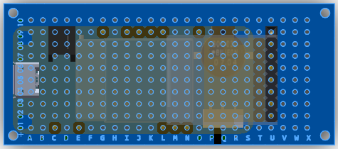
TOP VIEW
 | A | B | C | D | E | F | G | H | I | J | K | L | M | N | O | P | Q | R | S | T | U | V
14 |  |  |  |  |  |  |  |  |  |  |  |  |  |  |  |  |  |  |  |  |  |  | 14
13 |  |  |  |  |  |  |  |  |  |  |  |  |  |  |  |  |  |  |  |  |  |  | 13
12 |  |  |  |  |  |  |  |  |  |  |  |  |  |  |  |  |  |  |  |  |  |  | 12
11 |  |  |  |  |  |  |  |  |  |  |  |  |  |  |  |  |  |  |  |  |  |  | 11
10 |  |  |  |  |  |  |  |  |  |  |  |  |  |  |  |  |  |  |  |  |  |  | 10
9 |  |  |  |  |  | BAT | En | USB | 13 | 12 | 11 | ~10 | 9~ | 6 | ~5 | SCL 3 | SDA 2 |  |  |  |  |  | 9
8 |  |  |  |  |  |  |  |  |  |  |  |  |  |  |  |  |  |  |  | PS | GND |  | 8
7 |  |  |  |  |  |  |  |  |  |  |  |  |  |  | LEFT | LEFT |  | RIGHT | RIGHT | SDO | VCC |  | 7
6 |  |  |  |  |  |  |  |  |  |  |  |  |  |  |  |  |  |  |  | CSB | CLK |  | 6
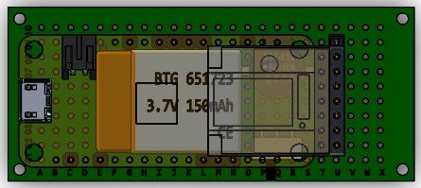
5 |  |  |  |  |  |  |  |  |  |  |  |  |  |  |  |  |  |  |  | SDA/SDI | DIN |  | 5
4 |  |  |  |  |  |  |  |  |  |  |  |  |  |  |  |  |  |  |  | SCL | RST |  | 4
3 |  |  |  |  |  |  |  |  |  |  |  |  |  |  |  | OPEN | OFF | ON |  | GND | DC |  | 3
2 |  |  |  |  |  |  |  |  |  |  |  |  |  |  |  |  |  |  |  | VCC | CE |  | 2
1 |  | RST | 3V | Arf | GND | A0 | A1 | A2 | A3 | A4 | A5 | SCK | MOSI | MISO | 0 RX | 1 TX | DFU |  |  |  |  |  | 1
 | A | B | C | D | E | F | G | H | I | J | K | L | M | N | O | P | Q | R | S | T | U | V

 | + | C1 | T2 | U7
 | - | E1 | S7 | Q3 | T3 | T8 | U8
 | 1 | N1 | T7
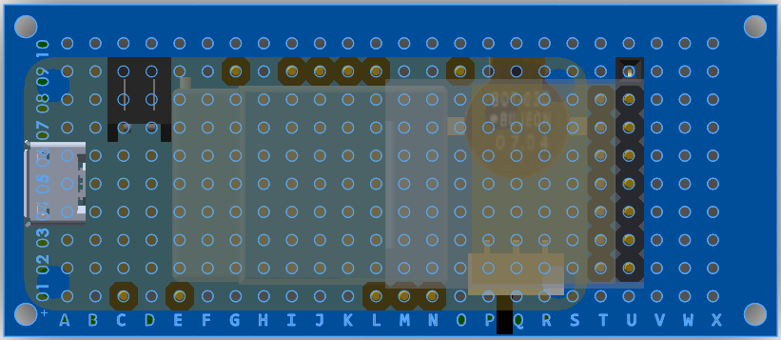
 | 1 | I9 | T6
 | 1&2 | L1 | U6 | T4
 | 1&2 | M1 | U5 | T5
 | 2 | J9 | U4
 | 2 | K9 | U2
 | 2 | L9 | U3
 | 3 | O9 | O7
 | 4 | G9 | P3

 | + | C1 | T2 | U7
 | - | E1 | S7 | Q3 | T3 | T8 | U8
 | 1 | N1 | T7
 | 1 | I9 | T6
 | 1&2 | L1 | U6 | T4
 | 1&2 | M1 | U5 | T5
 | 2 | J9 | U4
 | 2 | K9 | U2
 | 2 | L9 | U3
 | 3 | K1 | J3
 | 4 | G9 | P3
 | 5 |  | P7
 | 5 |  | Q7
 | 5 |  | R7

 | + | C1 | T2 | U7
 | - | E1 | S7 | Q3 | T3 | T8 | U8 | P7
 | 1 | N1 | T7
 | 1 | I9 | T6
 | 1&2 | L1 | U6 | T4
 | 1&2 | M1 | U5 | T5
 | 2 | J9 | U4
 | 2 | K9 | U2
 | 2 | L9 | U3
 | 3 | K1 | R7
 | 4 | G9 | P3
 | 3 | Q7 | N7

